ESP32S Pinout
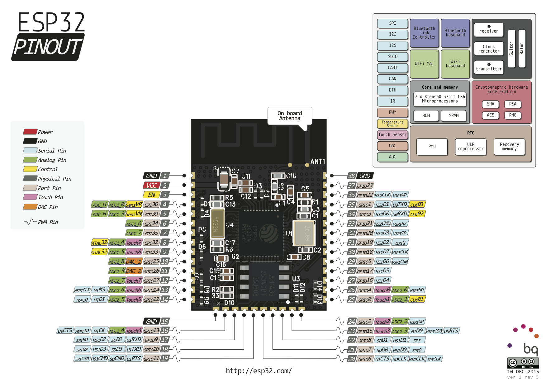
Function Block | Function Pin Name | ESP32 Pin Name | MYSx | Usage | https://de.aliexpress.com/item/ESP32-ESP32S-WIFI-Bluetooth-Module-240MHz-Dual-Core-CPU-MCU-Wireless-Network-Board-ESP-WROOM-32/32817688406.html?spm=a2g0x.search0104.3.1.3bc34eb5tSg79z&ws_ab_test=searchweb0_0,searchweb201602_5_10152_10151_10065_10344_10068_5722815_10342_10547_10343_10340_5722915_10548_10341_5722615_10696_10084_10083_10618_10304_10307_10820_10821_10302_5722715_10059_100031_10103_10624_10623_10622_5722515_10621_10620,searchweb201603_2,ppcSwitch_3&algo_expid=499485e8-6df0-40d6-8033-c5497748adb9-0&algo_pvid=499485e8-6df0-40d6-8033-c5497748adb9&transAbTest=ae803_1&priceBeautifyAB=0

SPI 1 / VSPI | MISO | IO19 |  | Radio1
 | MOSI | IO23 |  | Radio1
 | CLK | IO18 |  | Radio1
 | CS | IO17 |  | Radio1
 | DAT | IO16 |  | Radio1
SPI 2 / HSPI | MISO | IO12 | x | Radio2/Display
 | MOSI | IO13 | x | Radio2/Display
 | CLK | IO14 | x | Radio2/Display
 | CS | IO26 | x | Radio2/Display
Display Control | DAT/CMD | IO27 | x | Radio2/Display
 | BUSY | IO25 | x | Radio2/Display
 | RESET | IO33
I2C | SDA | IO21 | x
 | SCL | IO22 | x
UART 1 / Flash | RX | IO03/ RXD0 | x | Flash
 | TX | IO01/ TXD0 | x | Flash
Voltage Monitor | A0 | SENSOR_VP
RESET | RESET | EN | x
Available Pins | A3 | SENSOR_VN | x
 |  | IO00 | x
 |  | IO02 | x
 |  | IO04 | x | Button
 |  | IO05 | x
 |  | IO15 | x
 |  | IO32
 |  | IO34 | x
 |  | IO35 | x | Radio2/Display
 |  | IO36 |  | Voltage Meassure
 |  | IO39
 |  | IO20
 |  | IO09
 |  | IO10
 |  | IO11
 |  | IO08
 |  | IO07
 |  | IO06
 | ? | SCS
 | ? | SCK
 | ? | SD0
 | ? | SD1
 | ? | SD2

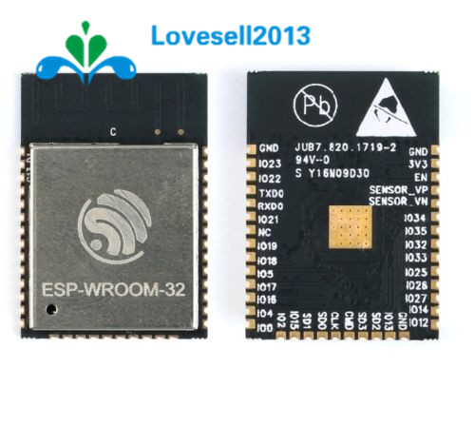

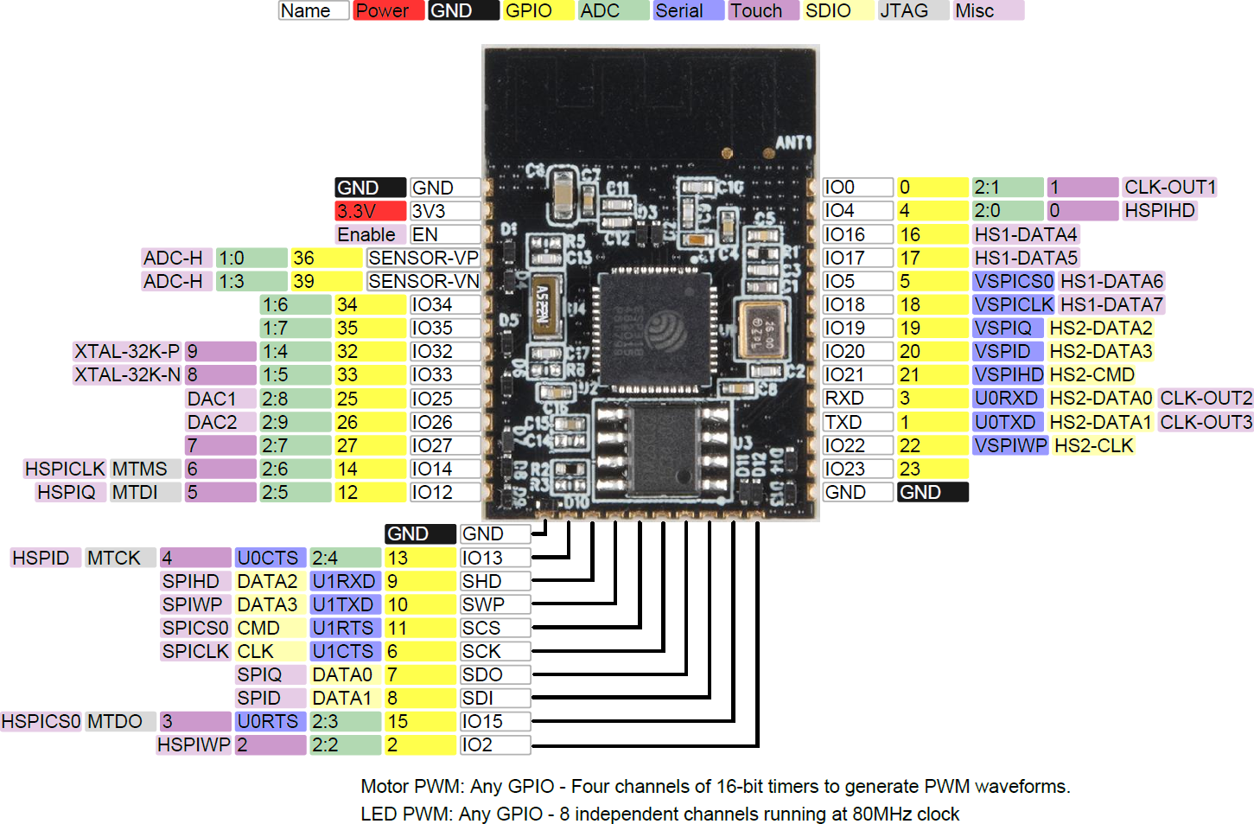

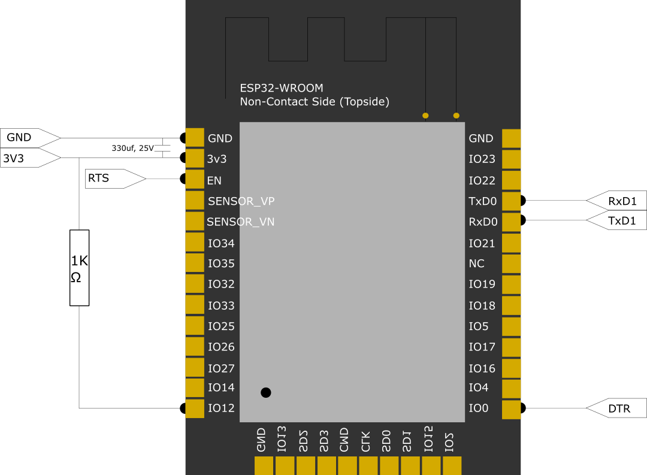

 |  |  |  |  |  | ESP32S WROOM Data Sheet

