Sheet1
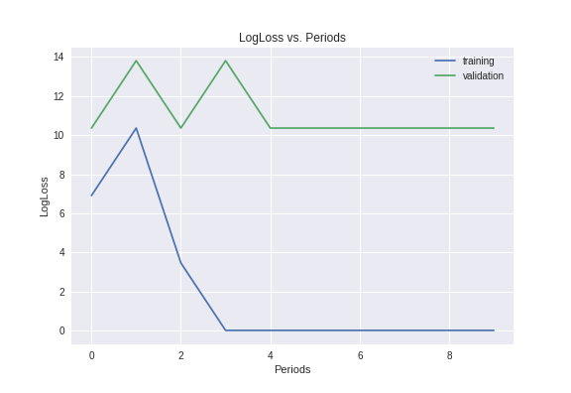
Model | learning rate | training set size | validating set size | accuracy | logLoss
[input: 4096, 2048, 1024, output 2] | 0.003 | 10 | 10 | 0.7

