Sheet1
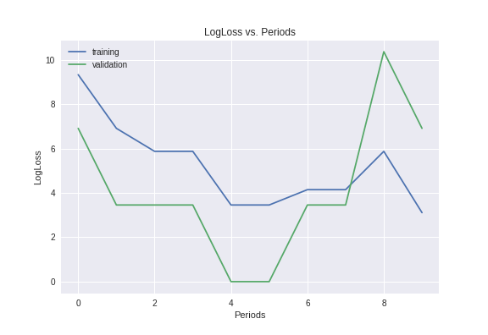
Model | learning rate | training set size | validating set size | batchsize | accuracy | logLoss
[input: 4096, 512, output 2] | 0.1 | 100 | 10 | 1 | 0.6

