Sheet1
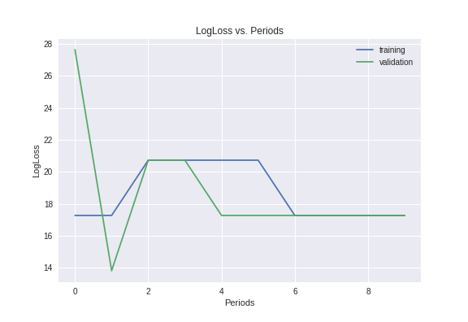
Model | learning rate | training set size | validating set size | batchsize | accuracy | logLoss
[input: 4096, 3, output 2] | 0.1 | 10 | 10 | 1 | 0.6
[input: 4096, 1, output 2] | 0.1 | 10 | 10 | 1 | 0.6

