Schedule
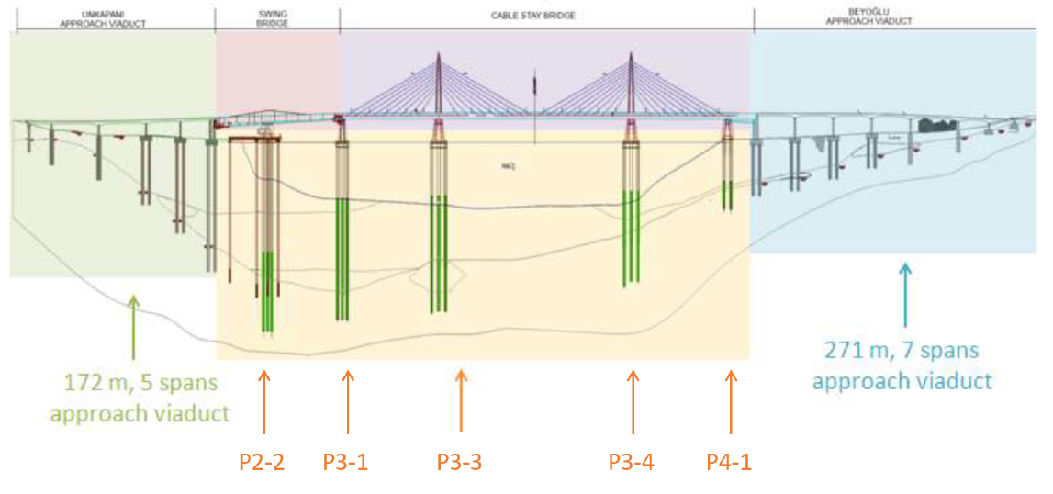

 |  |  |  |  |  |  |  |  |  |  | 34.4

 |  |  |  |  |  |  |  | hrs/m
 |  |  |  | Duration | 8 | UoM | Qty | req.d | base | no. rigs
 |  |  |  | [days] | [hrs]
31-40 40 14 11 |  | Erection phase
 | 21-01 10 20 15 | Bored piles |  | 60 | 480 | m | 3600 | 0.13 | 0.36 | 2.7
 |  |  | West viaduct |  |  | m | 2400
 |  |  | Piers | 6
 |  |  | Pile / Pier | 10
 |  |  | Avg. length | 40
 |  |  | East viaduct |  |  | m | 1200
 |  |  | Piers | 6
 |  |  | Pile / Pier | 10
 |  |  | Avg. length | 20

