Ex 1.
PROJECT CHARTER
SCOPE OF THE PROJECT | Construction of a cableway facility for ski resort company

GOAL STATEMENT | The project will be build in 25 days with a 4 parallel task (Departure, Arrival, foundation 1 and foundation 2)

RESOURCES | 3 TEAM WORKERS
Budget | Material C | 320,000.00 € | TOT | 595,000.00 €
 | OH W/O RESOURCES | 250,000.00 €
 | COST OF LABOUR | 25000
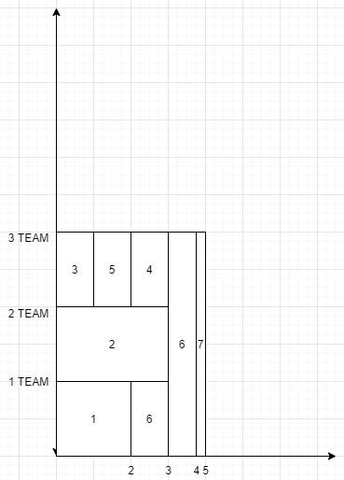
SCHEDULING | the scheduling is made on a project file, you can find in the foulder
SCHEDULING WITH RESOURCES

Solution by student Ferraro

