Sheet1
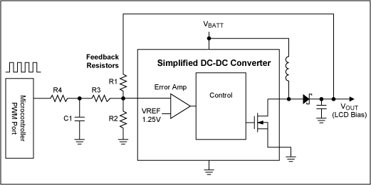

R1 [Ohm] | 91000.00
R2 [Ohm] | 10000.00
R3 [Ohm] | 100000.00
R4 [Ohm] | 100000.00
C1 [F]
VREF [V] | 0.60
V_PWM_H [V] | 3.30
V_PWM_L [V] | 0.00

VOUT_CONST | 6.06

Duty Cycle [%] | 0 | 10 | 20 | 30 | 40 | 50 | 60 | 70 | 80 | 90 | 100
PWM Voltage | 0.00 | 0.33 | 0.66 | 0.99 | 1.32 | 1.65 | 1.98 | 2.31 | 2.64 | 2.97 | 3.30
VOUT | 6.33 | 6.18 | 6.03 | 5.88 | 5.73 | 5.58 | 5.43 | 5.28 | 5.13 | 4.98 | 4.83

