Biomass
Category | Region | kg/USD 2024 | SSP1 | SSP2 | SSP3 | SSP4 | SSP5 | Rationale
Crops | North America | 0.0271 | 0.0100 | 0.0200 | 0.0300 | 0.0200 | 0.0150 | Already near floor. SSP1 pushes precision agriculture and waste reduction. SSP3 essentially flat given low starting point.
Crops | Europe & Russia | 0.0509 | 0.0100 | 0.0200 | 0.0300 | 0.0200 | 0.0150 | Similar to North America. Slightly higher 2024 value due to Russia's agricultural intensity. Convergence to same floor.
Crops | East Asia | 0.1172 | 0.0100 | 0.0200 | 0.0300 | 0.0200 | 0.0150 | Strong historical decline already visible. China's agricultural modernisation drives fast convergence even under SSP3.
Crops | Oceania | 0.0401 | 0.0100 | 0.0200 | 0.0300 | 0.0200 | 0.0150 | Low intensity, export-oriented agriculture. Limited further decline but SSP1 efficiency gains still applicable.
Crops | Latin America | 0.2588 | 0.0600 | 0.1000 | 0.1500 | 0.1000 | 0.0800 | Structural agricultural export economy keeps intensity relatively high. SSP1 diet shift and efficiency. SSP3 slow tech diffusion.
Crops | Middle East & North Africa | 0.1429 | 0.0600 | 0.1000 | 0.1500 | 0.1000 | 0.0800 | Mid-level intensity with water-constrained agriculture. SSP1 efficiency gains strong. SSP3 food security pressures maintain intensity.
Crops | South Asia | 0.3424 | 0.0800 | 0.1500 | 0.2200 | 0.1500 | 0.1200 | High intensity but fast historical decline. Large convergence potential. SSP3 population pressure slows but cannot stop decline.
Crops | Sub-Saharan Africa | 0.4348 | 0.1000 | 0.2000 | 0.3000 | 0.2200 | 0.1800 | Highest intensity. SSP3 target close to 2024 value reflecting slow tech diffusion and population growth diluting GDP gains.
Grazed biomass and fodder crops | North America | 0.0275 | 0.0080 | 0.0150 | 0.0250 | 0.0150 | 0.0150 | Already low. SSP1 plant-based transition accelerates. SSP5 high consumption partially offsets efficiency gains.
Grazed biomass and fodder crops | Europe & Russia | 0.0327 | 0.0080 | 0.0150 | 0.0250 | 0.0150 | 0.0150 | Similar to North America. SSP1 strong diet shift signal in Europe. Russia maintains higher livestock intensity.
Grazed biomass and fodder crops | East Asia | 0.0307 | 0.0080 | 0.0150 | 0.0250 | 0.0150 | 0.0150 | Low and declining. China's dietary transition well underway. SSP1 accelerates plant-based shift.
Grazed biomass and fodder crops | Oceania | 0.1467 | 0.0600 | 0.0900 | 0.1200 | 0.0900 | 0.0900 | Structurally high — livestock export economy (Australia, NZ). Cannot converge to developed region floor. Floor reflects irreducible pastoral system.
Grazed biomass and fodder crops | Latin America | 0.2886 | 0.0800 | 0.1500 | 0.2200 | 0.1500 | 0.1500 | Livestock-heavy economy. SSP1 diet shift significant but structural export demand maintains higher floor than other regions.
Grazed biomass and fodder crops | Middle East & North Africa | 0.0731 | 0.0200 | 0.0400 | 0.0600 | 0.0400 | 0.0400 | Moderate intensity. Arid climate limits grazing expansion. SSP1 efficiency and diet change. SSP3 food security maintains livestock demand.
Grazed biomass and fodder crops | South Asia | 0.1256 | 0.0300 | 0.0600 | 0.0900 | 0.0600 | 0.0600 | Declining fast historically. Cultural dietary patterns slow full convergence. SSP1 modernisation of fodder systems.
Grazed biomass and fodder crops | Sub-Saharan Africa | 0.5261 | 0.1200 | 0.2500 | 0.4000 | 0.2800 | 0.2500 | Highest intensity globally. SSP3 target near current value — pastoralism persists with slow income growth. SSP1 large decline but floor remains high.
Wood | North America | 0.0109 | 0.0050 | 0.0080 | 0.0100 | 0.0080 | 0.0060 | Near floor. Fuelwood negligible. Timber demand stable or declining with material efficiency. SSP5 construction boom partially offsets.
Wood | Europe & Russia | 0.0186 | 0.0050 | 0.0080 | 0.0100 | 0.0080 | 0.0060 | Similar to North America. Russia has higher timber intensity but declining. SSP1 material efficiency strongest driver.
Wood | East Asia | 0.0215 | 0.0050 | 0.0080 | 0.0100 | 0.0080 | 0.0060 | Low fuelwood, moderate timber. Construction slowdown in China drives decline. SSP3 slower efficiency gains.
Wood | Oceania | 0.0079 | 0.0050 | 0.0080 | 0.0100 | 0.0080 | 0.0060 | Already at near-floor. Minimal change expected across scenarios.
Wood | Latin America | 0.0477 | 0.0150 | 0.0250 | 0.0350 | 0.0250 | 0.0200 | Mixed fuelwood and timber. Energy transition drives fuelwood decline. SSP3 slower clean energy access in rural areas.
Wood | Middle East & North Africa | 0.0156 | 0.0150 | 0.0250 | 0.0350 | 0.0250 | 0.0200 | Low intensity already. Limited wood resources structurally. Minimal scenario differentiation.
Wood | South Asia | 0.0656 | 0.0150 | 0.0300 | 0.0450 | 0.0300 | 0.0200 | Significant fuelwood dependence declining fast. SSP1 clean energy access accelerates substitution. SSP3 rural energy poverty persists longer.
Wood | Sub-Saharan Africa | 0.2197 | 0.0400 | 0.1000 | 0.1600 | 0.1100 | 0.0800 | Highest intensity — dominant fuelwood use. SSP3 target still high reflecting slow electrification and clean cooking access. SSP1 large decline but irreducible timber demand remains.
Other biomass | East Asia | 0.0019 | Fixed | Fixed | Fixed | Fixed | Fixed
Other biomass | Europe & Russia | -0.0013 | Fixed | Fixed | Fixed | Fixed | Fixed
Other biomass | Latin America | 0.0011 | Fixed | Fixed | Fixed | Fixed | Fixed
Other biomass | Middle East & North Africa | 0.0074 | Fixed | Fixed | Fixed | Fixed | Fixed
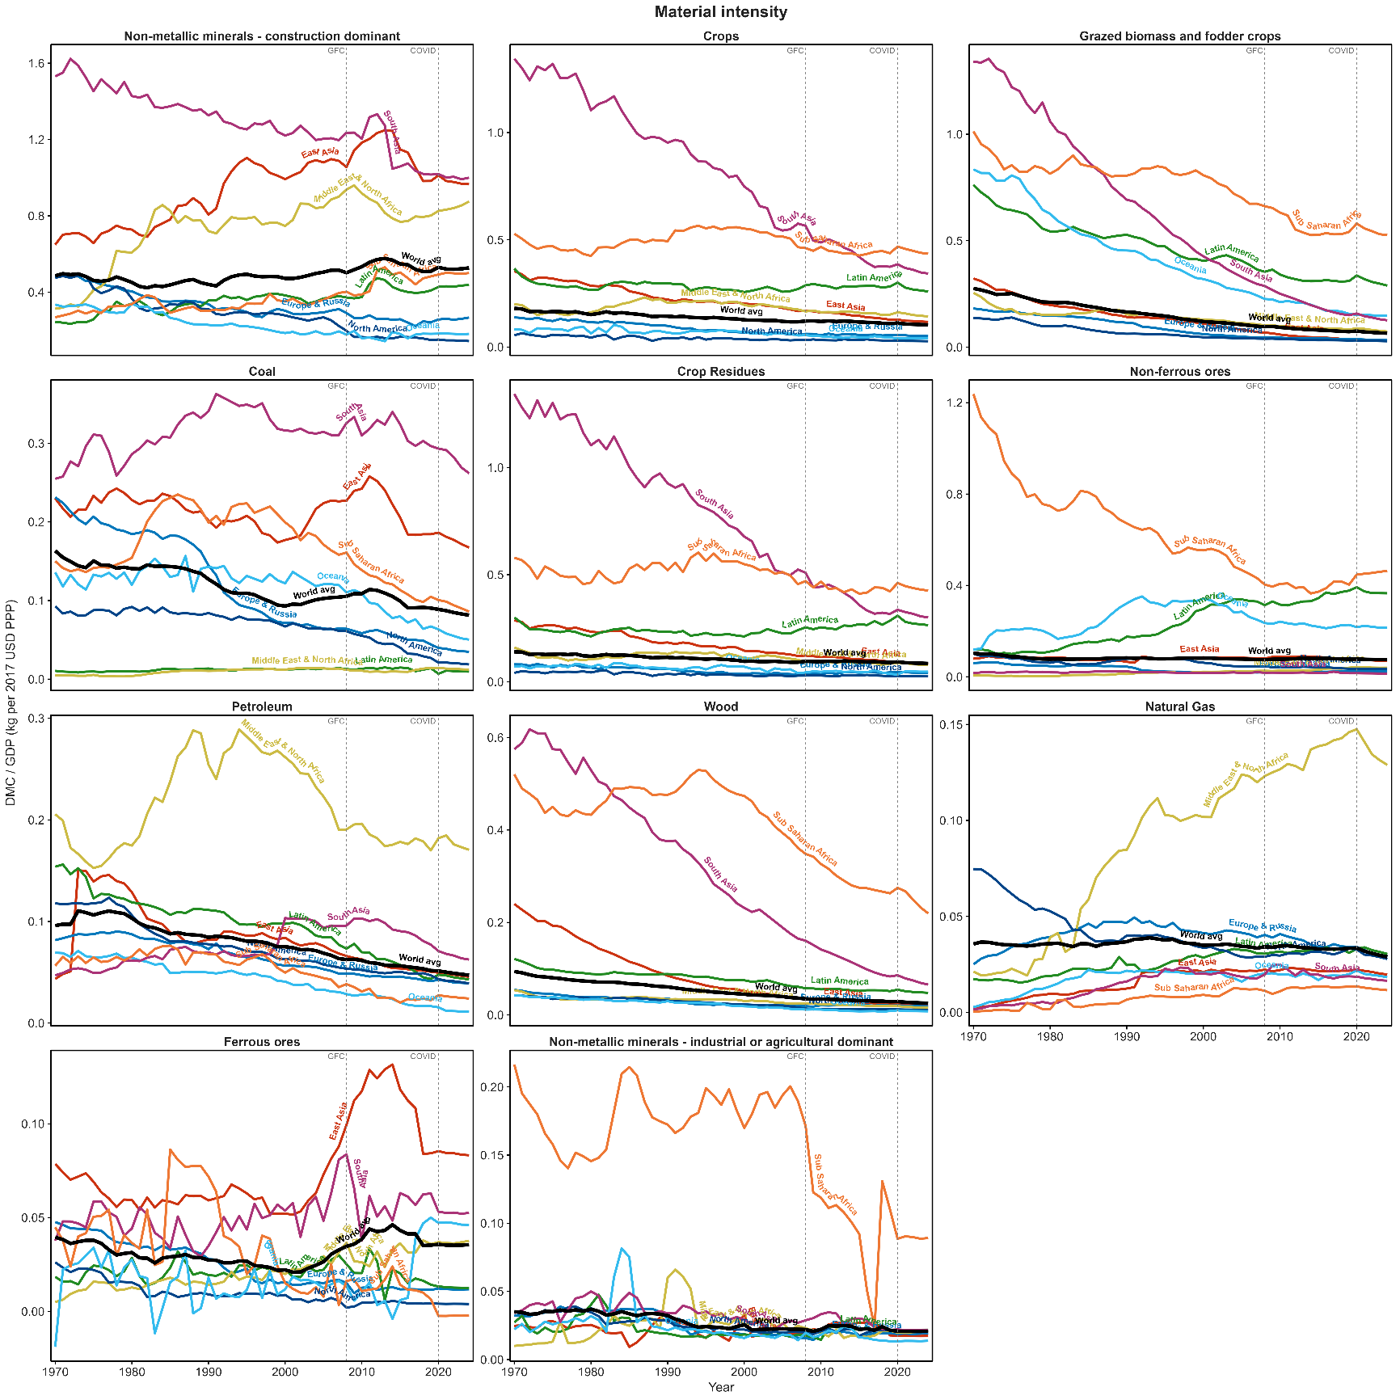
Other biomass | North America | -0.0005 | Fixed | Fixed | Fixed | Fixed | Fixed
Other biomass | Oceania | -0.0043 | Fixed | Fixed | Fixed | Fixed | Fixed
Other biomass | South Asia | 0.0018 | Fixed | Fixed | Fixed | Fixed | Fixed
Other biomass | Sub-Saharan Africa | 0.0103 | Fixed | Fixed | Fixed | Fixed | Fixed

MetalOres
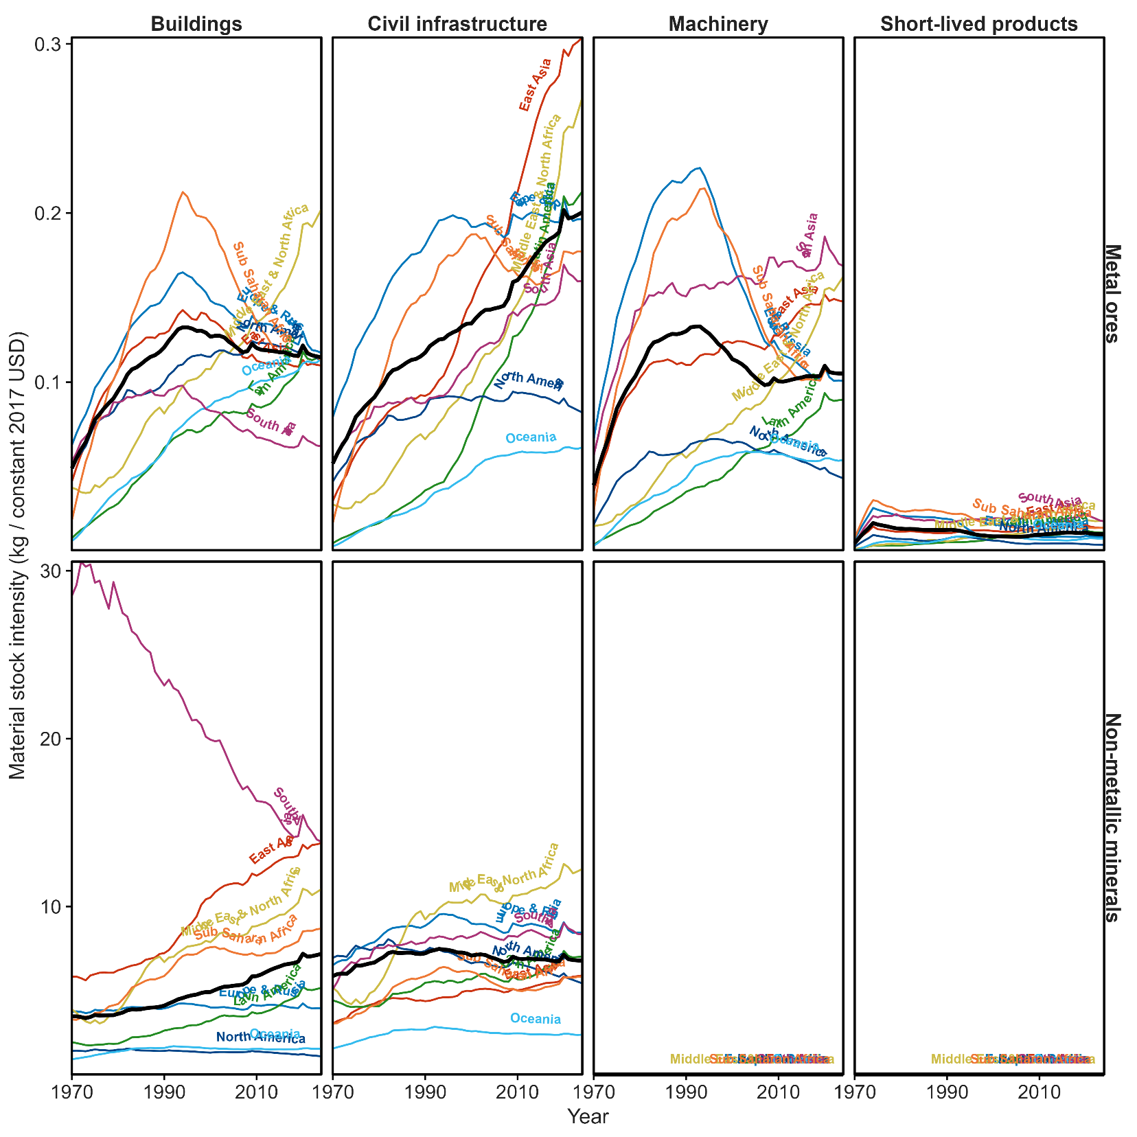
Note: Material Stock intensity, not flow
end_use | region | kg/USD 2024 | SSP1 | SSP4 | SSP2 | SSP3 | SSP5 | rationale
Buildings | North America | 0.113 | 0.09 | 0.1 | 0.11 | 0.11 | 0.13 | Plateau region; SSP1 modest efficiency decline, SSP5 marginal uptick from construction ambition
Buildings | Europe & Russia | 0.117 | 0.09 | 0.1 | 0.11 | 0.11 | 0.13 | Same as N. America — already near world average
Buildings | East Asia | 0.115 | 0.09 | 0.1 | 0.11 | 0.12 | 0.13 | Near world avg; SSP3 allows marginal overshoot vs SSP2
Buildings | South Asia | 0.062 | 0.08 | 0.09 | 0.1 | 0.11 | 0.13 | Below world avg, still rising — all SSPs converge upward; SSP5 fastest growth
Buildings | Middle East & North Africa | 0.202 | 0.12 | 0.14 | 0.16 | 0.17 | 0.19 | Elevated; declines in all SSPs; SSP5 slowest decline (high investment ambition)
Buildings | Latin America | 0.115 | 0.09 | 0.1 | 0.11 | 0.12 | 0.13 | Near world avg; mild SSP differentiation
Buildings | Sub-Saharan Africa | 0.113 | 0.09 | 0.1 | 0.11 | 0.13 | 0.14 | Development pressure: SSP3/5 allow upward drift before eventual saturation
Buildings | Oceania | 0.114 | 0.09 | 0.1 | 0.11 | 0.11 | 0.12 | Stable mature economy; narrow range
Civil infrastructure | North America | 0.082 | 0.07 | 0.07 | 0.08 | 0.08 | 0.09 | Already low/stable; denominator effect in SSP1; SSP5 modest infrastructure push
Civil infrastructure | Europe & Russia | 0.196 | 0.13 | 0.16 | 0.18 | 0.18 | 0.21 | Declining trend visible; SSP1 fastest via efficiency; SSP5 stays elevated
Civil infrastructure | East Asia | 0.304 | 0.16 | 0.21 | 0.23 | 0.25 | 0.29 | Highest globally, still growing; denominator pulls down in SSP1/4; SSP5 physical demand keeps it high
Civil infrastructure | South Asia | 0.160 | 0.11 | 0.14 | 0.16 | 0.17 | 0.2 | Mid-development; growing in all SSPs except SSP1
Civil infrastructure | Middle East & North Africa | 0.268 | 0.16 | 0.2 | 0.23 | 0.24 | 0.27 | High, near East Asia logic; SSP5 ≈ holds current level
Civil infrastructure | Latin America | 0.213 | 0.14 | 0.18 | 0.2 | 0.21 | 0.23 | Moderate decline via denominator in SSP1/4
Civil infrastructure | Sub-Saharan Africa | 0.177 | 0.14 | 0.17 | 0.18 | 0.2 | 0.22 | Development trajectory; SSP3/5 allow continued growth
Civil infrastructure | Oceania | 0.061 | 0.05 | 0.06 | 0.06 | 0.06 | 0.07 | Lowest globally; stable across SSPs
Short-lived products | East Asia | 0.014 | fixed | fixed | fixed | fixed | fixed | Plateau visible in figure; no strong directional signal
Short-lived products | Europe & Russia | 0.009 | fixed | fixed | fixed | fixed | fixed | Negligible share; no model leverage
Short-lived products | Latin America | 0.011 | fixed | fixed | fixed | fixed | fixed
Short-lived products | Middle East & North Africa | 0.018 | fixed | fixed | fixed | fixed | fixed
Short-lived products | North America | 0.004 | fixed | fixed | fixed | fixed | fixed
Short-lived products | Oceania | 0.008 | fixed | fixed | fixed | fixed | fixed
Short-lived products | South Asia | 0.018 | fixed | fixed | fixed | fixed | fixed
Short-lived products | Sub-Saharan Africa | 0.014 | fixed | fixed | fixed | fixed | fixed
Machinery | East Asia | 0.148 | fixed | fixed | fixed | fixed | fixed
Machinery | Europe & Russia | 0.101 | fixed | fixed | fixed | fixed | fixed
Machinery | Latin America | 0.090 | fixed | fixed | fixed | fixed | fixed
Machinery | Middle East & North Africa | 0.162 | fixed | fixed | fixed | fixed | fixed
Machinery | North America | 0.043 | fixed | fixed | fixed | fixed | fixed
Machinery | Oceania | 0.054 | fixed | fixed | fixed | fixed | fixed
Machinery | South Asia | 0.169 | fixed | fixed | fixed | fixed | fixed
Machinery | Sub-Saharan Africa | 0.105 | fixed | fixed | fixed | fixed | fixed

