QP
Ejemplo 1: Ejemplo de Programación No Lineal (cuadrático)

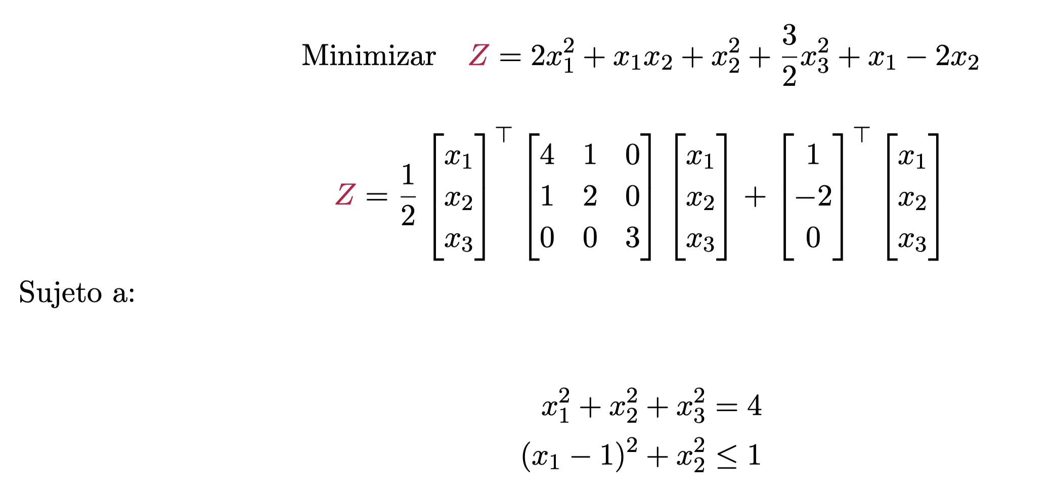
 |  | x1 | = | 0.3435454746
 |  | x2 | = | 0.75436559949
 |  | x3 | = | 1.8201398437
 | max | Z | = | 4.8684511835

 |  | Sujeto a:
 |  |  |  |  | 4.0000000015 | = | 4
 |  |  |  |  | 1.0000000016 | <= | 1

Lagrange
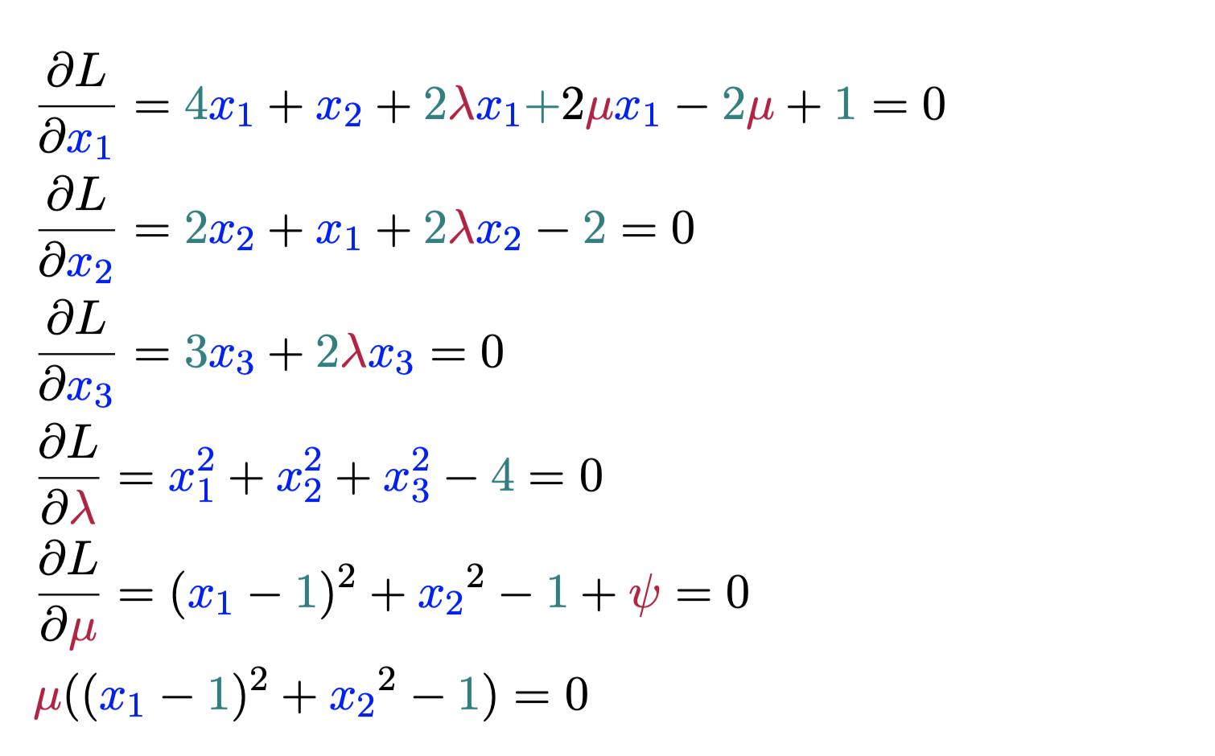
x1 | 0.344
x2 | 0.754
x3 | 1.820
l | -1.500
y | 0.000
m | 1.598
EQ1 | 0.000
EQ2 | 0.000
EQ3 | 0.000
EQ4 | 0.000
EQ5 | 0.000
EQ6 | 0.000

