LP-primal
Ejemplo 1: Ejemplo de Programación Lineal

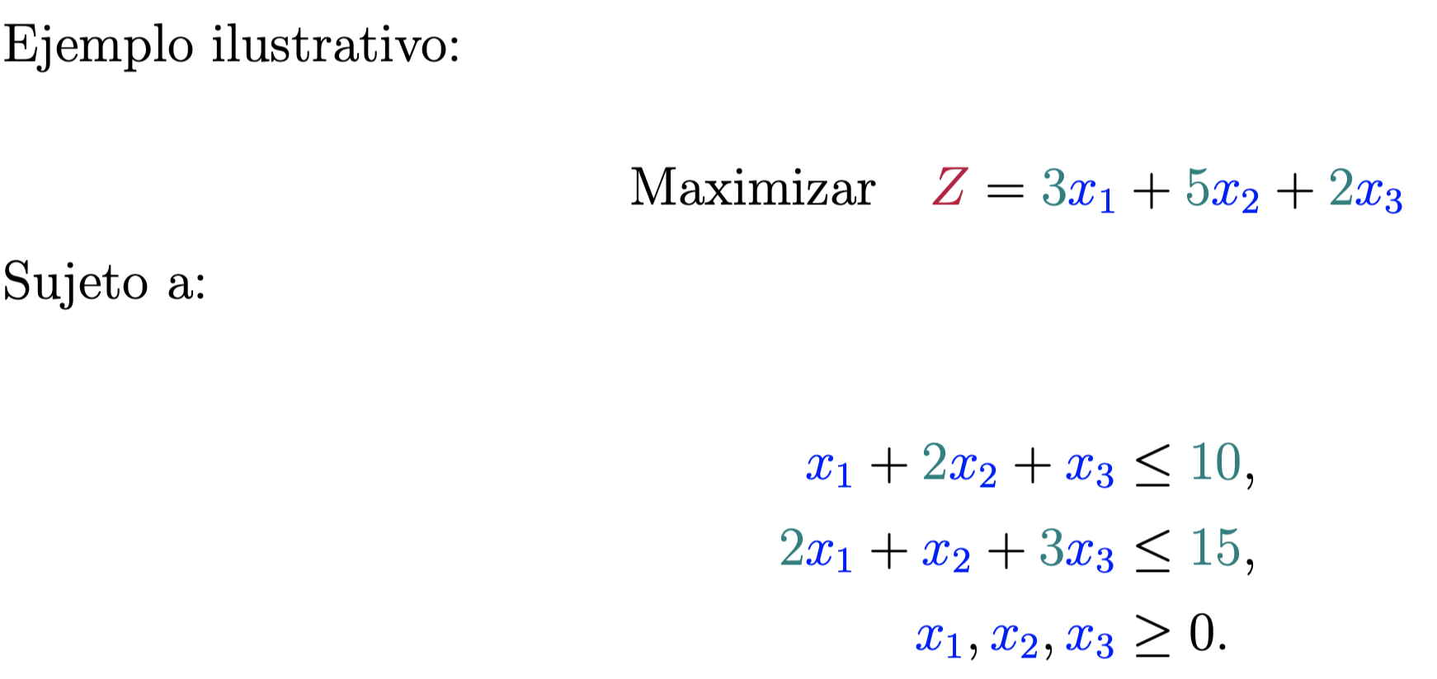

 | max | Z | = | 3 | 6.6666666667 | + | 5 | 1.6666666667 | + | 2 | 0 | = | 28.333333333

 |  | Sujeto a:

 |  |  |  | 1 | 6.6666666667 | + | 2 | 1.6666666667 | + | 1 | 0 | = | 10 | <= | 10
 |  |  |  | 2 | 6.6666666667 | + | 1 | 1.6666666667 | + | 3 | 0 | = | 15 | <= | 15

LP-dual
Ejemplo 1: Ejemplo de Programación Lineal

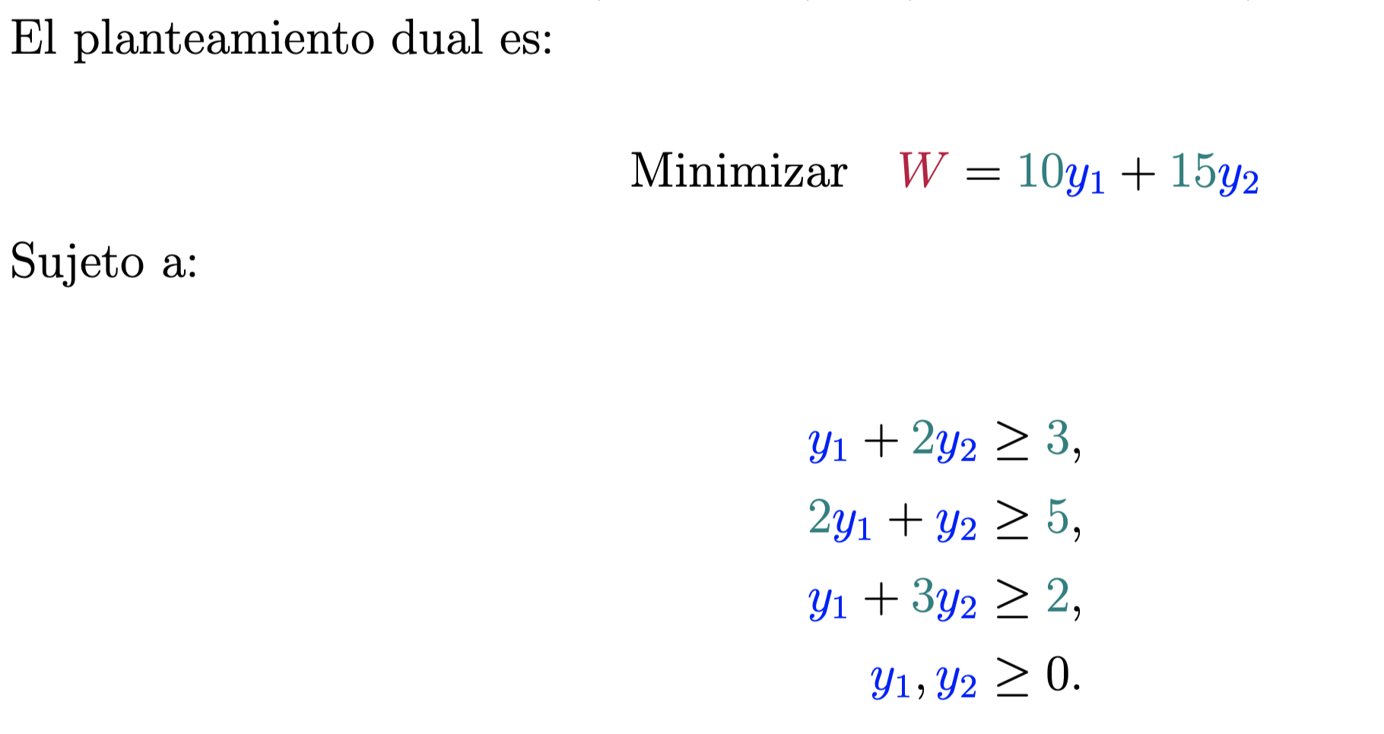

 | min | W | = | 10 | 2.3333333333 | + | 15 | 0.33333333333 | = | 28.333333333

 |  | Sujeto a:

 |  |  |  | 1 | 2.3333333333 | + | 2 | 0.33333333333 | = | 3 | >= | 3
 |  |  |  | 2 | 2.3333333333 | + | 1 | 0.33333333333 | = | 5 | >= | 5
 |  |  |  | 1 | 2.3333333333 | + | 3 | 0.33333333333 | = | 3.3333333333 | >= | 2

