Three_bus_without_transients
Bus 4
G₁
Line 1
G₂
G₃
Line 2
Line 3
Bus 1
Bus 2
Bus 3
Bus 5
Bus 6
On the importance of considering dynamic changes on network topology on the optimal coordination of overcurrent protections, submitted to IJEPES
Paulo M. De Oliveira-De Jesus & Alberto J. Urdaneta
Example 1.2 |  |  |  |  |  |  |  |  |  |  |  |  |  |  | IEC 60255 SI Curve
Fault | relay |  | relay |  | buses |  | buses |  | Icc,0 (kA) |  | b_0 |  | q_cc,0 (deg) |  | a1= | 0.14
location | back | line | main | line | from | to | from | to | main | back | main | back | main | back | a2= | 0.02
Near-end | 5 | 1 | 1 | 1 | 3 | 6 | 1 | 4 | 4.994 | 0.819 | 2.420 | 2.939 | -88.5 | -80.6
Near-end | 1 | 2 | 3 | 2 | 1 | 4 | 2 | 5 | 2.775 | 1.038 | 2.592 | 5.571 | -87.1 | -82.3 |  | Pick-up settings
Near-end | 3 | 3 | 5 | 3 | 2 | 5 | 3 | 6 | 4.568 | 2.247 | 1.662 | 2.824 | -87.9 | -85.8 | 1 | 0.3
Near-end | 4 | 1 | 2 | 1 | 3 | 5 | 2 | 4 | 0.956 | 0.184 | 2.459 | -26.167 | -82.7 | -85.6 | 2 | 0.06
Near-end | 6 | 2 | 4 | 2 | 1 | 6 | 3 | 5 | 2.533 | 0.619 | 2.901 | 6.124 | -85.7 | -78.7 | 3 | 0.2
Near-end | 2 | 3 | 6 | 3 | 2 | 4 | 1 | 6 | 0.873 | 0.776 | 4.682 | 2.665 | -80.2 | 98.8 | 4 | 0.24
Far-end | 5 | 1 | 1 | 1 | 3 | 6 | 1 | 4 | 1.038 | 0.619 | 5.571 | 3.351 | -82.3 | 101.3 | 5 | 0.08
Far-end | 1 | 2 | 3 | 2 | 1 | 4 | 2 | 5 | 2.247 | 0.776 | 2.824 | 7.292 | -85.8 | -81.2 | 6 | 0.2
Far-end | 3 | 3 | 5 | 3 | 2 | 5 | 3 | 6 | 0.819 | 0.183 | 2.939 | -81.277 | -80.6 | 94.4
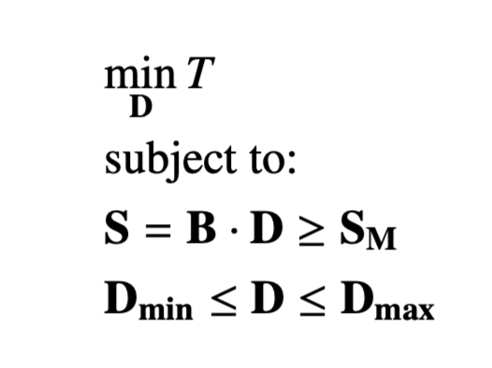
Far-end | 4 | 1 | 2 | 1 | 3 | 5 | 2 | 4 | 4.273 | 2.533 | 1.572 | 2.901 | -87.5 | -85.7
Far-end | 6 | 2 | 4 | 2 | 1 | 6 | 3 | 5 | 3.188 | 0.873 | 2.637 | 4.682 | -87.3 | -80.2
Far-end | 2 | 3 | 6 | 3 | 2 | 4 | 1 | 6 | 5.133 | 0.956 | 2.088 | 2.459 | -88.6 | -82.7

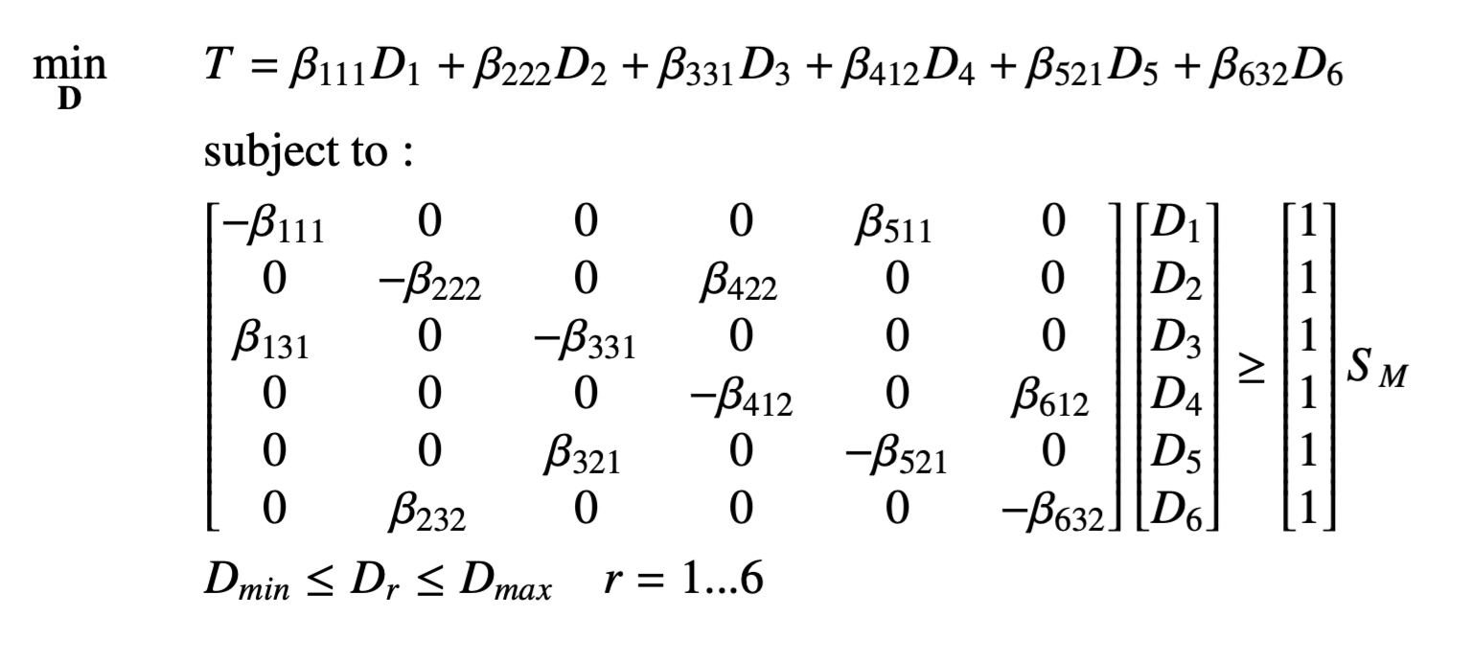
 |  |  |  |  |  |  |  |  |  |  |  |  |  |  |  |  |  | Objective function
 |  |  |  |  |  |  |  |  | B |  |  |  |  |  | D |  | S
 |  |  |  |  |  |  |  | 1 | -2.420 | 0 | 0 | 0 | 2.939 | 0 | 0.1129 |  | 0.2000000001 | T111= | 0.27326331267
 |  |  |  |  |  |  |  | 2 | 0 | -1.572 | 0 | 2.901 | 0 | 0 | 0.2032 |  | 0.20000000007 | T222= | 0.31947719523
 |  |  |  |  |  |  |  | 3 | 5.571 | 0 | -2.592 | 0 | 0 | 0 | 0.1655 | = | 0.20000000005 | T331= | 0.42908147764
 |  |  |  |  |  |  |  | 4 | 0 | 0 | 0 | -2.637 | 0 | 4.682 | 0.1791 |  | 0.20000000004 | T412= | 0.4722243021
 |  |  |  |  |  |  |  | 5 | 0 | 0 | 2.824 | 0 | -1.662 | 0 | 0.1610 |  | 0.20000000011 | T521= | 0.26753186879
 |  |  |  |  |  |  |  | 6 | 0 | 2.459 | 0 | 0 | 0 | -2.088 | 0.1436 |  | 0.20000000008 | T632= | 0.29974900746

 |  |  |  |  |  |  |  |  |  |  |  |  |  |  |  |  |  | T = | 2.0613271639

Three_bus_with_transients
On the importance of considering dynamic changes on network topology on the optimal coordination of overcurrent protections, submitted to IJEPES |  |  |  |  |  |  |  |  |  |  |  |  |  |  |  |  |  |  |  |  |  |  |  |  | IEC 60255 SI Curve
Paulo M. De Oliveira-De Jesus & Alberto J. Urdaneta |  |  |  |  |  |  |  |  |  |  |  |  |  |  |  |  |  |  |  |  |  |  |  |  | a1= | 0.14
Example 1.2 |  |  |  |  |  |  |  |  |  |  |  |  |  |  |  |  |  |  |  |  |  |  |  |  | a2= | 0.02
Fault | relay |  | relay |  | buses |  | buses |  | Icc,0 (kA) |  | Icc,1 (kA) |  | b_0 |  | b_1 |  | q_cc,0 (deg) |  | q_cc,1 (deg) |  |  | relay
location | back | line | main | line | from | to | from | to | main | back | main | back | main | back | main | back | main | back | main | back | g_type_2 | u | line | g_type_3 |  | Pick-up settings
Near-end | 5 | 1 | 1 | 1 | 3 | 6 | 1 | 4 | 4.994 | 0.819 | 5.213 | 1.047 | 2.420 | 2.939 | 2.382 | 2.653 | -88.5 | -80.6 | -87.7 | -78.3 | -0.202 | 2 | 1 | -2.421 | 1 | 0.3
Near-end | 1 | 2 | 3 | 2 | 1 | 4 | 2 | 5 | 2.775 | 1.038 | 3.006 | 1.275 | 2.592 | 5.571 | 2.514 | 4.768 | -87.1 | -82.3 | -85.5 | -79.4 | -0.330 | 4 | 2 | -2.813 | 2 | 0.06
Near-end | 3 | 3 | 5 | 3 | 2 | 5 | 3 | 6 | 4.568 | 2.247 | 4.767 | 2.449 | 1.662 | 2.824 | 1.643 | 2.725 | -87.9 | -85.8 | -87.1 | -84.4 | -0.114 | 6 | 3 | -4.631 | 3 | 0.2
Near-end | 4 | 1 | 2 | 1 | 3 | 5 | 2 | 4 | 0.956 | 0.184 | 1.233 | 0.755 | 2.459 | -26.167 | 2.246 | 6.041 | -82.7 | -85.6 | -79.2 | -77.1 | -2.769 | 1 | 1 | -2.211 | 4 | 0.24
Near-end | 6 | 2 | 4 | 2 | 1 | 6 | 3 | 5 | 2.533 | 0.619 | 2.768 | 0.902 | 2.901 | 6.124 | 2.793 | 4.579 | -85.7 | -78.7 | -84.1 | -75.6 | -0.558 | 3 | 2 | -2.496 | 5 | 0.08
Near-end | 2 | 3 | 6 | 3 | 2 | 4 | 1 | 6 | 0.873 | 0.776 | 1.127 | 0.248 | 4.682 | 2.665 | 3.978 | 4.870 | -80.2 | 98.8 | -77.1 | -69.6 | 1.625 | 5 | 3 | -1.412 | 6 | 0.2
Far-end | 5 | 1 | 1 | 1 | 3 | 6 | 1 | 4 | 1.038 | 0.619 | 1.284 | 0.258 | 5.571 | 3.351 | 4.746 | 5.912 | -82.3 | 101.3 | -79.2 | -69.9 | 1.434 | 2 | 1 | -1.339
Far-end | 1 | 2 | 3 | 2 | 1 | 4 | 2 | 5 | 2.247 | 0.776 | 2.489 | 1.056 | 2.824 | 7.292 | 2.707 | 5.493 | -85.8 | -81.2 | -83.9 | -77.8 | -0.541 | 4 | 2 | -2.527
Far-end | 3 | 3 | 5 | 3 | 2 | 5 | 3 | 6 | 0.819 | 0.183 | 1.099 | 0.565 | 2.939 | -81.277 | 2.602 | 6.675 | -80.6 | 94.4 | -77.2 | -74.5 | -2.020 | 6 | 3 | -1.848
Far-end | 4 | 1 | 2 | 1 | 3 | 5 | 2 | 4 | 4.273 | 2.533 | 4.477 | 2.739 | 1.572 | 2.901 | 1.554 | 2.806 | -87.5 | -85.7 | -86.6 | -84.4 | -0.120 | 1 | 1 | -5.508
Far-end | 6 | 2 | 4 | 2 | 1 | 6 | 3 | 5 | 3.188 | 0.873 | 3.421 | 1.114 | 2.637 | 4.682 | 2.565 | 4.006 | -87.3 | -80.2 | -85.9 | -77.5 | -0.331 | 3 | 2 | -2.747
Far-end | 2 | 3 | 6 | 3 | 2 | 4 | 1 | 6 | 5.133 | 0.956 | 5.344 | 1.173 | 2.088 | 2.459 | 2.061 | 2.285 | -88.6 | -82.7 | -87.9 | -80.4 | -0.171 | 5 | 3 | -2.902
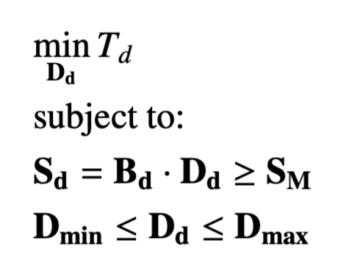
 |  |  |  |  |  |  |  |  |  |  |  |  |  |  |  |  |  |  | Objective function
 | Constraint type: |  |  |  |  |  |  |  | B |  |  |  |  |  | D |  | S |  | Tul1 | Trl1*
 | Type 3 q-r pair |  |  | relay q stuck in period 1 |  |  |  | 1 | -2.2105 | -2.2462 | 0 | 6.0409 | 0 | 0 | 0.1129 |  | 0.38471661689 |  |  | 0.50002148887 | =T*211
 | Type 1 w-u pair |  |  |  |  |  |  | 2 | -2.4199 | 0 | 0 | 0 | 2.9393 | 0 | 0.2121 |  | 0.2 | T111= | 0.27326331255
 | Type 2 q-r pair |  |  |  |  |  |  | 3 | 0 | 0 | 0.5581 | -2.7934 | 0 | 4.5787 | 0.1655 | = | 0.28386968675 |  |  | 0.51686844554 | =T*421
 | Type 1 w-u pair |  |  |  |  |  |  | 4 | 5.5708 | 0 | -2.5921 | 0 | 0 | 0 | 0.1839 |  | 0.2 | T321= | 0.42908147743
 | Type 3 q-r pair |  |  | relay q stuck in period 1 |  |  |  | 5 | 0 | 4.8699 | 0 | 0 | 1.4118 | -3.9783 | 0.1610 |  | 0.64751185465 |  |  | 0.67369096558 | =T*631
 | Type 1 w-u pair |  |  |  |  |  |  | 6 | 0 | 0 | 2.8244 | 0 | -1.6616 | 0 | 0.1540 |  | 0.2 | T531= | 0.26753186866
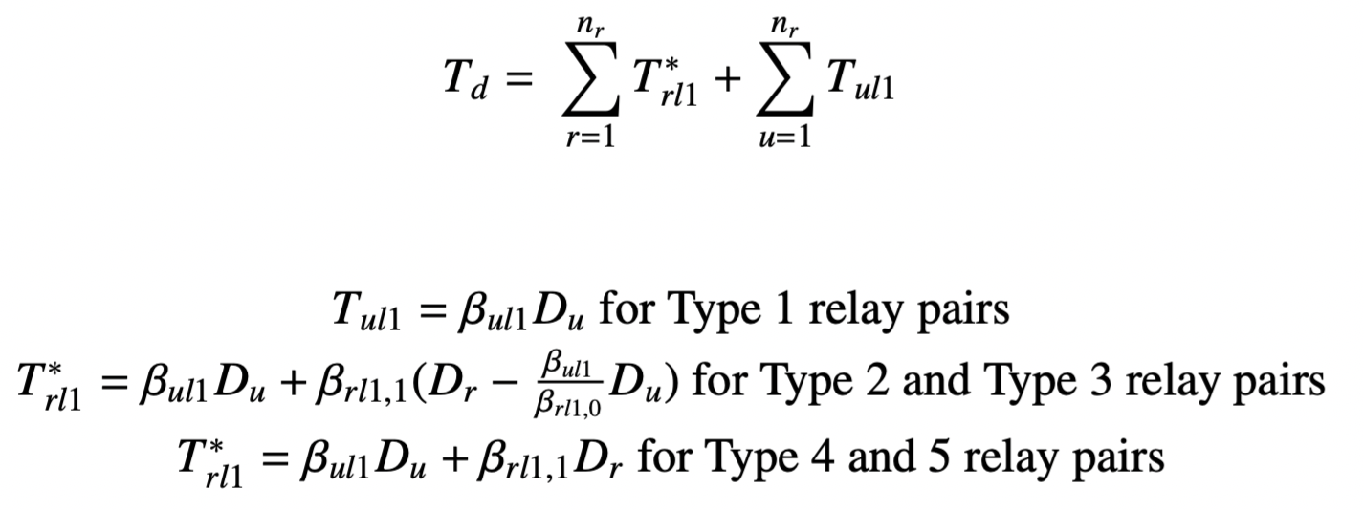
 | Type 3 q-r pair |  |  | relay q stuck in period 1 |  |  |  | 7 | -4.7457 | 1.3391 | 0 | 0 | 5.9122 | 0 |  |  | 0.70004040541
 | Type 1 w-u pair |  |  |  |  |  |  | 8 | 0 | -1.5719 | 0 | 2.9010 | 0 | 0 |  |  | 0.2
 | Type 2 q-r pair |  |  |  |  |  |  | 9 | 0 | 0 | 0.3312 | -2.5653 | 0 | 4.0056 |  |  | 0.2
 | Type 1 w-u pair |  |  |  |  |  |  | 10 | 7.2923 | 0 | -2.8243 | 0 | 0 | 0 |  |  | 0.3559503965
 | Type 3 q-r pair |  |  | relay q stuck in period 1 |  |  |  | 11 | 0 | 0 | 6.6752 | 0 | -2.6021 | 1.8483 |  |  | 0.97063504578
 | Type 1 w-u pair |  |  |  |  |  |  | 12 | 0 | 2.4590 | 0 | 0 | 0 | -2.0878 |  |  | 0.2

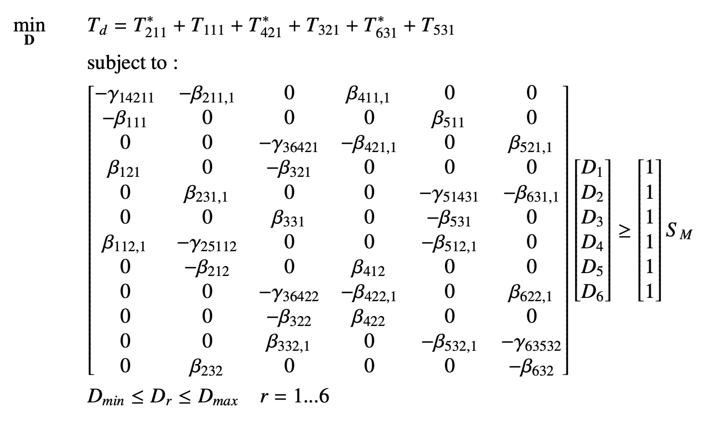
 |  |  |  |  |  |  |  |  |  |  |  |  |  |  |  |  |  | sum() | 0.96987665865 | 1.6905809
 |  |  |  |  |  |  |  |  |  |  |  |  |  |  |  |  |  |  | Td= | 2.6604575586
Bus 4
G₁
Line 1
G₂
G₃
Line 2
Line 3
Bus 1
Bus 2
Bus 3
Bus 5
Bus 6

