Sheet1
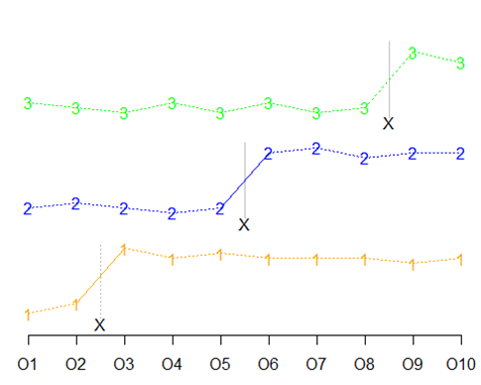
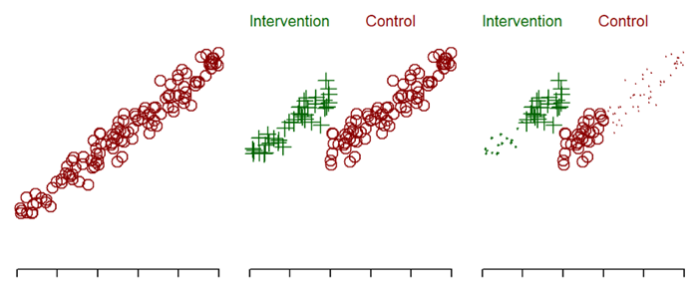
Experimentation without randomized controls |  |  |  |  | Stephen D. Simon
In an experimental study, researchers often have the ability to assign different treatments. This is often done with randomization. There are many settings, however, where it is not desirable to use randomization. It is unclear how to best design an experimental study without randomization while still providing persuasive evidence. The aim of this study is to outline several approaches, broadly classified as quasi-experimental studies, where researchers can use methodologically sound alternatives to randomization.

 | Interrupted time series | Phased design |  | Witdrawal design

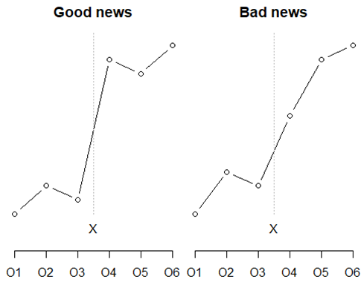
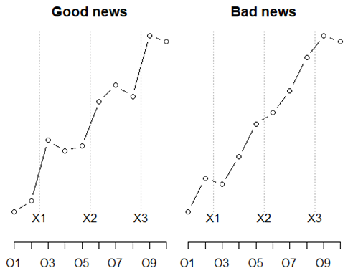
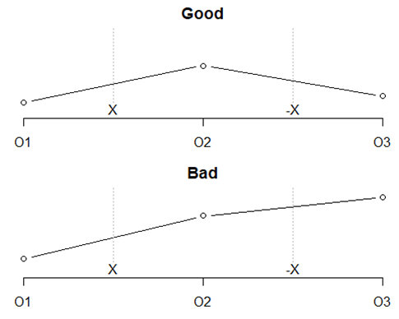

 | Stepped wedge design |  | Regression discontinuity design

