typu pi
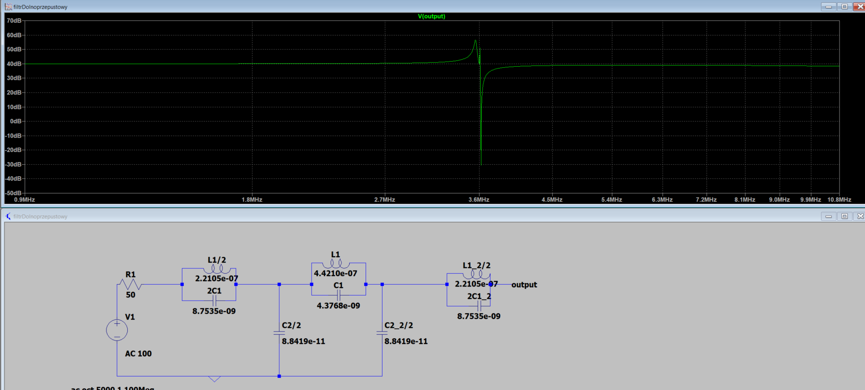
m = 0.1

L1 =

4.4210e-07

C1 =

4.3768e-09

L1_2 =

2.2105e-07

C1_2 =

8.7535e-09

C2_2 =

8.8419e-11

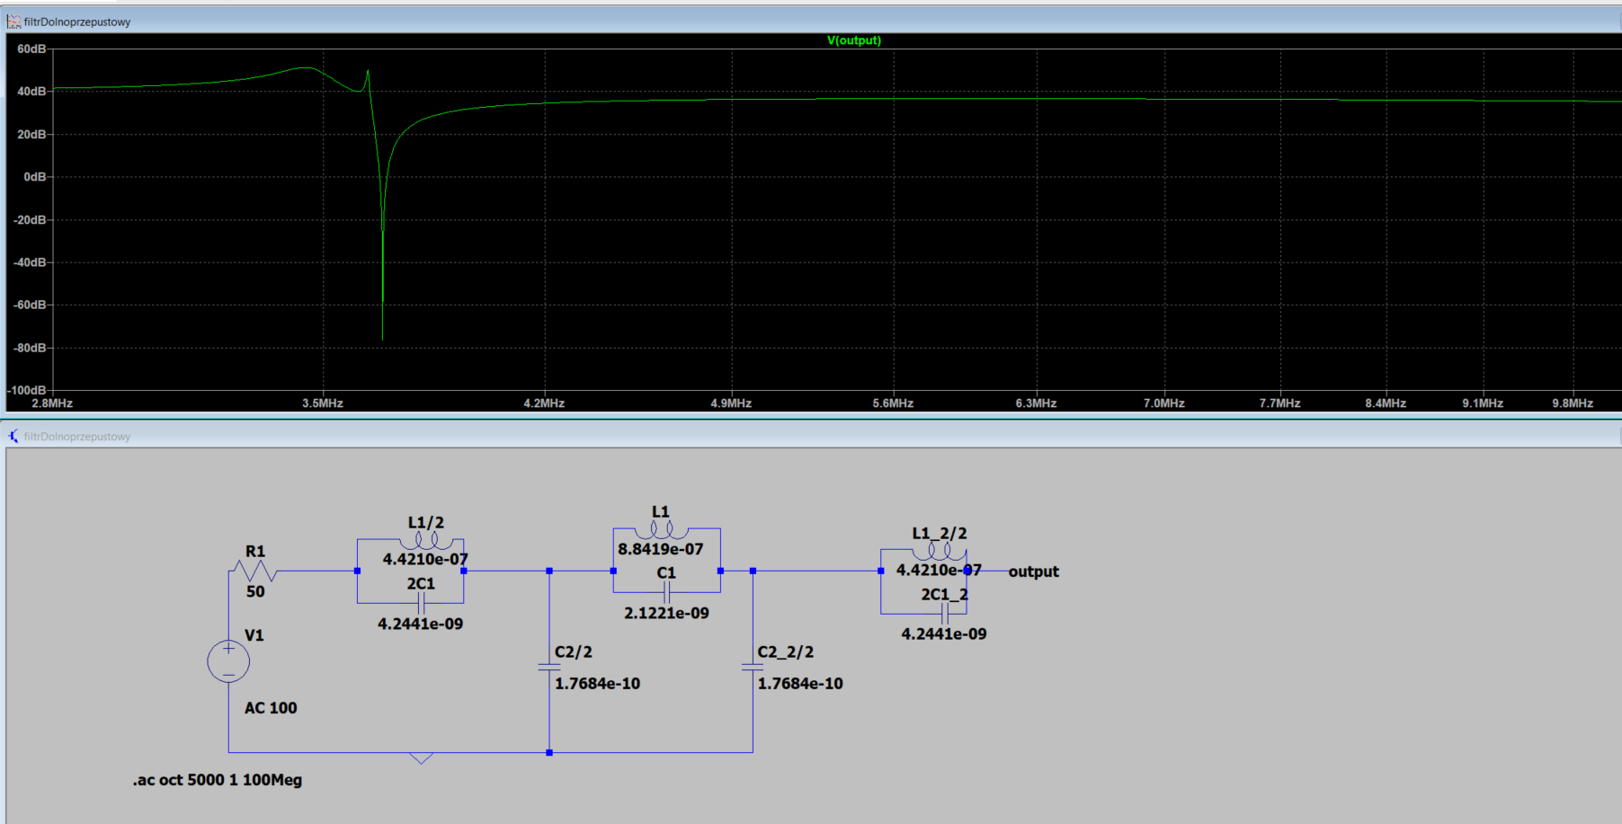
end of 0.1
m = 0.2

L1 =

8.8419e-07

C1 =

2.1221e-09

L1_2 =

4.4210e-07

C1_2 =

4.2441e-09

C2_2 =

1.7684e-10
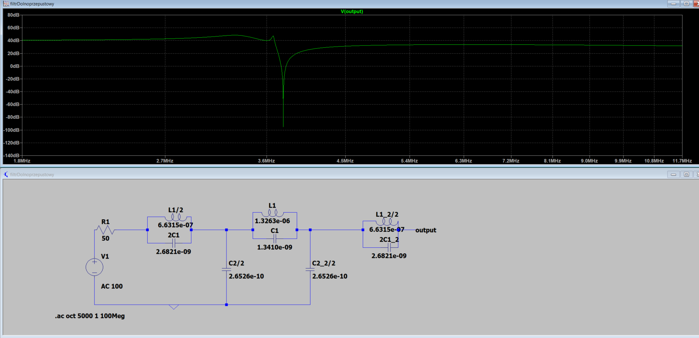
end of 0.2
m = 0.3

L1 =

1.3263e-06

C1 =

1.3410e-09

L1_2 =

6.6315e-07

C1_2 =

2.6821e-09

C2_2 =

2.6526e-10
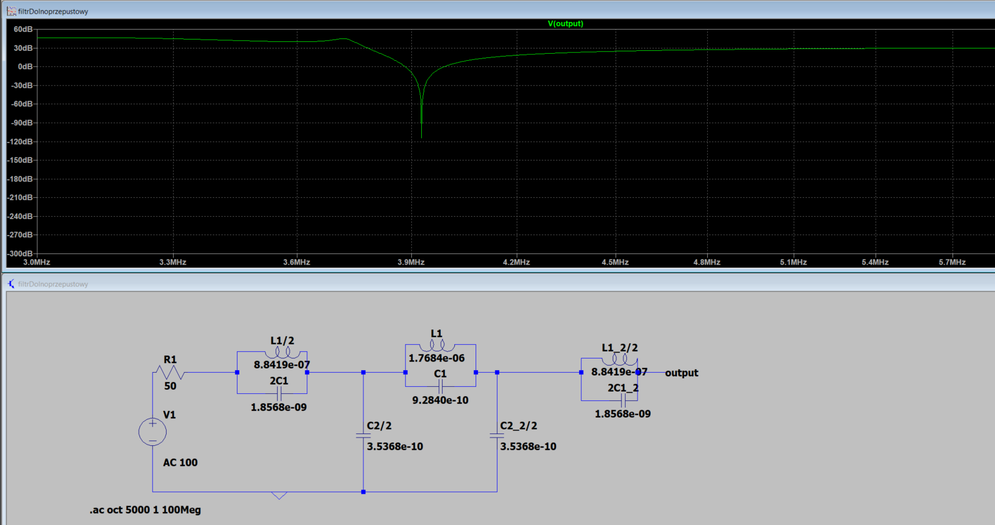
end of 0.3 |  |  | Wariant 4 | 1 |  | 2
m = 0.4 |  |  |  | L1 | 2L1 | L1 | 2L1 | L1 | 2L1
 |  |  | L [uH] | 8.84E-07 | 1.77E-06 | 8.84E-07 | 1.77E-06 | 8.84E-07 | 1.77E-06
L1 = |  |  | D [mm] | 6 | 6 | 7 | 7 | 11 | 11
 |  |  | d [mm] | 1 | 1 | 1 | 1 | 1 | 1
1.77E-06 |  |  | długosc (l) | 27.42 | 52.48 | 21 | 39.59 | 10.82 | 18.77
 |  |  | ilość obkrecen | 27.43 | 52.48 | 21 | 39.59 | 10.82 | 18.78

C1 = |  |  | Kondensatory
 |  |  |  | C1 | 2C1 | C2/2 |  |  |  | https://www.tme.eu/pl/katalog/kondensatory-ceramiczne-tht-50v_112339/?s_order=ASC
9.28E-10 | 2,2 nF + 2,2 szer | 1.10E-09 | C | 9.28E-10 | 1.86E-09 | 3.54E-10
 |  |  |  | 0,93nF | 1,86nF | 0,354nF
 |  |  |  | 930pF | 1860pF | 354pF
L1_2 = |  |  |  | 1 nF
 |  |  | 1 nF | https://www.tme.eu/pl/details/cc-1n/kondensatory-ceramiczne-tht-50v/sr-passives/
8.84E-07 |  |  | 470pF | CC-470 SR PASSIVES - Kondensator: ceramiczny | 470pF; 50V; ±10%; THT; 2,54mm | TME - Części elektroniczne

C1_2 =

1.86E-09 |  | 1.70E-09

C2_2 =

3.54E-10 |  | 3.47E-10

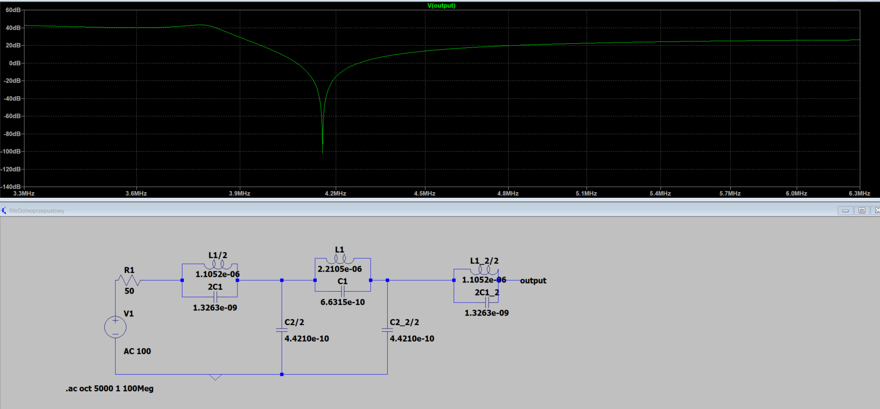
end of 0.4
m = 0.5 |  |  | Wariant 5 | 1 |  | 2
 |  |  |  | L1 | 2L1 | L1 | 2L1 | L1 | 2L1
L1 = |  |  | L [uH] | 1.11E-08 | 2.21E-08 | 1.11E-08 | 2.21E-08 | 1.11E-08 | 2.21E-08
 |  |  | D [mm] | 6 | 6 | 7 | 7 | 11 | 11
2.2105e-06 |  |  | d [mm] | 1 | 1 | 1 | 1 | 1 | 1
 |  |  | długosc (l) | 33.7 | 65 | 25.72 | 48.8 | 11.85 | 22.62
 |  |  | ilość obkrecen | 33.7 | 65 | 25.72 | 48.8 | 11.85 | 22.62
C1 =

6.6315e-10 |  |  | Kondensatory
 |  |  |  | C1 | 2C1 | C2/2
 |  |  | C | 6.63E-10 | 1.33E-09 | 1.33E-10
L1_2 = |  |  |  | 0,63nF | 1,33nF | 0,133nF
 |  |  |  | 630pF | 1330pF | 133pF
1.1052e-06 |  |  | 630pf | https://www.tme.eu/pl/details/cct-680p_50v/kondensatory-mlcc-tht/sr-passives/ct40805b681k500f3r/
 |  |  | 1330pf | https://www.tme.eu/pl/details/cct-1n_50v/kondensatory-mlcc-tht/sr-passives/ct40805b102k500f3r/
 |  |  |  | https://www.tme.eu/pl/details/cm-330/kondensatory-mlcc-tht/sr-passives/
C1_2 = |  |  | 133pf | https://www.tme.eu/pl/details/cct-150p_50v/kondensatory-mlcc-tht/sr-passives/ct40805n151j500f3r/

1.3263e-09

C2_2 =

4.4210e-10

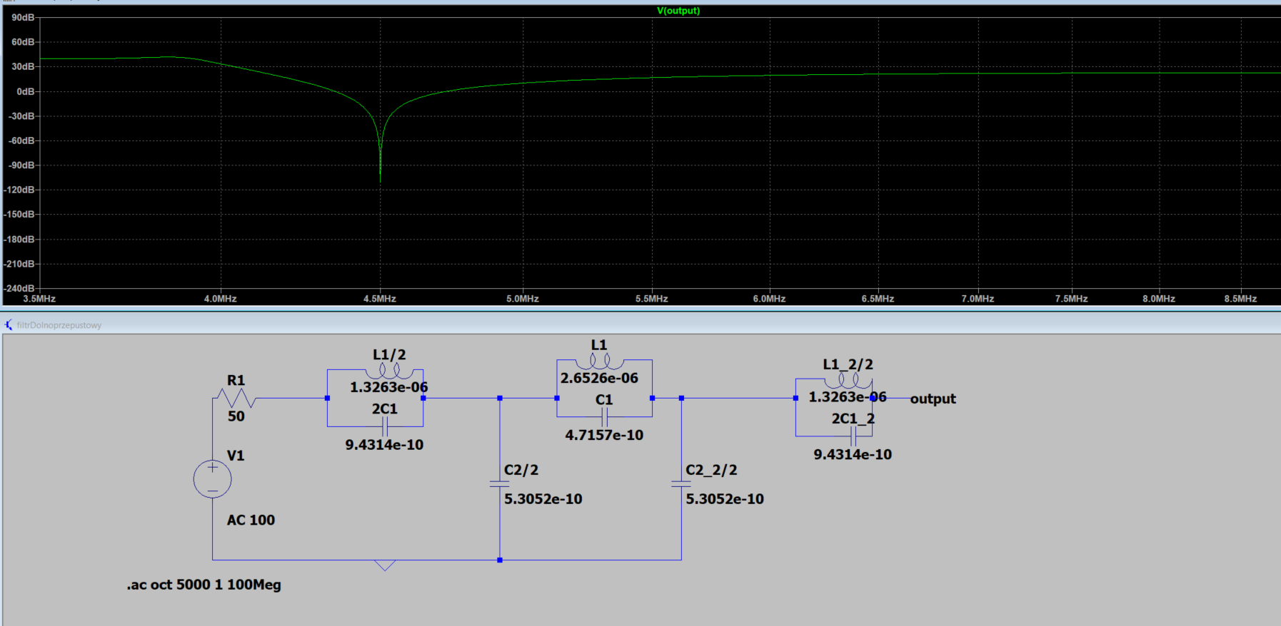
end of 0.5
m = 0.6

L1 =

2.6526e-06

C1 =

4.7157e-10

L1_2 =

1.3263e-06

C1_2 =

9.4314e-10

C2_2 =

5.3052e-10

end of 0.6
m = 0.7
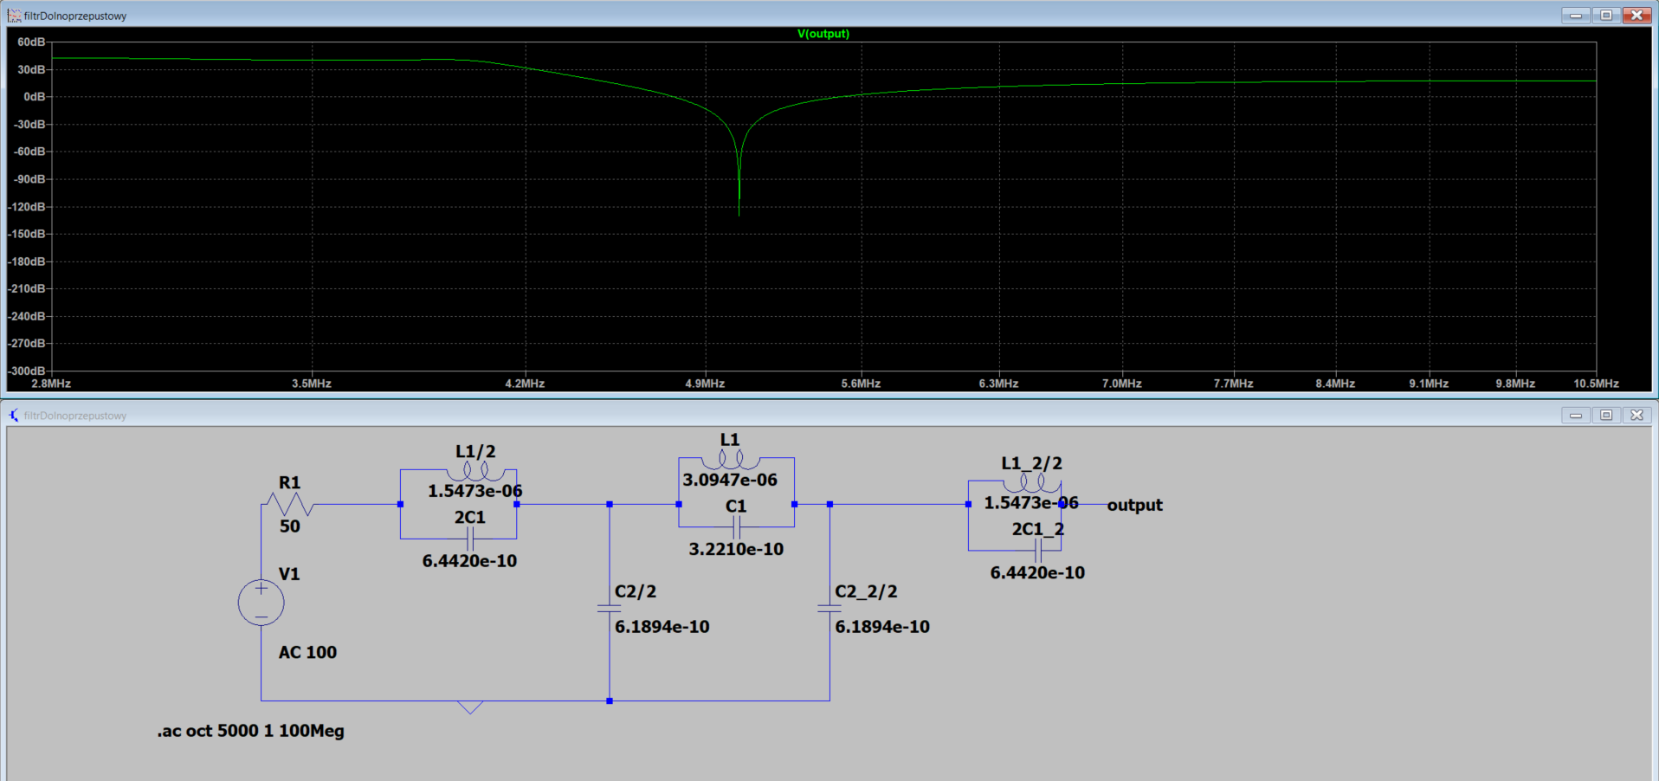
L1 =

3.0947e-06

C1 =

3.2210e-10

L1_2 =

1.5473e-06

C1_2 =

6.4420e-10

C2_2 =

6.1894e-10

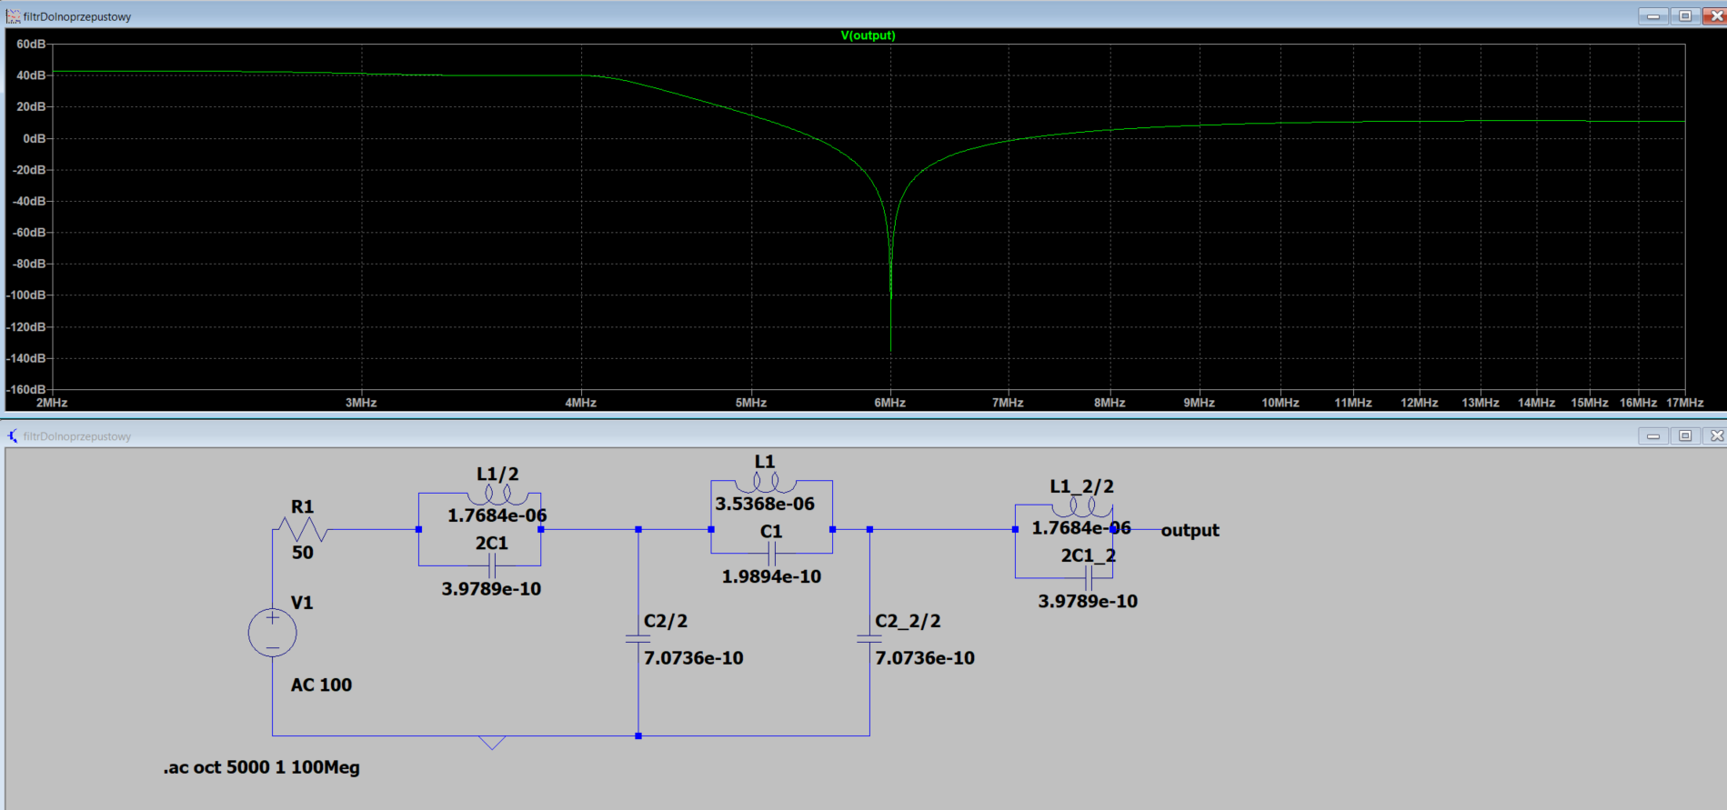
end of 0.7
m = 0.8

L1 =

3.5368e-06

C1 =

1.9894e-10

L1_2 =

1.7684e-06

C1_2 =

3.9789e-10

C2_2 =

7.0736e-10

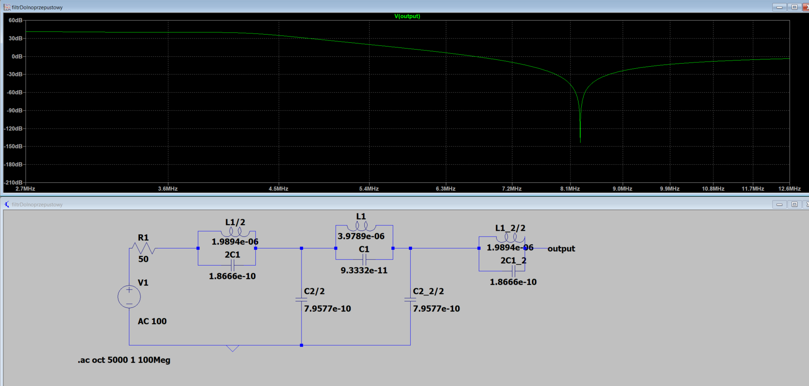
end of 0.8
m = 0.9

L1 =

3.9789e-06

C1 =

9.3332e-11

L1_2 =

1.9894e-06

C1_2 =

1.8666e-10

C2_2 =

7.9577e-10

end of 0.9
end of 0.9

typu T
m = 0.1

L2 =

1.0942e-05

C2 =

1.7684e-10

L1_2 =

2.2105e-07

L2_2 =

2.1884e-05

C1_2 =

8.7535e-09

C2_2 =

8.8419e-11

end of 0.1
m = 0.2

L2 =

5.3052e-06

C2 =

3.5368e-10

L1_2 =

4.4210e-07

L2_2 =

1.0610e-05

C1_2 =

4.2441e-09

C2_2 =

1.7684e-10

end of 0.2
m = 0.3

L2 =

3.3526e-06

C2 =

5.3052e-10

L1_2 =

6.6315e-07

L2_2 =

6.7051e-06

C1_2 =

2.6821e-09

C2_2 =

2.6526e-10

end of 0.3
m = 0.4

L2 =

2.3210e-06

C2 =

7.0736e-10

L1_2 =

8.8419e-07

L2_2 =

4.6420e-06

C1_2 =

1.8568e-09

C2_2 =

3.5368e-10

end of 0.4
m = 0.5

L2 =

1.6579e-06

C2 =

8.8419e-10

L1_2 =

1.1052e-06

L2_2 =

3.3157e-06

C1_2 =

1.3263e-09

C2_2 =

4.4210e-10

end of 0.5
m = 0.6

L2 =

1.1789e-06

C2 =

1.0610e-09

L1_2 =

1.3263e-06

L2_2 =

2.3579e-06

C1_2 =

9.4314e-10

C2_2 =

5.3052e-10

end of 0.6
m = 0.7

L2 =

8.0525e-07

C2 =

1.2379e-09

L1_2 =

1.5473e-06

L2_2 =

1.6105e-06

C1_2 =

6.4420e-10

C2_2 =

6.1894e-10

end of 0.7
m = 0.8

L2 =

4.9736e-07

C2 =

1.4147e-09

L1_2 =

1.7684e-06

L2_2 =

9.9472e-07

C1_2 =

3.9789e-10

C2_2 =

7.0736e-10

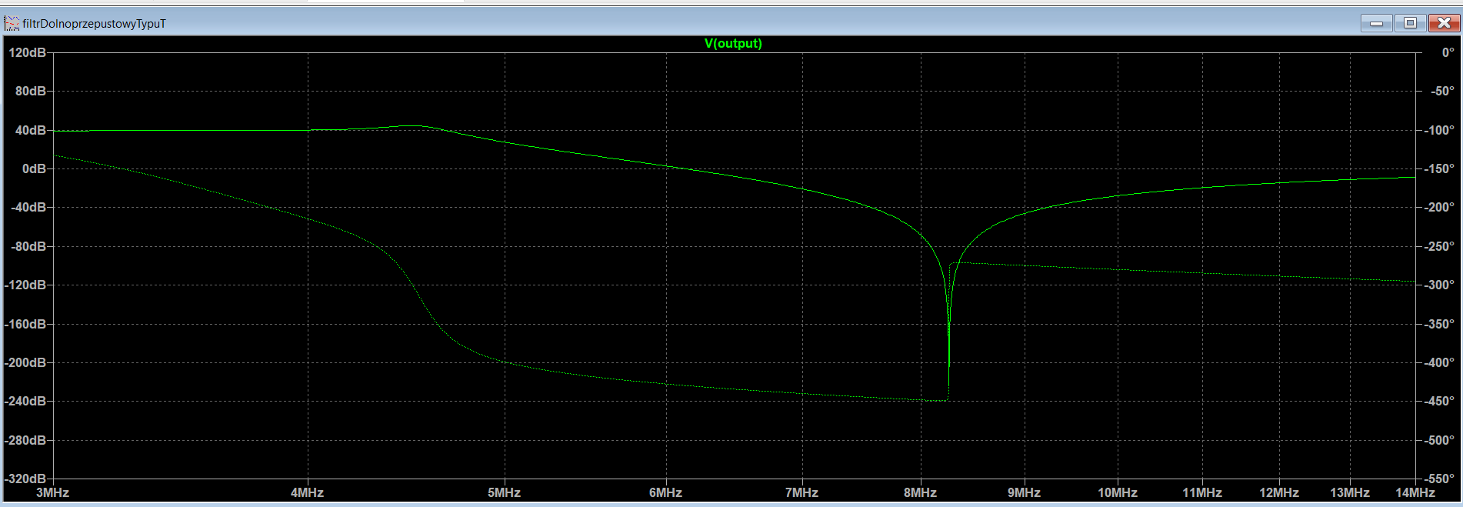
end of 0.8
m = 0.9

L2 =

2.3333e-07

C2 =

1.5915e-09

L1_2 =

1.9894e-06

L2_2 =

4.6666e-07

C1_2 =

1.8666e-10

C2_2 =

7.9577e-10

end of 0.9

