NEW MLP VLEN RESULTS
rf_reg_unnorm_dual_no_aug_conf-filtered.pkl | ---> | mlp_model_20251010_9932_dual_no_aug.keras
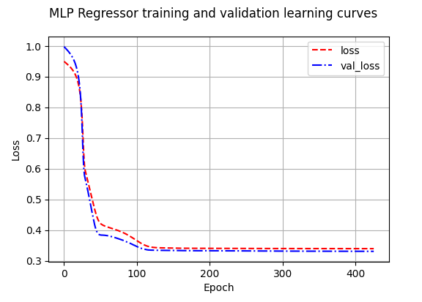
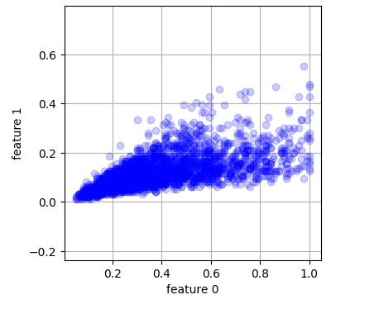
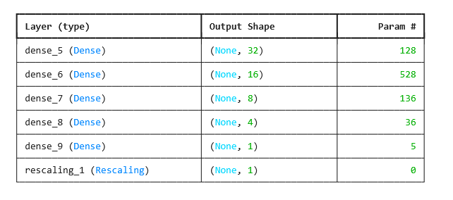

 | === Training Metrics ===
 | Overall MAE: 26.41, RMSE: 39.46, R²: 0.543, VLA: 0.647
 | is_vessel MAE: 32.42, RMSE: 44.85, R²: 0.376, VLA: 0.623 (n=2323)
 | is_fishing MAE: 8.25, RMSE: 13.58, R²: -0.006, VLA: 0.719 (n=769)

 | === Test Metrics ===
 | Overall MAE: 25.75, RMSE: 35.65, R²: 0.622, VLA: 0.643
 | is_vessel MAE: 31.20, RMSE: 40.35, R²: 0.480, VLA: 0.623 (n=173)
 | is_fishing MAE: 8.93, RMSE: 12.86, R²: -0.357, VLA: 0.704 (n=56)

FINAL_VLEN_RESULTS
rf_regressor |  | MAE | R^2 | VLA | MAE | R^2 | VLA |  |  |  | RF Hyperparameters:
20251009_1826 | overall | 21.19 | 0.721 | 0.631 | 21.29 | 0.740 | 0.596 | - train: dual-pol-3ch, non-augmented labels - no swapping, no vessel length normalisation (y_train) - conf=0.01 and iou=0.65 (229 predictions - highest confidence/image) - Note: 19 images have no detections.
 | is_vessel | 25.98 | 0.618 | 0.603 | 25.51 | 0.644 | 0.565 |  |  |  | max_depth | min_samples_leaf | min_samples_split | n_estimators
 | is_fishing | 6.69 | 0.485 | 0.714 | 8.24 | -0.117 | 0.692 |  |  |  | 10 | 5 | 2 | 413

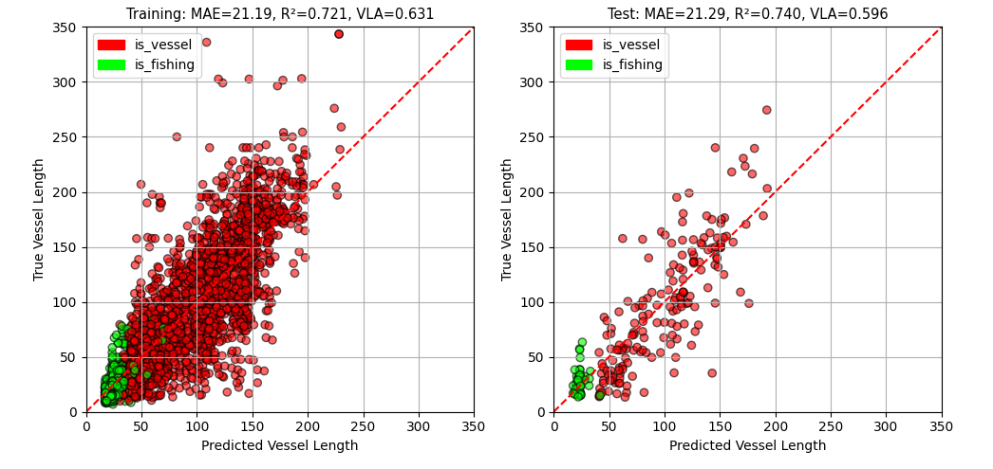
 |  | train |  |  | test
 | Class | MAE | R^2 | VLA | MAE | R^2 | VLA
 | overall | 21.19 | 0.721 | 0.631 | 21.29 | 0.740 | 0.596
 | is_vessel | 25.98 | 0.618 | 0.603 | 25.51 | 0.644 | 0.565
 | is_fishing | 6.69 | 0.485 | 0.714 | 8.24 | -0.117 | 0.692

 | === | Training | Metrics | ===
 | Overall | MAE | 21.19 | R² | 0.721 | VLA | 0.631
 | is_vessel | MAE | 25.98 | R² | 0.618 | VLA | 0.603 | (n=2323)
 | is_fishing | MAE | 6.69 | R² | 0.485 | VLA | 0.714 | (n=769)

 | === | Test | Metrics | ===
 | Overall | MAE | 21.29 | R² | 0.74 | VLA | 0.596
 | is_vessel | MAE | 25.51 | R² | 0.644 | VLA | 0.565 | (n=173)
 | is_fishing | MAE | 8.24 | R² | -0.117 | VLA | 0.692 | (n=56)

mlp_regressor |  | MAE | R^2 | VLA | MAE | R^2 | VLA
20251011_0635 | overall |  |  |  |  |  |  | - train: dual-pol-3ch, non-augmented labels - no swapping, no vessel length normalisation (y_train) - conf=0.01 and iou=0.65 (229 predictions - highest confidence/image) - Note: 19 images have no detections.
 | is_vessel
 | is_fishing

 |  | train |  |  | test
 | Class | MAE | R^2 | VLA | MAE | R^2 | VLA
 | overall | 26.68 | 0.532 | 0.644 | 26.38 | 0.603 | 0.634
 | is_vessel | 32.77 | 0.361 | 0.622 | 31.87 | 0.457 | 0.621
 | is_fishing | 8.27 | 0.024 | 0.710 | 9.41 | -0.692 | 0.676

 | === | Training | Metrics | === |  |  |  |  | batch | epochs | optimizer | lr scheduler | initial lr | decay_steps | decay_rate | patience
 | Overall | MAE | 26.68 | R² | 0.532 | VLA | 0.644 |  | 32 | 500 | SGD | InverseTimeDecay | 0.01 | 4,000 | 0.2 | 20
 | is_vessel | MAE | 32.77 | R² | 0.361 | VLA | 0.622 | (n=2323)
 | is_fishing | MAE | 8.27 | R² | 0.024 | VLA | 0.71 | (n=769)

 | === | Test | Metrics | ===
 | Overall | MAE | 26.38 | R² | 0.603 | VLA | 0.634
 | is_vessel | MAE | 31.87 | R² | 0.457 | VLA | 0.621 | (n=173)
 | is_fishing | MAE | 9.41 | R² | -0.692 | VLA | 0.676 | (n=56)

Detect_Eval_on_train
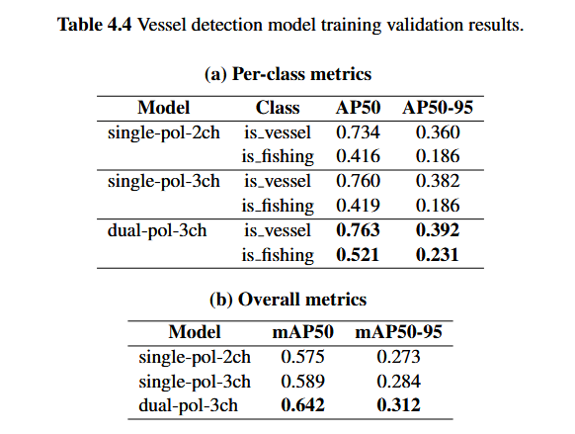
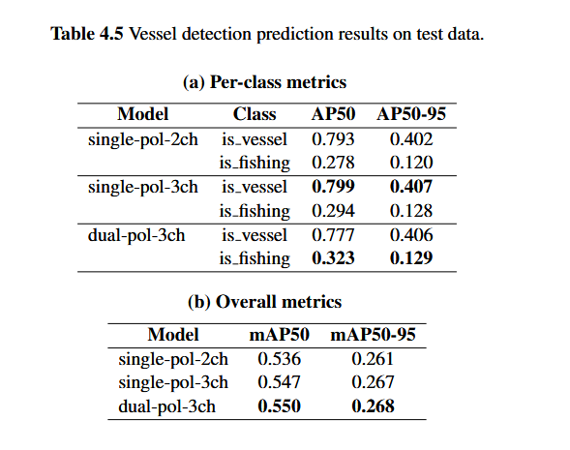
Model | Class | AP50 | AP50-95 | Model | AP50 | AP50-95
single-pol-2ch | is_vessel | 0.734 | 0.360 | single-pol-2ch | 0.575 | 0.273
 | is_fishing | 0.416 | 0.186 | single-pol-3ch | 0.589 | 0.284
single-pol-3ch | is_vessel | 0.760 | 0.382 | dual-pol-3ch | 0.642 | 0.312
 | is_fishing | 0.419 | 0.186
dual-pol-3ch | is_vessel | 0.763 | 0.392
 | is_fishing | 0.521 | 0.231

