Sheet1
MCSS (A) | horizontal | MCSS (B) | You could also do links for time stamps, dates, etc.
vertical |  | vertical
WCSS (A) |  | ECSS (A) | These are the physical links between lines
vertical |  | vertical
WCSS (B) | horizontal | ECSS (B) | Each square denotes a bus, where power can be measured.

 |  |  | Power can flow between busses, but usually it'll go from MCSS to W/ECSS, A to B
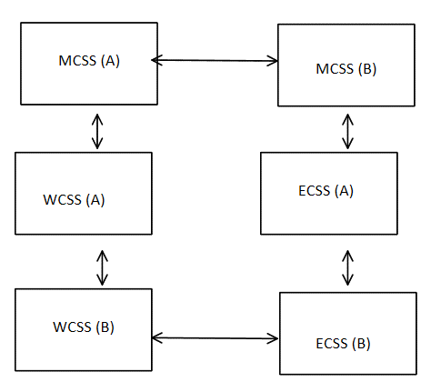
 |  |  | If the value is negative, the power is flowing backwards from that.

 |  |  | This could be due to too much initial power flow or a quick change in demand.

 |  |  | If there is a large amount of negative kW values, it could be a mistake in measurement.

 |  |  | The grid and Clemson's small generator are connected between MCSS(A) and MCSS(B)

