Defect Report
Defect Id. | Module name | Defect Summary | Description | Actual output | Defect Priority | Assigned To | Status | Screenshot
DF_01 | Login | User is unable to login with Invalid credentials. | Steps : 1. Open URL. 1. Login to Orange HRM. 2. Enter user name in "User name filed" 3. Enter password. 4. Click on "Login" button 5. Verify whether User is able to login with valid credentials. | User is not able to login with Invalid credentials | High | shennen.jospeh@capgemini.com | Active | 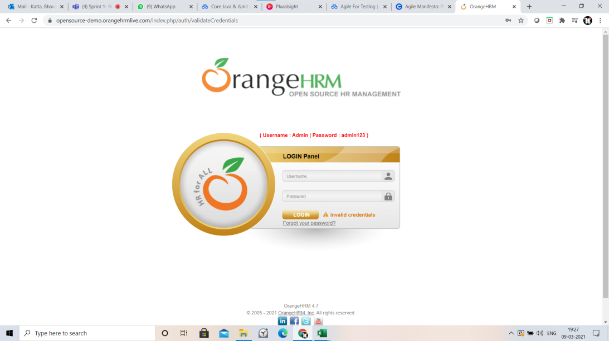
DF_02 | Admin | ESS Supervisor is not able view his subordinates Employee personal details. | Steps : 1. Login to Orange HRM. 2. Open ADmin module. 3. Click on Userrole in Admin module. 4. Select role ESS and search. 5. Click on subordinate details. | ESS-Supervisor is not able to view his subordinate personal details | Medium | ABC@capgemini.com | Active | 