Useful Functions
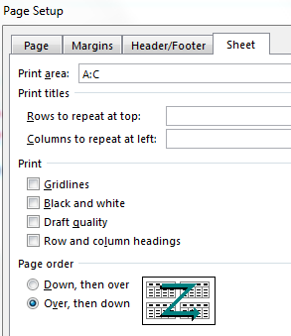
Menu
Scroll down after selecting item in menu - desired instructions are at the bottom of the screen
Navigation and Selection
Cell Formats
Conditional Formatting
Sort
Filters
Printing

Menu
Navigation and Selection
Selection
Navigation
Freeze Panes

 | Selection

Clicking a cell | Start typing to modify the contents of a cell (clearing previous content).
Double-clicking a cell | Start typing to modify the existing text or formula of the cell.
Clicking row numbers | Select one or more rows.
Clicking column letters | Select one or more columns.
Click-Hold and then moving your mouse | Select adjacent elements.
Ctrl-Hold and clicking | Select non-adjacent elements.
Ctrl-A | If in a range, select all cells in a range (do it again to select all cells in worksheet). If not in a range, select all cells in the worksheet.
Clicking (in corner of worksheet) | Select all cells in worksheet.

Note: | Clicking away from an active selection executes the contents (if applicable) and then escapes the selection before selecting your target.

 | Navigation

Ctrl-Home | Select the first cell in your worksheet (or the first cell under a freeze panes).
Ctrl-End | Reach the last cell (lower right corner) where data exists or has existed in a worksheet.
Ctrl-[Arrow] | Move from the active cell to the last cell before a blank, in the direction of the chosen arrow.
Ctrl-Shift-[Arrow] | Select cells, starting from the active cell and selecting cells until there is a blank, in the direction of the chosen arrow.
Ctrl-Shift-Home | Select cells, starting from the active cell and selecting cells all the way to the first cell in your worksheet (or the first cell under a freeze pane).
Ctrl-Shift-End | Select cells, starting from the active cell and selecting cells all the way to the last cell (lower right corner) where data exists or has existed in a worksheet.

 | Freeze Panes

 | Allows you to freeze rows and/or columns in place, so they are displayed even if you scroll away.
 | Click under the row you want to freeze and/or to the right of the column you want to freeze. Click "Freeze Panes".
 | Click "Unfreeze Panes" (same position in the menu) to restablish the standard view.

View - Window

Menu
Cell Formats

Copy formatting of a cell, row, or column
Align text inside a cell
Add a border to a cell
Modify the color of a cell
Wrap text (adjust height of rows to see text)
Change direction of text
Format of a cell
Merge cells
Insert and delete rows and columns
Hide and show rows and columns
Cell and worksheet styles

 | Copy formatting of a cell, row, or column

 | Select the cell, row, or column containing the desired formatting. Click on "Format Painter".

Home - Clipboard

 | Select all cells, rows, or columns where the formatting should be pasted.

 | Align cell text horizontally or vertically

Home - Alignment

 | Add a border to a cell
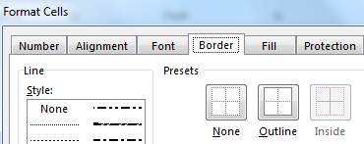

Home - Font

 | The tool directly available in the Font section of the Home ribbon does not allow you as much control as this method.

 | Modify the color of a cell

Home - Font

 | Wrap text (adjust height of rows to see text)

Home - Alignment

 | After changing the width of columns, click twice on "Wrap Text" to deactivate it and reactivate it. Height of rows will be recalculated.

 | Change direction of text
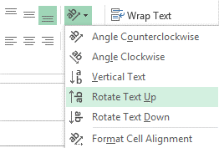

Home - Alignment

 | Format of a cell
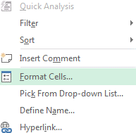

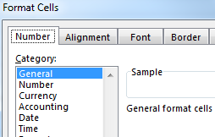
Right click on a cell, row, or column

Home - Number

 | It's very important to select the appropriate format, especially when dealing with numbers, dates, and time.

 | Merge cells

Home - Alignment

 | Only merge cells when you are completely finished with a worksheet. Consider making a copy of your worksheet and merging cells in the copy instead.

 | Insert and delete rows and columns

 | Select one (or more) rows or columns after where you want to make an insertion.
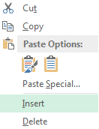

Right click on a row or column

Home - Cells

 | After rows or columns have been inserted, you can choose to copy the format of rows and columns surrounding it.
 | Click on the Format Painter tool that temporarily appears and select the best option.

 | Hide and unhide rows and columns

 | Select rows or columns you wish to hide.
 | To unhide, select rows or columns behind and after the hidden rows or columns.
 | To unhide everything, select all cells in the worksheet and unhide.
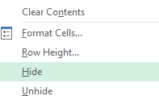

Right click on a row or column
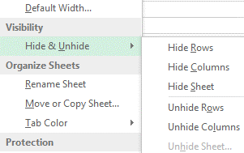

Home - Cells

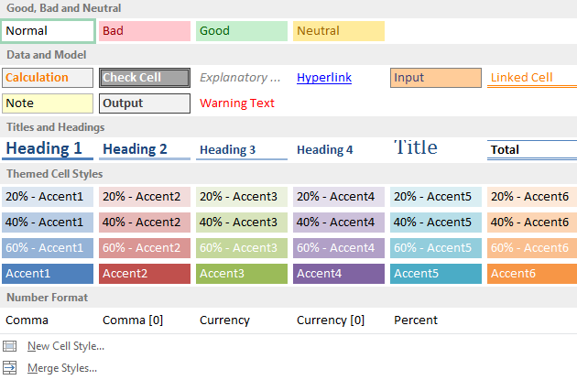
 | Cell and worksheet styles

Home - Style

 | For cells

Page Layout - Themes

 | For worksheets

Menu
Conditional Formatting

 | Emphasize cells containing data according to specific criteria.

Home - Styles

 | Use our own criteria to emphasize certain cells.

 | Emphasize cells containing specific text.
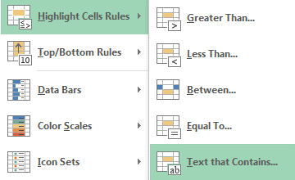

 | Let Excel add emphasis to cells.
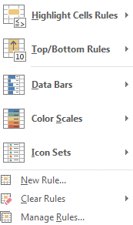

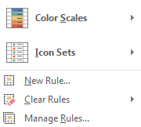

 | Use a formula to create emphasis such as:
 | =mod(row(),#)=0
 | Where '#' is a number for which every '#' row is formatted.
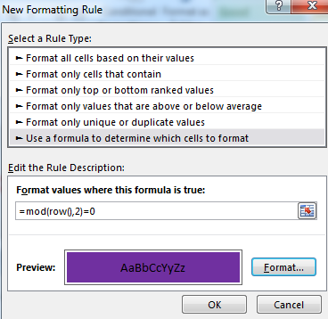

Menu
Sort

 | Select any cell in a range of cells.

Data - Sort & Filter

 | Enter the column to sort - if the suggestions seem strange, check if "data has headers" is correctly applied and check if the entire data range is selected.

 | Add a level to sort using more than one criteria.
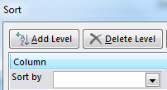
 |  | You can sort data by row instead of by column…
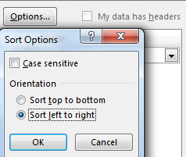

 | It's possible to sort using cell color.
 | Use in conjunction with conditional formatting.
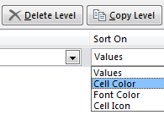

Menu
Filters
Regular Filter
Advanced Filter

 | Regular Filter

 | Select any cell in a range, and then click on the filter tool.
 | Apply filters to temporarily view only rows of data that fit with specific criteria.

Data - Sort & Filter

 | Make sure to explore the possibilities of text, data, number, and color filters.
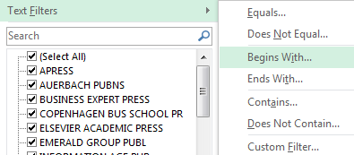

 | Advanced Filter

 | Harder to use than the regular filter, but offers some interesting possibilities.

 | Create a 'table' using the exact same column titles as the ones in the range that you wish to filter.
 | Enter criteria for each column.
 | Enter on the same row for 'AND".
 | Enter on a different row for 'OR".

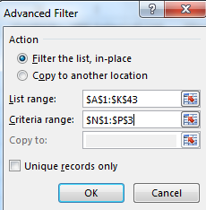
 | For example, the above table finds all paper books published after 2015.
 | Or books published by Routledge, regardless of year and binding.

 | Select any cell in a range, and then click on the advanced filter tool.

Data - Sort & Filter

 | Select your 'table' of criterias.
 | Decide if you want to send the filtered data somewhere else or filter in place.

Menu
Printing

 | Try the following actions to more easily prepare a worksheet for printing:

 | Select all cells with data to print.

Page Layout - Page Setup

Page Layout - Scale to Fit

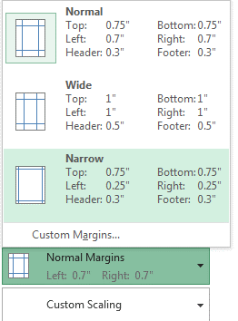
 | If you want a row or column to repeat on each printed page.

Page Layout - Page Setup

 | Use File - Print to find the print preview.
File - Print | Use narrow margins to make contents bigger

 | Go to "Page Setup" and then "Header/Footer" to add page numbers
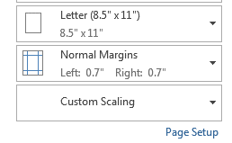

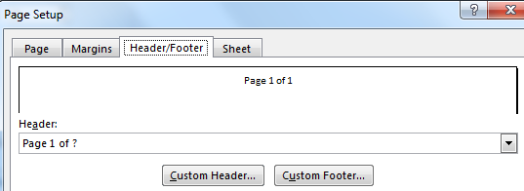

Page Layout - Scale to Fit | If you want to print a very wide table on two pages, select two pages instead of one for the width of the print area.

File - Print | Then choose the following option to keep the pages in order:

