Info
N | 1341

ID |  |  |  |  |  |  | PO_Occupation |  |  | DistributionChannel |  | RiskClass |  | Coverage Activity
Inforce | If Inforce (=1) |  |  |  |  |  | 1 | Group 1 | CV Van phòng, ít di chuyển | 1 | Company Agent | 1 | Preferred | 1 | Lapse for full surrender or nonpayment of premium Death
NumOfReinstated |  |  |  |  |  |  | 2 | Group 2 | Các công việc liên quan đến chức năng giám sát/quản lý, di chuyển | 2 | Bancasurance | 2 | Standard | 2 | Death
NumberOfClaims |  |  |  |  |  |  | 3 | Group 3 | Chủ yếu là công việc lao động chân tay không nặng nhọc, sử dụng công cụ lao động đơn giản | 3 | Corp | 3 | Substandard | 3 | Converted to another plan of insurance
NumberOfEmails |  |  |  |  |  |  | 4 | Group 4 | Công việc lao động chân tay nặng nhọc, sử dụng công cụ lao động nặng | 4 | General Agency |  |  | 4 | Expiry/maturity
NumberOfCalls |  |  |  |  |  |  |  |  |  | 5 | Other Partnership Distribution |  |  | 5 | Remaining in force
DaysOfInforce
PO_Age |  |  |  |  |  |  | CoveragePeriod
PO_Sex |  |  |  |  |  |  | 1 | 1-5 years |  | AgentYearSVR |  | Underwriting Method
PO_Married | Married Status | Single(=0), Married(=1) |  |  |  |  | 2 | 5-10 years |  | 1 | 1 year | 1 | Medical
PO_Occupation | 4 Groups Occupation |  |  |  |  |  | 3 | > 10 years |  | 2 | 1-3 years | 2 | Paramedical
PO_Email | Has email registered |  |  |  |  |  |  |  |  | 3 | > 3 years | 3 | Non Medical
PO_Phone | Updated Phone | (0- No, 1 - Yes) |  |  |  |  |  |  |  |  |  | 4 | Simplified Issue
INS_Age |  |  |  |  |  |  | PaymentTerm
INS_Sex |  |  |  |  |  |  | 1 | Monthly
SumInsured |  |  |  |  |  |  | 2 | Quartely
Premium |  |  |  |  |  |  | 3 | Semi-annual
FaceAmount |  |  |  |  |  |  | 4 | Annualy
CoveragePeriod | Period of Coverage | 1,2,3 |  |  |  |  |  |  |  | Product
Product |  |  |  |  |  |  |  |  |  | 1 | Whole Life Insurance
NumOfRidders |  |  |  |  |  |  |  |  |  | 2 | Term Life Insurance
PaymentTerm | Premium Paymet Term |  |  |  |  |  |  |  |  | 3 | Universal Life Insurance
DistributionChannel |  |  |  |  |  |  |  |  |  | 4 | Variable Universal Life
Agent
AgentYearSVR | Years of Experience of Servicing Agent
AgentVisitPO
AgentCallPO
PolicyYear
RiskClass

 | Lapse |  | In-force |  | Total
 | Count | % | Count | % | Count | %
Sex
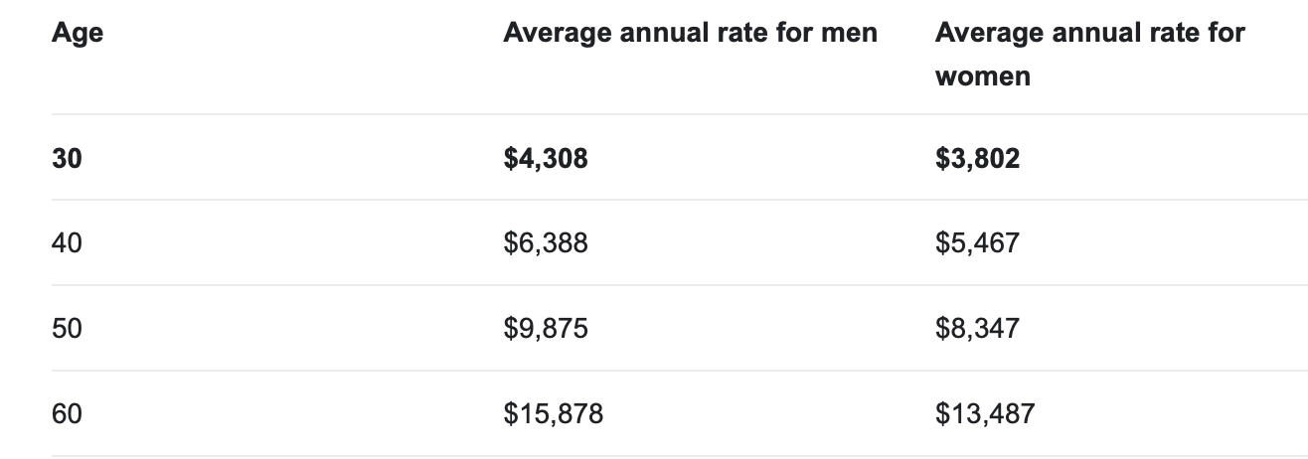
Male | #VALUE! | #VALUE! | #VALUE! | #VALUE! | #VALUE! | #VALUE!
Femal | #VALUE! | #VALUE! | #VALUE! | #VALUE! | #VALUE! | #VALUE!
Occupation
Group 1 | #VALUE! | #VALUE! | #VALUE! | #VALUE! | #VALUE! | #VALUE!
Group 2 | #VALUE! | #VALUE! | #VALUE! | #VALUE! | #VALUE! | #VALUE!
Group 3 | #VALUE! | #VALUE! | #VALUE! | #VALUE! | #VALUE! | #VALUE!
Group 4 | #VALUE! | #VALUE! | #VALUE! | #VALUE! | #VALUE! | #VALUE!
Coverage Period
1-5 years | #VALUE! | #VALUE! | #VALUE! | #VALUE! | #VALUE! | #VALUE!
5-10 years | #VALUE! | #VALUE! | #VALUE! | #VALUE! | #VALUE! | #VALUE!
> 10 years | #VALUE! | #VALUE! | #VALUE! | #VALUE! | #VALUE! | #VALUE!
Premium Payment Type
Monthly | #VALUE! | #VALUE! | #VALUE! | #VALUE! | #VALUE! | #VALUE!
Quartely | #VALUE! | #VALUE! | #VALUE! | #VALUE! | #VALUE! | #VALUE!
Semi-annual | #VALUE! | #VALUE! | #VALUE! | #VALUE! | #VALUE! | #VALUE!
Annualy | #VALUE! | #VALUE! | #VALUE! | #VALUE! | #VALUE! | #VALUE!
Premium
Below $1,000 | #VALUE! | #VALUE! | #VALUE! | #VALUE! | #VALUE! | #VALUE!
$1,001-$2,000 | #VALUE! | #VALUE! | #VALUE! | #VALUE! | #VALUE! | #VALUE!
$2,001-$3,000 | #VALUE! | #VALUE! | #VALUE! | #VALUE! | #VALUE! | #VALUE!
Over $3,001 | #VALUE! | #VALUE! | #VALUE! | #VALUE! | #VALUE! | #VALUE!

https://www.soa.org/globalassets/assets/files/research/exp-study/us-indiv-life-persistency-report-final.pdf

