Sheet1
Fields | Project Id | New PLM Id | Old Projrct | Old PLM | Actual | Expected | Pass/Fail | Pass/fail

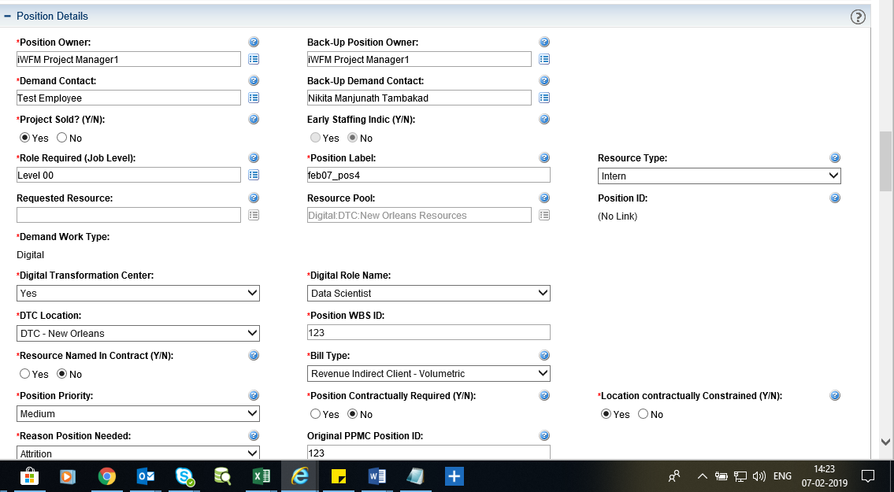
Demand Work Type | 1257536 | 1257538 |  |  | Field is showing mandatory but without Digital/Non-Digital buttons | Showing Digital/Non-digital | 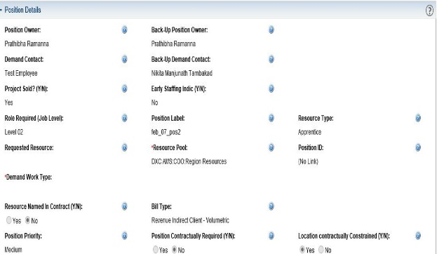 Fail
Demand Work Type | 1257536 | 1257542 |  |  | Field is working properly | Showing Digital/Non-Digital | Pass
Demand Work Type | 1257577 | 1257580(VD) |  |  | Field should not editable by the PM until the PLM is sent for Approval by either the AE or the Org Lead | Field is editable by the PM until the PLM is sent for Approval by either the AE or the Org Lead | Fail
Demand Work Type | 1257577 | 1257579(VD) |  |  | Field value should copied from PLM to Position | Field value is copied from PLM to Position | Pass
Demand Work Type | 1257577 | 1257579 |  |  | PLM goes to redefine demand the Demand Work Type should not editable. | Field not editable | Pass
Demand Work Type | 1256245 | 1256340 |  |  | Field should be Non-Digital | Field is Non-Digital | Pass

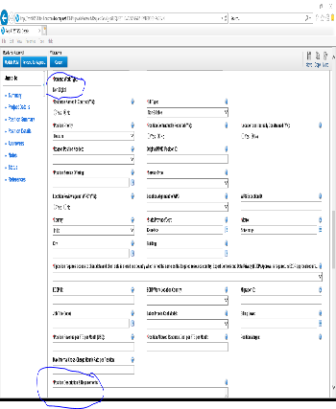
Position Description And Requirements(Breq 1.11) | 1257537 | 1257539,1257548-AF |  |  | Field is workin Properly | Mandatory when Demand Work Type->Digital | Pass
Position Description And Requirements(Breq 1.11) | 1257537 | 1257552->AF |  |  | Field is showing mandatory | Mandatory when Demand Work Type->Non-Digital | Fail
Position Description And Requirements(Breq 1.11) |  |  | 1256245 | 1256340(Af) | Field should optional in iwfm old project | Field is optional in iwfm old project | Pass

Opportunity ID |  |  | 1254380(VD) |  | Field is showing NA and should be editable | Field is showing NA and editable | Pass
Opportunity ID | 1257577 |  |  |  | Field is showing mandatory and should be editable | Field is shown mandatory and editable | Pass

Digital Transformation Center field | 1257577 | 1257583(VD) |  |  | Field should be editable by the PM until the PLM is sent for Approval by either the AE or the Org Lead. | Field is editable by the PM until the PLM is sent for Approval by either the AE or the Org Lead. | Pass
Digital Transformation Center field | 1257577 | 1257583(VD) |  |  | Field should editable and required when Demand Work type is Digital | Field is editable and required when Demand Work type is Digital | Pass
Digital Transformation Center field | 1257577 | 1257588(VD) |  |  | Field should hidden when Demand Work type is Non- Digital | Field is hidden | Pass
Digital Transformation Center field | 1257577 | 1257583(VD) |  |  | field should not editable on Position detail of the Staffing Profile | field is not editable on Position detail of the Staffing Profile | Pass
Digital Transformation Center field |  |  | 1256245 | 1256340(Af) | field should be hidden | fiels is hidden | Pass

Digital Role Name | 1257537 | 1257578(Af) |  |  | Field should mandatory and editable when Demand work type is Digital | Field is mandatory and editable when Demand work type is Digital | Pass
Digital Role Name | 1257537 | 1257581(Af) |  |  | Field should be hidden | Field is hidden | Pass
Digital Role Name | 1257537 | 1257581(Af) |  |  | Fiels should not be editable in position detail of Staffing Profile | Fiels is not editable in position detail of Staffing Profile | Pass
Digital Role Name | 1257537 | 1257578(Af) |  |  | When user redefine PLM it should go for Auto -Approval | PLM go for Auto-Approval when Redefine | Pass
Digital Role Name |  |  | 1256245 | 1256340 | field should be hidden | fiels is hidden | Pass

Position WBS Id | 1257576 | 1257582(Internal) |  |  | Field should be mandatory and editable when Demand Work Type is Digital and DTC Yes | Field is mandatory and editable when Demand Work Type is Digital and DTC Yes | Pass
Position WBS Id | 1257576 | 1257590(Internal) |  |  | Field should be hidden when Demand work Type is Non-Digital | Fiels is hidden | Pass
Position WBS Id |  |  | 1256245 | 1256340 | Field should be hidden | Field is hidden | Pass
Position WBS Id | 1257576 | 1257615 |  |  | Field should be hidden when Demand Work Type is Digital and DTC No | Field is hidden when Demand Work Type is Digital and DTC No | Pass

