DD
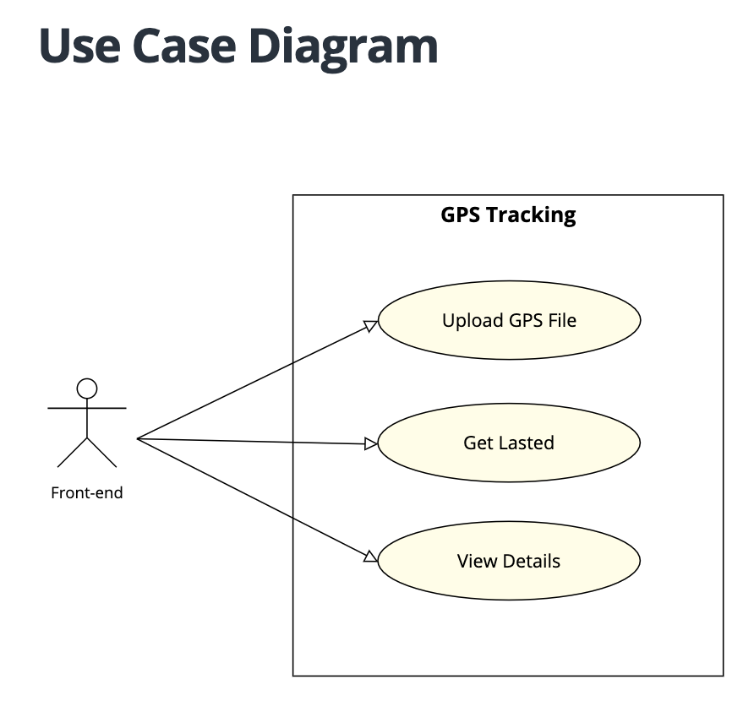
GPS Tracking
DETAIL DESIGN

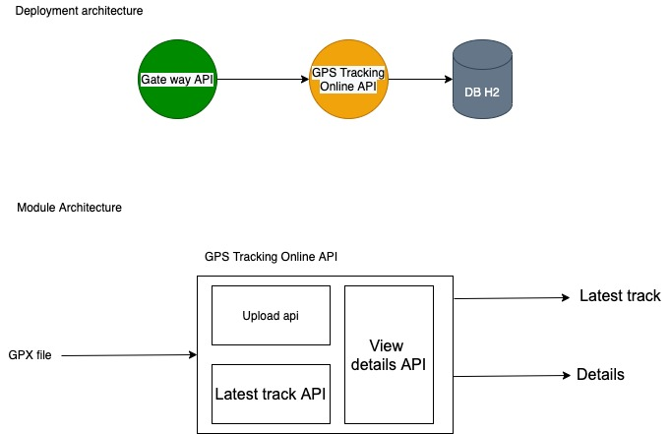

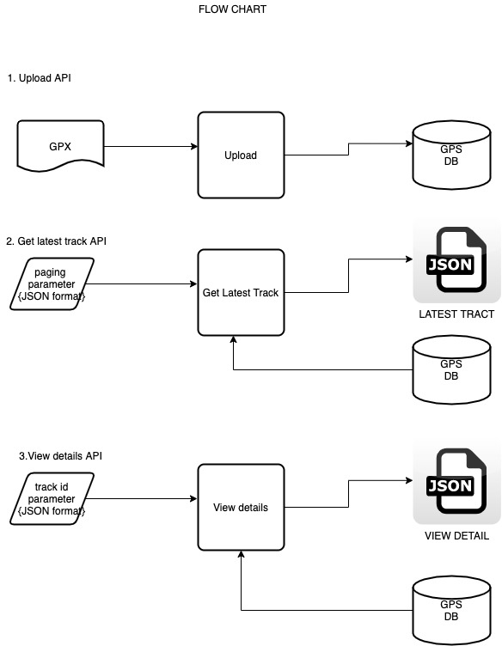
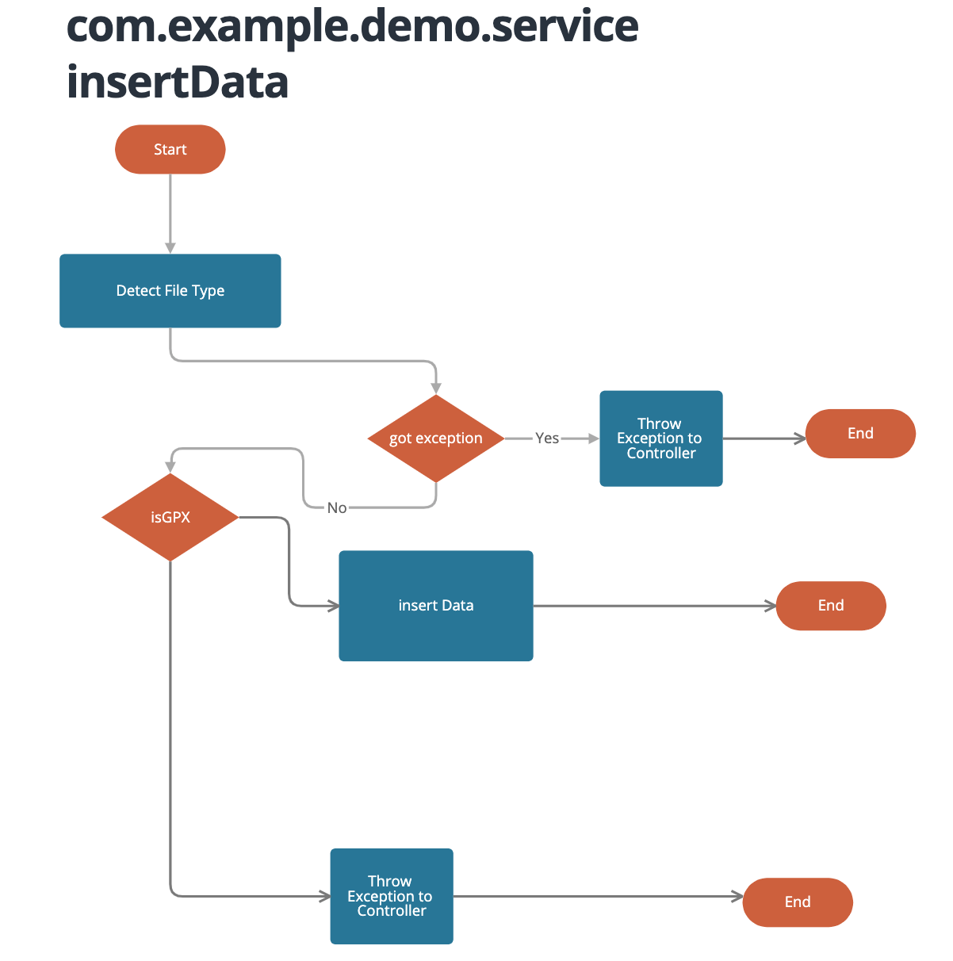

Use Strategy Pattern

 | A | Defination of Done

 |  | 1 | Code must be push to git repo
 |  | 2 | All feature must be run correct with customer requirement
 |  | 3 | Code must be reviewed and refactor: redundant code, coding convention, harcode, comment (method, class, variable, algorithm)
 |  | 4 | Unitest must be completed by from planing measure
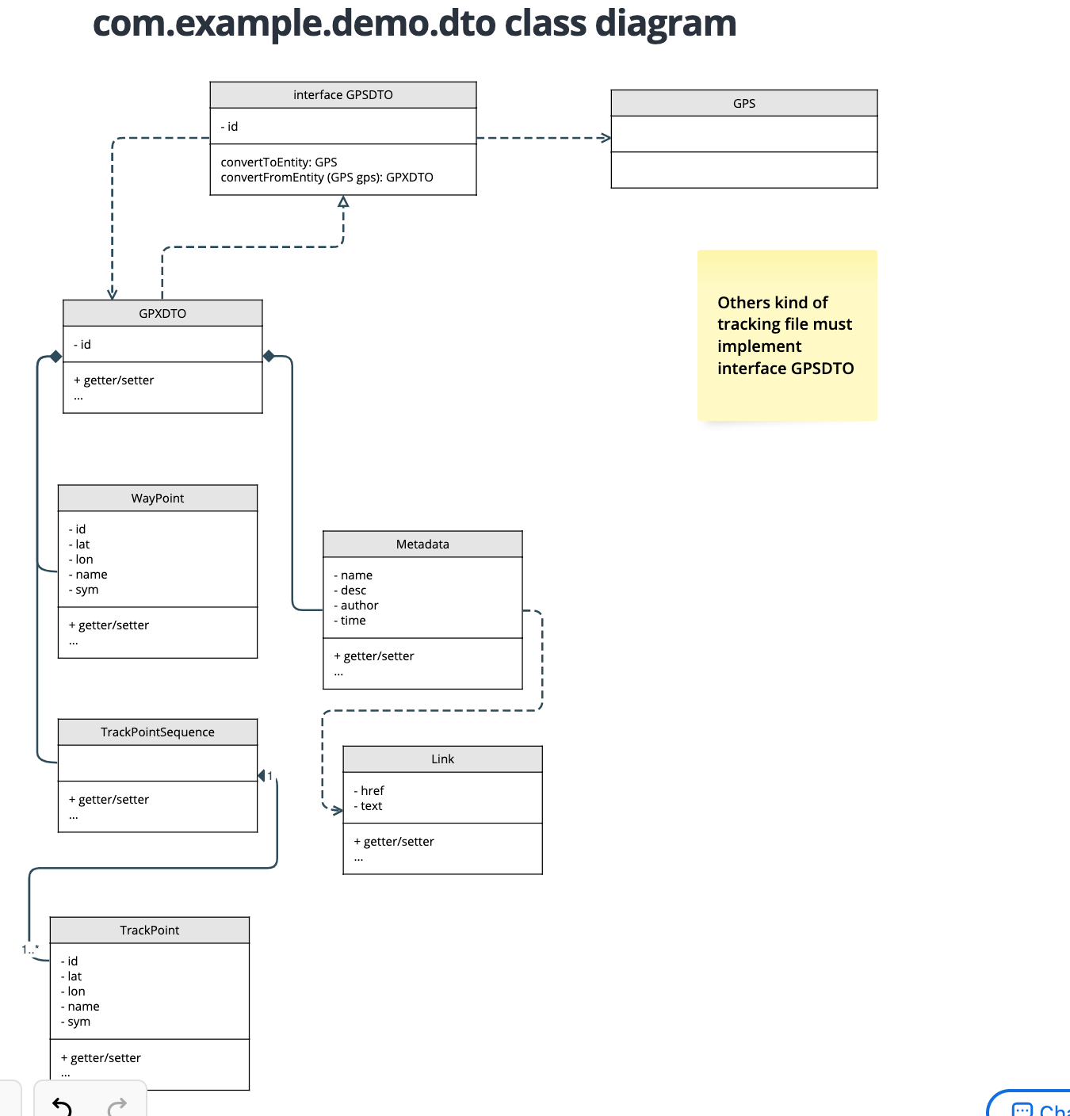
 |  | 5 | Create merge request and test the result
 |  | 6 | Notify to all releated members
 |  | 7 | All feature must be create technical document: api document, deployment document, manual document
 |  | 8 | All scary buges must be scan and fixed by findbug tool

 | B | Code template

 |  | 1 | All method must have log and match sure catch all exception
 |  | 2 | Error, faltal exception must be write to log file
 |  | 3 | Analyze the location of log (info, error, faltal, warning) should not in loop
 |  |  | Sample code template
Why
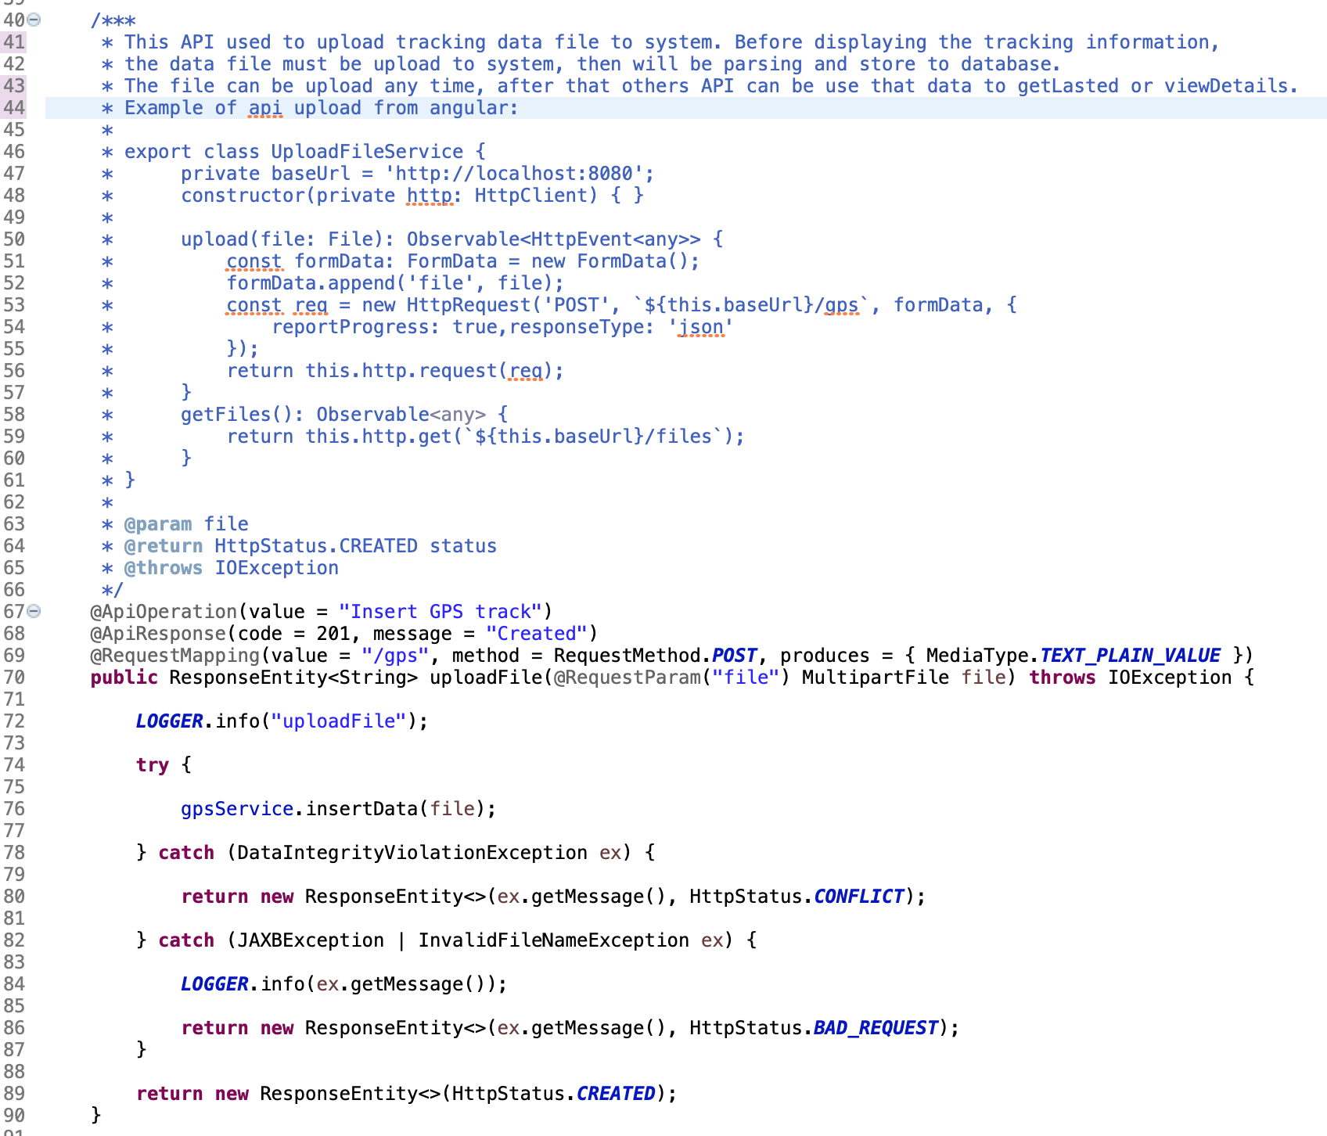
What

When

How

 | C | Review check list

 |  | 1 | defect1
 |  | 2 | defect2
 |  | 3 | …
 |  | 4

