Segment solution
4-segment solution
The ideal number of segments is a function of statistical fit (what the data say), managerial relevance (what makes the
most sense from a managerial point of view), and targetability (can the segments be easily targeted).
When the three criteria do not perfectly converge, selecting the right number of segments becomes a judgment call.
You have decided to perform the analysis with 4 segments.
The segmentation method relies on the hierarchical clustering approach. This approach generates a dendrogram that we
display next.

Dendrogram
The dendrogram represents the grouping process of observations into clusters. The chart reads from bottom (all initial
observations are separated) to top (all observations are clustered into one unique segment).
The height represents the distance between the two groups of observations being merged at each step. If two very distant
groups are being merged, this will create a 'jump' in the dendrogram, indicating that it might be wise to stop the
clustering process before.

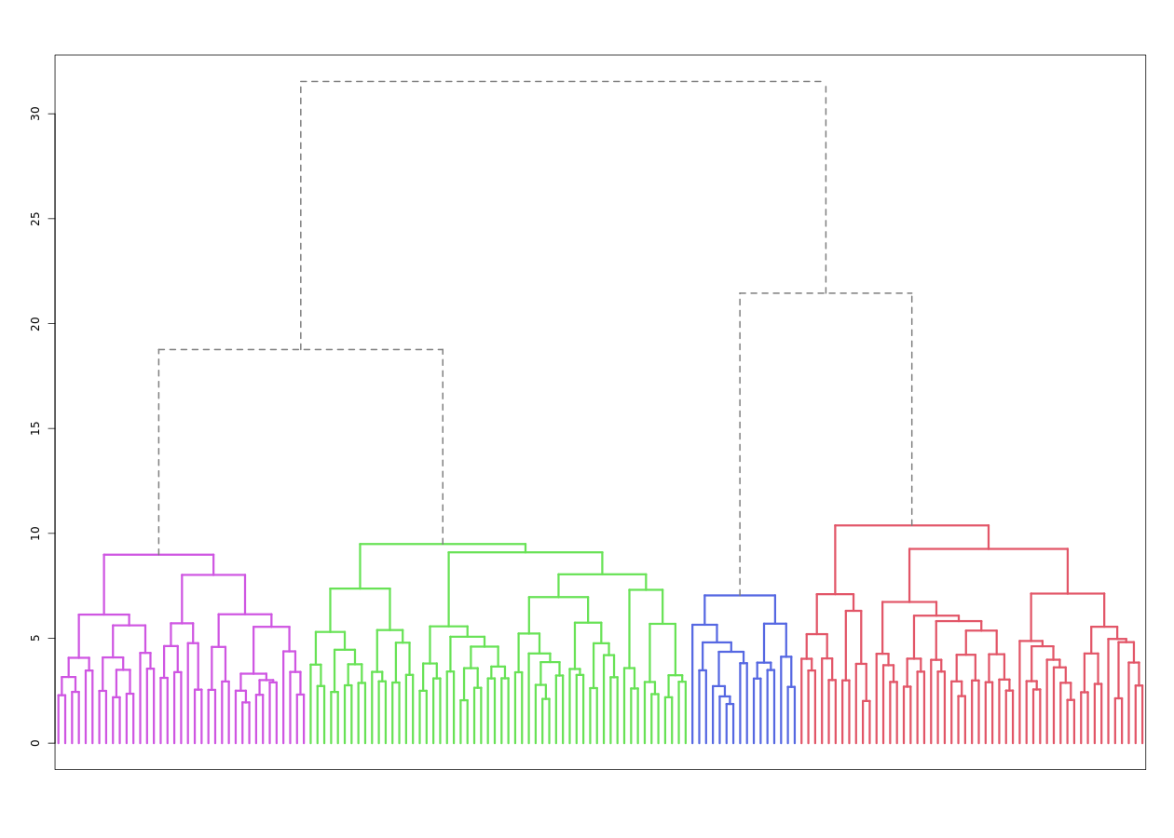

Dendrogram. The dendrogram is a tree diagram to illustrate the arrangement of clusters produced by hierarchical clustering, and how the observations are incrementally clustered together.

Scree plot
The screeplot displays, for each cluster solution, a measure of within-cluster heterogeneity. If clusters group
observations that are widely different (which will happen if the number of clusters is too small to capture the
variability in the data), the value will be high.
A good cluster solution might be where the screeplot displays an 'elbow', that is, where increasing the number of
clusters beyond a certain point does not dramatically decreases within-cluster heterogeneity.
The measure displayed in the screeplot is related, but not equivalent, to the distance reported in the dendrogram.

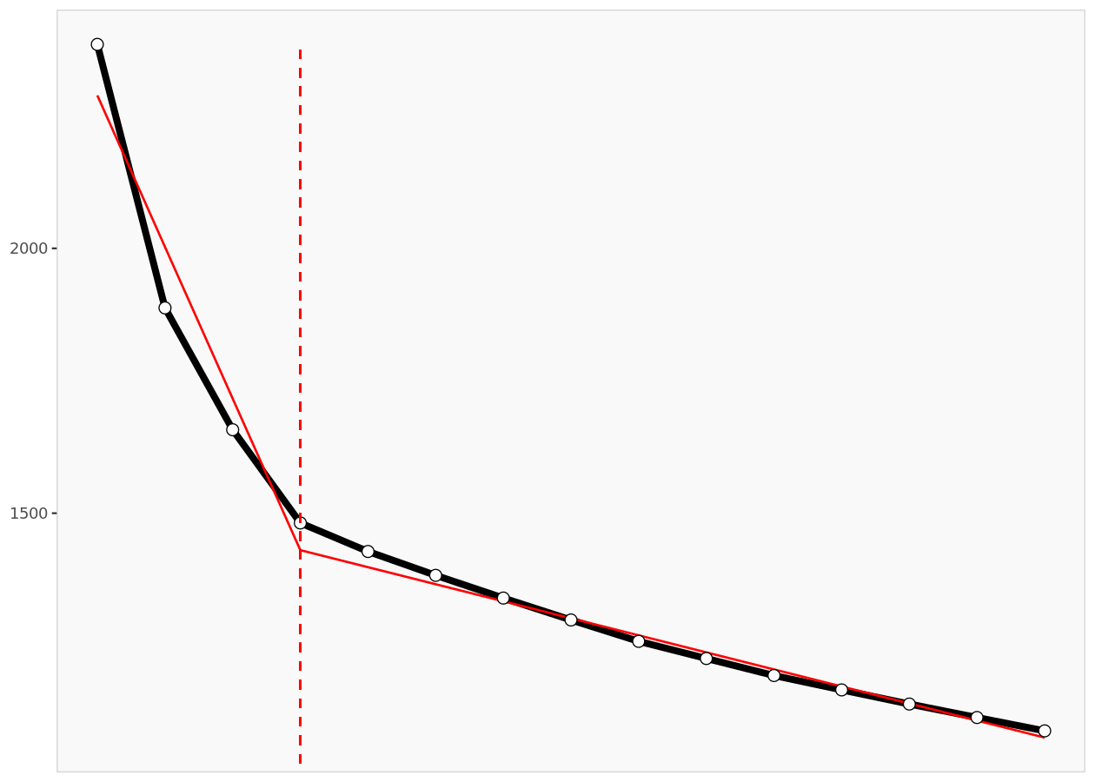

Scree plot. The scree plot compares the sum of squared error (SSE) for each cluster solution. A good cluster solution might be when the SSE slows dramatically, creating an 'elbow'. Such elbow does not always exist.
From a statistical point of view, the SSE reported in the screeplot is computed as the sum of squared error between each
observation and its cluster centroid (or center), summed over all the observations.

Segment description
Segment size

Segment size
 | Population | Segment 1 | Segment 2 | Segment 3 | Segment 4
Size | 160 | 56 | 37 | 51 | 16
Relative size | 100% | 35% | 23% | 32% | 10%

Segment description

Segment description
Average value of each segmentation variable, overall for each segment (centroid). Segmentation variables that are statistically different from the rest of the population are highlighted in red (lower) or green (higher).
 | Population | Segment 1 | Segment 2 | Segment 3 | Segment 4
Innovator | 3.48 | 3.71 | 5.11 | 2.43 | 2.19
Use Message | 4.21 | 3.68 | 3.49 | 5.63 | 3.19
Use Cell | 5.56 | 5.84 | 5.84 | 5.43 | 4.31
Use PIM | 4.01 | 5.89 | 3.86 | 2.33 | 3.06
Information Passive | 4.45 | 5.02 | 3.65 | 3.88 | 6.13
Information Active | 4.50 | 5.20 | 3.51 | 3.90 | 6.25
Remote Access | 3.99 | 3.86 | 2.16 | 5.04 | 5.31
Share Information | 3.71 | 3.39 | 3.14 | 3.73 | 6.13
Monitor | 4.79 | 4.29 | 4.43 | 5.55 | 5.00
Email | 4.73 | 5.96 | 5.59 | 3.31 | 2.88
Web | 4.48 | 5.66 | 5.97 | 3.04 | 1.44
Mmedia | 4.01 | 5.20 | 5.27 | 2.45 | 1.94
Ergonomic | 4.63 | 3.95 | 5.95 | 4.16 | 5.50
Monthly | 28.8 | 24.6 | 32.6 | 25.3 | 45.3
Price | 332 | 290 | 411 | 273 | 488

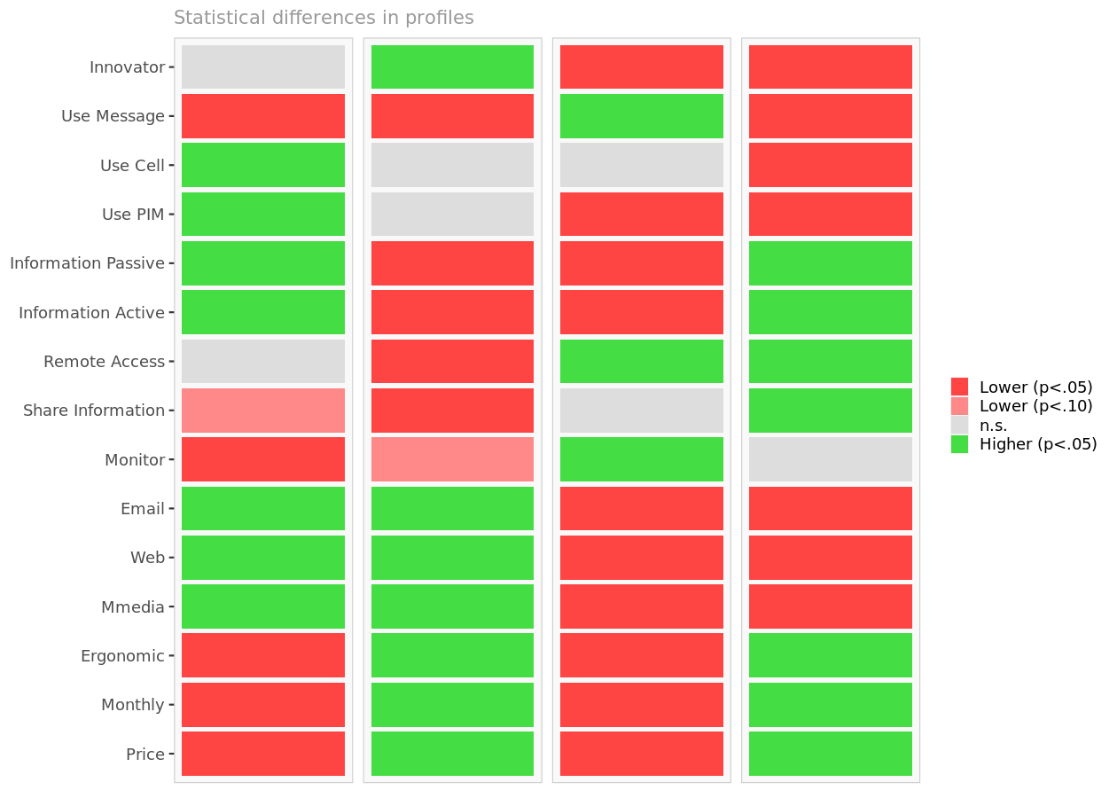

Segment differences per segment. Cell colors indicate to what extent a segment is statistically different from the rest of the population on each segmentation variable.

Segmentation space
The chart below is a graphical representation of the various segments, segment members, and segmentation variables. It
is obtained by plotting the first two dimensions of a principal component analysis performed on the (standardized)
segmentation data, on top of which segment information has been overlaid.
Because only the first two dimensions of the PCA are displayed, and these two dimensions capture only 39.0% of the
variance in the data, some differences between segments might not appear here. Note that segmentation variables with no
variance, if any, have been excluded.
Two clusters who appear to overlap in the first two dimensions might actually be distinct on other dimensions.
Consequently, this chart is a useful guide, especially to see which segmentation variables are correlated, but may be
misleading if used to select the optimal number of segments.

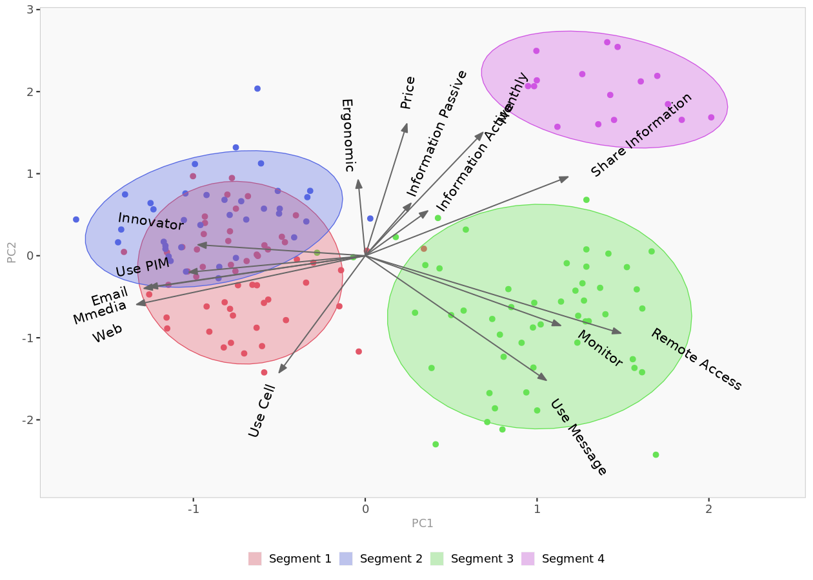

Segment space. Spatial representation of segments and segmentation variables, using principal component analysis.

Segment membership

Segment membership
Segment to which each member of the population belongs to. The complete membership list is only available in the Excel formatted output.
 | Segment
1 | 1
2 | 1
3 | 1
4 | 1
5 | 1
6 | 1
7 | 1
8 | 1
9 | 1
10 | 1
11 | 1
12 | 1
13 | 1
14 | 1
15 | 1
16 | 1
17 | 1
18 | 1
19 | 1
20 | 1
21 | 1
22 | 1
23 | 1
24 | 1
25 | 1
26 | 2
27 | 1
28 | 1
29 | 1
30 | 1
31 | 1
32 | 1
33 | 1
34 | 1
35 | 1
36 | 1
37 | 1
38 | 1
39 | 1
40 | 1
41 | 1
42 | 1
43 | 1
44 | 1
45 | 1
46 | 1
47 | 1
48 | 2
49 | 1
50 | 1
51 | 1
52 | 1
53 | 1
54 | 1
55 | 3
56 | 3
57 | 3
58 | 3
59 | 3
60 | 3
61 | 3
62 | 3
63 | 3
64 | 3
65 | 3
66 | 3
67 | 3
68 | 3
69 | 3
70 | 3
71 | 3
72 | 3
73 | 3
74 | 3
75 | 3
76 | 3
77 | 3
78 | 3
79 | 3
80 | 3
81 | 3
82 | 3
83 | 3
84 | 3
85 | 3
86 | 3
87 | 3
88 | 3
89 | 3
90 | 3
91 | 3
92 | 3
93 | 3
94 | 3
95 | 3
96 | 3
97 | 3
98 | 3
99 | 3
100 | 3
101 | 3
102 | 3
103 | 3
104 | 3
105 | 2
106 | 2
107 | 1
108 | 2
109 | 1
110 | 2
111 | 2
112 | 2
113 | 2
114 | 1
115 | 2
116 | 2
117 | 2
118 | 2
119 | 2
120 | 2
121 | 2
122 | 2
123 | 2
124 | 2
125 | 2
126 | 2
127 | 2
128 | 3
129 | 2
130 | 2
131 | 2
132 | 2
133 | 2
134 | 2
135 | 1
136 | 2
137 | 2
138 | 2
139 | 2
140 | 2
141 | 2
142 | 2
143 | 2
144 | 2
145 | 4
146 | 4
147 | 4
148 | 4
149 | 4
150 | 4
151 | 4
152 | 4
153 | 4
154 | 4
155 | 4
156 | 4
157 | 4
158 | 4
159 | 4
160 | 4

Descriptor analysis
Descriptors
This table reports the descriptor averages of each segment. The more differences can be found, the easier it will be to
predict segment membership based on descriptors alone.

Descriptor data per segment
Average value of each descriptor, overall and within each cluster. Descriptors that are statistically different from the rest of the population are highlighted in red (lower) or green (higher).
 | Population | Segment 1 | Segment 2 | Segment 3 | Segment 4
Age | 40.0 | 43.1 | 38.9 | 36.8 | 42.2
Education | 2.51 | 2.48 | 3.22 | 2.20 | 1.94
Income | 66.9 | 62.6 | 88.4 | 60.5 | 52.4
Construction | 0.081 | 0.054 | 0.054 | 0.059 | 0.313
Emergency | 0.038 | 0.018 | 0.027 | 0.020 | 0.188
Sales | 0.300 | 0.536 | 0.135 | 0.235 | 0.063
Service | 0.181 | 0.107 | 0.027 | 0.392 | 0.125
Professional | 0.163 | 0.089 | 0.351 | 0.157 | 0.000
Computers | 0.231 | 0.179 | 0.405 | 0.137 | 0.313
PDA | 0.438 | 0.446 | 0.892 | 0.176 | 0.188
Cell | 0.875 | 0.911 | 0.892 | 0.902 | 0.625
PC | 0.981 | 1.000 | 1.000 | 1.000 | 0.813
Away | 4.21 | 4.36 | 2.59 | 4.84 | 5.38
Business Week | 0.275 | 0.304 | 0.486 | 0.176 | 0.000
PC Magazine | 0.244 | 0.143 | 0.324 | 0.294 | 0.250
Field and Stream | 0.125 | 0.036 | 0.027 | 0.235 | 0.313
Mgourmet | 0.019 | 0.000 | 0.081 | 0.000 | 0.000

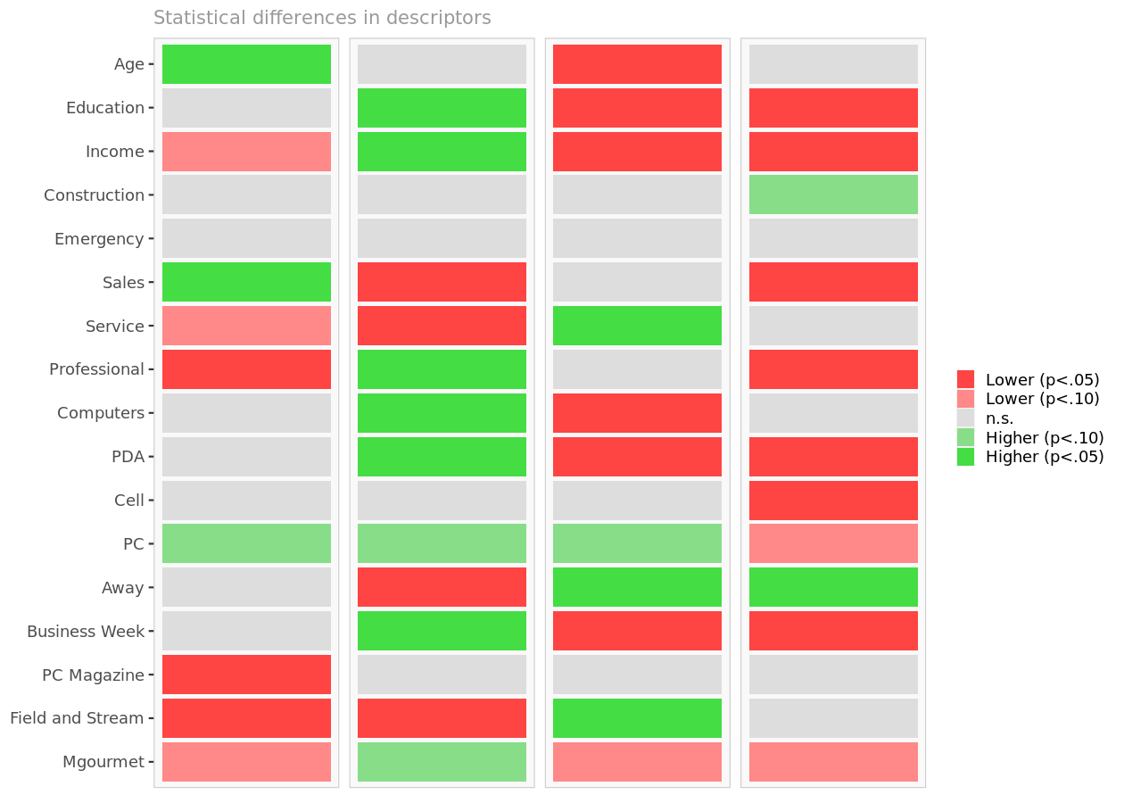

Descriptor differences per segment. Cell colors indicate to what extent the distribution of a descriptor in a segment is statistically different from the rest of the population.

Descriptor space
The chart below is a graphical representation of the various segments, segment members, and descriptors. It is obtained
by outputing the first two dimensions of a principal component analysis performed on the (standardized) descriptors, on
top of which segment information has been overlayed.
Because only the first two dimensions of the PCA are displayed, and these two dimensions capture only 25.8% of the
variance in the data, some differences between segments might not appear here. Note that descriptors with no variance,
if any, have been excluded.
If two or more segments fully overlap, it is unlikely that they could be clearly separated based on descriptors alone.
However, two segments that seem to overlap on two dimensions may be more clearly separated on other dimensions.
Consequently, the confusion matrix is a better guide to assess the quality of segment classification based on
descriptors.

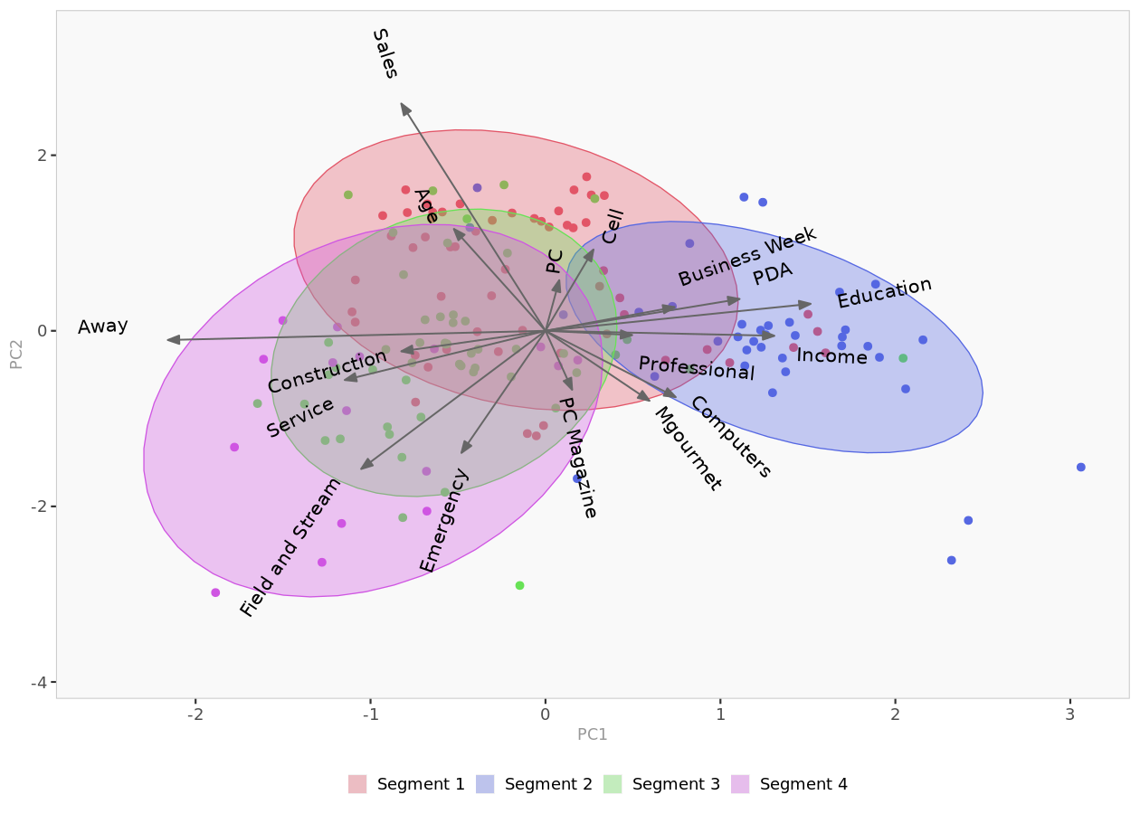

Descriptor space. Spatial representation of segments and their descriptors, using principal component analysis.

Classification model
Introduction
Often, segmentation (needs) variables for each customer may not be available to managers, but descriptors variables for
customers may be available.
In this section, we explore whether descriptors alone can predict segment membership with sufficient accuracy. The
confusion matrix and hit rates (reported below) indicate whether the model is accurate enough.
For member classification based on descriptors, Enginius uses a multinomial logit model (similar to the one used to
predict 'choices between multiple alternatives (A/B/C)' in the predictive modeling module.
The largest segment is selected as the default option (dummy), and the model identifies which descriptors are the most
significant for predicting cluster memberships. If a descriptor is highly predictive, its p-values will be close to
zero, and the cells will appear in green (or red).

Model coefficients

Model parameters
Segment 1 is the model baseline.
 | Segment 2 | Segment 3 | Segment 4
(Intercept) | -23.6 | -21.6 | 74.4
Age | 0.010 | -0.023 | 0.058
Education | 0.584 | -0.501 | -3.819
Income | 0.041 | -0.007 | -0.028
Construction | 20.6 | 12.4 | 26.1
Emergency | 3.64 | 11.81 | 26.99
Sales | 19.6 | 11.3 | -20.9
Service | 20.2 | 13.3 | 21.9
Professional | 21.27 | 12.62 | -5.60
Computers | 20.5 | 12.2 | 24.7
PDA | 2.18 | -1.66 | -2.45
Cell | -0.819 | -0.306 | -1.950
PC | -1.69 | 12.23 | -88.88
Away | -0.432 | 0.030 | 0.053
Business Week | 0.226 | -0.920 | -45.525
PC Magazine | 0.069 | 1.415 | -0.085
Field and Stream | -0.294 | 1.950 | 0.060
Mgourmet | 53.30 | -8.62 | 7.07

P-values

p-values
Probabilities that parameter estimates are different from zero only by chance.
 | Segment 2 | Segment 3 | Segment 4
(Intercept) | 0.000 | 0.000 | 0.000
Age | 0.712 | 0.229 | 0.233
Education | 0.376 | 0.224 | 0.043
Income | 0.023 | 0.582 | 0.347
Construction | 0.000 | 0.000 | 0.000
Emergency | 0.000 | 0.000 | 0.000
Sales | 0.000 | 0.000 | 0.000
Service | 0.000 | 0.000 | 0.000
Professional | 0.000 | 0.000 | 0.000
Computers | 0.000 | 0.000 | 0.000
PDA | 0.008 | 0.005 | 0.084
Cell | 0.493 | 0.739 | 0.294
PC | 0.275 | 0.000 | 0.000
Away | 0.082 | 0.879 | 0.919
Business Week | 0.753 | 0.137 | 0.000
PC Magazine | 0.932 | 0.037 | 0.960
Field and Stream | 0.880 | 0.042 | 0.972
Mgourmet | NaN | 0.000 | 0.000

Confusion matrix
The confusion matrix compares actual segment membership (obtained from the segmentation analysis and the original
segmentation variables) and predicted segment membership (obtained from the in-sample classification analysis and the
descriptors alone). When actual and predicted segment memberships coincide, the diagonal elements will be comparatively
large, indicating that the classification model based on available descriptors is accurate.

Confusion matrix (count)
The model has correctly classified 124 of the 160 observations. The off-diagonal elements are classification errors.
 | Predicted 1 | Predicted 2 | Predicted 3 | Predicted 4 | Total
Segment 1 | 43 | 4 | 8 | 1 | 56
Segment 2 | 6 | 31 | 0 | 0 | 37
Segment 3 | 12 | 1 | 37 | 1 | 51
Segment 4 | 1 | 0 | 2 | 13 | 16
Total | 62 | 36 | 47 | 15 | 160

Confusion matrix (%)
The global hit rate of the model is 78%. The diagonal elements represent segment-specific hit rates.
 | Predicted 1 | Predicted 2 | Predicted 3 | Predicted 4 | Total
Segment 1 | 77% | 7% | 14% | 2% | 100%
Segment 2 | 16% | 84% | 0% | 0% | 100%
Segment 3 | 24% | 2% | 73% | 2% | 100%
Segment 4 | 6% | 0% | 13% | 81% | 100%

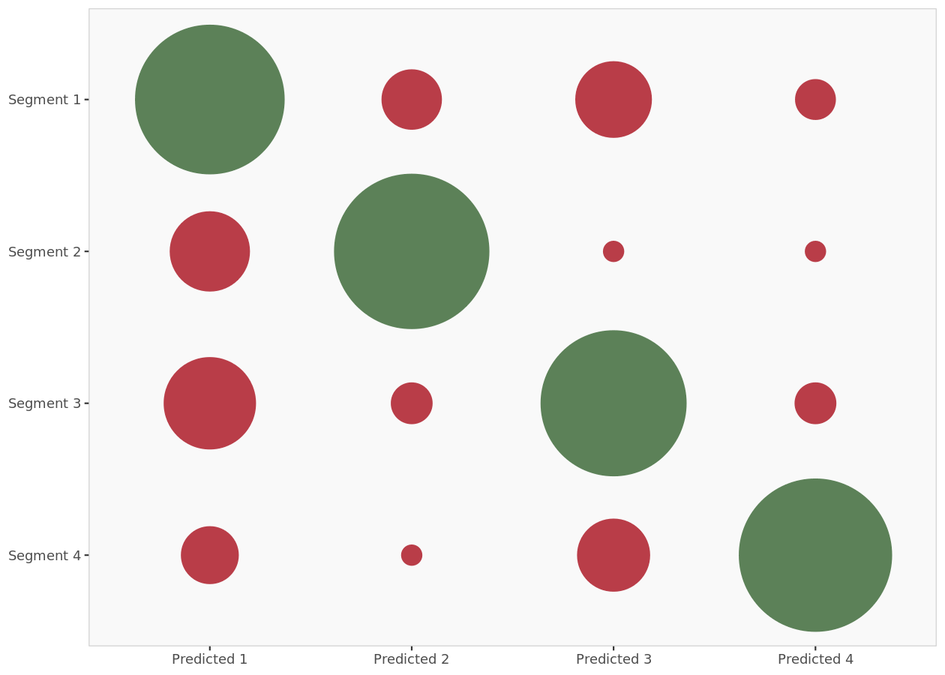

Confusion matrix (plot). Graphic representation of the confusion matrix: actual segment membership versus predicted segment membership. Bubbles in the diagonale represent correct classification.

Model predictions

Model predictions (in-sample)
This table details the probabilities of each member of the segmentation dataset to belong to each cluster (as predicted by the in-sample classification model and the descriptors alone). The segment with the highest probability is retained, and is compared to the actual segment membership to measure model accuracy and classification errors.
 | Prob(cluster 1) | Prob(cluster 2) | Prob(cluster 3) | Prob(cluster 4) | Predicted | Actual | Correct
1 | 100% | 0% | 0% | 0% | 1 | 1 | 1
2 | 49% | 14% | 37% | 0% | 1 | 1 | 1
3 | 32% | 1% | 9% | 58% | 4 | 1 | 0
4 | 88% | 4% | 9% | 0% | 1 | 1 | 1
5 | 17% | 83% | 1% | 0% | 2 | 1 | 0
6 | 72% | 1% | 27% | 0% | 1 | 1 | 1
7 | 72% | 3% | 24% | 0% | 1 | 1 | 1
8 | 65% | 1% | 34% | 0% | 1 | 1 | 1
9 | 43% | 19% | 38% | 0% | 1 | 1 | 1
10 | 50% | 1% | 37% | 12% | 1 | 1 | 1
11 | 64% | 33% | 3% | 0% | 1 | 1 | 1
12 | 64% | 1% | 35% | 0% | 1 | 1 | 1
13 | 86% | 0% | 14% | 0% | 1 | 1 | 1
14 | 74% | 5% | 21% | 0% | 1 | 1 | 1
15 | 40% | 3% | 22% | 35% | 1 | 1 | 1
16 | 77% | 0% | 22% | 0% | 1 | 1 | 1
17 | 61% | 17% | 23% | 0% | 1 | 1 | 1
18 | 71% | 2% | 27% | 0% | 1 | 1 | 1
19 | 83% | 15% | 3% | 0% | 1 | 1 | 1
20 | 50% | 1% | 49% | 0% | 1 | 1 | 1
21 | 64% | 5% | 31% | 0% | 1 | 1 | 1
22 | 81% | 2% | 17% | 0% | 1 | 1 | 1
23 | 61% | 19% | 8% | 12% | 1 | 1 | 1
24 | 24% | 0% | 75% | 0% | 3 | 1 | 0
25 | 59% | 15% | 14% | 13% | 1 | 1 | 1
26 | 76% | 19% | 5% | 0% | 1 | 2 | 0
27 | 77% | 4% | 19% | 0% | 1 | 1 | 1
28 | 65% | 30% | 5% | 0% | 1 | 1 | 1
29 | 63% | 4% | 33% | 0% | 1 | 1 | 1
30 | 34% | 1% | 65% | 0% | 3 | 1 | 0
31 | 47% | 1% | 35% | 16% | 1 | 1 | 1
32 | 27% | 6% | 65% | 1% | 3 | 1 | 0
33 | 45% | 2% | 53% | 0% | 3 | 1 | 0
34 | 68% | 26% | 6% | 0% | 1 | 1 | 1
35 | 75% | 1% | 24% | 0% | 1 | 1 | 1
36 | 84% | 5% | 11% | 0% | 1 | 1 | 1
37 | 54% | 0% | 46% | 0% | 1 | 1 | 1
38 | 5% | 0% | 95% | 0% | 3 | 1 | 0
39 | 43% | 33% | 23% | 1% | 1 | 1 | 1
40 | 67% | 0% | 33% | 0% | 1 | 1 | 1
41 | 60% | 26% | 14% | 0% | 1 | 1 | 1
42 | 17% | 1% | 80% | 2% | 3 | 1 | 0
43 | 52% | 36% | 12% | 0% | 1 | 1 | 1
44 | 31% | 8% | 52% | 10% | 3 | 1 | 0
45 | 76% | 4% | 20% | 0% | 1 | 1 | 1
46 | 42% | 1% | 57% | 0% | 3 | 1 | 0
47 | 49% | 1% | 43% | 7% | 1 | 1 | 1
48 | 84% | 10% | 5% | 0% | 1 | 2 | 0
49 | 80% | 12% | 8% | 0% | 1 | 1 | 1
50 | 67% | 1% | 32% | 0% | 1 | 1 | 1
51 | 67% | 12% | 21% | 0% | 1 | 1 | 1
52 | 70% | 4% | 26% | 0% | 1 | 1 | 1
53 | 86% | 7% | 7% | 0% | 1 | 1 | 1
54 | 73% | 17% | 10% | 0% | 1 | 1 | 1
55 | 74% | 16% | 10% | 0% | 1 | 3 | 0
56 | 85% | 5% | 10% | 0% | 1 | 3 | 0
57 | 38% | 12% | 50% | 0% | 3 | 3 | 1
58 | 25% | 0% | 62% | 13% | 3 | 3 | 1
59 | 8% | 0% | 83% | 9% | 3 | 3 | 1
60 | 44% | 1% | 55% | 0% | 3 | 3 | 1
61 | 11% | 0% | 74% | 15% | 3 | 3 | 1
62 | 12% | 0% | 86% | 2% | 3 | 3 | 1
63 | 14% | 0% | 84% | 2% | 3 | 3 | 1
64 | 8% | 0% | 91% | 0% | 3 | 3 | 1
65 | 2% | 0% | 95% | 3% | 3 | 3 | 1
66 | 19% | 0% | 72% | 9% | 3 | 3 | 1
67 | 30% | 0% | 70% | 0% | 3 | 3 | 1
68 | 1% | 0% | 62% | 38% | 3 | 3 | 1
69 | 52% | 1% | 47% | 0% | 1 | 3 | 0
70 | 22% | 1% | 72% | 5% | 3 | 3 | 1
71 | 15% | 0% | 85% | 0% | 3 | 3 | 1
72 | 54% | 5% | 41% | 0% | 1 | 3 | 0
73 | 3% | 0% | 97% | 0% | 3 | 3 | 1
74 | 1% | 0% | 99% | 0% | 3 | 3 | 1
75 | 88% | 8% | 4% | 0% | 1 | 3 | 0
76 | 9% | 0% | 91% | 0% | 3 | 3 | 1
77 | 36% | 11% | 52% | 0% | 3 | 3 | 1
78 | 3% | 0% | 97% | 0% | 3 | 3 | 1
79 | 22% | 0% | 47% | 31% | 3 | 3 | 1
80 | 65% | 2% | 33% | 0% | 1 | 3 | 0
81 | 5% | 0% | 87% | 8% | 3 | 3 | 1
82 | 44% | 1% | 55% | 0% | 3 | 3 | 1
83 | 4% | 0% | 85% | 11% | 3 | 3 | 1
84 | 18% | 1% | 81% | 0% | 3 | 3 | 1
85 | 13% | 1% | 87% | 0% | 3 | 3 | 1
86 | 67% | 0% | 32% | 0% | 1 | 3 | 0
87 | 17% | 2% | 32% | 49% | 4 | 3 | 0
88 | 20% | 1% | 79% | 0% | 3 | 3 | 1
89 | 50% | 34% | 16% | 0% | 1 | 3 | 0
90 | 54% | 1% | 45% | 0% | 1 | 3 | 0
91 | 69% | 0% | 31% | 0% | 1 | 3 | 0
92 | 8% | 0% | 78% | 14% | 3 | 3 | 1
93 | 24% | 2% | 62% | 12% | 3 | 3 | 1
94 | 11% | 2% | 88% | 0% | 3 | 3 | 1
95 | 73% | 1% | 26% | 0% | 1 | 3 | 0
96 | 25% | 2% | 69% | 4% | 3 | 3 | 1
97 | 47% | 3% | 50% | 0% | 3 | 3 | 1
98 | 28% | 2% | 69% | 0% | 3 | 3 | 1
99 | 4% | 0% | 96% | 0% | 3 | 3 | 1
100 | 37% | 1% | 62% | 0% | 3 | 3 | 1
101 | 17% | 0% | 82% | 0% | 3 | 3 | 1
102 | 49% | 1% | 50% | 0% | 3 | 3 | 1
103 | 53% | 8% | 37% | 2% | 1 | 3 | 0
104 | 3% | 0% | 97% | 0% | 3 | 3 | 1
105 | 25% | 65% | 10% | 0% | 2 | 2 | 1
106 | 22% | 74% | 3% | 1% | 2 | 2 | 1
107 | 24% | 74% | 2% | 0% | 2 | 1 | 0
108 | 2% | 98% | 0% | 0% | 2 | 2 | 1
109 | 7% | 91% | 2% | 0% | 2 | 1 | 0
110 | 7% | 91% | 2% | 0% | 2 | 2 | 1
111 | 38% | 60% | 2% | 0% | 2 | 2 | 1
112 | 0% | 100% | 0% | 0% | 2 | 2 | 1
113 | 3% | 96% | 0% | 0% | 2 | 2 | 1
114 | 11% | 88% | 1% | 0% | 2 | 1 | 0
115 | 0% | 100% | 0% | 0% | 2 | 2 | 1
116 | 5% | 94% | 1% | 0% | 2 | 2 | 1
117 | 2% | 97% | 0% | 0% | 2 | 2 | 1
118 | 15% | 74% | 10% | 0% | 2 | 2 | 1
119 | 18% | 76% | 6% | 0% | 2 | 2 | 1
120 | 36% | 60% | 4% | 0% | 2 | 2 | 1
121 | 15% | 79% | 6% | 0% | 2 | 2 | 1
122 | 55% | 40% | 5% | 0% | 1 | 2 | 0
123 | 56% | 5% | 39% | 0% | 1 | 2 | 0
124 | 18% | 69% | 13% | 0% | 2 | 2 | 1
125 | 52% | 43% | 5% | 0% | 1 | 2 | 0
126 | 10% | 88% | 2% | 0% | 2 | 2 | 1
127 | 15% | 80% | 4% | 0% | 2 | 2 | 1
128 | 3% | 97% | 1% | 0% | 2 | 3 | 0
129 | 26% | 52% | 22% | 0% | 2 | 2 | 1
130 | 9% | 89% | 2% | 0% | 2 | 2 | 1
131 | 3% | 97% | 0% | 0% | 2 | 2 | 1
132 | 8% | 91% | 1% | 0% | 2 | 2 | 1
133 | 0% | 100% | 0% | 0% | 2 | 2 | 1
134 | 32% | 52% | 16% | 1% | 2 | 2 | 1
135 | 52% | 43% | 4% | 0% | 1 | 1 | 1
136 | 23% | 77% | 0% | 0% | 2 | 2 | 1
137 | 8% | 76% | 16% | 0% | 2 | 2 | 1
138 | 21% | 78% | 1% | 0% | 2 | 2 | 1
139 | 18% | 77% | 4% | 0% | 2 | 2 | 1
140 | 14% | 85% | 1% | 0% | 2 | 2 | 1
141 | 19% | 78% | 2% | 0% | 2 | 2 | 1
142 | 44% | 43% | 13% | 0% | 1 | 2 | 0
143 | 9% | 91% | 0% | 0% | 2 | 2 | 1
144 | 22% | 78% | 0% | 0% | 2 | 2 | 1
145 | 24% | 1% | 38% | 37% | 3 | 4 | 0
146 | 0% | 0% | 0% | 100% | 4 | 4 | 1
147 | 2% | 0% | 3% | 96% | 4 | 4 | 1
148 | 0% | 0% | 0% | 100% | 4 | 4 | 1
149 | 3% | 0% | 12% | 85% | 4 | 4 | 1
150 | 9% | 0% | 10% | 80% | 4 | 4 | 1
151 | 15% | 1% | 19% | 65% | 4 | 4 | 1
152 | 0% | 0% | 0% | 100% | 4 | 4 | 1
153 | 45% | 3% | 51% | 1% | 3 | 4 | 0
154 | 33% | 6% | 29% | 32% | 1 | 4 | 0
155 | 7% | 0% | 17% | 77% | 4 | 4 | 1
156 | 0% | 0% | 0% | 100% | 4 | 4 | 1
157 | 0% | 0% | 0% | 100% | 4 | 4 | 1
158 | 0% | 0% | 0% | 100% | 4 | 4 | 1
159 | 2% | 0% | 47% | 51% | 4 | 4 | 1
160 | 1% | 0% | 18% | 80% | 4 | 4 | 1

