PSU-Capstone Drone
Analytical study of Drones for Fighting Fires
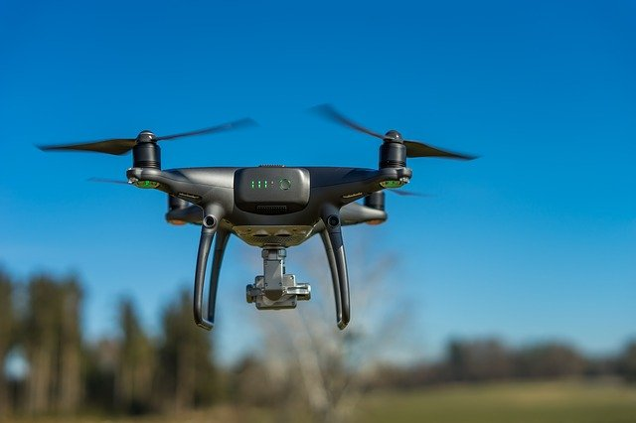

Project Plan and Milestones

1 | Investigations and Research Phase
 | - Research commercial Drones with Payload Factor | 4 weeks | JAN | Every 1 week Checkpoint |  | Any Out of Sync Meetings will be possible Sat/Sun of every Week. Please Request this in Advance 2-3 days before the weekend.
 | - Off the Shelf SW and HW possible |  |  |  | FRIDAY 5pm-6pm
 | -Excel Calculator and SW sims Testbench
2 | Execution Phase
 | -Documentation Starts | 10 weeks | FEB-APR | Every 2 weeks Checkpoint
 | - SW Testing |  |  |  | FRIDAY 5pm-6pm
 | -Metrics for testing and demo
3 | Final Analysis and Reports
 | - Algorithms and Results | 4 weeks | APR-MAY | Every 2 weeks Checkpoint
 | -Data Driven Conclusions and Next Steps |  |  |  | FRIDAY 5pm-6pm

 | BUFFER - for any last minute needs | 2 weeks | MAY

 | CAPSTONE finals presentation | 2 weeks | JUNE

 | TEAM - Please go ahead and come up with a Micro-Schedule(Week by Week) and Roles and Responsibilities among the team members. Would like to review it as soon as possible.

 | Typical Role Assignments would be :-
 | Project Management, Organization and Reports, Excel Calc
 | SW Skilled Member
 | Overall HW definition skilled member
 | Testbench Setup and Demo

