Grandmaster (2)
 | 0 | 1 | 2 | 3 | 4 | 5 | 6 | 7 | 8 |  |  | 0 | 1 | 2 | 3 | 4 | 5 | 6 | 7 | 8 |  | 0 | 1 | 2 | 3 | 4 | 5 | 6 | 7 | 8 |  | 0 | 1 | 2 | 3 | 4 | 5 | 6 | 7 | 8
0 |  |  | 4 | 1 |  |  | 3 | 9 |  |  | 0 |  |  | 0 | 0 |  |  | 0 | 0 |  | 0 |  |  | 2 | 3 |  |  | 6 | 7 |  | 0 |  |  | (0,2,4) | (0,3,1) |  |  | (0,6,3) | (0,7,9) |  | 1 | (0,2,4),
1 | 6 |  |  | 7 | 3 |  |  |  |  |  | 1 | 1 |  |  | 1 | 1 |  |  |  |  | 1 | 0 |  |  | 3 | 4 |  |  |  |  | 1 | (1,0,6) |  |  | (1,3,7) | (1,4,3) |  |  |  |  | 2 | (0,3,1),
2 |  |  |  |  |  |  |  | 4 | 7 |  | 2 |  |  |  |  |  |  |  | 2 | 2 | 2 |  |  |  |  |  |  |  | 7 | 8 | 2 |  |  |  |  |  |  |  | (2,7,4) | (2,8,7) | 3 | (0,6,3),
3 |  |  | 7 |  |  |  | 9 |  |  |  | 3 |  |  | 3 |  |  |  | 3 |  |  | 3 |  |  | 2 |  |  |  | 6 |  |  | 3 |  |  | (3,2,7) |  |  |  | (3,6,9) |  |  | 4 | (0,7,9),
4 | 2 |  |  |  |  | 5 |  | 1 |  |  | 4 | 4 |  |  |  |  | 4 |  | 4 |  | 4 | 0 |  |  |  |  | 5 |  | 7 |  | 4 | (4,0,2) |  |  |  |  | (4,5,5) |  | (4,7,1) |  | 5 | (1,0,6),
5 | 9 | 4 |  |  | 1 |  | 5 | 3 |  |  | 5 | 5 | 5 |  |  | 5 |  | 5 | 5 |  | 5 | 0 | 1 |  |  | 4 |  | 6 | 7 |  | 5 | (5,0,9) | (5,1,4) |  |  | (5,4,1) |  | (5,6,5) | (5,7,3) |  | 6 | (1,3,7),
6 | 7 |  |  |  |  |  | 4 | 2 |  |  | 6 | 6 |  |  |  |  |  | 6 | 6 |  | 6 | 0 |  |  |  |  |  | 6 | 7 |  | 6 | (6,0,7) |  |  |  |  |  | (6,6,4) | (6,7,2) |  | 7 | (1,4,3),
7 |  |  |  |  | 4 | 3 |  |  | 9 |  | 7 |  |  |  |  | 7 | 7 |  |  | 7 | 7 |  |  |  |  | 4 | 5 |  |  | 8 | 7 |  |  |  |  | (7,4,4) | (7,5,3) |  |  | (7,8,9) | 8 | (2,7,4),
8 |  |  | 3 | 9 |  | 8 |  |  |  |  | 8 |  |  | 8 | 8 |  | 8 |  |  |  | 8 |  |  | 2 | 3 |  | 5 |  |  |  | 8 |  |  | (8,2,3) | (8,3,9) |  | (8,5,8) |  |  |  | 9 | (2,8,7),
 |  |  |  |  |  |  |  |  |  |  |  |  |  |  |  |  |  |  |  |  |  |  |  |  |  |  |  |  |  |  |  |  |  |  |  |  |  |  |  |  | 10 | (3,2,7),
 |  |  |  |  |  |  |  |  |  |  |  |  |  |  |  |  |  |  |  |  |  |  |  |  |  |  |  |  |  |  |  |  |  |  |  |  |  |  |  |  | 11 | (3,6,9),
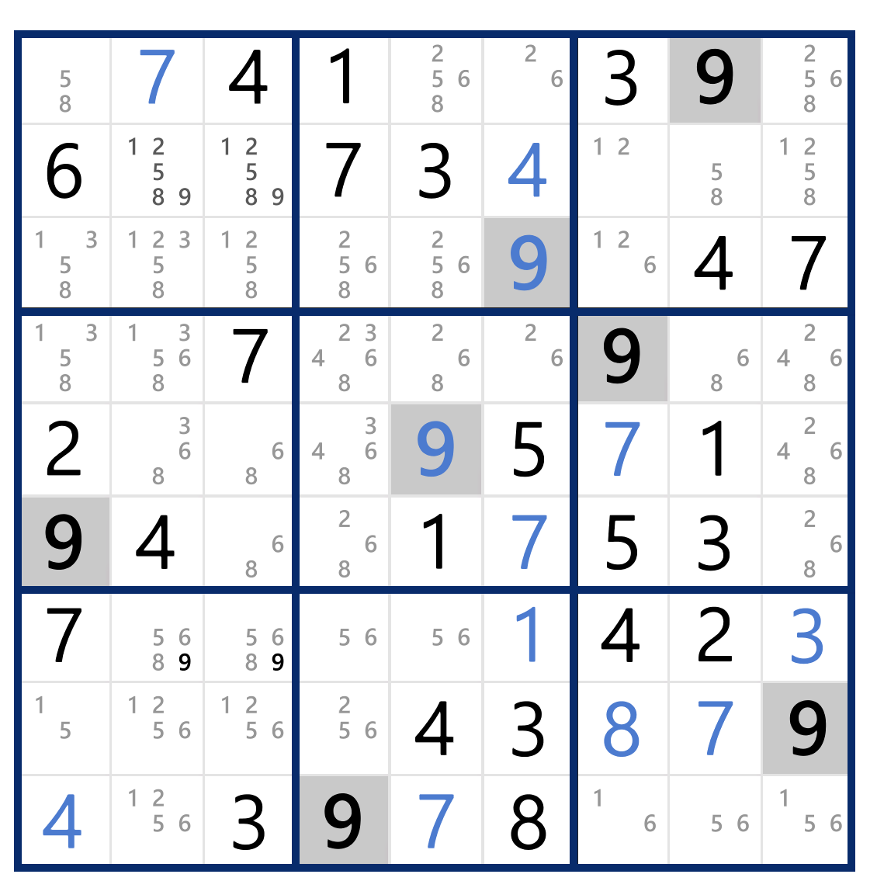
 |  |  |  |  |  |  |  |  |  |  |  |  |  |  |  |  |  |  |  |  |  |  |  |  |  |  |  |  |  |  |  |  |  |  |  |  |  |  |  |  | 12 | (4,0,2),
 |  |  |  |  |  |  |  |  |  |  |  |  |  |  |  |  |  |  |  |  |  |  |  |  |  |  |  |  |  |  |  |  |  |  |  |  |  |  |  |  | 13 | (4,5,5),
 |  |  |  |  |  |  |  |  |  |  |  |  |  |  |  |  |  |  |  |  |  |  |  |  |  |  |  |  |  |  |  |  |  |  |  |  |  |  |  |  | 14 | (4,7,1),
 |  |  |  |  |  |  |  |  |  |  |  |  |  |  |  |  |  |  |  |  |  |  |  |  |  |  |  |  |  |  |  |  |  |  |  |  |  |  |  |  | 15 | (5,0,9),
 |  |  |  |  |  |  |  |  |  |  |  |  |  |  |  |  |  |  |  |  |  |  |  |  |  |  |  |  |  |  |  |  |  |  |  |  |  |  |  |  | 16 | (5,1,4),
 |  |  |  |  |  |  |  |  |  |  |  |  |  |  |  |  |  |  |  |  |  |  |  |  |  |  |  |  |  |  |  |  |  |  |  |  |  |  |  |  | 17 | (5,4,1),
 |  |  |  |  |  |  |  |  |  |  |  |  |  |  |  |  |  |  |  |  |  |  |  |  |  |  |  |  |  |  |  |  |  |  |  |  |  |  |  |  | 18 | (5,6,5),
 |  |  |  |  |  |  |  |  |  |  |  |  |  |  |  |  |  |  |  |  |  |  |  |  |  |  |  |  |  |  |  |  |  |  |  |  |  |  |  |  | 19 | (5,7,3),
 |  |  |  |  |  |  |  |  |  |  |  |  |  |  |  |  |  |  |  |  |  |  |  |  |  |  |  |  |  |  |  |  |  |  |  |  |  |  |  |  | 20 | (6,0,7),
 |  |  |  |  |  |  |  |  |  |  |  |  |  |  |  |  |  |  |  |  |  |  |  |  |  |  |  |  |  |  |  |  |  |  |  |  |  |  |  |  | 21 | (6,6,4),
 |  |  |  |  |  |  |  |  |  |  |  |  |  |  |  |  |  |  |  |  |  |  |  |  |  |  |  |  |  |  |  |  |  |  |  |  |  |  |  |  | 22 | (6,7,2),
 |  |  |  |  |  |  |  |  |  |  |  |  |  |  |  |  |  |  |  |  |  |  |  |  |  |  |  |  |  |  |  |  |  |  |  |  |  |  |  |  | 23 | (7,4,4),
 |  |  |  |  |  |  |  |  |  |  |  |  |  |  |  |  |  |  |  |  |  |  |  |  |  |  |  |  |  |  |  |  |  |  |  |  |  |  |  |  | 24 | (7,5,3),
 |  |  |  |  |  |  |  |  |  |  |  |  |  |  |  |  |  |  |  |  |  |  |  |  |  |  |  |  |  |  |  |  |  |  |  |  |  |  |  |  | 25 | (7,8,9),
 |  |  |  |  |  |  |  |  |  |  |  |  |  |  |  |  |  |  |  |  |  |  |  |  |  |  |  |  |  |  |  |  |  |  |  |  |  |  |  |  | 26 | (8,2,3),
 |  |  |  |  |  |  |  |  |  |  |  |  |  |  |  |  |  |  |  |  |  |  |  |  |  |  |  |  |  |  |  |  |  |  |  |  |  |  |  |  | 27 | (8,3,9),
 |  |  |  |  |  |  |  |  |  |  |  |  |  |  |  |  |  |  |  |  |  |  |  |  |  |  |  |  |  |  |  |  |  |  |  |  |  |  |  |  | 28 | (8,5,8),
 |  |  |  |  |  |  |  |  |  |  |  |  |  |  |  |  |  |  |  |  |  |  |  |  |  |  |  |  |  |  |  |  |  |  |  |  |  |  |  |  | 29 | ,
 |  |  |  |  |  |  |  |  |  |  |  |  |  |  |  |  |  |  |  |  |  |  |  |  |  |  |  |  |  |  |  |  |  |  |  |  |  |  |  |  | 30 | ,
 |  |  |  |  |  |  |  |  |  |  |  |  |  |  |  |  |  |  |  |  |  |  |  |  |  |  |  |  |  |  |  |  |  |  |  |  |  |  |  |  | 31 | ,
 |  |  |  |  |  |  |  |  |  |  |  |  |  |  |  |  |  |  |  |  |  |  |  |  |  |  |  |  |  |  |  |  |  |  |  |  |  |  |  |  | 32 | ,
 |  |  |  |  |  |  |  |  |  |  |  |  |  |  |  |  |  |  |  |  |  |  |  |  |  |  |  |  |  |  |  |  |  |  |  |  |  |  |  |  | 33 | ,
 |  |  |  |  |  |  |  |  |  |  |  |  |  |  |  |  |  |  |  |  |  |  |  |  |  |  |  |  |  |  |  |  |  |  |  |  |  |  |  |  | 34 | ,
 |  |  |  |  |  |  |  |  |  |  |  |  |  |  |  |  |  |  |  |  |  |  |  |  |  |  |  |  |  |  |  |  |  |  |  |  |  |  |  |  | 35 | ,
 |  |  |  |  |  |  |  |  |  |  |  |  |  |  |  |  |  |  |  |  |  |  |  |  |  |  |  |  |  |  |  |  |  |  |  |  |  |  |  |  | 36 | ,
 |  |  |  |  |  |  |  |  |  |  |  |  |  |  |  |  |  |  |  |  |  |  |  |  |  |  |  |  |  |  |  |  |  |  |  |  |  |  |  |  | 37 | ,
 |  |  |  |  |  |  |  |  |  |  |  |  |  |  |  |  |  |  |  |  |  |  |  |  |  |  |  |  |  |  |  |  |  |  |  |  |  |  |  |  | 38 | ,
 |  |  |  |  |  |  |  |  |  |  |  |  |  |  |  |  |  |  |  |  |  |  |  |  |  |  |  |  |  |  |  |  |  |  |  |  |  |  |  |  | 39 | ,
 |  |  |  |  |  |  |  |  |  |  |  |  |  |  |  |  |  |  |  |  |  |  |  |  |  |  |  |  |  |  |  |  |  |  |  |  |  |  |  |  | 40 | ,
 |  |  |  |  |  |  |  |  |  |  |  |  |  |  |  |  |  |  |  |  |  |  |  |  |  |  |  |  |  |  |  |  |  |  |  |  |  |  |  |  | 41 | ,
 |  |  |  |  |  |  |  |  |  |  |  |  |  |  |  |  |  |  |  |  |  |  |  |  |  |  |  |  |  |  |  |  |  |  |  |  |  |  |  |  | 42 | ,
 |  |  |  |  |  |  |  |  |  |  |  |  |  |  |  |  |  |  |  |  |  |  |  |  |  |  |  |  |  |  |  |  |  |  |  |  |  |  |  |  | 43 | ,
 |  |  |  |  |  |  |  |  |  |  |  |  |  |  |  |  |  |  |  |  |  |  |  |  |  |  |  |  |  |  |  |  |  |  |  |  |  |  |  |  | 44 | ,
 |  |  |  |  |  |  |  |  |  |  |  |  |  |  |  |  |  |  |  |  |  |  |  |  |  |  |  |  |  |  |  |  |  |  |  |  |  |  |  |  | 45 | ,
 |  |  |  |  |  |  |  |  |  |  |  |  |  |  |  |  |  |  |  |  |  |  |  |  |  |  |  |  |  |  |  |  |  |  |  |  |  |  |  |  | 46 | ,
 | 0 | 7 | 4 | 1 | 0 | 0 | 3 | 9 | 0 |  |  |  |  |  |  |  |  |  |  |  |  |  |  |  |  |  |  |  |  |  |  |  |  |  |  |  |  |  |  |  | 47 | ,
 | 6 | 0 | 0 | 7 | 3 | 4 | 0 | 0 | 0 |  |  |  |  |  |  |  |  |  |  |  |  |  |  |  |  |  |  |  |  |  |  |  |  |  |  |  |  |  |  |  | 48 | ,
 | 0 | 0 | 0 | 0 | 0 | 9 | 0 | 4 | 7 |  |  |  |  |  |  |  |  |  |  |  |  |  |  |  |  |  |  |  |  |  |  |  |  |  |  |  |  |  |  |  | 49 | ,
 | 0 | 0 | 7 | 0 | 0 | 0 | 9 | 0 | 0 |  |  |  |  |  |  |  |  |  |  |  |  |  |  |  |  |  |  |  |  |  |  |  |  |  |  |  |  |  |  |  | 50 | ,
 | 2 | 0 | 0 | 0 | 9 | 5 | 7 | 1 | 0 |  |  |  |  |  |  |  |  |  |  |  |  |  |  |  |  |  |  |  |  |  |  |  |  |  |  |  |  |  |  |  | 51 | ,
 | 9 | 4 | 0 | 0 | 1 | 7 | 5 | 3 | 2 |  |  |  |  |  |  |  |  |  |  |  |  |  |  |  |  |  |  |  |  |  |  |  |  |  |  |  |  |  |  |  | 52 | ,
 | 7 | 0 | 0 | 0 | 0 | 1 | 4 | 2 | 3 |  |  |  |  |  |  |  |  |  |  |  |  |  |  |  |  |  |  |  |  |  |  |  |  |  |  |  |  |  |  |  | 53 | ,
 | 0 | 0 | 0 | 2 | 4 | 3 | 8 | 7 | 9 |  |  |  |  |  |  |  |  |  |  |  |  |  |  |  |  |  |  |  |  |  |  |  |  |  |  |  |  |  |  |  | 54 | ,
 | 4 | 2 | 3 | 9 | 7 | 8 | 0 | 0 | 0 |  |  |  |  |  |  |  |  |  |  |  |  |  |  |  |  |  |  |  |  |  |  |  |  |  |  |  |  |  |  |  | 55 | ,
 |  |  |  |  |  |  |  |  |  |  |  |  |  |  |  |  |  |  |  |  |  |  |  |  |  |  |  |  |  |  |  |  |  |  |  |  |  |  |  |  | 56 | ,
 |  |  |  |  |  |  |  |  |  |  |  |  |  |  |  |  |  |  |  |  |  |  |  |  |  |  |  |  |  |  |  |  |  |  |  |  |  |  |  |  | 57 | ,
 |  |  |  |  |  |  |  |  |  |  |  |  |  |  |  |  |  |  |  |  |  |  |  |  |  |  |  |  |  |  |  |  |  |  |  |  |  |  |  |  | 58 | ,
 | CURRENT Board: |  |  |  |  |  |  |  |  |  |  |  |  |  |  |  |  |  |  |  |  |  |  |  |  |  |  |  |  |  |  |  |  |  |  |  |  |  |  |  | 59 | ,
 | 8 | 7 | 4 | 1 | 5 | 2 | 3 | 9 | 6 | 45 |  |  |  |  |  |  |  |  |  |  |  |  |  |  |  |  |  |  |  |  |  |  |  |  |  |  |  |  |  |  | 60 | ,
 | 6 | 9 | 2 | 7 | 3 | 4 | 1 | 8 | 5 | 45 |  |  | 45 |  |  | 45 |  |  | 45 |  |  |  |  |  |  |  |  |  |  |  |  |  |  |  |  |  |  |  |  |  | 61 | ,
 | 3 | 5 | 1 | 8 | 6 | 9 | 2 | 4 | 7 | 45 |  |  |  |  |  |  |  |  |  |  |  |  |  |  |  |  |  |  |  |  |  |  |  |  |  |  |  |  |  |  | 62 | ,
 | 5 | 1 | 7 | 3 | 8 | 2 | 9 | 6 | 4 | 45 |  |  |  |  |  |  |  |  |  |  |  |  |  |  |  |  |  |  |  |  |  |  |  |  |  |  |  |  |  |  | 63 | ,
 | 2 | 3 | 6 | 4 | 9 | 5 | 7 | 1 | 8 | 45 |  |  | 45 |  |  | 45 |  |  | 45 |  |  |  |  |  |  |  |  |  |  |  |  |  |  |  |  |  |  |  |  |  | 64 | ,
 | 9 | 4 | 8 | 6 | 1 | 7 | 5 | 3 | 2 | 45 |  |  |  |  |  |  |  |  |  |  |  |  |  |  |  |  |  |  |  |  |  |  |  |  |  |  |  |  |  |  | 65 | ,
 | 7 | 8 | 9 | 5 | 6 | 1 | 4 | 2 | 3 | 45 |  |  |  |  |  |  |  |  |  |  |  |  |  |  |  |  |  |  |  |  |  |  |  |  |  |  |  |  |  |  | 66 | ,
 | 1 | 6 | 5 | 2 | 4 | 3 | 8 | 7 | 9 | 45 |  |  | 45 |  |  | 45 |  |  | 45 |  |  |  |  |  |  |  |  |  |  |  |  |  |  |  |  |  |  |  |  |  | 67 | ,
 | 4 | 2 | 3 | 9 | 7 | 8 | 6 | 5 | 1 | 45 |  |  |  |  |  |  |  |  |  |  |  |  |  |  |  |  |  |  |  |  |  |  |  |  |  |  |  |  |  |  | 68 | ,
 | 45 | 45 | 45 | 45 | 49 | 41 | 45 | 45 | 45 |  |  |  |  |  |  |  |  |  |  |  |  |  |  |  |  |  |  |  |  |  |  |  |  |  |  |  |  |  |  |  | 69 | ,
 |  |  |  |  |  |  |  |  |  |  |  |  |  |  |  |  |  |  |  |  |  |  |  |  |  |  |  |  |  |  |  |  |  |  |  |  |  |  |  |  | 70 | ,
 |  |  |  |  | 2 | 6 |  |  |  |  |  |  |  |  |  |  |  |  |  |  |  |  |  |  |  |  |  |  |  |  |  |  |  |  |  |  |  |  |  |  | 71 | ,
 |  |  |  |  | 6 | 2 |  |  |  |  |  |  |  |  |  |  |  |  |  |  |  |  |  |  |  |  |  |  |  |  |  |  |  |  |  |  |  |  |  |  | 72 | ,
 |  |  |  |  | 6 | 2 |  |  |  |  |  |  |  |  |  |  |  |  |  |  |  |  |  |  |  |  |  |  |  |  |  |  |  |  |  |  |  |  |  |  | 73 | ,
 |  |  |  |  |  |  |  |  |  |  |  |  |  |  |  |  |  |  |  |  |  |  |  |  |  |  |  |  |  |  |  |  |  |  |  |  |  |  |  |  | 74 | ,
 | SUDOKU Solved! |  |  |  |  |  |  |  |  |  |  |  |  |  |  |  |  |  |  |  |  |  |  |  |  |  |  |  |  |  |  |  |  |  |  |  |  |  |  |  | 75 | ,
 |  |  |  |  |  |  |  |  |  |  |  |  |  |  |  |  |  |  |  |  |  |  |  |  |  |  |  |  |  |  |  |  |  |  |  |  |  |  |  |  | 76 | ,
 | FINAL Board: |  |  |  |  |  |  |  |  |  |  |  |  |  |  |  |  |  |  |  |  |  |  |  |  |  |  |  |  |  |  |  |  |  |  |  |  |  |  |  | 77 | ,
 | 8 | 7 | 4 | 1 | 2 | 6 | 3 | 9 | 5 | 45 |  |  |  |  |  |  |  |  |  |  |  |  |  |  |  |  |  |  |  |  |  |  |  |  |  |  |  |  |  |  | 78 | ,
 | 6 | 9 | 5 | 7 | 3 | 4 | 2 | 8 | 1 | 45 |  |  | 45 |  |  | 45 |  |  | 45 |  |  |  |  |  |  |  |  |  |  |  |  |  |  |  |  |  |  |  |  |  | 79 | ,
 | 3 | 1 | 2 | 8 | 5 | 9 | 6 | 4 | 7 | 45 |  |  |  |  |  |  |  |  |  |  |  |  |  |  |  |  |  |  |  |  |  |  |  |  |  |  |  |  |  |  | 80 | ,
 | 1 | 5 | 7 | 3 | 8 | 2 | 9 | 6 | 4 | 45 |  |  |  |  |  |  |  |  |  |  |  |  |  |  |  |  |  |  |  |  |  |  |  |  |  |  |  |  |  |  | 81 | ,
 | 2 | 3 | 6 | 4 | 9 | 5 | 7 | 1 | 8 | 45 |  |  | 45 |  |  | 45 |  |  | 45
 | 9 | 4 | 8 | 6 | 1 | 7 | 5 | 3 | 2 | 45
 | 7 | 8 | 9 | 5 | 6 | 1 | 4 | 2 | 3 | 45
 | 5 | 6 | 1 | 2 | 4 | 3 | 8 | 7 | 9 | 45 |  |  | 45 |  |  | 45 |  |  | 45
 | 4 | 2 | 3 | 9 | 7 | 8 | 1 | 5 | 6 | 45
 | 45 | 45 | 45 | 45 | 45 | 45 | 45 | 45 | 45

 | Updated Board 25 :
 | 8 | 7 | 4 | 1 | 2 | 6 | 3 | 9 | 5
 | 6 | 9 | 5 | 7 | 3 | 4 | 2 | 8 | 1
 | 3 | 1 | 2 | 8 | 5 | 9 | 6 | 4 | 7
 | 1 | 5 | 7 | 3 | 8 | 2 | 9 | 6 | 4
 | 2 | 3 | 6 | 4 | 9 | 5 | 7 | 1 | 8
 | 9 | 4 | 8 | 6 | 1 | 7 | 5 | 3 | 2
 | 7 | 8 | 9 | 5 | 6 | 1 | 4 | 2 | 3
 | 5 | 6 | 1 | 2 | 4 | 3 | 8 | 7 | 9
 | 4 | 2 | 3 | 9 | 7 | 8 | 1 | 5 | 6

 | 0 | 0 | 0 | 0 | 0 | 0 | 0 | 0 | 0
 | 0 | 0 | 0 | 0 | 0 | 0 | 0 | 0 | 0
 | 0 | 0 | 0 | 0 | 0 | 0 | 0 | 0 | 0
 | 0 | 0 | 0 | 0 | 0 | 0 | 0 | 0 | 0
 | 0 | 0 | 0 | 0 | 0 | 0 | 0 | 0 | 0
 | 0 | 0 | 0 | 0 | 0 | 0 | 0 | 0 | 0
 | 0 | 0 | 0 | 0 | 0 | 0 | 0 | 0 | 0
 | 0 | 0 | 0 | 0 | 0 | 0 | 0 | 0 | 0
 | 0 | 0 | 0 | 0 | 0 | 0 | 0 | 0 | 0

 | SUDOKU Solved!

 | FINAL Board:
 | 8 | 7 | 4 | 1 | 2 | 6 | 3 | 9 | 5 | 45
 | 6 | 9 | 5 | 7 | 3 | 4 | 2 | 8 | 1 | 45 |  |  | 45 |  |  | 45 |  |  | 45
 | 3 | 1 | 2 | 8 | 5 | 9 | 6 | 4 | 7 | 45
 | 1 | 5 | 7 | 3 | 8 | 2 | 9 | 6 | 4 | 45
 | 2 | 3 | 6 | 4 | 9 | 5 | 7 | 1 | 8 | 45 |  |  | 45 |  |  | 45 |  |  | 45
 | 9 | 4 | 8 | 6 | 1 | 7 | 5 | 3 | 2 | 45
 | 7 | 8 | 9 | 5 | 6 | 1 | 4 | 2 | 3 | 45
 | 5 | 6 | 1 | 2 | 4 | 3 | 8 | 7 | 9 | 45 |  |  | 45 |  |  | 45 |  |  | 45
 | 4 | 2 | 3 | 9 | 7 | 8 | 1 | 5 | 6 | 45
 | 45 | 45 | 45 | 45 | 45 | 45 | 45 | 45 | 45

