Sheet1
HAERUEK TRADING CO.,LTD.

 |  | 3F, HAERUEK D/D 462, YEOGOK-RO, OJEONG-GU, BUCHEON CITY, KOREA
 |  | TEL : 82-2-2647-4554, FAX : 82-2-2647-4555

INVOICE
 | MESSERS : DOOSAN INFRACORE CO., LTD. |  |  |  |  | Date : APR.21 , 2020
 | NO.: HTI-200421

 | ○CLAIM LIST

 | DETAIL |  |  | AMOUNT |  | REMARK
 | Warranty Judgement in OCT. 2019 |  |  |  | $722.58
 | TOTAL |  |  | $722.58

 | Beneficiary | HAERUEK TRADING CO., LTD
 | Address | #346-9, GOGANG-DONG, OJEONG-GU, BUCHEON CITY, KOREA
 | Tel / Fax | 82-2-2647-4554 / 82-2-2647-4555

 | Bank name | WOORI BANK (Hanvit Bank) Gogang-dong Branch
 | Account No. | 223-283440-41-005
 | Address | Gogang-dong #349-1, Ojeong-gu
 |  | Bucheon city, Kyounggi-do, South Korea
 | Tel | 82-32-684-2461
 | Swift Code | HVBKKRSEXXX
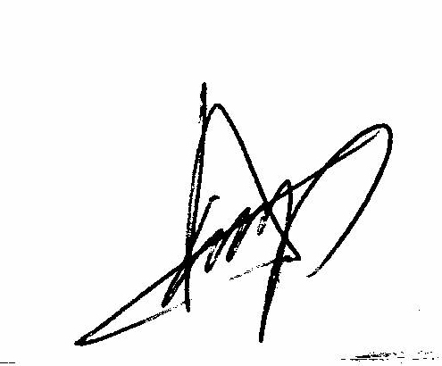

 |  |  | SUPPLIER. HAERUEK TRADING CO,.LTD. / PRESIDENT LEE, SANG-AM

