Sheet1
Training Dataset
ID | Red | Green | Blue | Size (cm) | Fruit (Label) |  | ID | Condition List |  |  | Predict
0 | 1 | 0 | 0 | 7 | Apple |  | 0 | Red == 1? |  |  | Red = 1
1 | 0 | 1 | 0 | 20 | WaterMelon |  | 1 | Red == 0? |  |  | Green = 0
2 | 1 | 0 | 0 | 1 | Cherry |  | 2 | Green == 0? |  |  | Blue == 0
3 | 0 | 1 | 0 | 7.5 | Apple |  | 3 | Green == 1? |  |  | Size = 10
4 | 1 | 0 | 0 | 1 | Strawberry |  | 4 | Blue == 0?
5 | 1 | 0 | 0 | 0.8 | Cherry |  | 5 | Size =< 10?

Step1 Randomly create bootstrapping subsets from training set; and randomly take sqrt(n) = sqrt(6) = 3 features from condition list 0 ~ 5 for each Btstrp
Btstrp1 | Btstrp2 | Btstrp3 |  |  |  |  | Cnd ID for Btstrp1 | Cnd ID for Btstrp2 | Cnd ID for Btstrp3
0 | 1 | 2 |  |  |  |  | 0 | 1 | 2
5 | 0 | 1 |  |  |  |  | 2 | 3 | 4
1 | 2 | 3 |  |  |  |  | 5 | 5 | 0
4 | 5 | 4
3 | 4 | 5
4 | 5 | 5

Step 2 Build up 3 decision trees
 | Decision Tree 1 for Btstrp1 and 1st condition list
 |  | ID | Red | Green | Blue | Size (cm) | Label |  | ID | Condition List
 |  | 0 | 1 | 0 | 0 | 7 | Apple |  | 0 | Red == 1?
 |  | 5 | 1 | 0 | 0 | 0.8 | Cherry |  | 2 | Green == 0?
 |  | 1 | 0 | 1 | 0 | 20 | WaterMelon |  | 5 | Size =< 10?
 |  | 4 | 1 | 0 | 0 | 1 | Strawberry
 |  | 3 | 0 | 1 | 0 | 7.5 | Apple
 |  | 4 | 1 | 0 | 0 | 1 | Strawberry

 |  | Impurity of root
 |  | imp. = P(A)*(1-P(A)) + P(C)*(1-P(C)) + P(W)*(1-P(W))+ P(S)*(1-P(S))
 |  | = 2/6*(1-2/6) + 1/6*(1-1/6) + 1/6*(1-1/6) + 2/6*(1-2/6)
 |  | = 0.73

 |  | Ave. imp = 6/6 * 0.73 = 0.73
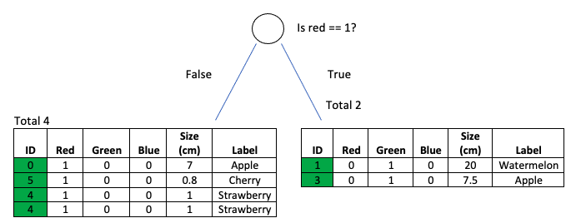
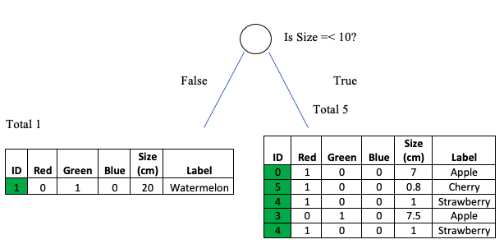

 |  | LHS imp. = 1/4*(1-1/4) + 1/4*(1-1/4) + 2/4*(1-2/4) |  |  | RHS imp. = 1/2*(1-1/2) + 1/2*(1-1/2) |  | LHS imp. = 1/2*(1-1/2) + 1/2*(1-1/2) |  |  |  | RHS imp. = = 1/4*(1-1/4) + 1/4*(1-1/4) + 2/4*(1-2/4) |  |  |  |  | LHS imp. = 1/1*(1-1/1) |  | RHS imp. = 2/5*(1-2/5) + 1/5*(1-1/5) + 2/5*(1-2/5)
 |  | = 0.62 |  |  | 0.5 |  | 0.5 |  |  |  | = 0.62 |  |  |  |  | 0 |  | = 0.64

 |  | LHS. Ave. imp = 4/6 * 0.62 = 0.4 |  |  | RHS. Ave. imp = 2/6 * 0.5 = 0.16 |  | LHS. Ave. imp = 2/6 * 0.5 = 0.16 |  |  |  | RHS. Ave imp = 4/6 * 0.62 = 0.4 |  |  |  |  | LHS. Ave imp = 1/6 * 0 = 0 |  | RHS. Ave imp = 5/6 * 0.64 = 0.53

 |  |  |  | Total Ave. imp = 0.4 + 0.16 = 0.56 |  |  |  |  | Total Ave. imp = 0.4 + 0.16 = 0.56 |  |  |  |  |  |  |  | Total Ave. imp = 0 + 0.53 = 0.53

 |  | Info Gain = 0.73(imp. of root) - 0.56 = 0.17 |  |  |  |  | Info Gain = 0.73(imp. of root) - 0.56 = 0.17 |  |  |  |  |  |  |  |  | Info Gain = 0.73(imp. of root) - 0.53 = 0.2

 |  | Comparison of Info Gain from 3 conditions
 |  | Red == 1? | Green == 0? | Size =< 10?
 |  | 0.17 | 0.17 | 0.2

 |  | Taking either "Size =< 10?" will get highest info gain
 |  | I will select "is Size =< 10?" as 1st checking condition in decision tree

 |  |  |  |  |  |  |  | ID | Condition List
 |  |  |  |  |  |  |  | 0 | Red == 1?
 |  |  |  |  |  |  |  | 2 | Green == 0?
 |  |  |  |  |  |  |  | 5 | Size =< 10?

 |  | Go to next checking condition
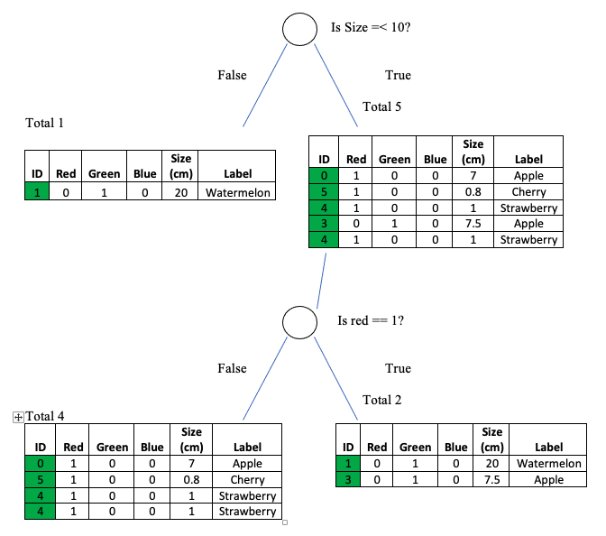
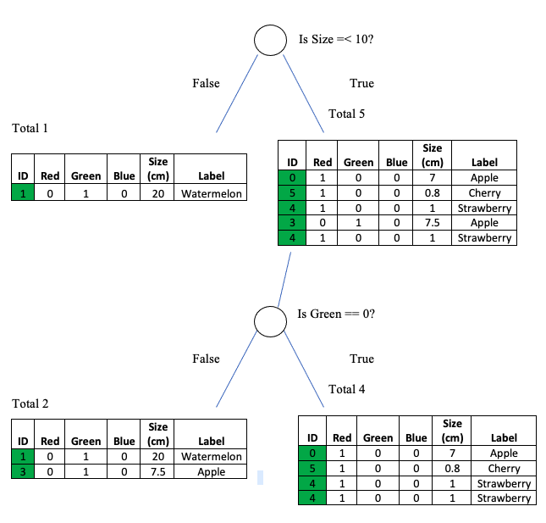

 |  |  |  | Info Gain = 0.73(is Size =< 10?) - 0.56 = 0.17 |  |  |  |  |  |  |  |  |  |  |  | Info Gain = 0.73(is Size =< 10?) - 0.56 = 0.17

 |  | Comparison of Info Gain from 2 conditions
 |  | Red == 1? | Green == 0?
 |  | 0.17 | 0.17
 |  | Taking either "is color yellow?" or "is shape circle?" as 2nd checking condition in decision tree
 |  | I will select "is color yellow?"

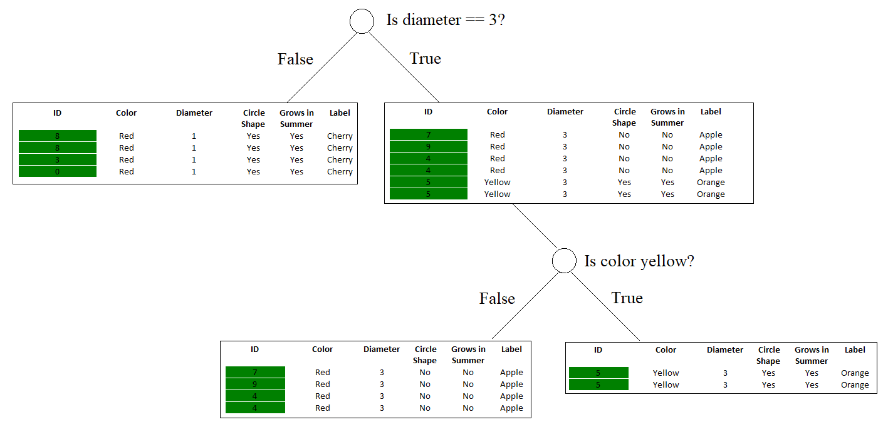

 | Decision Tree 2 for Btstrp2 and 2nd condition list
 |  | ID | Color | Diameter | Circle Shape | Grows in Summer | Label |  |  | ID | Condition List
 |  | 7 | Red | 3 | No | No | Apple |  |  | 0 | Color == Red?
 |  | 8 | Red | 1 | Yes | Yes | Cherry |  |  | 2 | Diameter == 1?
 |  | 8 | Red | 1 | Yes | Yes | Cherry |  |  | 5 | Grows in Summer?
 |  | 6 | Red | 1 | Yes | Yes | Cherry
 |  | 3 | Red | 1 | Yes | Yes | Cherry
 |  | 6 | Red | 1 | Yes | Yes | Cherry
 |  | 6 | Red | 1 | Yes | Yes | Cherry
 |  | 0 | Red | 1 | Yes | Yes | Cherry
 |  | 3 | Red | 1 | Yes | Yes | Cherry
 |  | 5 | Yellow | 3 | Yes | Yes | Orange

 |  | Impurity of root
 |  | imp. = P(A)*(1-P(A)) + P(C)*(1-P(C)) + P(O)*(1-P(O))
 |  | = 1/10*(1-1/10) + 8/10*(1-8/10) + 1/10*(1-1/10)
 |  | = 34/100 = 0.34

 |  | Ave. imp = 10/10 * 0.34 = 0.34

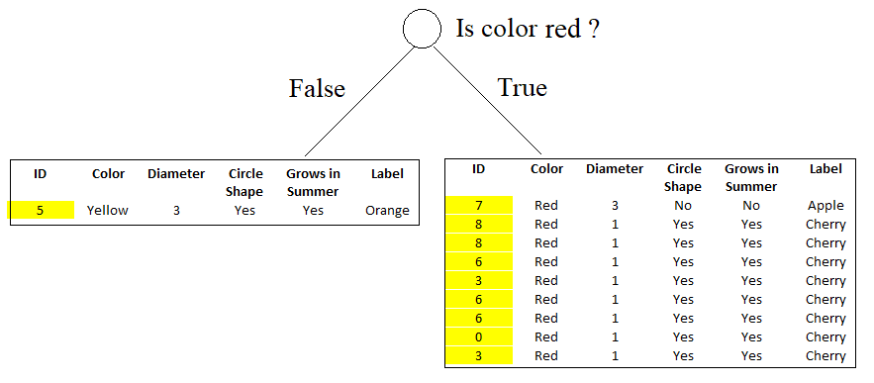

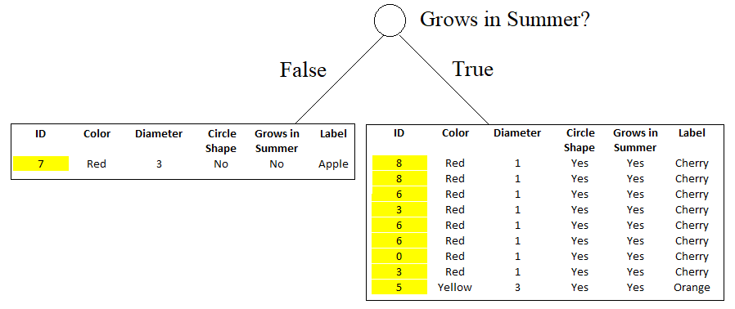

 |  | LHS imp. = 0 |  |  |  | RHS imp. = 1/9*(1-1/9) + 8/9*(1-8/9) |  |  |  |  | LHS imp. = 1/2*(1-1/2) + 1/2*(1-1/2) |  |  |  |  |  | RHS imp. = 0 |  |  |  | LHS imp. = 0 |  | RHS imp. = 8/9*(1-8/9) + 1/9*(1-1/9)
 |  |  |  |  |  | = 16/81 = 0.198 |  |  |  |  | = 0.5 |  |  |  |  |  |  |  |  |  |  |  | = 16/81 = 0.198

 |  | LHS. Ave imp = 1/10 * 0 = 0 |  |  |  | RHS. Ave imp = 9/10 * 0.198 = 0.1782 |  |  |  |  | LHS. Ave imp = 2/10 * 0.5 = 0.1 |  |  |  |  |  | RHS. Ave imp = 8/10 * 0 = 0 |  |  |  | LHS. Ave imp = 1/10 * 0 = 0 |  | RHS. Ave imp = 9/10 * 0.198 = 0.1782

 |  |  |  | Total Ave. imp = 0 + 0.1782 = 0.1782 |  |  |  |  |  |  |  |  | Total Ave. imp = 0.1 + 0 = 0.1 |  |  |  |  |  |  |  |  | Total Ave. imp = 0 + 0.1782 = 0.1782

 |  | Info Gain = 0.34(imp. of root) - 0.1782 = 0.1618 |  |  |  |  |  |  |  |  | Info Gain = 0.34(imp. of root) - 0.1 = 0.24 |  |  |  |  |  |  |  |  |  | Info Gain = 0.34(imp. of root) - 0.1782 = 0.1618

 |  | Comparison of Info Gain from 3 conditions
 |  | Color == Red? | Diameter == 1? | Grows in Summer?
 |  | 0.1618 | 0.24 | 0.1618

 |  | Taking either "is Diameter ==1" will get highest info gain

 |  |  |  |  |  |  |  |  |  |  |  |  |  | ID | Condition List
 |  |  |  |  |  |  |  |  |  |  |  |  |  | 0 | Color == Red?
 |  |  |  |  |  |  |  |  |  |  |  |  |  | 2 | Diameter == 1?
 |  |  |  |  |  |  |  |  |  |  |  |  |  | 5 | Grows in Summer?

 |  | Go to next checking condition

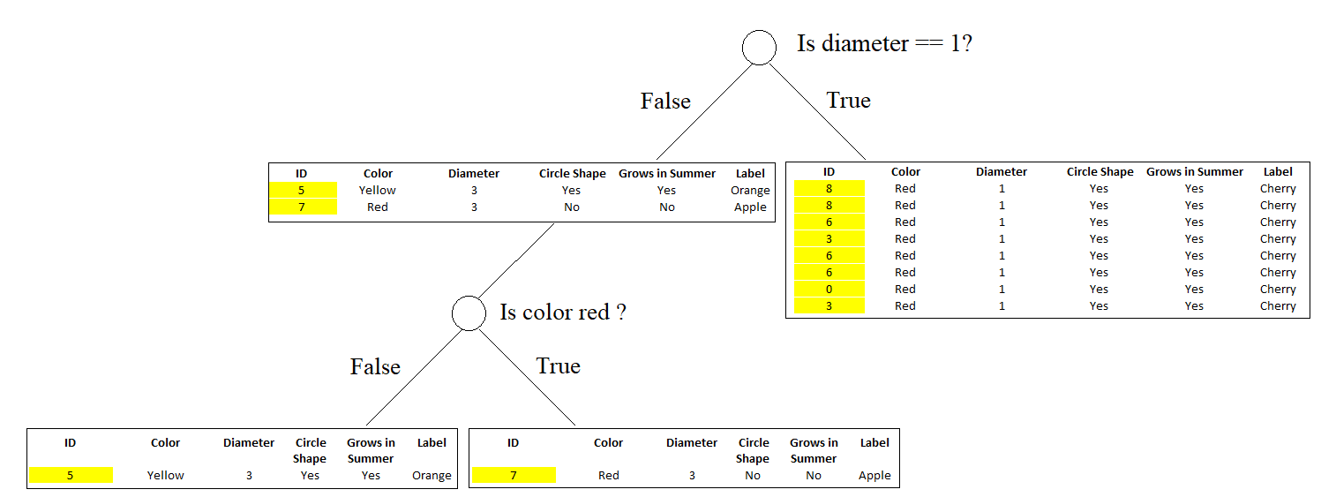
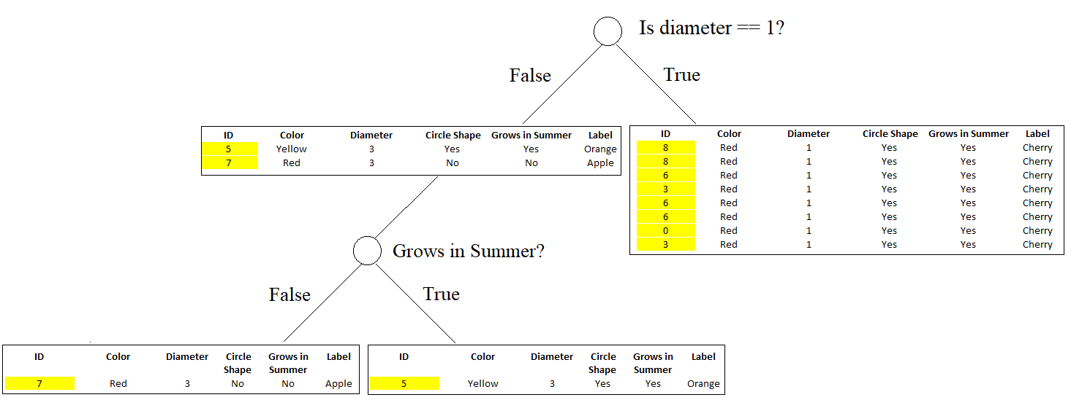

 |  | LHS imp. = 0 |  |  | LHS imp. = 0 |  |  |  |  |  |  |  | LHS imp. = 0 |  |  |  | LHS imp. = 0

 |  | LHS. Ave imp = 4/10 * 0 = 0 |  |  | LHS. Ave imp = 2/10 * 0 = 0 |  |  |  |  |  |  |  | LHS. Ave imp = 1/10 * 0 = 0 |  |  |  | LHS. Ave imp = 1/10 * 0 = 0

 |  |  |  | Total Ave. imp = 0 + 0 = 0 |  |  |  |  |  |  |  |  |  |  | Ave. imp = 0 + 0 = 0

 |  | Info Gain = 0.24(imp. of "Is diameter == 1?") - 0 = 0.24 |  |  |  |  |  |  |  |  |  |  | Info Gain = 0.24(imp. of "Is diameter == 1?") - 0 = 0.24

 |  | Comparison of Info Gain from 2 conditions
 |  | Color == Red? | Grows in Summer?
 |  | 0.24 | 0.24

 |  | Taking either "is color red" or "Grows in Summer?" as 2nd checking condition in decision tree
 |  | I will select "Grows in Summer ?"

 | Decision Tree 3 for Btstrp3 and 3rd condition list
 |  | ID | Color | Diameter | Circle Shape | Grows in Summer | Label |  | ID | Condition List
 |  | 5 | Yellow | 3 | Yes | Yes | Orange |  | 3 | Diameter == 3?
 |  | 0 | Red | 1 | Yes | Yes | Cherry |  | 1 | Color == Yellow?
 |  | 3 | Red | 1 | Yes | Yes | Cherry |  | 5 | Grows in Summer?
 |  | 2 | Red | 3 | No | No | Apple
 |  | 5 | Yellow | 3 | Yes | Yes | Orange
 |  | 5 | Yellow | 3 | Yes | Yes | Orange
 |  | 6 | Red | 1 | Yes | Yes | Cherry
 |  | 5 | Yellow | 3 | Yes | Yes | Orange
 |  | 8 | Red | 1 | Yes | Yes | Cherry
 |  | 9 | Red | 3 | No | No | Apple

 |  | Impurity of root
 |  | imp. = P(A)*(1-P(A)) + P(C)*(1-P(C)) + P(O)*(1-P(O))
 |  | = 2/10*(1-2/10) + 4/10*(1-8/10) + 4/10*(1-4/10)
 |  | = 64/100 = 0.64

 |  | Ave. imp = 10/10 * 0.64 = 0.64

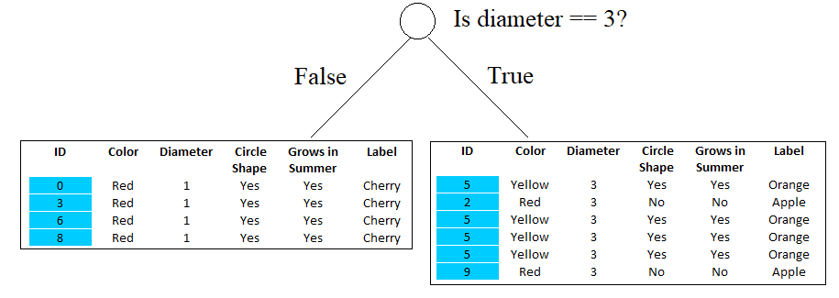
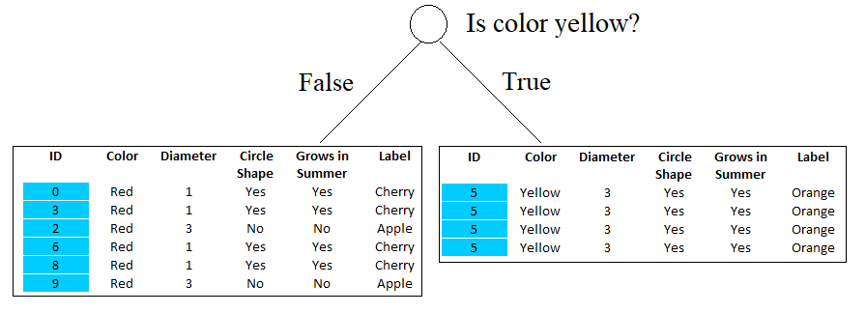
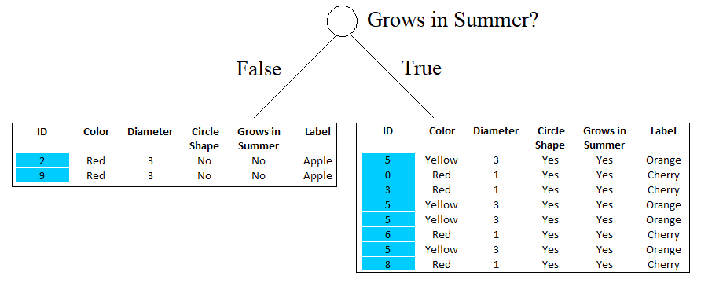

 |  | LHS imp. = 0 |  |  |  | RHS imp. = 2/6*(1-2/6) + 4/6*(1-4/6) |  |  |  | LHS imp. = 2/6*(1-2/6) + 4/6*(1-4/6) |  |  |  |  | RHS imp. = 0 |  |  |  | LHS imp. = 0 |  |  | RHS imp. = 4/8*(1-4/8) + 4/8*(1-4/8)
 |  |  |  |  |  | = 16/36 = 0.4444 |  |  |  | = 16/36 = 0.4444 |  |  |  |  |  |  |  |  |  |  |  | = 0.5

 |  | LHS. Ave imp = 4/10 * 0 = 0 |  |  |  | RHS. Ave imp = 6/10 * 0.4444 = 0.267 |  |  |  | LHS. Ave imp = 6/10 * 0.4444 = 0.267 |  |  |  |  | RHS. Ave imp = 4/10 * 0 = 0 |  |  |  | LHS. Ave imp = 2/10 * 0 = 0 |  |  | RHS. Ave imp = 8/10 * 0.5 = 0.4

 |  |  |  | Ave. imp = 0 + 0.267 = 0.267 |  |  |  |  |  |  |  | Total Ave. imp = 0.267 + 0 = 0.267 |  |  |  |  |  |  |  | Total Ave. imp = 0 + 0.4 = 0.4

 |  | Info Gain = 0.64(imp. of root) - 0.267 = 0.373 |  |  |  |  |  |  |  | Info Gain = 0.64(imp. of root) - 0.267 = 0.373 |  |  |  |  |  |  |  |  | Info Gain = 0.64(imp. of root) - 0.4 = 0.24

 |  | Comparison of Info Gain from 3 conditions
 |  | Diameter == 3? | Color == Yellow? | Grows in Summer?
 |  | 0.373 | 0.373 | 0.24

 |  | Taking either "is diameter ==3?" or "is color yellow?" as 1st checking condition in decision tree
 |  | I will select "is color yellow?"
 |  |  |  |  |  |  |  |  |  | ID | Condition List
 |  |  |  |  |  |  |  |  |  | 3 | Diameter == 3?
 |  |  |  |  |  |  |  |  |  | 1 | Color == Yellow?
 |  |  |  |  |  |  |  |  |  | 5 | Grows in Summer?

 |  | Go to next checking condition

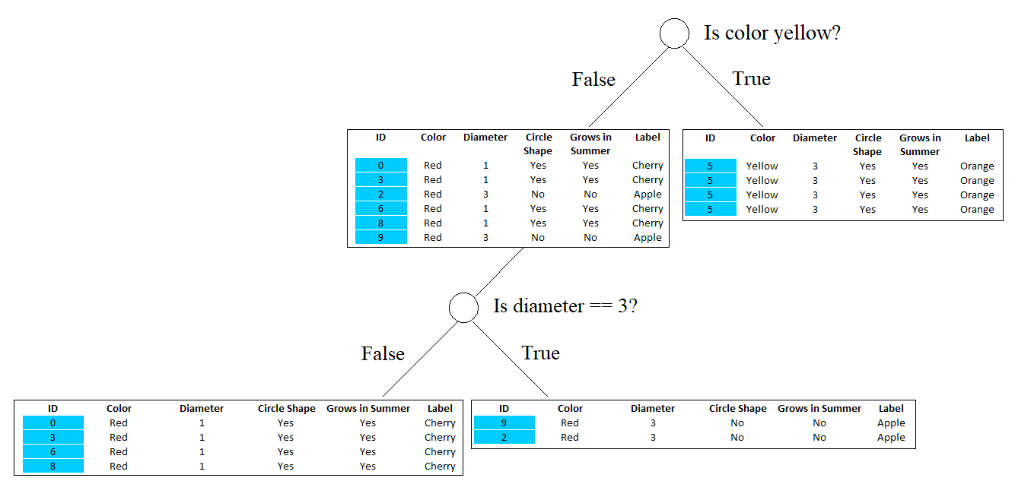
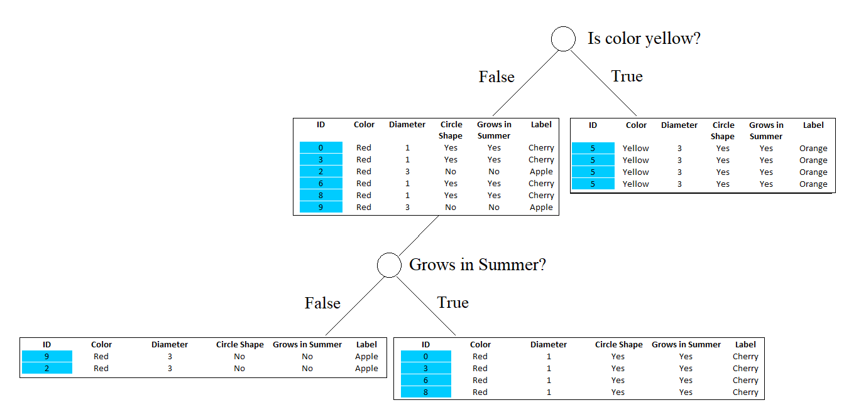

 |  | LHS imp. = 0 |  |  |  | RHS imp. = 0 |  |  |  |  | LHS imp. = 0 |  |  |  |  | RHS imp. = 0

 |  | LHS. Ave imp = 4/10 * 0 = 0 |  |  |  | RHS. Ave imp = 2/10 * 0 = 0 |  |  |  |  | LHS. Ave imp = 4/10 * 0 = 0 |  |  |  |  | RHS. Ave imp = 2/10 * 0 = 0

 |  |  |  | Total Ave. imp = 0 + 0 = 0 |  |  |  |  |  |  |  |  | Total Ave. imp = 0 + 0 = 0

 |  | Info Gain = 0.373(imp. of "is color yellow?") - 0 = 0.373 |  |  |  |  |  |  |  |  | Info Gain = 0.373(imp. of "is color yellow?") - 0 = 0.373

 |  | Comparison of Info Gain from 2 conditions
 |  | Diameter == 3? | Grows in Summer?
 |  | 0.373 | 0.373

 |  | Taking either "is diameter ==3?" or "is color yellow?" as 1st checking condition in decision tree
 |  | I will select "is diameter == 3?"

 | Finally, 3 decision trees are as follows

 |  |  | Decision Tree 1 |  |  |  |  |  |  |  | Decision Tree 2 |  |  |  |  |  |  | Decision Tree 3

Step 4 Preprocess sample values for predicteion

 | Predict
 | Diameter = 3?
 | Color: missing
 | Grows in Summer = Yes
 | Shape = Circle

 | Missing value replacement for the training set

 | Random forests has two ways of replacing missing values. The first way is fast. If the mth variable is not categorical, the method computes the median of all values of this variable in class j, then it uses this value to replace all missing values of the mth variable in class j. If the mth variable is categorical(aka, qualitative), the replacement is the most frequent non-missing value in class j. These replacement values are called fills.
 | The second way of replacing missing values is computationally more expensive but has given better performance than the first, even with large amounts of missing data. It replaces missing values only in the training set. It begins by doing a rough and inaccurate filling in of the missing values. Then it does a forest run and computes proximities.

 | If x(m,n) is a missing continuous value, estimate its fill as an average over the non-missing values of the mth variables weighted by the proximities between the nth case and the non-missing value case. If it is a missing categorical variable, replace it by the most frequent non-missing value where frequency is weighted by proximity.

 | Now iterate-construct a forest again using these newly filled in values, find new fills and iterate again. Our experience is that 4-6 iterations are enough.

 | Missing value replacement for the test set
 | When there is a test set, there are two different methods of replacement depending on whether labels exist for the test set.

 | If they do, then the fills derived from the training set are used as replacements. If labels no not exist, then each case in the test set is replicated nclass times (nclass= number of classes). The first replicate of a case is assumed to be class 1 and the class one fills used to replace missing values. The 2nd replicate is assumed class 2 and the class 2 fills used on it.

 | This augmented test set is run down the tree. In each set of replicates, the one receiving the most votes determines the class of the original case.

 | From above suggestions, for missing categorical(aka, qualitative) value, color, it will be replace by the most frequent non-missing value, which is color = Red

 | Predict
 | Diameter = 3?
 | Color: Red
 | Grows in Summer = Yes
 | Shape = Circle

Step 5 Predict by above 3 decision trees

 |  | Decision Tree 1 |  |  |  |  |  |  |  | Decision Tree 2 |  |  |  |  |  |  | Decision Tree 3

 |  |  |  | Apple |  |  |  | Orange |  |  |  |  |  |  |  |  | Apple

 | Majority of results is Apple, and so predictd label is Apple

 | If the missing value is replaced with Yellow, what will happen from above 3 decision trees?

 | Predict
 | Diameter = 3?
 | Color: Yellow
 | Grows in Summer = Yes
 | Shape = Circle

 |  | Decision Tree 1 |  |  |  |  |  |  | Decision Tree 2 |  |  |  |  |  |  |  | Decision Tree 3

 |  |  |  | Orange |  |  |  | Orange |  |  |  |  |  |  |  |  | Orange

 | So predictd label is Orange

Pros
1 | Decision trees are easy to interpret and visualize.
2 | It can easily capture Non-linear patterns.
3 | It requires fewer data preprocessing from the user, for example, there is no need to normalize columns.
4 | It can be used for feature engineering such as predicting missing values, suitable for variable selection.
5 | The decision tree has no assumptions about distribution because of the non-parametric nature of the algorithm. (Source)
Cons
1 | Sensitive to noisy data. It can overfit noisy data.
2 | The small variation(or variance) in data can result in the different decision tree. This can be reduced by bagging(bootstrap aggregating) and boosting algorithms.
3 | Decision trees are biased with imbalance dataset, so it is recommended that balance out the dataset before creating the decision tree.

