Fx-RDS
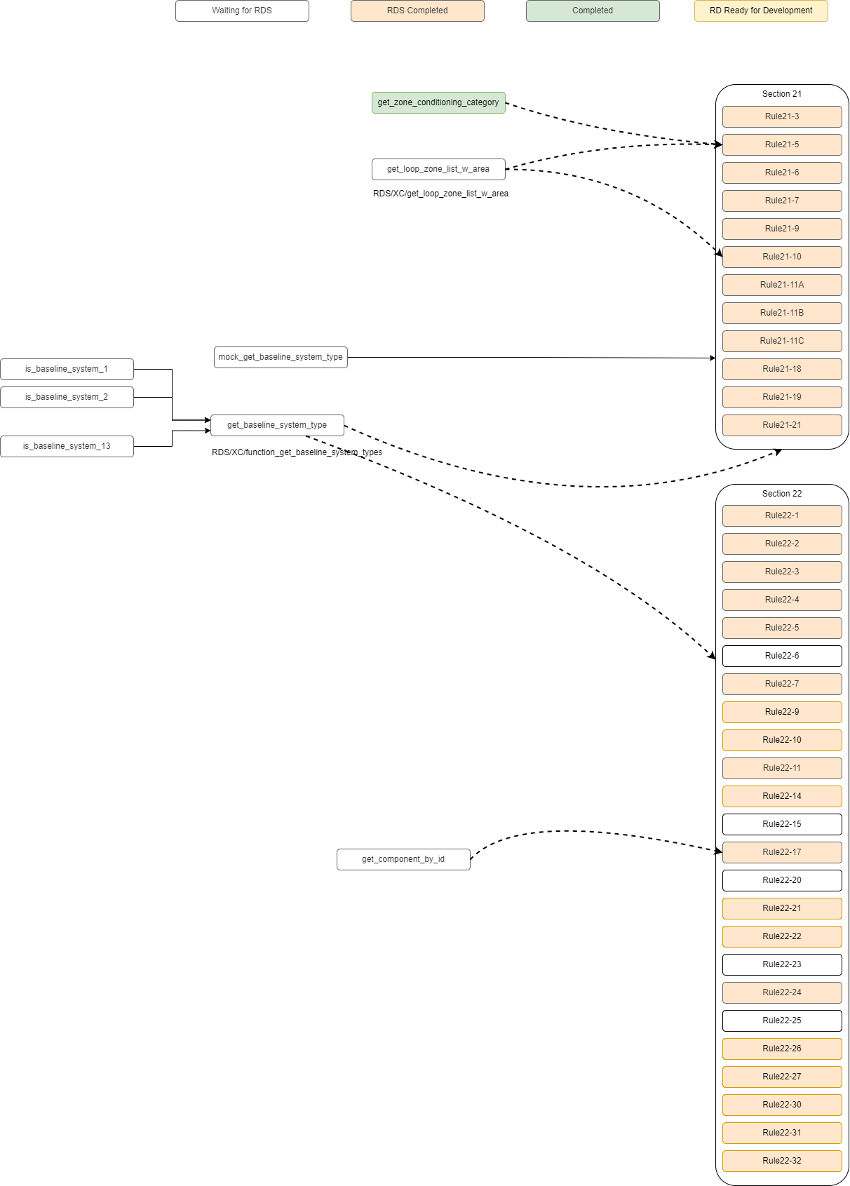
Eventually, Weili should add the updated diagram

 | Add get-primary-secondary loops function | https://github.com/pnnl/ruleset-checking-tool/blob/develop/docs/ruleset_functions/get_primary_secondary_loops.md

