Guidance
RDL Guidance Notes |  |  | This document is a compilation of the RDL's individual csv files, plus guidance and release notes. Both this document and the individual csv files can be downloaded from: | You can find further guidance on how to use the RDL in:
Version | 2.0.0 |  |  | CFIHOS Implementation Guide for Principal (C-GD-001)
Date Issued | 2025-06-20 |  |  | CFIHOS Implementation Guide for Contractor (C-GD-002)
Date updated | 2025-06-20
 |  |  | CFHIOS website | If you have any queries about how to use these files, or want to tell us about possible errors, please contact the RDL team via
 |  |  | CFIHOS Members group in Microsoft Teams
 |  |  |  | responses@jip36-cfihos.org

File Formats |  |  | *There are known issues with the way Excel converts csv files - relevant to both the desktop app and the online version via sharepoint. We recommend you export these files and then view them by importing them into Excel (or any other viewing tool).

All Files are formatted as follows:
Comma Separated Values (CSV)*
UTF-8
" = Text Qualifier

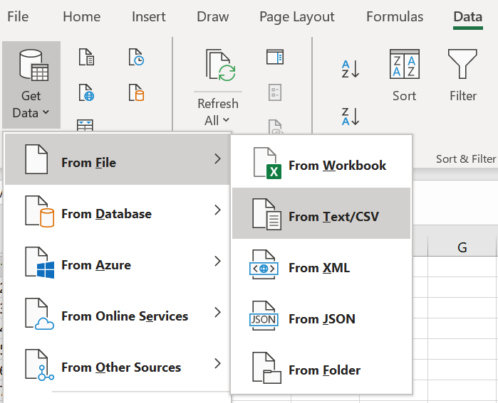
Import
Import
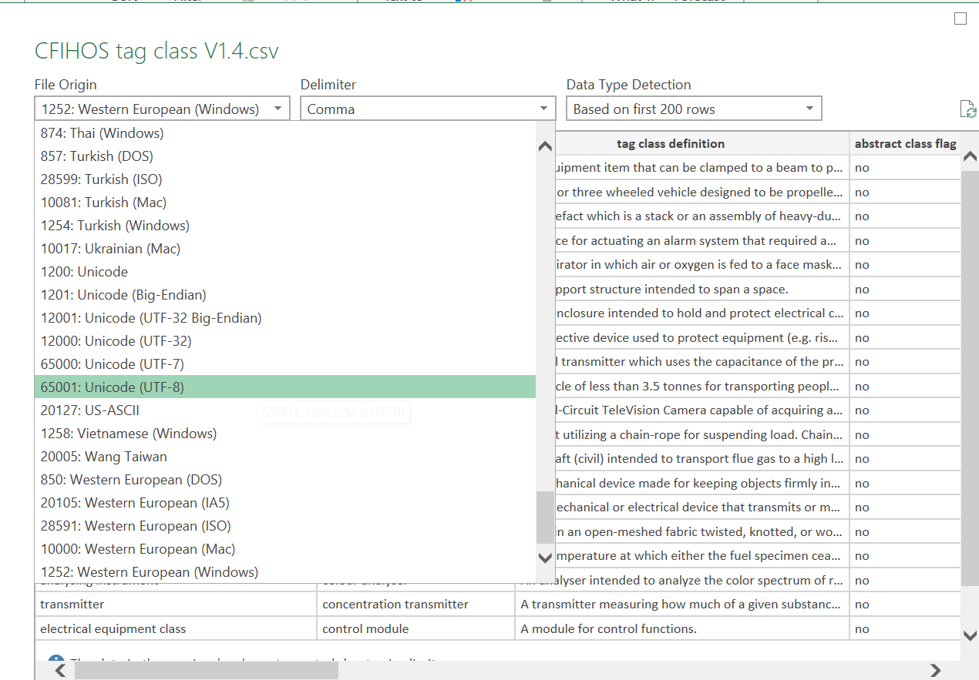
change coding type
change coding type

Tab colours

The colouring used in this file followings the colouring standard in C-DM-001

Grey/no colour = reference/guidance tabs
Blue = Source is CFIHOS RDL
Purple = Views

What is included in the Extended version?

- All entities in the data dictionary will be shown in a seperate table if they have data source marked as 'RDL' and populated with data. - All entities in the data disctionary that have their datasource as 'RDL picklist' will be shown in one table, property picklist. - A table for: - entities, - entity attributes and, - entity attribute relationships - The RDL master object list is a seperate table
All tables will also inlude the following fields: - creation date - modified date - terminated date - feature request number - status

name | Data Source | In extended?
RDL master object |  | Yes
application condition | RDL | Yes
application condition group | RDL | Yes
application condition group member | RDL | Yes
asset type | RDL Pick list | Yes - As a property picklist
CFIHOS object equivalent mapping | RDL | Yes
coding source | RDL Pick list | Yes - As a property picklist
comparison operator | RDL Pick list | Yes - As a property picklist
component role | RDL | No - not populated
data type | RDL Pick list | Yes - As a property picklist
deliverable format | RDL Pick list | Yes - As a property picklist
discipline | RDL | Yes
discipline document type | RDL | Yes
discipline document type handover requirement | RDL | Yes
document and data requirement group | RDL Pick list | Yes - As a property picklist
document and data requirement type | RDL Pick list | Yes - As a property picklist
document format | RDL Pick list | No - not populated
document representation type | RDL Pick list | Yes - As a property picklist
document return status | RDL | Yes
document review type | RDL Pick list | Yes - As a property picklist
document status | RDL Pick list | Yes - As a property picklist (document status code)
document type | RDL | Yes
document type classification | RDL Pick list | Yes - As a property picklist
engineering status | RDL Pick list | Yes - As a property picklist (engineering status code)
entity |  | Yes
entity attribute |  | Yes
entity attribute relationship |  | Yes
equipment class | RDL | Yes
equipment class property | RDL | Yes - Although this is a view, it has been added in order to provide the required granularity with respects to create, modified and terminated dates, status and feature request numbers
event type | RDL Pick list | Yes - As a property picklist
handover event | RDL | Yes
iso country | RDL Pick list | Yes - As a property picklist
iso currency | RDL Pick list | Yes - As a property picklist
iso language | RDL Pick list | Yes - As a property picklist
life cycle activity class | RDL Pick list | Yes - As a property picklist
measurement system | RDL Pick list | Yes - As a property picklist
model part type | RDL Pick list | Yes - As a property picklist
native file delivery timing | RDL | Yes
non abstract tag or equipment class | RDL | No - not populated
process class | RDL | Yes
process class property | RDL | No - not populated
process class tag class relationship | RDL | No - not populated
property | RDL | Yes
property group | RDL | Yes
property group allowed for purpose | RDL | Yes
property grouping or decomposition purpose | RDL | Yes
property picklist | RDL | Yes
property picklist value | RDL | Yes
property picklist value source standard | RDL | No - data is duplicated from property picklist value
property to group assignment | RDL | Yes
requirement standard source | RDL Pick list | Yes - As a property picklist
safety critical item group | RDL Pick list | Yes - As a property picklist
source standard | RDL | Yes
source standard document and data requirement | RDL | Yes
source standard document and data requirement condition | RDL | Yes
storage media | RDL Pick list | Yes - As a property picklist
stream class | RDL | Yes
stream class property | RDL | No - not populated
submission reference date | RDL | Yes
tag class | RDL | Yes
tag class equipment class relationship | RDL | Yes
tag class property | RDL | Yes - Although this is a view, it has been added in order to provide the required granularity with respects to create, modified and terminated dates, status and feature request numbers
tag or equipment class | RDL | Yes
tag or equipment class property | RDL | No - Due to the create, modified and terminated dates, status and feature request numbers being applicable to tag class properties and equipment class properties seperately, combining into one table cannot be achieved as the values in these fields can be different for tag class and equipment class. Therefore, tag class property's and equipment class property's have been added as individual views
tag or equipment class property application condition | RDL | No - not populated
tag or equipment class property source standard | RDL | Yes
tag or equipment class required discipline document type | RDL | No - Terminated
tag or equipment class source standard | RDL | Yes
tag or equipment class synonym | RDL | Yes
tag or equipment class component | RDL | No - not populated
unit of measure | RDL | Yes
unit of measure dimension | RDL Pick list | Yes - As a property picklist
unit of measure dimension application | RDL | Yes
unit of measure synonym | RDL | Yes

