OCP待机控制【导航板给命令】
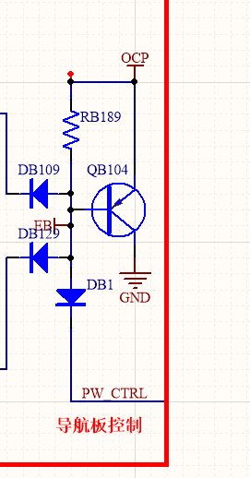
OCP | 状态 | 48V to 12V
L | 保护 | 关闭
H | 正常 | 打开

