Sheet1
smiles | ROMol | inchikey | er. | RT | ΔΔG.expt. | ΔΔminG.expt. | ΔΔmaxG.expt.
O=C(C1=CC=CC=C1)C(OC)OC | 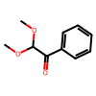 | LNBMZFHIYRDKNS-UHFFFAOYSA-N | 97.5 | 0.59302 | -2.1725653274 | -2.7249979735 | 2.7249979735
O=C(C1=CC=CC=C1)C(OCC)OCC | 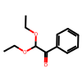 | PIZHFBODNLEQBL-UHFFFAOYSA-N | 98 | 0.59302 | -2.3079272732 | -2.7249979735 | 2.7249979735
O=C(C1=CC=CC=C1)C2OCCCO2 | 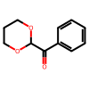 | LDKAEENFFPGIRE-UHFFFAOYSA-N | 96.5 | 0.59302 | -1.9669168992 | -2.7249979735 | 2.7249979735
O=C(C1=CC=CC=C1)C(OC(C)(C)C)OC(C)(C)C | 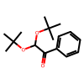 | WAXOZSKNHWRIFW-UHFFFAOYSA-N | 66.5 | 0.59302 | -0.40660802287 | -2.7249979735 | 2.7249979735
O=C(C1=CC=C(C)C=C1)C(OC)OC | 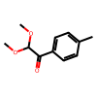 | ZAEOTRADILVZPM-UHFFFAOYSA-N | 99 | 0.59302 | -2.7249979735 | -2.7249979735 | 2.7249979735
O=C(C1=CC=CC=C1Cl)C(OC)OC | 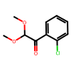 | SWHKUDWCLRCUSW-UHFFFAOYSA-N | 65 | 0.59302 | -0.36710263137 | -2.7249979735 | 2.7249979735
O=C(C1=CC(C=CC=C2)=C2C=C1)C(OC)OC | 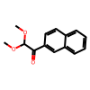 | AKFHCIAFKNZQAF-UHFFFAOYSA-N | 99 | 0.59302 | -2.7249979735 | -2.7249979735 | 2.7249979735
O=C(C1=CC=CO1)C(OC)OC | 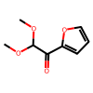 | ZEUBQJIUCPGJHL-UHFFFAOYSA-N | 85.5 | 0.59302 | -1.0522355492 | -2.7249979735 | 2.7249979735
O=C(C)C(OC)OC | 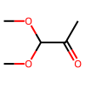 | ULVSHNOGEVXRDR-UHFFFAOYSA-N | 80 | 0.59302 | -0.82210028203 | -2.7249979735 | 2.7249979735
O=C(CCCC)C(OC)OC | 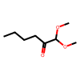 | KNZBHMSRULVCIO-UHFFFAOYSA-N | 71 | 0.59302 | -0.53098064758 | -2.7249979735 | 2.7249979735
O=C(CCCCCC)C(OCC)OCC | 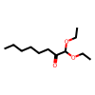 | NSDILWNXOQNGST-UHFFFAOYSA-N | 73.5 | 0.59302 | -0.60496382204 | -2.7249979735 | 2.7249979735
O=C(CCCCCC)C1OCCCO1 | 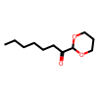 | YVFCHEZEQYUCMW-UHFFFAOYSA-N | 81 | 0.59302 | -0.85988503428 | -2.7249979735 | 2.7249979735
O=C(C1CCCCC1)C(OCC)OCC | 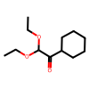 | SUKOVXWDXJIXKO-UHFFFAOYSA-N | 83 | 0.59302 | -0.94030867994 | -2.7249979735 | 2.7249979735
O=C(C1=CC=C(N(S(=O)(C)=O)S(=O)(C)=O)C=C1)C | 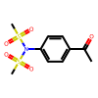 | MKWXGSGTYZTMTL-UHFFFAOYSA-N | 99 | 0.59302 | -2.7249979735 | -2.7249979735 | 2.7249979735
O=C(C1=CC=C(N(S(=O)(C)=O)C(C2=CC=CC=C2)=O)C=C1)C | 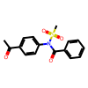 | BGJDWBOANNGWFH-UHFFFAOYSA-N | 92.5 | 0.59302 | -1.4898474811 | -2.7249979735 | 2.7249979735
O=C(C1=CC=C(N(CC2=CC=CC=C2)S(=O)(C)=O)C=C1)C | 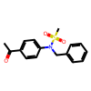 | FZNLBIAMBZNQCD-UHFFFAOYSA-N | 89.5 | 0.59302 | -1.2707608346 | -2.7249979735 | 2.7249979735
O=C(C1=CC=C(N(=O)=O)C=C1)C | 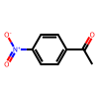 | YQYGPGKTNQNXMH-UHFFFAOYSA-N | 92.5 | 0.59302 | -1.4898474811 | -2.7249979735 | 2.7249979735
O=C(C1=CC=C(C#N)C=C1)C | 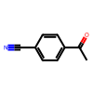 | NLPHXWGWBKZSJC-UHFFFAOYSA-N | 66.5 | 0.59302 | -0.40660802287 | -2.7249979735 | 2.7249979735
O=C(C1=CC=C(F)C=C1)C | 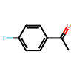 | ZDPAWHACYDRYIW-UHFFFAOYSA-N | 94 | 0.59302 | -1.6317154713 | -2.7249979735 | 2.7249979735
O=C(C1=CC=C(N(S(=O)(C)=O)C(C2=CC=CC=C2)=O)C=C1)CCl | 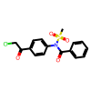 | OQDNSLKRAGUMAH-UHFFFAOYSA-N | 2.5 | 0.59302 | 2.1725653274 | -2.7249979735 | 2.7249979735
O=C(C1=CC=C(NS(=O)(C)=O)C=C1)CCl | 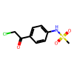 | DRQKKEYKSSAVTO-UHFFFAOYSA-N | 2.5 | 0.59302 | 2.1725653274 | -2.7249979735 | 2.7249979735
O=C(C1=CC=C(F)C=C1)CCl | 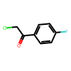 | UJZWJOQRSMOFMA-UHFFFAOYSA-N | 5 | 0.59302 | 1.7461112034 | -2.7249979735 | 2.7249979735
O=C1CCC2=C1N=C(Cl)C=C2 | 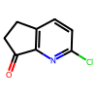 | LFTCYZANBKFQRY-UHFFFAOYSA-N | 96.5 | 0.59302 | -1.9669168992 | -2.7249979735 | 2.7249979735
O=C(OC(C)(C)C)N1CCC(C(=O)C=2SC=3C=CC=CC3C2)CC1 | 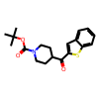 | JZPMYKCRIIKJGT-UHFFFAOYSA-N | 83.5 | 0.54327 | -0.88090483555 | -2.496390761 | 2.496390761
[Si](OC[C@@H](CCC([C@H](/C=C(\C)/I)C)=O)C)(C(C)(C)C)(C)C | 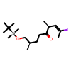 | FNFDEQFHYPDXMX-YICFRCMRSA-N | 99 | 0.59302 | -2.7249979735 | -2.7249979735 | 2.7249979735

