Sheet1
smiles | ROMol | inchikey | ΔΔG.expt.cbs | ΔΔG.expt.dip | ΔΔG.expt.Ru | ΔΔG.pre.cbs | ΔΔG.pre.dip | ΔΔG.pre.RuSS
c1ccccc1C(=O)C | 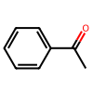 | KWOLFJPFCHCOCG-UHFFFAOYSA-N | [-2.204267981024933] | [-2.136803750966791] | [-2.752430839032114] | [-2.203753529153869] | [-2.069803475406801] | [-2.93307486456427]
c1ccccc1C(=O)CC | 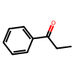 | KRIOVPPHQSLHCZ-UHFFFAOYSA-N | [-2.139409515555565] | [-2.117928070821831] | [-2.752430839032114] | [-1.087556294409555] | [-1.757420782490755] | [-2.845547479783045]
c1ccccc1C(=O)C(C)C | 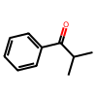 | BSMGLVDZZMBWQB-UHFFFAOYSA-N | [0.2854408837365778] | [-1.453139524998222] | [-2.752430839032114] | [-0.9820711568947553] | [-1.113500279461304] | [-2.156933374924995]
c12ccccc1CCC2(=O) | 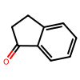 | QNXSIUBBGPHDDE-UHFFFAOYSA-N | [-2.313504990947258] | [-2.136803750966791] | [] | [-1.826058117213205] | [-1.211240366496093] | []
c12ccccc1CCCC2(=O) | 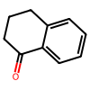 | XHLHPRDBBAGVEG-UHFFFAOYSA-N | [-1.328058043046766] | [-1.332281203281558] | [] | [-2.063706736758607] | [-0.8110723583141763] | []
c1c2ccccc2ccc1C(=O)C | 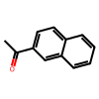 | XSAYZAUNJMRRIR-UHFFFAOYSA-N | [-2.292437828399083] | [-2.26778354843842] | [-2.752430839032114] | [-2.366470818201833] | [-2.117430047399077] | [-2.597790728038712]
c1ncccc1C(=O)C | 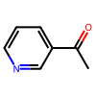 | WEGYGNROSJDEIW-UHFFFAOYSA-N | [-1.292066926579677] | [-1.594774490144373] | [-2.752430839032114] | [-0.8349713233077891] | [-1.344920591149517] | [-1.3526883659778]
s1cccc1C(=O)C | 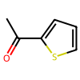 | WYJOVVXUZNRJQY-UHFFFAOYSA-N | [-2.044102454064185] | [-1.525233356759745] | [-2.752430839032114] | [-2.170555806160282] | [-2.005153643496584] | [-2.778665650584761]
CC(C)(C)C(=O)C | 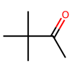 | PJGSXYOJTGTZAV-UHFFFAOYSA-N | [-2.246028558976377] | [-2.172565327387805] | [] | [-1.511323526216977] | [-2.047247935553075] | []
c1ccccc1C#CC(=O)C | 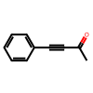 | UPEUQDJSUFHFQP-UHFFFAOYSA-N | [0.8580310015114319] | [0.2104086459133793] | [] | [0.1557554543226105] | [0.02122749835505171] | []
ClCC(=O)c1ccccc1 | 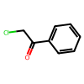 | IMACFCSSMIZSPP-UHFFFAOYSA-N | [2.26208706908768] | [1.920691153523556] | [] | [1.779962024609094] | [1.334661013914161] | []
c1ccccc1C(=O)CCCl | 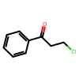 | KTJRGPZVSKWRTJ-UHFFFAOYSA-N | [-1.888460135226811] | [-2.065179567503288] | [] | [-1.631076867119981] | [-2.019324599434428] | []
C1CCCCC1C(=O)C |  | RIFKADJTWUGDOV-UHFFFAOYSA-N | [-1.278251167901181] | [-0.2626596419205717] | [-1.504845945705453] | [-2.011273692868659] | [-1.162968706017828] | [-0.905921336588232]
COc1ccccc1C(=O)C | 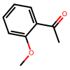 | DWPLEOPKBWNPQV-UHFFFAOYSA-N | [-2.047561172260572] | [-2.065179567503288] | [-1.903622463840115] | [-2.514553452236547] | [-2.045838289664093] | [-1.627543282430237]
COc(c1)cccc1C(=O)C | 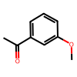 | BAYUSCHCCGXLAY-UHFFFAOYSA-N | [-2.464891741858764] | [-1.808040943597905] | [-2.752430839032114] | [-2.219277318527948] | [-2.144244780398572] | [-3.013191397561541]
COc(cc1)ccc1C(=O)C | 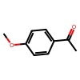 | NTPLXRHDUXRPNE-UHFFFAOYSA-N | [-2.313504990947258] | [-1.315802917695658] | [-2.752430839032114] | [-2.243669375247761] | [-2.19619597571919] | [-2.674518657187278]
c1ccccc1C2(c1ccccc1)C(=O)CCC2 | 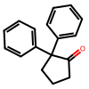 | CBOPQVXWIKRPKD-UHFFFAOYSA-N | [-1.979514389308824] | [-2.269203661219362] | [] | [-1.397285052228052] | [-0.788807058770026] | []
COCC(=O)c1ccccc1 | 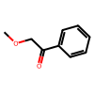 | YRNDGUSDBCARGC-UHFFFAOYSA-N | [2.136112889008813] | [1.990303135492853] | [2.194436790415197] | [3.00129500675854] | [1.32479042366835] | [2.111283418840173]
C(=O)(c1c(Br)cccc1)C | 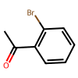 | PIMNFNXBTGPCIL-UHFFFAOYSA-N | [] | [-2.26778354843842] | [-2.331161440365284] | [] | [-1.880737957418336] | [-2.693919266213809]
C(=O)(c1cc(Br)ccc1)C | 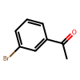 | JYAQYXOVOHJRCS-UHFFFAOYSA-N | [-2.292437828399083] | [] | [-2.752430839032114] | [-2.113674784992912] | [] | [-2.809402547927118]
C(=O)(c1ccc(C)cc1)C | 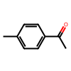 | GNKZMNRKLCTJAY-UHFFFAOYSA-N | [-2.026808863082255] | [] | [-2.752430839032114] | [-2.33554862969443] | [] | [-2.826413302134644]
C(=O)(c1ccc(F)cc1)C | 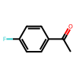 | ZDPAWHACYDRYIW-UHFFFAOYSA-N | [-2.106816252331984] | [] | [-2.506528426687459] | [-2.09234534182431] | [] | [-2.661460582683795]
C(=O)(c1ccc(Br)cc1)C | 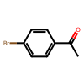 | WYECURVXVYPVAT-UHFFFAOYSA-N | [] | [-2.065179567503288] | [-2.752430839032114] | [] | [-1.967436327412258] | [-2.621904383349337]
C(=O)(C1=NC=CC=C1)C | 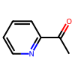 | AJKVQEKCUACUMD-UHFFFAOYSA-N | [-0.5700511506516782] | [] | [-2.331161440365284] | [-2.173962513486877] | [] | [-2.930710585731779]
C(=O)(C1=CC=NC=C1)C | 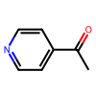 | WMQUKDQWMMOHSA-UHFFFAOYSA-N | [-0.9118210553813246] | [] | [-2.752430839032114] | [-1.32194749734552] | [] | [-2.221785753836356]
C(=O)(/C=C/c1ccccc1)C | 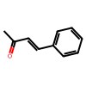 | BWHOZHOGCMHOBV-BQYQJAHWSA-N | [] | [-1.112422729872088] | [-2.506528426687459] | [] | [-0.4964445784038843] | [-2.18618433457459]
C(=O)(c1ccccc1)/C=C/c2ccccc2 | 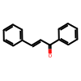 | DQFBYFPFKXHELB-VAWYXSNFSA-N | [0.4261585796060459] | [] | [-0.5363260903453796] | [-1.157138547361852] | [] | [-1.607082824398217]

