Sheet1
smiles | ROMol | inchikey | ΔΔG.expt.cbs | ΔΔG.expt.dip | ΔΔG.expt.Ru | ΔΔG.pre.cbs | ΔΔG.pre.dip | ΔΔG.pre.RuSS
c1ccccc1C(=O)C | 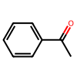 | KWOLFJPFCHCOCG-UHFFFAOYSA-N | [-2.204267981024933] | [-2.136803750966791] | [-2.752430839032114] | [-2.325252591369411] | [-2.032777764780063] | [-2.699356683826178]
c1ccccc1C(=O)CC | 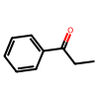 | KRIOVPPHQSLHCZ-UHFFFAOYSA-N | [-2.139409515555565] | [-2.117928070821831] | [-2.752430839032114] | [-1.483556459903236] | [-2.343573105929954] | [-2.983116456256564]
c1ccccc1C(=O)C(C)C | 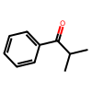 | BSMGLVDZZMBWQB-UHFFFAOYSA-N | [0.2854408837365778] | [-1.453139524998222] | [-2.752430839032114] | [-0.953759038906729] | [-1.133606225555432] | [-2.372150783101412]
c12ccccc1CCC2(=O) | 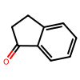 | QNXSIUBBGPHDDE-UHFFFAOYSA-N | [-2.313504990947258] | [-2.136803750966791] | [] | [-1.291913897566761] | [-1.372135690306493] | []
c12ccccc1CCCC2(=O) | 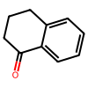 | XHLHPRDBBAGVEG-UHFFFAOYSA-N | [-1.328058043046766] | [-1.332281203281558] | [] | [-2.048310881496945] | [0.06010242776996512] | []
c1c2ccccc2ccc1C(=O)C | 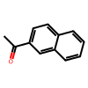 | XSAYZAUNJMRRIR-UHFFFAOYSA-N | [-2.292437828399083] | [-2.26778354843842] | [-2.752430839032114] | [-2.253720689754106] | [-1.389261896902378] | [-2.666360456535585]
c1ncccc1C(=O)C | 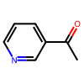 | WEGYGNROSJDEIW-UHFFFAOYSA-N | [-1.292066926579677] | [-1.594774490144373] | [-2.752430839032114] | [-1.323441774450624] | [0.5169763155283397] | [-2.854003527861048]
s1cccc1C(=O)C | 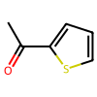 | WYJOVVXUZNRJQY-UHFFFAOYSA-N | [-2.044102454064185] | [-1.525233356759745] | [-2.752430839032114] | [-1.91487765870208] | [-1.223696609179648] | [-2.856142132140456]
CC(C)(C)C(=O)C | 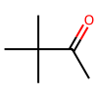 | PJGSXYOJTGTZAV-UHFFFAOYSA-N | [-2.246028558976377] | [-2.172565327387805] | [] | [-1.60111482419779] | [-1.99389456356965] | []
c1ccccc1C#CC(=O)C | 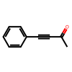 | UPEUQDJSUFHFQP-UHFFFAOYSA-N | [0.8580310015114319] | [0.2104086459133793] | [] | [0.1450529034714121] | [-0.3439912819448033] | []
ClCC(=O)c1ccccc1 | 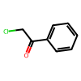 | IMACFCSSMIZSPP-UHFFFAOYSA-N | [2.26208706908768] | [1.920691153523556] | [] | [2.074642235236187] | [0.944704294718254] | []
c1ccccc1C(=O)CCCl | 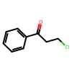 | KTJRGPZVSKWRTJ-UHFFFAOYSA-N | [-1.888460135226811] | [-2.065179567503288] | [] | [-1.700032143571208] | [-2.341145278026894] | []
C1CCCCC1C(=O)C |  | RIFKADJTWUGDOV-UHFFFAOYSA-N | [-1.278251167901181] | [-0.2626596419205717] | [-1.504845945705453] | [-2.03375575548214] | [-0.1911630635601806] | [-0.8825311641365223]
COc1ccccc1C(=O)C | 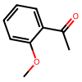 | DWPLEOPKBWNPQV-UHFFFAOYSA-N | [-2.047561172260572] | [-2.065179567503288] | [-1.903622463840115] | [-2.177408949769586] | [-1.517886953030047] | [-1.795816819774872]
COc(c1)cccc1C(=O)C | 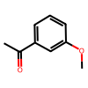 | BAYUSCHCCGXLAY-UHFFFAOYSA-N | [-2.464891741858764] | [-1.808040943597905] | [-2.752430839032114] | [-2.168614073855972] | [-1.795100749307371] | [-2.912283367999163]
COc(cc1)ccc1C(=O)C | 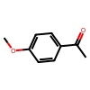 | NTPLXRHDUXRPNE-UHFFFAOYSA-N | [-2.313504990947258] | [-1.315802917695658] | [-2.752430839032114] | [-2.27154494039117] | [-1.554948472796527] | [-2.457091992572042]
c1ccccc1C2(c1ccccc1)C(=O)CCC2 | 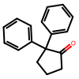 | CBOPQVXWIKRPKD-UHFFFAOYSA-N | [-1.979514389308824] | [-2.269203661219362] | [] | [-1.751768950621963] | [-0.8209866515645987] | []
COCC(=O)c1ccccc1 | 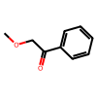 | YRNDGUSDBCARGC-UHFFFAOYSA-N | [2.136112889008813] | [1.990303135492853] | [2.194436790415197] | [2.857337750627712] | [2.972315947671187] | [2.345409537071192]
C(=O)(c1c(Br)cccc1)C | 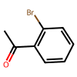 | PIMNFNXBTGPCIL-UHFFFAOYSA-N | [] | [-2.26778354843842] | [-2.331161440365284] | [] | [-2.300400121400307] | [-2.503192786649451]
C(=O)(c1cc(Br)ccc1)C | 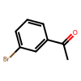 | JYAQYXOVOHJRCS-UHFFFAOYSA-N | [-2.292437828399083] | [] | [-2.752430839032114] | [-2.115321367280909] | [] | [-2.740521202198647]
C(=O)(c1ccc(C)cc1)C | 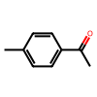 | GNKZMNRKLCTJAY-UHFFFAOYSA-N | [-2.026808863082255] | [] | [-2.752430839032114] | [-2.55695794714874] | [] | [-2.783714510933148]
C(=O)(c1ccc(F)cc1)C | 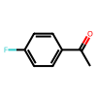 | ZDPAWHACYDRYIW-UHFFFAOYSA-N | [-2.106816252331984] | [] | [-2.506528426687459] | [-2.078744879305718] | [] | [-2.726283886671787]
C(=O)(c1ccc(Br)cc1)C | 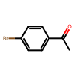 | WYECURVXVYPVAT-UHFFFAOYSA-N | [] | [-2.065179567503288] | [-2.752430839032114] | [] | [-1.6948614411343] | [-2.561996218694499]
C(=O)(C1=NC=CC=C1)C | 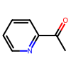 | AJKVQEKCUACUMD-UHFFFAOYSA-N | [-0.5700511506516782] | [] | [-2.331161440365284] | [-2.41708675608868] | [] | [-2.658005899042332]
C(=O)(C1=CC=NC=C1)C | 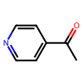 | WMQUKDQWMMOHSA-UHFFFAOYSA-N | [-0.9118210553813246] | [] | [-2.752430839032114] | [-1.540457583313538] | [] | [-2.672443261351688]
C(=O)(/C=C/c1ccccc1)C | 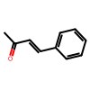 | BWHOZHOGCMHOBV-BQYQJAHWSA-N | [] | [-1.112422729872088] | [-2.506528426687459] | [] | [-1.660363578072807] | [-2.436159250099045]
C(=O)(c1ccccc1)/C=C/c2ccccc2 | 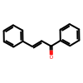 | DQFBYFPFKXHELB-VAWYXSNFSA-N | [0.4261585796060459] | [] | [-0.5363260903453796] | [-0.7803823131899257] | [] | [-1.456032315139359]

