Sheet1
smiles | ROMol | inchikey | ΔΔG.expt.cbs | ΔΔG.expt.dip | ΔΔG.expt.Ru
c1ccccc1C(=O)CC | 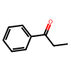 | KRIOVPPHQSLHCZ-UHFFFAOYSA-N | [2.139409515555571] | [-2.117928070821831] | [3.170636656961724]
c1ccccc1C(=O)CCCCCCCCC | 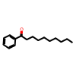 | QQXJNLYVPPBERR-UHFFFAOYSA-N | [2.464891741858761] | [-1.808040943597905] | []
c1ccccc1C(=O)C(C)C | 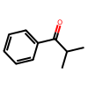 | BSMGLVDZZMBWQB-UHFFFAOYSA-N | [-0.2854408837365779] | [-1.453139524998222] | [3.170636656961724]
c12ccccc1CCC2(=O) | 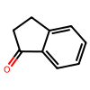 | QNXSIUBBGPHDDE-UHFFFAOYSA-N | [2.313504990947262] | [-2.136803750966791] | []
c12ccccc1CCCC2(=O) | 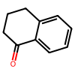 | XHLHPRDBBAGVEG-UHFFFAOYSA-N | [1.328058043046766] | [-1.332281203281558] | []
c1c2ccccc2ccc1C(=O)C | 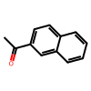 | XSAYZAUNJMRRIR-UHFFFAOYSA-N | [2.292437828399084] | [-2.293347004688449] | [2.752430839032118]
s1cccc1C(=O)C | 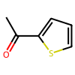 | WYJOVVXUZNRJQY-UHFFFAOYSA-N | [2.044102454064183] | [-1.525233356759745] | [3.170636656961724]
c1ccccc1C(=O)CCCl | 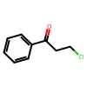 | KTJRGPZVSKWRTJ-UHFFFAOYSA-N | [1.888460135226809] | [-2.065179567503288] | []
C1CCCCC1C(=O)C |  | RIFKADJTWUGDOV-UHFFFAOYSA-N | [1.278251167901181] | [-0.2626596419205717] | [1.504845945705453]
COc1ccccc1C(=O)C | 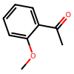 | DWPLEOPKBWNPQV-UHFFFAOYSA-N | [2.047561172260569] | [-2.065179567503288] | [1.903622463840116]
COc(c1)cccc1C(=O)C | 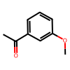 | BAYUSCHCCGXLAY-UHFFFAOYSA-N | [2.464891741858761] | [-1.808040943597905] | [3.170636656961724]
COc(cc1)ccc1C(=O)C | 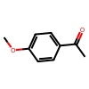 | NTPLXRHDUXRPNE-UHFFFAOYSA-N | [2.66502018010404] | [-1.315802917695658] | [3.58732799910286]
c1ccccc1C2(c1ccccc1)C(=O)CCC2 | 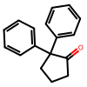 | CBOPQVXWIKRPKD-UHFFFAOYSA-N | [1.979514389308825] | [-2.269203661219362] | []
COCC(=O)c1ccccc1 | 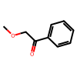 | YRNDGUSDBCARGC-UHFFFAOYSA-N | [-2.136112889008815] | [1.808040943597903] | [-2.194436790415199]
CC(C)(C)C(=O)C | 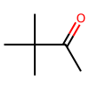 | PJGSXYOJTGTZAV-UHFFFAOYSA-N | [2.24602855897637] | [-1.808040943597905] | []
c1ccccc1C(=O)C | 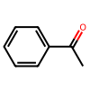 | KWOLFJPFCHCOCG-UHFFFAOYSA-N | [2.204267981024933] | [-2.26778354843842] | [3.170636656961724]
c1ccccc1C#CC(=O)C | 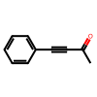 | UPEUQDJSUFHFQP-UHFFFAOYSA-N | [-0.8580310015114321] | [0.2104086459133793] | []
c1ccccc1C#CC(=O)CC | 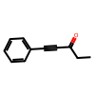 | XAJIQJSLJKBJTP-UHFFFAOYSA-N | [-1.330559931327695] | [0.2839537127928058] | []
c1ccccc1C#CC(=O)C(C)C | 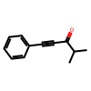 | AOOHPXMHKBITKB-UHFFFAOYSA-N | [-1.680937043443645] | [0.5824968785696466] | []
C(=O)(c1c(Br)cccc1)C | 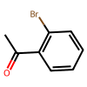 | PIMNFNXBTGPCIL-UHFFFAOYSA-N | [] | [-2.61235179709804] | [2.331161440365284]
C(=O)(c1cc(Br)ccc1)C | 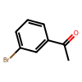 | JYAQYXOVOHJRCS-UHFFFAOYSA-N | [2.292437828399084] | [] | [3.58732799910286]
C(=O)(c1ccc(C)cc1)C | 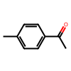 | GNKZMNRKLCTJAY-UHFFFAOYSA-N | [2.026808863082253] | [] | [2.752430839032118]
C(=O)(c1ccc(F)cc1)C | 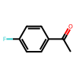 | ZDPAWHACYDRYIW-UHFFFAOYSA-N | [2.106816252331982] | [] | [2.506528426687457]
C(=O)(c1ccc(Br)cc1)C | 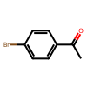 | WYECURVXVYPVAT-UHFFFAOYSA-N | [] | [-2.065179567503288] | [3.58732799910286]
C(=O)(/C=C/c1ccccc1)C | 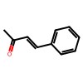 | BWHOZHOGCMHOBV-BQYQJAHWSA-N | [] | [-1.112422729872088] | [2.506528426687457]
C(=O)(c1ccc(C)cc1)c1ccccc1 | 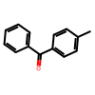 | WXPWZZHELZEVPO-UHFFFAOYSA-N | [-0.2122172924848272] | [] | [0.09604364396853164]
C(=O)(c1ccc(C(F)(F)F)cc1)c1ccccc1 | 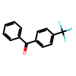 | OHTYZZYAMUVKQS-UHFFFAOYSA-N | [-0.4802164922069799] | [] | [-0.6110540618560099]

