Sheet1
smiles | ROMol | inchikey | er. | RT | ΔΔG.expt.
CCCC([2H])=O | 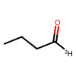 | ZTQSAGDEMFDKMZ-QYKNYGDISA-N | 99.5 | 0.5933185 | -3.1406156786
CC(C)(C)CC([2H])=O | 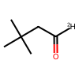 | LTNUSYNQZJZUSY-UICOGKGYSA-N | 99 | 0.5933185 | -2.7263696168
C(=O)(/C=C/C1=CC=CC=C1)[2H] | 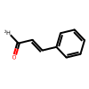 | KJPRLNWUNMBNBZ-NAEVNASTSA-N | 92 | 0.5933185 | -1.4490896795
C(=O)(c1ccccc1)[2H] | 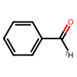 | HUMNYLRZRPPJDN-RAMDWTOOSA-N | 99 | 0.5933185 | -2.7263696168
C(=O)(c1ccc(Cl)cc1)[2H] | 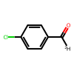 | AVPYQKSLYISFPO-UICOGKGYSA-N | 99.5 | 0.5933185 | -3.1406156786
O=C(c1ccc([N+]([O-])=O)cc1)[2H] | 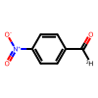 | BXRFQSNOROATLV-UICOGKGYSA-N | 99.5 | 0.5933185 | -3.1406156786
O=C(c1ccc(OC)cc1)[2H] | 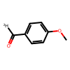 | ZRSNZINYAWTAHE-RAMDWTOOSA-N | 93.5 | 0.5933185 | -1.5818816125
C(=O)(C#CCCCC)c1ccccc1 | 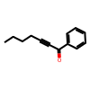 | HSFBJUJAIDNREV-UHFFFAOYSA-N | 94.5 | 0.5933185 | -1.6873098499
C(=O)(C#Cc1ccccc1)C | 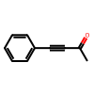 | UPEUQDJSUFHFQP-UHFFFAOYSA-N | 89 | 0.5933185 | -1.2404753715
C(=O)(C#CCCCCCC)CCC | 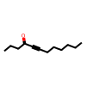 | PMKRXALCEGXVNW-UHFFFAOYSA-N | 88.5 | 0.5933185 | -1.2107586702
C(=O)(C#CCCCC)CCCCC | 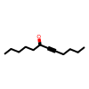 | FDVRWEJPVWVEDC-UHFFFAOYSA-N | 92.5 | 0.5933185 | -1.4905974044
C(=O)(C#C)C | 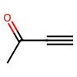 | XRGPFNGLRSIPSA-UHFFFAOYSA-N | 89.5 | 0.5933185 | -1.2714004793
C(=O)(C#C)CCCCC | 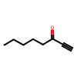 | OIWBNCGEFFHTNG-UHFFFAOYSA-N | 96 | 0.5933185 | -1.8855981315
C(=O)(C#C)C(C)C | 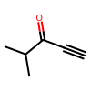 | KLQCAVMGXXCQHN-UHFFFAOYSA-N | 99.5 | 0.5933185 | -3.1406156786
C(=O)(C#CCCCCCCCC)CCC(=O)OC | 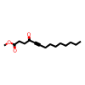 | JRRVWRYHGRGVML-UHFFFAOYSA-N | 99 | 0.5933185 | -2.7263696168
C(=O)(C#CC(=O)OCC)C | 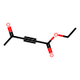 | NGLHQHAKQILQGD-UHFFFAOYSA-N | 88.5 | 0.5933185 | -1.2107586702
C(=O)(C#CC(=O)OCC)CC | 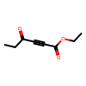 | SBMVKNANFYRAHL-UHFFFAOYSA-N | 98 | 0.5933185 | -2.3090889815
C(=O)(C#CC(=O)OCC)CCCCCC | 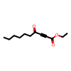 | XPXCYSSTNURNAE-UHFFFAOYSA-N | 96 | 0.5933185 | -1.8855981315
C(=O)(C#CC(=O)OCC)c1ccccc1 | 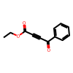 | XGUAEEGZGYIHBV-UHFFFAOYSA-N | 99.5 | 0.5933185 | -3.1406156786
O=C(C#CC(OCC)=O)C/C=C\CCCCC | 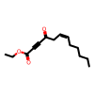 | VKYIEQCHVMUBFP-HJWRWDBZSA-N | 95 | 0.5933185 | -1.7469901185
O=C(C#CC(OCC)=O)/C=C\CCCCC | 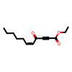 | JBXKQPGXNRAUQL-HJWRWDBZSA-N | 99 | 0.5933185 | -2.7263696168
O=C(C#CC(C)(C)C)C | 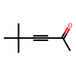 | QKYJXFWNIYQOJZ-UHFFFAOYSA-N | 86.5 | 0.5933185 | -1.1020622533
CCCCCCC(=O)C | 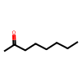 | ZPVFWPFBNIEHGJ-UHFFFAOYSA-N | 73.913043478 | 0.5933185 | -0.61791385083
C(=O)(C(C)C)C | 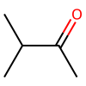 | SYBYTAAJFKOIEJ-UHFFFAOYSA-N | 80.97826087 | 0.5933185 | -0.8594801375
C(=O)(C(C)(C)C)C | 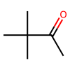 | PJGSXYOJTGTZAV-UHFFFAOYSA-N | 50.325 | 0.5933185 | -0.0077132491295
C(=O)(c1ccccc1)C | 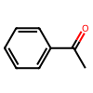 | KWOLFJPFCHCOCG-UHFFFAOYSA-N | 92.391304348 | 0.5933185 | -1.4813626888
C(=O)(C(F)(F)F)c1ccccc1 | 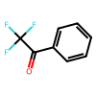 | KZJRKRQSDZGHEC-UHFFFAOYSA-N | 67.5 | 0.5933185 | -0.43364908024
C(=O)(CCl)c1ccccc1 | 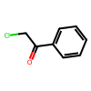 | IMACFCSSMIZSPP-UHFFFAOYSA-N | 98 | 0.5933185 | -2.3090889815
O=C1c2ccccc2CCC1 | 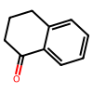 | XHLHPRDBBAGVEG-UHFFFAOYSA-N | 94.5 | 0.5933185 | -1.6873098499
O=C(C(C)=C)C | 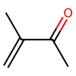 | ZGHFDIIVVIFNPS-UHFFFAOYSA-N | 82.5 | 0.5933185 | -0.91999813084
C(=O)(c1ccccc1)/C(C)=C/C | 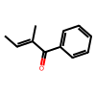 | AXOYGHVXGWFROM-YCRREMRBSA-N | 79 | 0.5933185 | -0.78610275969
C(=O)(CC)C | 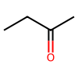 | ZWEHNKRNPOVVGH-UHFFFAOYSA-N | 71.739130435 | 0.5933185 | -0.55271071626
C(=O)(C1=CCCCC1)C | 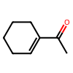 | LTYLUDGDHUEBGX-UHFFFAOYSA-N | 82.065217391 | 0.5933185 | -0.90230232525
C1(=O)C=C(C)CCC1 | 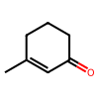 | IITQJMYAYSNIMI-UHFFFAOYSA-N | 55.217391304 | 0.5933185 | -0.12427536465
C(=O)(/C=C/C1=CC=CC=C1)C | 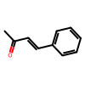 | BWHOZHOGCMHOBV-BQYQJAHWSA-N | 98.369565217 | 0.5933185 | -2.4325374657
C(=O)(CBr)c1ccccc1 | 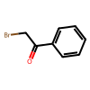 | LIGACIXOYTUXAW-UHFFFAOYSA-N | 3.2608695652 | 0.5933185 | 2.0113640027
C(=O)(CBr)c1ccc(Br)cc1 | 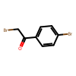 | FKJSFKCZZIXQIP-UHFFFAOYSA-N | 2.1739130435 | 0.5933185 | 2.2585632784
C(=O)(CBr)c1ccc(CN)cc1 | 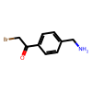 | IXXZOTJGTQSFOS-UHFFFAOYSA-N | 2.1739130435 | 0.5933185 | 2.2585632784
C(=O)(CBr)c1cc2ccccc2cc1 | 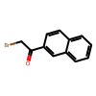 | YHXHHGDUANVQHE-UHFFFAOYSA-N | 4.8913043478 | 0.5933185 | 1.7607090765
C(=O)(CBr)C(C)C | 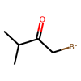 | NNTPEAXKKUPBHQ-UHFFFAOYSA-N | 16.847826087 | 0.5933185 | 0.94720374468
C(=O)(C(=O)OC)C | 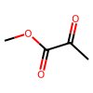 | CWKLZLBVOJRSOM-UHFFFAOYSA-N | 92.934782609 | 0.5933185 | -1.5288122035
C(=O)(C(=O)OCC)C | 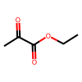 | XXRCUYVCPSWGCC-UHFFFAOYSA-N | 94.565217391 | 0.5435685 | -1.5526872253
C(=O)(C(=O)OC(C)C)C | 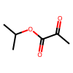 | WUBJISGMPZWFKY-UHFFFAOYSA-N | 89.130434783 | 0.5933185 | -1.2484217202
C(=O)(C(=O)OC(C)(C)C)CC | 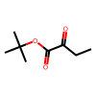 | WQRUFMHFJXVZMZ-UHFFFAOYSA-N | 99.5 | 0.5435685 | -2.8772737636
C(=O)(C(=O)OC)CCC | 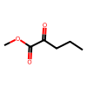 | MBNLVYPIKSWXCT-UHFFFAOYSA-N | 97.826086957 | 0.5933185 | -2.2585632784
C(=O)(C(=O)OCC)CCC | 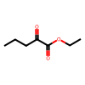 | YERWBBMSDMSDKT-UHFFFAOYSA-N | 97.826086957 | 0.5933185 | -2.2585632784
C(=O)(C(=O)OC(C)(C)C)CCC | 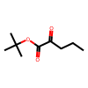 | RKWJIFVZULBMHX-UHFFFAOYSA-N | 99.5 | 0.5435685 | -2.8772737636
C(=O)(C(=O)OC)C(C)C | 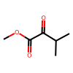 | NKWVBPZZQFOVCE-UHFFFAOYSA-N | 55.434782609 | 0.5933185 | -0.12949387841
C(=O)(C(=O)OCC)CC(C)C | 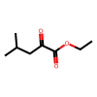 | MGSWAHQQBHNCEI-UHFFFAOYSA-N | 90.760869565 | 0.5933185 | -1.3556025203
C(=O)(C(=O)OC(C)(C)C)CC(C)C | 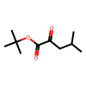 | IPRZICNDWOSMIL-UHFFFAOYSA-N | 99.5 | 0.5435685 | -2.8772737636
C(=O)(C(=O)OC)c1ccccc1 |  | YLHXLHGIAMFFBU-UHFFFAOYSA-N | 95.108695652 | 0.5933185 | -1.7607090765
C(=O)(C(=O)OC(C)C)c1ccccc1 |  | OPFNZXZQKMKHQZ-UHFFFAOYSA-N | 97.826086957 | 0.5933185 | -2.2585632784
C(=O)(C(=O)OC(C)(C)C)c1ccccc1 |  | NWVFCQVKCDNHOO-UHFFFAOYSA-N | 99.5 | 0.5933185 | -3.1406156786

