Sheet1
smiles | ROMol | inchikey | er. | RT | ΔΔG.expt.
c1ccccc1C(=O)C | 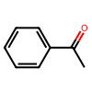 | KWOLFJPFCHCOCG-UHFFFAOYSA-N | 3 | 0.3883485 | 1.349937712
c12ccccc1CCCC2(=O) | 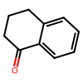 | XHLHPRDBBAGVEG-UHFFFAOYSA-N | 3.5 | 0.3883485 | 1.2880665533
C1CCCCC1C(=O)C |  | RIFKADJTWUGDOV-UHFFFAOYSA-N | 12 | 0.5137185 | 1.0235482356
C1(=O)c2ccccc2CC1 | 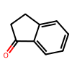 | QNXSIUBBGPHDDE-UHFFFAOYSA-N | 5 | 0.5137185 | 1.5126127757
C1(=O)c2ccccc2CCCC1 | 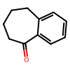 | KWHUHTFXMNQHAA-UHFFFAOYSA-N | 11 | 0.5137185 | 1.0740523802
C(=O)(c1ccc(Br)cc1)CCC(=C(C)O2)N=C2c1ccccc1 | 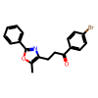 | BNHWVVZKIRGNQP-UHFFFAOYSA-N | 32 | 0.3883485 | 0.2927261488
O=C1CSCC1 | 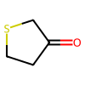 | DSXFPRKPFJRPIB-UHFFFAOYSA-N | 38.5 | 0.5893385 | 0.27603373811
O=C(P(OC(C)C)(OC(C)C)=O)c1ccccc1 | 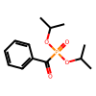 | IAKYKAIUWGTBRK-UHFFFAOYSA-N | 82.5 | 0.5037685 | -0.78114213255
O=C(P(OC(C)C)(OC(C)C)=O)c1c(F)cccc1 | 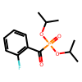 | OJJDEGYWSMAVLJ-UHFFFAOYSA-N | 95.5 | 0.5037685 | -1.5390373769
O=C(P(OC(C)C)(OC(C)C)=O)c1c(Cl)cccc1 | 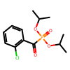 | KWAZQBAWJMJAPF-UHFFFAOYSA-N | 98.5 | 0.5037685 | -2.1080653529
O=C(P(OC(C)C)(OC(C)C)=O)c1c(Br)cccc1 |  | INIHJRLCPJZUQP-UHFFFAOYSA-N | 97.5 | 0.5037685 | -1.8455869551
O=C(P(OC(C)C)(OC(C)C)=O)c1cc(Cl)ccc1 | 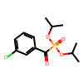 | AWROKASPYUOOHR-UHFFFAOYSA-N | 88.5 | 0.5037685 | -1.0280179686
O=C(P(OC(C)C)(OC(C)C)=O)c1ccc(Cl)cc1 | 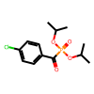 | RGZPPNLITHXYAE-UHFFFAOYSA-N | 85 | 0.5037685 | -0.87383737177
O=C(P(OC(C)C)(OC(C)C)=O)c1c(C)cccc1 | 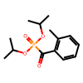 | YLZGFWLJYKTJJL-UHFFFAOYSA-N | 98.5 | 0.5037685 | -2.1080653529
O=C(P(OC(C)C)(OC(C)C)=O)c1c(OC)cccc1 | 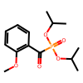 | ICHMLILTDRJFOL-UHFFFAOYSA-N | 75.5 | 0.5037685 | -0.56697106362
O=C(P(OC(C)(C)C)(OC(C)(C)C)=O)c1ccc(C)cc1 | 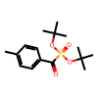 | PIGPKBSCLBYLBF-UHFFFAOYSA-N | 88 | 0.5037685 | -1.0037235554
O=C(P(OC(C)C)(OC(C)C)=O)c1ccc(OC)cc1 | 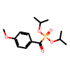 | PTRBGTIRFBUXCB-UHFFFAOYSA-N | 77.5 | 0.5037685 | -0.62304205353
O=C(P(OC(C)C)(OC(C)C)=O)c1c(F)cccc1(F) | 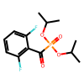 | ITOAERPLHSDPSY-UHFFFAOYSA-N | 99.5 | 0.5037685 | -2.6666002316
O=C(P(OC(C)C)(OC(C)C)=O)c1c(Cl)cc(Cl)cc1 | 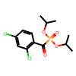 | YYLZLQITBDXLDV-UHFFFAOYSA-N | 97 | 0.5037685 | -1.7511490228
O=C(P(OC(C)(C)C)(OC(C)(C)C)=O)C | 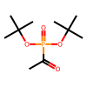 | BJUVNWPHBHJZKY-UHFFFAOYSA-N | 90.5 | 0.5037685 | -1.1355234438
O=C(P(OC(C)(C)C)(OC(C)(C)C)=O)C(C)C | 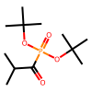 | NWXCTIRKLFMAFG-UHFFFAOYSA-N | 90 | 0.5037685 | -1.1068925295
O=C(P(OC(C)(C)C)(OC(C)(C)C)=O)CC(C)C | 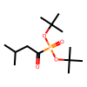 | LYPBIDVUKFRPLQ-UHFFFAOYSA-N | 95 | 0.5037685 | -1.4833156079
O=C(P(OC(C)C)(OC(C)C)=O)CCc1ccccc1 | 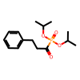 | HVCFOUQAJVTYCY-UHFFFAOYSA-N | 97.5 | 0.5037685 | -1.8455869551
O=C(c1ccccc1)CP(OC(C)C)(OC(C)C)=O | 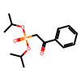 | QNZVJJKTGYVQPS-UHFFFAOYSA-N | 4.5 | 0.5037685 | 1.5390373769
O=C(c1ccccc1)CCP(OC(C)C)(OC(C)C)=O | 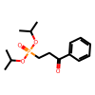 | XITAMWNIMVDQIJ-UHFFFAOYSA-N | 16 | 0.5037685 | 0.83536307081
C(=O)(C(F)(F)F)c1c(C)cc(C)cc1(C) | 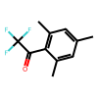 | VINRTVDNUHIWCB-UHFFFAOYSA-N | 0.5 | 0.3883485 | 2.0556469887
C(=O)(c1c(C)cc(C)cc1(C))C | 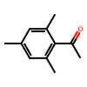 | XWCIICLTKWRWCI-UHFFFAOYSA-N | 0.5 | 0.3883485 | 2.0556469887
C(=O)(c1ccc(O[Si](C(C)C)(C(C)C)C(C)C)cc1)c2ccc([N+]([O-])=O)cc2 | 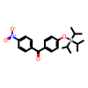 | PGLYPEKLBZCYQP-UHFFFAOYSA-N | 2.5 | 0.3883485 | 1.4227386699
C(=O)(c1ccc(OC)cc1)c2ccc([N+]([O-])=O)cc2 | 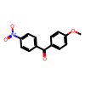 | DXVSAELNVPXMSQ-UHFFFAOYSA-N | 9.5 | 0.5435685 | 1.2252349543
O=C1C2=CC=C(OC)C=C2CCC1 | 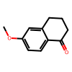 | MNALUTYMBUBKNX-UHFFFAOYSA-N | 0.5 | 0.3883485 | 2.0556469887
O=C1C2=CC=C([N+]([O-])=O)C=C2CCC1 | 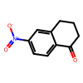 | RKSKZEHRRQUBEJ-UHFFFAOYSA-N | 1 | 0.3883485 | 1.7845079011
O=C(/C=C/c1ccccc1)C | 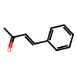 | BWHOZHOGCMHOBV-BQYQJAHWSA-N | 1.5 | 0.3883485 | 1.6250798089
O=C(/C=C/c1ccc(OC)cc1)C | 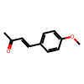 | WRRZKDVBPZBNJN-ONEGZZNKSA-N | 2.5 | 0.3883485 | 1.4227386699
O=C(/C=C/c1ccc([N+]([O-])=O)cc1)C | 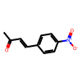 | KMCRQJMZUHNLKJ-NSCUHMNNSA-N | 26 | 0.3883485 | 0.40620031945
C(=O)(C1CC1)C(C)C | 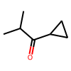 | CKABARUORCUAGG-UHFFFAOYSA-N | 4.5 | 0.3883485 | 1.1864236386
C(=O)(c1ncccc1)c2ccccc2 | 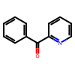 | GCSHUYKULREZSJ-UHFFFAOYSA-N | 50 | 0.4639685 | 0
O=C(c2[n+](C)cccc2)c1ccccc1 | 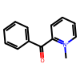 | GWBWHDWSJQOBDH-UHFFFAOYSA-N | 95 | 0.3883485 | -1.1434684609
O=C(c2[n+](CC=C)cccc2)c1ccccc1 | 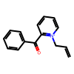 | HZYUXCRZXCYMNC-UHFFFAOYSA-N | 99.5 | 0.4639685 | -2.4559266996
O=C(c2[n+](CC=C)cccc2)c1ccc(Cl)cc1 | 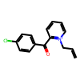 | KOWDJJAUFZCOQY-UHFFFAOYSA-N | 99 | 0.3883485 | -1.7845079011
C(=O)(c1ccncc1)c2ccc(OC)cc2 | 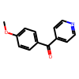 | FGEUIMWNIGSQPB-UHFFFAOYSA-N | 3.5 | 0.3883485 | 1.2880665533
C(=O)(c1c(C)cccc1)c2ccccc2 | 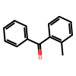 | CKGKXGQVRVAKEA-UHFFFAOYSA-N | 98.5 | 0.4639685 | -1.9415186136
C(=O)(c1c(Br)cccc1)c2ccccc2 |  | ABEVIHIQUUXDMS-UHFFFAOYSA-N | 98.5 | 0.4639685 | -1.9415186136
O=C(c2c3=CC=CC=c3ccc2)c1ccccc1 | 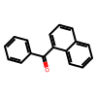 | CXAYOCVHDCXPAI-UHFFFAOYSA-N | 98.5 | 0.3883485 | -1.6250798089
O=C(/C=C/S(=O)(C1=CC=C(C)C=C1)=O)CCCCC | 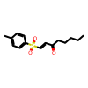 | IGVOVBRGRSNSOT-VAWYXSNFSA-N | 4.5 | 0.3883485 | 1.1864236386
O=C1C(C)=CCCC1 | 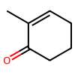 | LKTNAAYQZJAXCJ-UHFFFAOYSA-N | 3.5 | 0.3883485 | 1.2880665533
O=C(C1=CCCCC1)C | 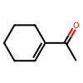 | LTYLUDGDHUEBGX-UHFFFAOYSA-N | 9.5 | 0.3883485 | 0.87536006345
O=C(C(F)(F)F)c1ccccc1 | 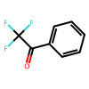 | KZJRKRQSDZGHEC-UHFFFAOYSA-N | 5 | 0.3883485 | 1.1434684609
O=C(C(F)(F)F)c1c2c(cccc2)cc3ccccc31 | 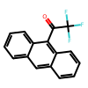 | MNCMBBIFTVWHIP-UHFFFAOYSA-N | 3 | 0.3883485 | 1.349937712
O=C1C(CO[Si](C)(C)C(C)(C)C)=CC2(OCCO2)CC1 | 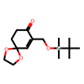 | SFRIKEKDAZRFCA-UHFFFAOYSA-N | 4 | 0.6171985 | 1.961490057
O=C(/C=C/[Si](C)(C)C)CCCC(=O)OC | 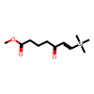 | LFNMSXWYDIUBCL-CMDGGOBGSA-N | 4.5 | 0.3883485 | 1.1864236386
C(=O)(/C([Sn](CCCC)(CCCC)CCCC)=C/CCCCCC)C | 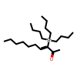 | RURZOBYETZECCA-UHFFFAOYSA-N | 3 | 0.3883485 | 1.349937712
O=C(C(OCC)OCC)/C=C/[C@@H](O[Si](C1=CC=CC=C1)(C2=CC=CC=C2)C(C)(C)C)C | 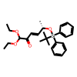 | VUZPLFPPKPJIBW-CGLJGAHCSA-N | 92.5 | 0.5893385 | -1.480598428
C(=O)(C#C[Si](C(C)C)(C(C)C)C(C)C)C(C)C | 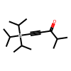 | NVHMRUAHDYWCER-UHFFFAOYSA-N | 5 | 0.3883485 | 1.1434684609
C(=O)(C#C[Si](C(C)C)(C(C)C)C(C)C)C1CCCC1 |  | ZIYSZFYWPCGPSV-UHFFFAOYSA-N | 4 | 0.3883485 | 1.2341924379
C(=O)(CBr)C(C)(C)C |  | SAIRZMWXVJEBMO-UHFFFAOYSA-N | 98.5 | 0.5893385 | -2.4661408424
O=C(C(Cl)(Cl)Cl)c1ccccc1 |  | OAMHTTBNEJBIKA-UHFFFAOYSA-N | 2 | 0.4977985 | 1.9373423067
O=C(C(Br)(Br)Br)c1ccccc1 |  | WHTZQYDVDPHTAM-UHFFFAOYSA-N | 1 | 0.4977985 | 2.2874437687
O=C(C(Cl)(Cl)Cl)C(C)(C)C |  | RLGGOWVSISCWMB-UHFFFAOYSA-N | 1 | 0.5037685 | 2.3148766342
O=C(C(Cl)(Cl)Cl)C12CC3CC(C1)CC(C3)C2 |  | SZPZGQFOJWCDTJ-UHFFFAOYSA-N | 1 | 0.5037685 | 2.3148766342
O=C(C(Cl)(Cl)Cl)C1CCCCC1 |  | XKBSGVFPWKPPPA-UHFFFAOYSA-N | 4 | 0.5037685 | 1.601003411
O=C(C(Cl)(Cl)Cl)CCCCC |  | LCESNDDLWJYKTM-UHFFFAOYSA-N | 2.5 | 0.4241685 | 1.5539674481
O=C(C(Cl)(Cl)Cl)CCc1ccccc1 |  | OJJORKKLZDKAIR-UHFFFAOYSA-N | 2.5 | 0.3883485 | 1.4227386699
O=C(C(Cl)(Cl)Cl)CC(C)(C)C |  | XUZRXIKQONRTID-UHFFFAOYSA-N | 35 | 0.5037685 | 0.31185245346
O=C(C(Cl)(Cl)Cl)Cc1ccc(c2ccccc2)cc1 |  | GVVKCHWKIDGXDH-UHFFFAOYSA-N | 2 | 0.4560085 | 1.7747031364
O=C(C(Cl)(Cl)Cl)CC1=CC=C(C=CC=C2)C2=C1 |  | KJTHAXFHPJCCLF-UHFFFAOYSA-N | 3.5 | 0.4977985 | 1.6510881287
O=C(C1=CC=CC2=C1C=C(C=CC=C3)C3=C2)C(C)(C)C |  | VOPABCOGHFNZKP-UHFFFAOYSA-N | 92 | 0.5893385 | -1.4393691383
O=C(C(Cl)(Cl)Cl)CCCCCCCCC |  | XBCQLYLCTKLFHZ-UHFFFAOYSA-N | 2 | 0.3883485 | 1.511382575
O=C(C(Cl)(Cl)Cl)CCCCCCCCC#CCC |  | LFZCYASZGGLFQJ-UHFFFAOYSA-N | 3 | 0.3883485 | 1.349937712
O=C(C(Cl)(Cl)Cl)CCCCCCC#CCCCC |  | BNYNFJUOWGTRMG-UHFFFAOYSA-N | 3 | 0.3883485 | 1.349937712
O=C1C(C=CS2)=C2S(CC1)(=O)=O |  | QFQIXUPQDKOJMH-UHFFFAOYSA-N | 7 | 0.5137185 | 1.3288301698
O=C1CSCC(C#C[Si](C)(C)C)=C1(C) |  | ZQASLDBBPNFXSH-UHFFFAOYSA-N | 7.5 | 0.3883485 | 0.97565012061
O=C(C#C[Si](C(C)C)(C(C)C)C(C)C)[C@@H](C)CC#CCC |  | PGQZQYZADWNUFV-SFHVURJKSA-N | 1.5 | 0.4241685 | 1.7749718742
O=C(c4cccc5c4OC6(CCCCC6)O5)C12CC3CC(CC(C2)C3)C1 |  | GQXAVLLUUYRNQI-UHFFFAOYSA-N | 89.1 | 0.5933185 | -1.2465601187
O=C(CBr)C12CC3CC(CC(C2)C3)C1 |  | KWCDIRFSULAMOC-UHFFFAOYSA-N | 85.5 | 0.5933185 | -1.0527651979
O=C(CCl)C12CC3CC(CC(C2)C3)C1 |  | LOCZPXWXTBYAPF-UHFFFAOYSA-N | 94.7 | 0.5933185 | -1.7105414953
C2(=O)c1ccc(OC)c(OC)c1CCC2 |  | JBHSDODMGMJWSE-UHFFFAOYSA-N | 3 | 0.5933185 | 2.0624336605
O=C(/C=C/CCN(Cc1ccccc1)C(=O)OC(C)(C)C)C |  | WZKYHMLYRCUVKI-CSKARUKUSA-N | 3.5 | 0.3883485 | 1.2880665533

