Sheet1
smiles | ROMol | inchikey | er. | RT | ΔΔG.expt.
O=C(C=C)CCCC(OC)=O | 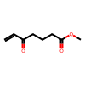 | ONGNQDROOOWKJT-UHFFFAOYSA-N | 12 | 0.3883485 | 0.77375726581
O=C(/C=C/[Sn](C)(C)C)CCCC(=O)OC | 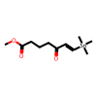 | VKGNJJGQTYDPCX-UHFFFAOYSA-N | 5 | 0.3883485 | 1.1434684609
O=C(/C=C/[Si](C)(C)C)CCCC(=O)OC |  | LFNMSXWYDIUBCL-CMDGGOBGSA-N | 3 | 0.3883485 | 1.349937712
C(=O)(C#C[Si](C(C)C)(C(C)C)C(C)C)CCCCC | 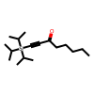 | GXFLIADQFHSCPQ-UHFFFAOYSA-N | 1.5 | 0.3883485 | 1.6250798089
C(=O)(C#C[Si](C(C)C)(C(C)C)C(C)C)C | 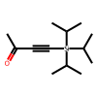 | NPYFEONCKNXUGE-UHFFFAOYSA-N | 2.5 | 0.3883485 | 1.4227386699
C(=O)(C#C[Si](C(C)C)(C(C)C)C(C)C)CCC(=O)OCC | 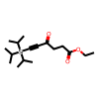 | PWOZNWOLXSUJTH-UHFFFAOYSA-N | 5 | 0.3883485 | 1.1434684609
C(=O)(C#C[Si](C(C)C)(C(C)C)C(C)C)CCl | 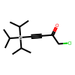 | DCVGVGJSPCZIOH-UHFFFAOYSA-N | 2.5 | 0.3883485 | 1.4227386699
C(=O)(C#CCCCCC)C | 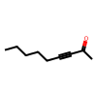 | QILUOILLAOSUHU-UHFFFAOYSA-N | 16 | 0.3883485 | 0.64397038621
C(=O)(C#Cc1ccccc1)C | 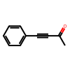 | UPEUQDJSUFHFQP-UHFFFAOYSA-N | 6.5 | 0.3883485 | 1.0353989491
C(=O)(C#C[Si](C)(C)C)C | 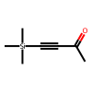 | NQEZDDPEJMKMOS-UHFFFAOYSA-N | 6.5 | 0.3883485 | 1.0353989491
C(=O)(C#C[Si](C)(C)C)CCCCC | 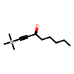 | SILZHECSIABSTL-UHFFFAOYSA-N | 4 | 0.3883485 | 1.2341924379
C(=O)(C#C[Si](C)(C)C)CCC(=O)OCC | 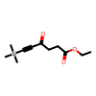 | KQKYSXDRQXTKTC-UHFFFAOYSA-N | 8.5 | 0.3883485 | 0.92282198088
C(=O)(C#C[Si](C(C)C)(C(C)C)C(C)C)C1CCCC1 | 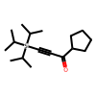 | ZIYSZFYWPCGPSV-UHFFFAOYSA-N | 1.5 | 0.3883485 | 1.6250798089
O=C(C#C[Si](C(C)C)(C(C)C)C(C)C)C(C)C | 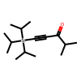 | NVHMRUAHDYWCER-UHFFFAOYSA-N | 14 | 0.3883485 | 0.70496513561

