Sheet1
smiles | ROMol | inchikey | er. | RT | ΔΔG.expt.
O=C(C=C)CCCC(OC)=O | 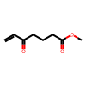 | ONGNQDROOOWKJT-UHFFFAOYSA-N | 12 | -0.15522 | -0.30926501016
O=C(/C=C/[Sn](C)(C)C)CCCC(=O)OC | 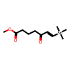 | VKGNJJGQTYDPCX-UHFFFAOYSA-N | 5 | -0.15522 | -0.45703581835
O=C(/C=C/[Si](C)(C)C)CCCC(=O)OC |  | LFNMSXWYDIUBCL-CMDGGOBGSA-N | 3 | -0.15522 | -0.53956003864
C(=O)(C#C[Si](C(C)C)(C(C)C)C(C)C)CCCCC | 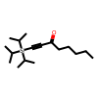 | GXFLIADQFHSCPQ-UHFFFAOYSA-N | 1.5 | -0.15522 | -0.64953228333
C(=O)(C#C[Si](C(C)C)(C(C)C)C(C)C)C | 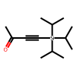 | NPYFEONCKNXUGE-UHFFFAOYSA-N | 2.5 | -0.15522 | -0.56865803871
C(=O)(C#C[Si](C(C)C)(C(C)C)C(C)C)CCC(=O)OCC | 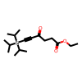 | PWOZNWOLXSUJTH-UHFFFAOYSA-N | 5 | -0.15522 | -0.45703581835
C(=O)(C#C[Si](C(C)C)(C(C)C)C(C)C)CCl | 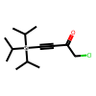 | DCVGVGJSPCZIOH-UHFFFAOYSA-N | 2.5 | -0.15522 | -0.56865803871
C(=O)(C#CCCCCC)C | 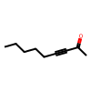 | QILUOILLAOSUHU-UHFFFAOYSA-N | 16 | -0.15522 | -0.25739016205
C(=O)(C#Cc1ccccc1)C | 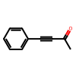 | UPEUQDJSUFHFQP-UHFFFAOYSA-N | 6.5 | -0.15522 | -0.41384124024
C(=O)(C#C[Si](C)(C)C)C | 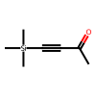 | NQEZDDPEJMKMOS-UHFFFAOYSA-N | 6.5 | -0.15522 | -0.41384124024
C(=O)(C#C[Si](C)(C)C)CCCCC | 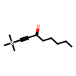 | SILZHECSIABSTL-UHFFFAOYSA-N | 4 | -0.15522 | -0.49329751555
C(=O)(C#C[Si](C)(C)C)CCC(=O)OCC | 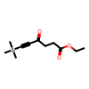 | KQKYSXDRQXTKTC-UHFFFAOYSA-N | 8.5 | -0.15522 | -0.36884506538
C(=O)(C#C[Si](C(C)C)(C(C)C)C(C)C)C1CCCC1 | 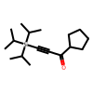 | ZIYSZFYWPCGPSV-UHFFFAOYSA-N | 1.5 | -0.15522 | -0.64953228333
O=C(C#C[Si](C(C)C)(C(C)C)C(C)C)C(C)C | 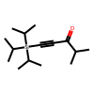 | NVHMRUAHDYWCER-UHFFFAOYSA-N | 14 | -0.15522 | -0.28176930862

