Sheet1
smiles | ROMol | InChIKey | er. | RT | ΔΔG.expt.
c1ccccc1C(=O)C | 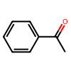 | KWOLFJPFCHCOCG-UHFFFAOYSA-N | 1.5 | 0.5933185 | 2.4827955163
c1ccccc1C(=O)CC | 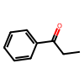 | KRIOVPPHQSLHCZ-UHFFFAOYSA-N | 5 | 0.5933185 | 1.7469901185
ClCC(=O)c1ccccc1 | 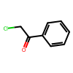 | IMACFCSSMIZSPP-UHFFFAOYSA-N | 98.5 | 0.5933185 | -2.4827955163
CC(C)(C)C(=O)C | 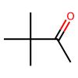 | PJGSXYOJTGTZAV-UHFFFAOYSA-N | 4 | 0.5236685 | 1.6642466823
c12ccccc1CCC2(=O) | 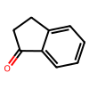 | QNXSIUBBGPHDDE-UHFFFAOYSA-N | 5.5 | 0.5933185 | 1.6873098499
O=C1N(Cc3ccccc3)[13C](=O)C2CCCCC21 | 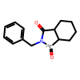 | KCSZGLKFTDCMAL-UJKGMGNHSA-N | 10 | 0.5435685 | 1.1943420677
O=C1N(Cc3ccccc3)[13C](=O)C2CCCC21 | 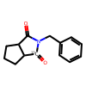 | MIVQUQMOPVQLCZ-KCKQSJSWSA-N | 11.5 | 0.5435685 | 1.1092360582
O=C1N(Cc3ccccc3)[13C](=O)C2CCC21 | 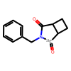 | DQHNPZDPPJCZJN-HNHCFKFXSA-N | 5.5 | 0.5435685 | 1.5458282258
O=C1N(Cc3ccccc3)[13C](=O)C2CC21 | 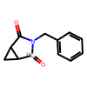 | JEISWFNRNZRSHM-KHWBWMQUSA-N | 6 | 0.5435685 | 1.4956479228
O=C1N(Cc3ccccc3)[13C](=O)C(OC(=O)C)C1(OC(=O)C) | 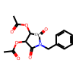 | MGGABTRPYQRCJY-UJKGMGNHSA-N | 93.5 | 0.5435685 | -1.4492401894
O=C1N(Cc3ccccc3)[13C](=O)C2C(CC3)OC3C21 | 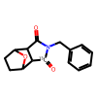 | YFPFCGVFKLMZHJ-UJKGMGNHSA-N | 12 | 0.5435685 | 1.083022276
O=C1N(Cc3ccccc3)[13C](=O)C(C2)CCC12 | 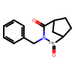 | CNUFKAMVZBEBEH-KCKQSJSWSA-N | 16 | 0.5435685 | 0.90136054826
O=C1N(C3CCCCC3)[13C](=O)C2CCCCC21 | 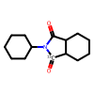 | YPXBAEVNAPKDJC-KCKQSJSWSA-N | 3 | 0.5435685 | 1.8894977507
O=C1N(CCC#N)[13C](=O)C2CCCCC21 | 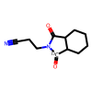 | XNMPLBFMFBFORN-DETAZLGJSA-N | 5 | 0.5435685 | 1.6005042792
O=C1C(CC=CC2)(CO[C@H]3C[C@@H](C)CC[C@@H]3C(C)C)C2(CO[C@H]4C[C@@H](C)CC[C@@H]4C(C)C)C(C(C)(C)C)=C1 | 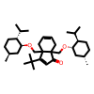 | UXNIHNTXTARJAG-ZOWOUBCPSA-N | 9.0909090909 | 0.5893385 | 1.3570020448
C1(=O)C(CC=C)=CCCC1 | 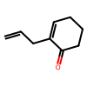 | HXNNMNZRVREEDV-UHFFFAOYSA-N | 98 | 0.5893385 | -2.2935995368
O=C(C2=CC=CC=C2)/C=C/C1=CC=CC=C1 | 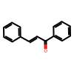 | DQFBYFPFKXHELB-VAWYXSNFSA-N | 67.5 | 0.5893385 | -0.43074014795
O=C(c2ccc(C(F)(F)F)cc2)c1ccccc1 | 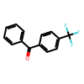 | OHTYZZYAMUVKQS-UHFFFAOYSA-N | 69.5 | 0.5893385 | -0.48537922924
O=C(Cc1ccccc1)C | 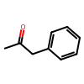 | QCCDLTOVEPVEJK-UHFFFAOYSA-N | 34.5 | 0.5893385 | 0.3778195014
O=C(COC)c1ccccc1 | 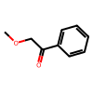 | YRNDGUSDBCARGC-UHFFFAOYSA-N | 97.5 | 0.5893385 | -2.1590779252
O=C(c1ccccc1)C(C)C | 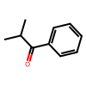 | BSMGLVDZZMBWQB-UHFFFAOYSA-N | 62 | 0.5893385 | -0.28850961679
O=C(c1ccccc1)CCCl | 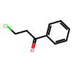 | KTJRGPZVSKWRTJ-UHFFFAOYSA-N | 5 | 0.5893385 | 1.7352712513
O=C(c2ccc(C)cc2)c1ccccc1 | 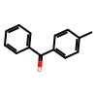 | WXPWZZHELZEVPO-UHFFFAOYSA-N | 59 | 0.5893385 | -0.21449880945
O=C(C2=CC=CC=C2)/C=C/C | 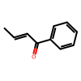 | FUJZJBCWPIOHHN-QHHAFSJGSA-N | 14.5 | 0.5893385 | 1.0457032144
O=C1Cc2ccccc2CC1 | 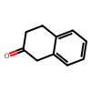 | KCKZIWSINLBROE-UHFFFAOYSA-N | 52.4 | 0.5893385 | -0.056620006914
O=C(CCCCC)C | 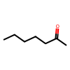 | CATSNJVOTSVZJV-UHFFFAOYSA-N | 33 | 0.5893385 | 0.41736071976
O=C(c1c(F)cccc1)C | 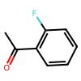 | QMATYTFXDIWACW-UHFFFAOYSA-N | 4.2 | 0.6331185 | 1.9798743457
O=C(C1CCCCC1)C |  | RIFKADJTWUGDOV-UHFFFAOYSA-N | 9 | 0.6430685 | 1.4878257435
O=C(CC)C | 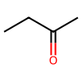 | ZWEHNKRNPOVVGH-UHFFFAOYSA-N | 20 | 0.6430685 | 0.89148223536
O=C(CCC)C | 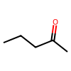 | XNLICIUVMPYHGG-UHFFFAOYSA-N | 18 | 0.6430685 | 0.97511530547
O=C(c1c(F)c(F)c(F)c(F)c1(F))c2ccccc2 | 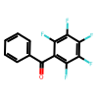 | HCCPWBWOSASKLG-UHFFFAOYSA-N | 96 | 0.6430685 | -2.0437063096
O=C(c1ccc(OC)cc1)c2ccc([N+]([O-])=O)cc2 | 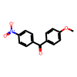 | DXVSAELNVPXMSQ-UHFFFAOYSA-N | 24 | 0.6430685 | 0.74125188344
O=C(C1CC1)C(C)C | 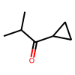 | CKABARUORCUAGG-UHFFFAOYSA-N | 4.5 | 0.6430685 | 1.9646056819
O=C(C(Cl)(Cl)Cl)c1ccccc1 | 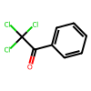 | OAMHTTBNEJBIKA-UHFFFAOYSA-N | 36.5 | 0.6430685 | 0.35608480628
O=C(c1c(O[Si](C)(C)C(C)(C)C)cccc1)CC(=C)C | 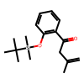 | LQVURUFQDSLJNY-UHFFFAOYSA-N | 2.5 | 0.4241685 | 1.5539674481
O=C(c1c(O[Si](C)(C)C(C)(C)C)ccc(OC)c1)CC(=C)C | 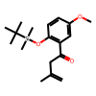 | JBDNMZBANWEYED-UHFFFAOYSA-N | 5 | 0.4241685 | 1.2489382651

