Sheet1
smiles | inchi | inchikey | scifinder_syn | SG | scifinder_bio | ChEMBL | ChEBI | pubchem_bio | BG | pubchem_sigma | pubchem_TCI | RG | m_1_L | m_1_B1 | m_1_B5 | p_L | p_B1 | p_B5 | m_2_L | m_2_B1 | m_2_B5 | o_L | o_B1 | o_B5 | Charge_O | Charge_next_O | Charge_o_1 | Charge_m_1 | Charge_p | Charge_m_2 | Charge_o_2 | HOMO | MolLogP | MolWt | num_N | num_O | num_S | num_F | num_Cl | num_Br | P(predicted)_CuCl | DPS_CuCl | ROMol
COC(=O)C(Cc1ccc(O)c(C(C)(C)C)c1)NC(=O)OC(C)(C)C | InChI=1S/C19H29NO5/c1-18(2,3)13-10-12(8-9-15(13)21)11-14(16(22)24-7)20-17(23)25-19(4,5)6/h8-10,14,21H,11H2,1-7H3,(H,20,23) | UYLQLXFFKGZGSG-UHFFFAOYSA-N | 1 | 1 | 0 | 0 | 0 | 0 | 0 | 0 | 0 | 0 | 2.14 | 1 | 1 | 6.28 | 1.53 | 8.12 | 2.14 | 1 | 1 | 4.07 | 2.77 | 3.19 | -0.773795 | 0.396056 | -0.278001 | -0.221209 | 0.001822 | -0.253275 | -0.0021 | -7.445583268 | 3.2985 | 351.443 | 1 | 5 | 0 | 0 | 0 | 0 | 1 | 0.5707070707070706 | 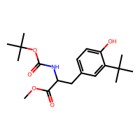
Cc1ccc(-c2ccc(O)c(C(C)(C)C)c2)cc1 | InChI=1S/C17H20O/c1-12-5-7-13(8-6-12)14-9-10-16(18)15(11-14)17(2,3)4/h5-11,18H,1-4H3 | MWXYQNUGONRDPF-UHFFFAOYSA-N | 1 | 1 | 0 | 0 | 0 | 0 | 0 | 0 | 0 | 0 | 2.14 | 1 | 1 | 7.32 | 1.71 | 3.15 | 2.14 | 1 | 1 | 4.07 | 2.77 | 3.19 | -0.773986 | 0.397007 | -0.278751 | -0.208511 | 0.008888 | -0.254489 | -0.002825 | -6.976186618 | 4.66512 | 240.346 | 0 | 1 | 0 | 0 | 0 | 0 | 1 | P-data | 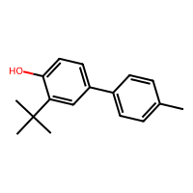
COC(=O)C(Cc1ccc(O)c(C(C)(C)C)c1)NC(=O)OCc1ccccc1 | InChI=1S/C22H27NO5/c1-22(2,3)17-12-16(10-11-19(17)24)13-18(20(25)27-4)23-21(26)28-14-15-8-6-5-7-9-15/h5-12,18,24H,13-14H2,1-4H3,(H,23,26) | IQQXJQWQWXUKQX-UHFFFAOYSA-N | 1 | 1 | 0 | 0 | 0 | 0 | 0 | 0 | 0 | 0 | 2.14 | 1 | 1 | 8.26 | 1.53 | 8.8 | 2.14 | 1 | 1 | 4.07 | 2.77 | 3.19 | -0.774254 | 0.396215 | -0.279445 | -0.216122 | 0.00571 | -0.266399 | -0.002743 | -7.411569018 | 3.7002 | 385.46 | 1 | 5 | 0 | 0 | 0 | 0 | 1 | 0.5546938775510205 | 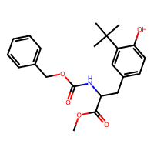
Cc1cccc(-c2ccc(O)c(C(C)(C)C)c2)c1 | InChI=1S/C17H20O/c1-12-6-5-7-13(10-12)14-8-9-16(18)15(11-14)17(2,3)4/h5-11,18H,1-4H3 | SHNFHFYHZCSNGT-UHFFFAOYSA-N | 1 | 1 | 0 | 0 | 0 | 0 | 0 | 0 | 0 | 0 | 2.14 | 1 | 1 | 6.36 | 1.71 | 4.39 | 2.14 | 1 | 1 | 4.07 | 2.77 | 3.19 | -0.773767 | 0.397862 | -0.279194 | -0.207392 | 0.004205 | -0.252279 | -0.003546 | -7.046936258 | 4.66512 | 240.346 | 0 | 1 | 0 | 0 | 0 | 0 | 1 | P-data | 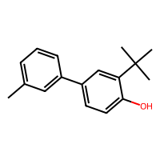
CC(C)(C)c1cc(-c2ccccc2)ccc1O | InChI=1S/C16H18O/c1-16(2,3)14-11-13(9-10-15(14)17)12-7-5-4-6-8-12/h4-11,17H,1-3H3 | KXQMNHRMRRUCCA-UHFFFAOYSA-N | 1 | 1 | 0 | 0 | 0 | 0 | 0 | 0 | 0 | 0 | 2.14 | 1 | 1 | 6.37 | 1.7 | 3.15 | 2.14 | 1 | 1 | 4.07 | 2.77 | 3.19 | -0.773493 | 0.398024 | -0.279051 | -0.207458 | 0.005127 | -0.253239 | -0.003161 | -7.101903286 | 4.3567 | 226.319 | 0 | 1 | 0 | 0 | 0 | 0 | 1 | P-data | 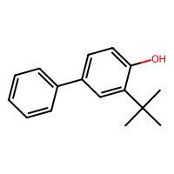
CC(C)(C)c1cc(-c2ccc(F)cc2)ccc1O | InChI=1S/C16H17FO/c1-16(2,3)14-10-12(6-9-15(14)18)11-4-7-13(17)8-5-11/h4-10,18H,1-3H3 | CFEXOJQZWPCJAY-UHFFFAOYSA-N | 1 | 1 | 0 | 0 | 0 | 0 | 0 | 0 | 0 | 0 | 2.14 | 1 | 1 | 6.95 | 1.7 | 3.15 | 2.14 | 1 | 1 | 4.07 | 2.77 | 3.19 | -0.772728 | 0.398432 | -0.278396 | -0.208881 | 0.009571 | -0.254361 | -0.002268 | -7.169115444 | 4.4958 | 244.309 | 0 | 1 | 0 | 1 | 0 | 0 | 1 | P-data | 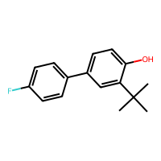
CC(C)(C)c1cc(-c2ccc(C(F)(F)F)cc2)ccc1O | InChI=1S/C17H17F3O/c1-16(2,3)14-10-12(6-9-15(14)21)11-4-7-13(8-5-11)17(18,19)20/h4-10,21H,1-3H3 | LCLLCIOCDQHZOY-UHFFFAOYSA-N | 1 | 1 | 0 | 0 | 0 | 0 | 0 | 0 | 0 | 0 | 2.14 | 1 | 1 | 7.66 | 1.9 | 3.15 | 2.14 | 1 | 1 | 4.07 | 2.77 | 3.19 | -0.770629 | 0.402891 | -0.280154 | -0.20412 | 0.000749 | -0.250098 | -0.00379 | -7.44503904 | 5.3755 | 294.316 | 0 | 1 | 0 | 3 | 0 | 0 | 1 | P-data | 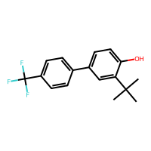
Cc1ccccc1-c1ccc(O)c(C(C)(C)C)c1 | InChI=1S/C17H20O/c1-12-7-5-6-8-14(12)13-9-10-16(18)15(11-13)17(2,3)4/h5-11,18H,1-4H3 | MIGHBKRXISUNAH-UHFFFAOYSA-N | 1 | 1 | 0 | 0 | 0 | 0 | 0 | 0 | 0 | 0 | 2.14 | 1 | 1 | 6.36 | 1.71 | 4.36 | 2.14 | 1 | 1 | 4.07 | 2.77 | 3.19 | -0.773735 | 0.397831 | -0.280099 | -0.203427 | -0.018236 | -0.238881 | -0.004984 | -7.197959528 | 4.66512 | 240.346 | 0 | 1 | 0 | 0 | 0 | 0 | 1 | P-data | 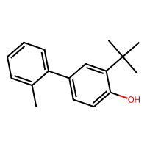
CCC(C)(C)c1ccc(O)c(C(C)(C)C)c1 | InChI=1S/C15H24O/c1-7-15(5,6)11-8-9-13(16)12(10-11)14(2,3)4/h8-10,16H,7H2,1-6H3 | NZRSIUKTGLRKIQ-UHFFFAOYSA-N | 1 | 1 | 0 | 0 | 0 | 0 | 0 | 0 | 0 | 0 | 2.14 | 1 | 1 | 4.07 | 2.78 | 4.53 | 2.14 | 1 | 1 | 4.07 | 2.77 | 3.19 | -0.776701 | 0.395495 | -0.276479 | -0.229296 | 0.044279 | -0.25622 | -0.000296 | -7.285036008 | 4.3773 | 220.356 | 0 | 1 | 0 | 0 | 0 | 0 | 1 | P-data | 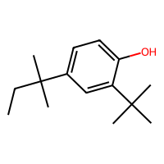
CC(C)(C)c1cc(-c2ccc3ccccc3c2)ccc1O | InChI=1S/C20H20O/c1-20(2,3)18-13-17(10-11-19(18)21)16-9-8-14-6-4-5-7-15(14)12-16/h4-13,21H,1-3H3 | RRVVCCMXWFMBON-UHFFFAOYSA-N | 1 | 1 | 0 | 0 | 0 | 0 | 0 | 0 | 0 | 0 | 2.14 | 1 | 1 | 8.51 | 1.7 | 4.36 | 2.14 | 1 | 1 | 4.07 | 2.77 | 3.19 | -0.773176 | 0.398648 | -0.27931 | -0.208614 | 0.007755 | -0.252106 | -0.003382 | -6.904076408 | 5.5099 | 276.379 | 0 | 1 | 0 | 0 | 0 | 0 | 1 | P-data | 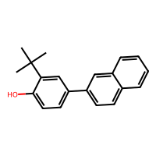
CC(C)c1ccc(O)c(C(C)(C)C)c1 | InChI=1S/C13H20O/c1-9(2)10-6-7-12(14)11(8-10)13(3,4)5/h6-9,14H,1-5H3 | KXLQULHLCDGRKG-UHFFFAOYSA-N | 1 | 1 | 0 | 0 | 0 | 0 | 0 | 0 | 0 | 0 | 2.14 | 1 | 1 | 4.1 | 1.92 | 3.18 | 2.14 | 1 | 1 | 4.07 | 2.77 | 3.19 | -0.775884 | 0.392196 | -0.273881 | -0.228747 | 0.043729 | -0.250746 | 0.000309 | -7.279593728 | 3.8131 | 192.302 | 0 | 1 | 0 | 0 | 0 | 0 | 1 | P-data | 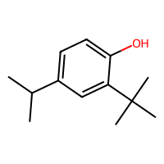
CC(C)(C)c1cc(C(C)(C)c2ccccc2)ccc1O | InChI=1S/C19H24O/c1-18(2,3)16-13-15(11-12-17(16)20)19(4,5)14-9-7-6-8-10-14/h6-13,20H,1-5H3 | UYHCLPYFSWPVDZ-UHFFFAOYSA-N | 1 | 1 | 0 | 0 | 0 | 0 | 0 | 0 | 0 | 0 | 2.14 | 1 | 1 | 5.76 | 2.77 | 6.2 | 2.14 | 1 | 1 | 4.07 | 2.77 | 3.19 | -0.775714 | 0.396931 | -0.27817 | -0.229609 | 0.019323 | -0.238648 | -0.001494 | -7.271974536 | 5.0156 | 268.4 | 0 | 1 | 0 | 0 | 0 | 0 | 1 | P-data | 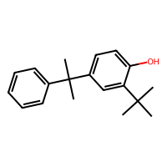
Cc1cc(O)c(C(C)(C)C)cc1C | InChI=1S/C12H18O/c1-8-6-10(12(3,4)5)11(13)7-9(8)2/h6-7,13H,1-5H3 | GDGFDAKCWRGGHW-UHFFFAOYSA-N | 1 | 1 | 0 | 0 | 0 | 0 | 0 | 0 | 0 | 0 | 2.99 | 1.52 | 2.03 | 2.99 | 1.52 | 2.03 | 2.14 | 1 | 1 | 4.07 | 2.77 | 3.19 | -0.778534 | 0.407017 | -0.313894 | 0.040957 | 0.017633 | -0.257952 | -0.00467 | -7.137822334 | 3.30654 | 178.275 | 0 | 1 | 0 | 0 | 0 | 0 | 1 | 0.5216161616161615 | 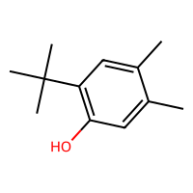
COc1cccc(-c2ccc(O)c(C(C)(C)C)c2)c1 | InChI=1S/C17H20O2/c1-17(2,3)15-11-13(8-9-16(15)18)12-6-5-7-14(10-12)19-4/h5-11,18H,1-4H3 | ZNQROGZUPLIHRW-UHFFFAOYSA-N | 1 | 1 | 0 | 0 | 0 | 0 | 0 | 0 | 0 | 0 | 2.14 | 1 | 1 | 6.36 | 1.75 | 5.38 | 2.14 | 1 | 1 | 4.07 | 2.77 | 3.19 | -0.773434 | 0.398774 | -0.279418 | -0.205512 | -0.000565 | -0.25271 | -0.003467 | -7.020269086 | 4.3653 | 256.345 | 0 | 2 | 0 | 0 | 0 | 0 | 1 | P-data | 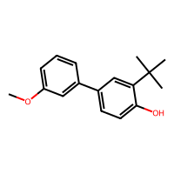
COc1ccc(-c2ccc(O)c(C(C)(C)C)c2)cc1 | InChI=1S/C17H20O2/c1-17(2,3)15-11-13(7-10-16(15)18)12-5-8-14(19-4)9-6-12/h5-11,18H,1-4H3 | RVQFVPJINCDYOT-UHFFFAOYSA-N | 1 | 1 | 0 | 0 | 0 | 0 | 0 | 0 | 0 | 0 | 2.14 | 1 | 1 | 8.47 | 1.78 | 3.16 | 2.14 | 1 | 1 | 4.07 | 2.77 | 3.19 | -0.77452 | 0.395507 | -0.277792 | -0.211074 | 0.014499 | -0.256509 | -0.001884 | -6.7892443 | 4.3653 | 256.345 | 0 | 2 | 0 | 0 | 0 | 0 | 1 | P-data | 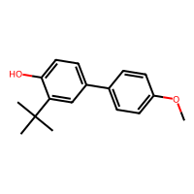
Cc1cc(O)c(C(C)(C)C)cc1C(C)(C)C | InChI=1S/C15H24O/c1-10-8-13(16)12(15(5,6)7)9-11(10)14(2,3)4/h8-9,16H,1-7H3 | WYSSJDOPILWQDC-UHFFFAOYSA-N | 1 | 1 | 0 | 0 | 0 | 0 | 0 | 0 | 1 | 1 | 2.99 | 1.52 | 2.03 | 4.07 | 2.77 | 3.19 | 2.14 | 1 | 1 | 4.07 | 2.77 | 3.19 | -0.783453 | 0.370103 | -0.27377 | 0.048626 | 0.013391 | -0.276166 | 0.003485 | -7.139455018 | 4.29562 | 220.356 | 0 | 1 | 0 | 0 | 0 | 0 | 1 | 0.6731632653061225 | 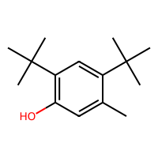
COc1ccccc1-c1ccc(O)c(C(C)(C)C)c1 | InChI=1S/C17H20O2/c1-17(2,3)14-11-12(9-10-15(14)18)13-7-5-6-8-16(13)19-4/h5-11,18H,1-4H3 | BMPNDYAHOPAPDC-UHFFFAOYSA-N | 1 | 1 | 0 | 0 | 0 | 0 | 0 | 0 | 0 | 0 | 2.14 | 1 | 1 | 6.37 | 1.77 | 4.61 | 2.14 | 1 | 1 | 4.07 | 2.77 | 3.19 | -0.773086 | 0.400869 | -0.28329 | -0.207416 | -0.011274 | -0.231253 | -0.011573 | -7.110066706 | 4.3653 | 256.345 | 0 | 2 | 0 | 0 | 0 | 0 | 1 | P-data | 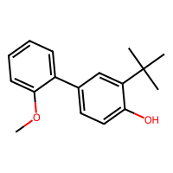
CC(C)(C)c1cc(C(c2ccccc2)(c2ccccc2)c2ccccc2)ccc1O | InChI=1S/C29H28O/c1-28(2,3)26-21-25(19-20-27(26)30)29(22-13-7-4-8-14-22,23-15-9-5-10-16-23)24-17-11-6-12-18-24/h4-21,30H,1-3H3 | UYZPWQUQEPASMO-UHFFFAOYSA-N | 1 | 1 | 0 | 0 | 0 | 0 | 0 | 0 | 0 | 0 | 2.14 | 1 | 1 | 5.3 | 4.08 | 6.25 | 2.14 | 1 | 1 | 4.07 | 2.77 | 3.19 | -0.774857 | 0.40171 | -0.284716 | -0.220715 | -0.018773 | -0.240105 | -0.002518 | -7.315240662 | 7.0724 | 392.542 | 0 | 1 | 0 | 0 | 0 | 0 | 1 | P-data | 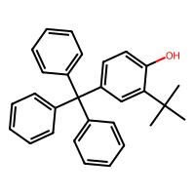
Cc1cc(O)c(C(C)C)cc1C(C)(C)C | InChI=1S/C14H22O/c1-9(2)11-8-12(14(4,5)6)10(3)7-13(11)15/h7-9,15H,1-6H3 | RIQFGDIBJAYAEV-UHFFFAOYSA-N | 1 | 1 | 0 | 0 | 0 | 0 | 0 | 0 | 0 | 0 | 2.99 | 1.52 | 2.03 | 4.07 | 2.77 | 3.19 | 2.14 | 1 | 1 | 4.1 | 1.92 | 3.18 | -0.774853 | 0.387625 | -0.310317 | 0.04868 | 0.007279 | -0.249286 | -0.005027 | -7.157686656 | 4.12152 | 206.329 | 0 | 1 | 0 | 0 | 0 | 0 | 1 | 0.6331313131313132 | 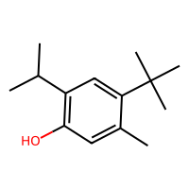
COc1ccc(F)cc1-c1ccc(O)c(C(C)(C)C)c1 | InChI=1S/C17H19FO2/c1-17(2,3)14-9-11(5-7-15(14)19)13-10-12(18)6-8-16(13)20-4/h5-10,19H,1-4H3 | XMWSXUUPGMQFTN-UHFFFAOYSA-N | 1 | 1 | 0 | 0 | 0 | 0 | 0 | 0 | 0 | 0 | 2.14 | 1 | 1 | 6.36 | 1.75 | 5.34 | 2.14 | 1 | 1 | 4.07 | 2.77 | 3.19 | -0.771622 | 0.403821 | -0.284023 | -0.204924 | -0.013891 | -0.229631 | -0.012097 | -7.2518381 | 4.5044 | 274.335 | 0 | 2 | 0 | 1 | 0 | 0 | 1 | 0.8290909090909091 | 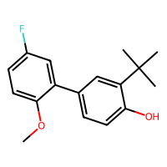
CC(C)(C)c1cc(-c2cccc3ccccc23)ccc1O | InChI=1S/C20H20O/c1-20(2,3)18-13-15(11-12-19(18)21)17-10-6-8-14-7-4-5-9-16(14)17/h4-13,21H,1-3H3 | JUKXKJQXGLXPOT-UHFFFAOYSA-N | 1 | 1 | 0 | 0 | 0 | 0 | 0 | 0 | 0 | 0 | 2.14 | 1 | 1 | 6.38 | 1.7 | 5.63 | 2.14 | 1 | 1 | 4.07 | 2.77 | 3.19 | -0.773191 | 0.399319 | -0.280721 | -0.201001 | -0.018759 | -0.248345 | -0.004461 | -6.935097404 | 5.5099 | 276.379 | 0 | 1 | 0 | 0 | 0 | 0 | 1 | 0.8895 | 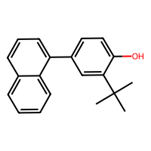
COC(=O)C(Cc1ccc(O)c(C(C)(C)C)c1)NC(C)=O | InChI=1S/C16H23NO4/c1-10(18)17-13(15(20)21-5)9-11-6-7-14(19)12(8-11)16(2,3)4/h6-8,13,19H,9H2,1-5H3,(H,17,18) | SJEQTUWAQJGQIJ-UHFFFAOYSA-N | 1 | 1 | 0 | 0 | 0 | 0 | 0 | 0 | 0 | 0 | 2.14 | 1 | 1 | 4.17 | 1.54 | 5.87 | 2.14 | 1 | 1 | 4.07 | 2.77 | 3.19 | -0.77347 | 0.396499 | -0.276592 | -0.222234 | -0.012516 | -0.265973 | -0.000353 | -7.569667252 | 1.9099 | 293.363 | 1 | 4 | 0 | 0 | 0 | 0 | 1 | 0.516 | 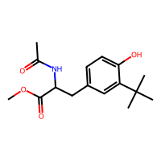
Cc1cc(O)c(C(C)C)cc1C(C)C | InChI=1S/C13H20O/c1-8(2)11-7-12(9(3)4)13(14)6-10(11)5/h6-9,14H,1-5H3 | NNSNIMZGXLISCO-UHFFFAOYSA-N | 1 | 1 | 0 | 0 | 0 | 0 | 0 | 0 | 0 | 0 | 2.99 | 1.52 | 2.03 | 4.1 | 1.92 | 3.18 | 2.14 | 1 | 1 | 4.1 | 1.92 | 3.18 | -0.774395 | 0.38617 | -0.312716 | 0.032488 | 0.006169 | -0.225759 | -0.009068 | -7.124488748 | 3.94742 | 192.302 | 0 | 1 | 0 | 0 | 0 | 0 | 1 | 0.5244 | 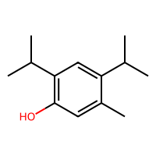
C=CCOc1ccc(O)c(C(C)(C)C)c1 | InChI=1S/C13H18O2/c1-5-8-15-10-6-7-12(14)11(9-10)13(2,3)4/h5-7,9,14H,1,8H2,2-4H3 | IUAIJIIXCXSWFB-UHFFFAOYSA-N | 1 | 1 | 0 | 0 | 0 | 0 | 0 | 0 | 0 | 0 | 2.14 | 1 | 1 | 3.88 | 1.28 | 5.23 | 2.14 | 1 | 1 | 4.07 | 2.77 | 3.19 | -0.779649 | 0.376857 | -0.261675 | -0.243119 | 0.441263 | -0.323825 | 0.012105 | -6.92121959 | 3.2545 | 206.285 | 0 | 2 | 0 | 0 | 0 | 0 | 1 | 0.6467010309278352 | 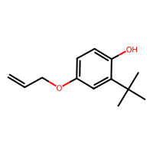
CC(C)(C)c1cc(-c2ccc(C#N)cc2)ccc1O | InChI=1S/C17H17NO/c1-17(2,3)15-10-14(8-9-16(15)19)13-6-4-12(11-18)5-7-13/h4-10,19H,1-3H3 | CVPGVRAVSVEUNB-UHFFFAOYSA-N | 1 | 1 | 0 | 0 | 0 | 0 | 0 | 0 | 0 | 0 | 2.14 | 1 | 1 | 8.58 | 1.7 | 3.15 | 2.14 | 1 | 1 | 4.07 | 2.77 | 3.19 | -0.769327 | 0.404851 | -0.280568 | -0.202753 | -0.001732 | -0.248886 | -0.003972 | -7.494835902 | 4.22838 | 251.329 | 1 | 1 | 0 | 0 | 0 | 0 | 1 | 0.6318 | 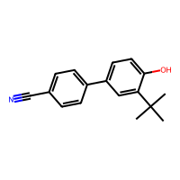
CC(C)(C)c1ccc(O)c(-c2ccccc2)c1 | InChI=1S/C16H18O/c1-16(2,3)13-9-10-15(17)14(11-13)12-7-5-4-6-8-12/h4-11,17H,1-3H3 | IYPYKRAEQZVXSC-UHFFFAOYSA-N | 1 | 1 | 0 | 0 | 0 | 0 | 0 | 0 | 0 | 0 | 2.14 | 1 | 1 | 4.07 | 2.77 | 3.19 | 2.14 | 1 | 1 | 6.37 | 1.7 | 3.15 | -0.779215 | 0.376877 | -0.238443 | -0.206983 | 0.035568 | -0.244794 | -0.039115 | -7.220272876 | 4.3567 | 226.319 | 0 | 1 | 0 | 0 | 0 | 0 | 1 | 0.6085858585858588 | 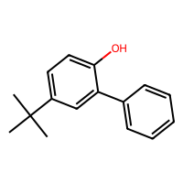
COCCOCCOCCOc1ccc(O)c(C(C)(C)C)c1 | InChI=1S/C17H28O5/c1-17(2,3)15-13-14(5-6-16(15)18)22-12-11-21-10-9-20-8-7-19-4/h5-6,13,18H,7-12H2,1-4H3 | VCTUALFYJIQAOA-UHFFFAOYSA-N | 1 | 1 | 0 | 0 | 0 | 0 | 0 | 0 | 0 | 0 | 2.14 | 1 | 1 | 3.83 | 1.34 | 7.39 | 2.14 | 1 | 1 | 4.07 | 2.77 | 3.19 | -0.779104 | 0.383017 | -0.266936 | -0.272907 | 0.434214 | -0.292558 | 0.013873 | -6.924757072 | 2.7481 | 312.406 | 0 | 5 | 0 | 0 | 0 | 0 | 1 | 0.5231313131313132 | 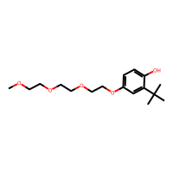
Cc1cc(O)c(C(C)C)cc1C1CCCCC1 | InChI=1S/C16H24O/c1-11(2)14-10-15(12(3)9-16(14)17)13-7-5-4-6-8-13/h9-11,13,17H,4-8H2,1-3H3 | VBHQALFSANFPDD-UHFFFAOYSA-N | 1 | 1 | 0 | 0 | 0 | 0 | 0 | 0 | 0 | 0 | 2.99 | 1.52 | 2.03 | 4.24 | 1.91 | 4.95 | 2.14 | 1 | 1 | 4.1 | 1.92 | 3.18 | -0.774561 | 0.386315 | -0.314185 | 0.034001 | 0.010037 | -0.225185 | -0.010079 | -7.095100436 | 4.87172 | 232.367 | 0 | 1 | 0 | 0 | 0 | 0 | 1 | 0.5299999999999999 | 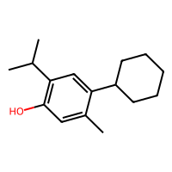
CCC(C)(C)c1cc(C)ccc1O | InChI=1S/C12H18O/c1-5-12(3,4)10-8-9(2)6-7-11(10)13/h6-8,13H,5H2,1-4H3 | HSFXPWKQBDHWCN-UHFFFAOYSA-N | 1 | 1 | 0 | 0 | 0 | 0 | 0 | 0 | 0 | 0 | 2.14 | 1 | 1 | 2.99 | 1.52 | 2.03 | 2.14 | 1 | 1 | 4.07 | 2.78 | 4.53 | -0.775823 | 0.392921 | -0.274746 | -0.221998 | 0.035465 | -0.249388 | -0.001704 | -7.263539002 | 3.38822 | 178.275 | 0 | 1 | 0 | 0 | 0 | 0 | 1 | 0.8576530612244898 | 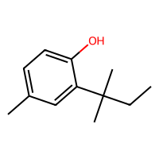
CCC(C)(C)c1cc(C(C)(C)C)c(O)cc1C | InChI=1S/C16H26O/c1-8-16(6,7)12-10-13(15(3,4)5)14(17)9-11(12)2/h9-10,17H,8H2,1-7H3 | KBQBMTKVJSBSOT-UHFFFAOYSA-N | 1 | 1 | 0 | 0 | 0 | 0 | 0 | 0 | 0 | 0 | 2.99 | 1.52 | 2.03 | 4.07 | 2.78 | 4.53 | 2.14 | 1 | 1 | 4.07 | 2.77 | 3.19 | -0.779204 | 0.411753 | -0.316516 | 0.050743 | 0.010619 | -0.274477 | 0.000105 | -7.180816346 | 4.68572 | 234.383 | 0 | 1 | 0 | 0 | 0 | 0 | 1 | 0.5956701030927836 | 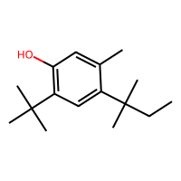
Cc1cc(C(C)(C)C)c(C)cc1O | InChI=1S/C12H18O/c1-8-7-11(13)9(2)6-10(8)12(3,4)5/h6-7,13H,1-5H3 | ZSPDNAYHQYQUPC-UHFFFAOYSA-N | 1 | 1 | 0 | 0 | 0 | 0 | 0 | 0 | 0 | 0 | 2.99 | 1.52 | 2.03 | 4.07 | 2.77 | 3.19 | 2.14 | 1 | 1 | 2.99 | 1.52 | 2.03 | -0.773604 | 0.372654 | -0.272442 | 0.045917 | 0.009474 | -0.258376 | 0.000699 | -7.164217392 | 3.30654 | 178.275 | 0 | 1 | 0 | 0 | 0 | 0 | 1 | 0.5177 | 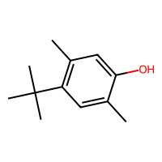
COc1ccc(-c2cc(C(C)(C)C)ccc2O)cc1 | InChI=1S/C17H20O2/c1-17(2,3)13-7-10-16(18)15(11-13)12-5-8-14(19-4)9-6-12/h5-11,18H,1-4H3 | VHNCMFYKBRTACQ-UHFFFAOYSA-N | 1 | 1 | 0 | 0 | 0 | 0 | 0 | 0 | 0 | 0 | 2.14 | 1 | 1 | 4.07 | 2.77 | 3.19 | 2.14 | 1 | 1 | 8.47 | 1.78 | 3.16 | -0.78013 | 0.374045 | -0.238075 | -0.208622 | 0.036186 | -0.246758 | -0.031199 | -7.037956496 | 4.3653 | 256.345 | 0 | 2 | 0 | 0 | 0 | 0 | 1 | 0.6041 | 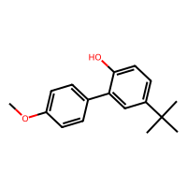
Cc1cc(O)c(C23CC4CC(CC(C4)C2)C3)cc1C | InChI=1S/C18H24O/c1-11-3-16(17(19)4-12(11)2)18-8-13-5-14(9-18)7-15(6-13)10-18/h3-4,13-15,19H,5-10H2,1-2H3 | GWCMYYAABYVUQZ-UHFFFAOYSA-N | 1 | 1 | 0 | 0 | 0 | 0 | 0 | 0 | 0 | 0 | 2.99 | 1.52 | 2.03 | 2.99 | 1.52 | 2.03 | 2.14 | 1 | 1 | 6.17 | 3.16 | 3.5 | -0.787597 | 0.368618 | -0.272232 | 0.041898 | 0.017619 | -0.262449 | 0.002814 | -7.03686804 | 4.47684 | 256.389 | 0 | 1 | 0 | 0 | 0 | 0 | 1 | 0.5416000000000001 | 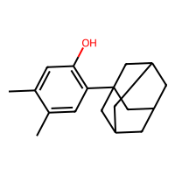
CCC(C)c1cc(C)c(O)cc1C | InChI=1S/C12H18O/c1-5-8(2)11-6-10(4)12(13)7-9(11)3/h6-8,13H,5H2,1-4H3 | QFEUWVMMHWPGIE-UHFFFAOYSA-N | 1 | 1 | 0 | 0 | 0 | 0 | 0 | 0 | 0 | 0 | 2.99 | 1.52 | 2.03 | 4.11 | 1.92 | 4.5 | 2.14 | 1 | 1 | 2.99 | 1.52 | 2.03 | -0.770442 | 0.396701 | -0.312965 | 0.032702 | 0.00373 | -0.234872 | -0.008991 | -7.104352312 | 3.52254 | 178.275 | 0 | 1 | 0 | 0 | 0 | 0 | 1 | 0.5434 | 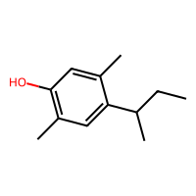
COc1cc(O)c(C(C)(C)C)cc1C(C)(C)C | InChI=1S/C15H24O2/c1-14(2,3)10-8-11(15(4,5)6)13(17-7)9-12(10)16/h8-9,16H,1-7H3 | HLCYOXANCYSPFB-UHFFFAOYSA-N | 1 | 1 | 0 | 0 | 0 | 0 | 0 | 0 | 0 | 0 | 3.89 | 1.28 | 3.1 | 4.07 | 2.77 | 3.19 | 2.14 | 1 | 1 | 4.07 | 2.77 | 3.19 | -0.776745 | 0.423347 | -0.373041 | 0.446269 | -0.022215 | -0.266138 | -0.015255 | -6.966934742 | 3.9958 | 236.355 | 0 | 2 | 0 | 0 | 0 | 0 | 1 | 0.5274 | 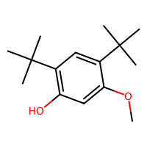
CCc1cc(C(C)C)c(O)cc1C | InChI=1S/C12H18O/c1-5-10-7-11(8(2)3)12(13)6-9(10)4/h6-8,13H,5H2,1-4H3 | REUXPEYAOYKLSP-UHFFFAOYSA-N | 1 | 1 | 0 | 0 | 0 | 0 | 0 | 0 | 0 | 0 | 2.99 | 1.52 | 2.03 | 4.15 | 1.56 | 3.17 | 2.14 | 1 | 1 | 4.1 | 1.92 | 3.18 | -0.77429 | 0.385061 | -0.310797 | 0.04041 | 0.003898 | -0.230762 | -0.007922 | -7.121495494 | 3.38642 | 178.275 | 0 | 1 | 0 | 0 | 0 | 0 | 1 | 0.5270408163265305 | 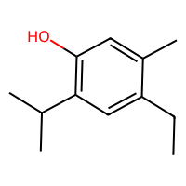
CC(C)(C)CC(C)(C)c1ccc(O)c(C(C)(C)CC(C)(C)C)c1 | InChI=1S/C22H38O/c1-19(2,3)14-21(7,8)16-11-12-18(23)17(13-16)22(9,10)15-20(4,5)6/h11-13,23H,14-15H2,1-10H3 | DNYCICZKXQGHBJ-UHFFFAOYSA-N | 1 | 1 | 0 | 0 | 0 | 0 | 0 | 0 | 0 | 0 | 2.14 | 1 | 1 | 4.06 | 2.78 | 5.81 | 2.14 | 1 | 1 | 4.06 | 2.78 | 5.81 | -0.779676 | 0.40425 | -0.276399 | -0.231449 | 0.050927 | -0.260311 | -0.001591 | -7.248844846 | 6.8198 | 318.545 | 0 | 1 | 0 | 0 | 0 | 0 | 1 | 0.8535353535353535 | 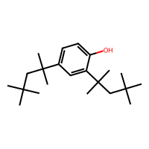
COC(=O)CCc1ccc(O)c(C(C)(C)C)c1 | InChI=1S/C14H20O3/c1-14(2,3)11-9-10(5-7-12(11)15)6-8-13(16)17-4/h5,7,9,15H,6,8H2,1-4H3 | TVUZOWCUYWPFPN-UHFFFAOYSA-N | 1 | 1 | 0 | 0 | 0 | 0 | 0 | 0 | 0 | 0 | 2.14 | 1 | 1 | 4.14 | 1.54 | 6.68 | 2.14 | 1 | 1 | 4.07 | 2.77 | 3.19 | -0.775647 | 0.394288 | -0.277983 | -0.218073 | 0.010884 | -0.251612 | -0.000648 | -7.297825366 | 2.7953 | 236.311 | 0 | 3 | 0 | 0 | 0 | 0 | 1 | 0.7541237113402063 | 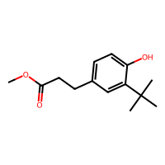
Cc1cc(C2CCCCC2)c(C)cc1O | InChI=1S/C14H20O/c1-10-9-14(15)11(2)8-13(10)12-6-4-3-5-7-12/h8-9,12,15H,3-7H2,1-2H3 | CSRYWUMVSWOHET-UHFFFAOYSA-N | 1 | 1 | 0 | 0 | 0 | 0 | 0 | 0 | 0 | 0 | 2.99 | 1.52 | 2.03 | 4.24 | 1.91 | 4.95 | 2.14 | 1 | 1 | 2.99 | 1.52 | 2.03 | -0.770668 | 0.396784 | -0.314266 | 0.031689 | 0.011662 | -0.233508 | -0.009695 | -7.071426518 | 4.05674 | 204.313 | 0 | 1 | 0 | 0 | 0 | 0 | 1 | 0.5525000000000001 | 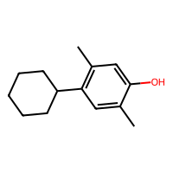
C=CCc1ccc(O)c(C2C=C(C)CCC2C(C)C)c1 | InChI=1S/C19H26O/c1-5-6-15-8-10-19(20)18(12-15)17-11-14(4)7-9-16(17)13(2)3/h5,8,10-13,16-17,20H,1,6-7,9H2,2-4H3 | DVWICNLRYXWRAY-UHFFFAOYSA-N | 0 | 0 | 1 | 1 | 0 | 0 | 1 | 0 | 0 | 0 | 2.14 | 1 | 1 | 4.54 | 1.55 | 4.07 | 2.14 | 1 | 1 | 5.17 | 1.94 | 5.43 | -0.796718 | 0.384911 | -0.238047 | -0.224591 | 0.014444 | -0.235968 | -0.027288 | -7.200680668 | 5.2166 | 270.416 | 0 | 1 | 0 | 0 | 0 | 0 | 1 | 0.6172 | 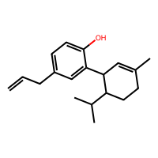
CCCCCCCCCCCCc1ccc(O)c(C)c1 | InChI=1S/C19H32O/c1-3-4-5-6-7-8-9-10-11-12-13-18-14-15-19(20)17(2)16-18/h14-16,20H,3-13H2,1-2H3 | RJLWSJUUDKAMPQ-UHFFFAOYSA-N | 0 | 0 | 0 | 0 | 0 | 0 | 0 | 0 | 1 | 1 | 2.14 | 1 | 1 | 4.7 | 1.56 | 15.99 | 2.14 | 1 | 1 | 2.99 | 1.52 | 2.03 | -0.768142 | 0.379478 | -0.271042 | -0.218247 | 0.031121 | -0.240615 | -0.003231 | -7.208571974 | 6.16402 | 276.464 | 0 | 1 | 0 | 0 | 0 | 0 | 1 | 0.6109375 | 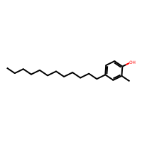
CC(C)(C)c1ccc(O)c(C(C)(C)C)c1 | InChI=1S/C14H22O/c1-13(2,3)10-7-8-12(15)11(9-10)14(4,5)6/h7-9,15H,1-6H3 | ICKWICRCANNIBI-UHFFFAOYSA-N | 1 | 1 | 0 | 0 | 0 | 0 | 0 | 1 | 1 | 1 | 2.14 | 1 | 1 | 4.07 | 2.77 | 3.19 | 2.14 | 1 | 1 | 4.07 | 2.77 | 3.19 | -0.776769 | 0.39557 | -0.276577 | -0.230483 | 0.046506 | -0.254739 | -0.000108 | -7.285036008 | 3.9872 | 206.329 | 0 | 1 | 0 | 0 | 0 | 0 | 1 | P-data | 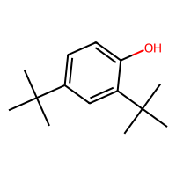
COc1ccc(O)c(C(C)(C)C)c1 | InChI=1S/C11H16O2/c1-11(2,3)9-7-8(13-4)5-6-10(9)12/h5-7,12H,1-4H3 | MRBKEAMVRSLQPH-UHFFFAOYSA-N | 1 | 1 | 0 | 0 | 0 | 0 | 0 | 1 | 1 | 1 | 2.14 | 1 | 1 | 3.89 | 1.28 | 3.1 | 2.14 | 1 | 1 | 4.07 | 2.77 | 3.19 | -0.779727 | 0.37653 | -0.261722 | -0.240944 | 0.434308 | -0.321541 | 0.011907 | -6.897273558 | 2.6983 | 180.247 | 0 | 2 | 0 | 0 | 0 | 0 | 1 | 0.5815151515151515 | 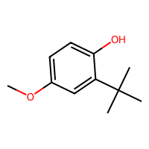
CC(C)(c1ccccc1)c1ccc(O)c(C(C)(C)c2ccccc2)c1 | InChI=1S/C24H26O/c1-23(2,18-11-7-5-8-12-18)20-15-16-22(25)21(17-20)24(3,4)19-13-9-6-10-14-19/h5-17,25H,1-4H3 | FMUYQRFTLHAARI-UHFFFAOYSA-N | 1 | 1 | 0 | 0 | 0 | 0 | 0 | 1 | 1 | 1 | 2.14 | 1 | 1 | 5.76 | 2.77 | 6.2 | 2.14 | 1 | 1 | 5.76 | 2.77 | 6.2 | -0.792875 | 0.384513 | -0.241021 | -0.229221 | 0.017093 | -0.238695 | -0.033987 | -7.182993258 | 6.044 | 330.471 | 0 | 1 | 0 | 0 | 0 | 0 | 1 | P-data | 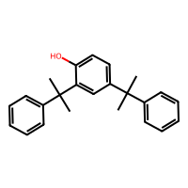
CCC(C)(C)c1ccc(O)c(C(C)(C)CC)c1 | InChI=1S/C16H26O/c1-7-15(3,4)12-9-10-14(17)13(11-12)16(5,6)8-2/h9-11,17H,7-8H2,1-6H3 | WMVJWKURWRGJCI-UHFFFAOYSA-N | 1 | 1 | 0 | 0 | 0 | 0 | 0 | 1 | 1 | 1 | 2.14 | 1 | 1 | 4.07 | 2.78 | 4.53 | 2.14 | 1 | 1 | 4.07 | 2.78 | 4.53 | -0.776594 | 0.397189 | -0.277649 | -0.229207 | 0.044257 | -0.254367 | -0.00385 | -7.285580236 | 4.7674 | 234.383 | 0 | 1 | 0 | 0 | 0 | 0 | 1 | P-data | 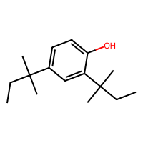
Cc1ccc(O)c(C(C)(C)C)c1 | InChI=1S/C11H16O/c1-8-5-6-10(12)9(7-8)11(2,3)4/h5-7,12H,1-4H3 | IKEHOXWJQXIQAG-UHFFFAOYSA-N | 1 | 1 | 0 | 0 | 0 | 0 | 0 | 1 | 1 | 1 | 2.14 | 1 | 1 | 2.99 | 1.52 | 2.03 | 2.14 | 1 | 1 | 4.07 | 2.77 | 3.19 | -0.775976 | 0.391235 | -0.27356 | -0.222105 | 0.035594 | -0.25127 | 0.001976 | -7.261906318 | 2.99812 | 164.248 | 0 | 1 | 0 | 0 | 0 | 0 | 1 | P-data | 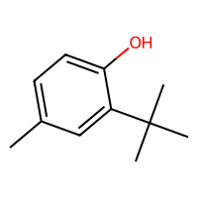
Cc1cc(C(C)(C)C)ccc1O | InChI=1S/C11H16O/c1-8-7-9(11(2,3)4)5-6-10(8)12/h5-7,12H,1-4H3 | SNKLPZOJLXDZCW-UHFFFAOYSA-N | 1 | 1 | 0 | 0 | 0 | 0 | 0 | 1 | 0 | 1 | 2.14 | 1 | 1 | 4.07 | 2.77 | 3.19 | 2.14 | 1 | 1 | 2.99 | 1.52 | 2.03 | -0.768839 | 0.383607 | -0.27335 | -0.231976 | 0.042972 | -0.240533 | -0.004162 | -7.24503525 | 2.99812 | 164.248 | 0 | 1 | 0 | 0 | 0 | 0 | 1 | P-data | 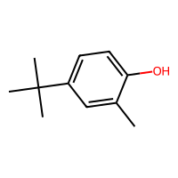
CCc1ccc(O)c(C(C)(C)C)c1 | InChI=1S/C12H18O/c1-5-9-6-7-11(13)10(8-9)12(2,3)4/h6-8,13H,5H2,1-4H3 | LZHCVNIARUXHAL-UHFFFAOYSA-N | 1 | 1 | 0 | 0 | 0 | 0 | 0 | 1 | 1 | 1 | 2.14 | 1 | 1 | 4.15 | 1.56 | 3.17 | 2.14 | 1 | 1 | 4.07 | 2.77 | 3.19 | -0.775696 | 0.390989 | -0.273607 | -0.217445 | 0.034218 | -0.254024 | 0.001351 | -7.27088608 | 3.2521 | 178.275 | 0 | 1 | 0 | 0 | 0 | 0 | 1 | 0.9176000000000001 | 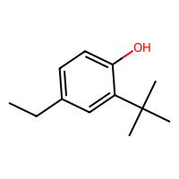
CC(C)c1ccc(O)c(C(C)C)c1 | InChI=1S/C12H18O/c1-8(2)10-5-6-12(13)11(7-10)9(3)4/h5-9,13H,1-4H3 | KEUMBYCOWGLRBQ-UHFFFAOYSA-N | 0 | 0 | 0 | 0 | 0 | 0 | 0 | 1 | 0 | 1 | 2.14 | 1 | 1 | 4.1 | 1.92 | 3.18 | 2.14 | 1 | 1 | 4.1 | 1.92 | 3.18 | -0.772043 | 0.370752 | -0.269859 | -0.228694 | 0.039408 | -0.229621 | -0.0044 | -7.257008266 | 3.639 | 178.275 | 0 | 1 | 0 | 0 | 0 | 0 | 1 | 0.6805050505050506 | 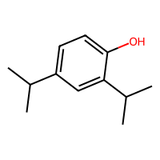
Cc1ccc(O)c(C(C)c2ccccc2)c1 | InChI=1S/C15H16O/c1-11-8-9-15(16)14(10-11)12(2)13-6-4-3-5-7-13/h3-10,12,16H,1-2H3 | DJRYJQNZAYJVGF-UHFFFAOYSA-N | 0 | 0 | 0 | 0 | 0 | 0 | 0 | 1 | 0 | 1 | 2.14 | 1 | 1 | 2.99 | 1.52 | 2.03 | 2.14 | 1 | 1 | 5.64 | 1.92 | 6.09 | -0.775266 | 0.383013 | -0.268901 | -0.221863 | 0.030137 | -0.228831 | -0.02634 | -7.269797624 | 3.85242 | 212.292 | 0 | 1 | 0 | 0 | 0 | 0 | 1 | 0.5734693877551023 | 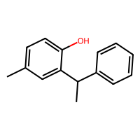
Cc1ccc(O)c(Cc2ccccc2)c1 | InChI=1S/C14H14O/c1-11-7-8-14(15)13(9-11)10-12-5-3-2-4-6-12/h2-9,15H,10H2,1H3 | WGIJGSLQJSMKAH-UHFFFAOYSA-N | 0 | 0 | 0 | 0 | 0 | 0 | 0 | 1 | 0 | 1 | 2.14 | 1 | 1 | 2.99 | 1.52 | 2.03 | 2.14 | 1 | 1 | 5.79 | 1.56 | 6.02 | -0.777635 | 0.377786 | -0.265797 | -0.220532 | 0.032669 | -0.228264 | 0.012251 | -7.32122717 | 3.29142 | 198.265 | 0 | 1 | 0 | 0 | 0 | 0 | 1 | 0.5059 | 
CCC(C)c1ccc(O)c(C(C)CC)c1 | InChI=1S/C14H22O/c1-5-10(3)12-7-8-14(15)13(9-12)11(4)6-2/h7-11,15H,5-6H2,1-4H3 | JERZAOOJWPHIDG-UHFFFAOYSA-N | 0 | 0 | 0 | 0 | 0 | 0 | 0 | 1 | 0 | 1 | 2.14 | 1 | 1 | 4.11 | 1.92 | 4.5 | 2.14 | 1 | 1 | 4.11 | 1.92 | 4.5 | -0.772084 | 0.37372 | -0.270226 | -0.226314 | 0.035948 | -0.230038 | -0.008427 | -7.263266888 | 4.4192 | 206.329 | 0 | 1 | 0 | 0 | 0 | 0 | 1 | 0.6942 | 
Cc1cc(C(C)(C)CC(C)(C)C)ccc1O | InChI=1S/C15H24O/c1-11-9-12(7-8-13(11)16)15(5,6)10-14(2,3)4/h7-9,16H,10H2,1-6H3 | DYKCNMUCTREDMF-UHFFFAOYSA-N | 0 | 0 | 0 | 0 | 0 | 0 | 0 | 1 | 0 | 1 | 2.14 | 1 | 1 | 4.06 | 2.78 | 5.81 | 2.14 | 1 | 1 | 2.99 | 1.52 | 2.03 | -0.768859 | 0.383234 | -0.272091 | -0.232575 | 0.046886 | -0.245626 | -0.00389 | -7.21782385 | 4.41442 | 220.356 | 0 | 1 | 0 | 0 | 0 | 0 | 1 | 0.7572448979591837 | 
Oc1ccc(C2C=CCC2)cc1C1C=CCC1 | InChI=1S/C16H18O/c17-16-10-9-14(12-5-1-2-6-12)11-15(16)13-7-3-4-8-13/h1,3,5,7,9-13,17H,2,4,6,8H2 | YXDQGDRZWGIFLJ-UHFFFAOYSA-N | 0 | 0 | 0 | 0 | 0 | 0 | 0 | 1 | 0 | 1 | 2.14 | 1 | 1 | 4.41 | 1.81 | 4.08 | 2.14 | 1 | 1 | 4.41 | 1.81 | 4.08 | -0.771888 | 0.38249 | -0.271499 | -0.225109 | 0.029913 | -0.23319 | -0.027343 | -7.20557872 | 4.2594 | 226.319 | 0 | 1 | 0 | 0 | 0 | 0 | 1 | 0.7296 | 
C=CCc1cc(C(C)(C)C)ccc1O | InChI=1S/C13H18O/c1-5-6-10-9-11(13(2,3)4)7-8-12(10)14/h5,7-9,14H,1,6H2,2-4H3 | FRNWSIKJSAZPLL-UHFFFAOYSA-N | 0 | 0 | 0 | 0 | 0 | 0 | 0 | 1 | 0 | 1 | 2.14 | 1 | 1 | 4.07 | 2.77 | 3.19 | 2.14 | 1 | 1 | 4.54 | 1.55 | 4.07 | -0.790557 | 0.380239 | -0.239259 | -0.227619 | 0.040148 | -0.244398 | -0.025419 | -7.24639582 | 3.4182 | 190.286 | 0 | 1 | 0 | 0 | 0 | 0 | 1 | 0.6312121212121212 | 
CC(C)(C)c1cc(Cn2ccnc2)ccc1O | InChI=1S/C14H18N2O/c1-14(2,3)12-8-11(4-5-13(12)17)9-16-7-6-15-10-16/h4-8,10,17H,9H2,1-3H3 | BASAXQLKZGXFFT-UHFFFAOYSA-N | 0 | 0 | 0 | 0 | 0 | 0 | 0 | 1 | 0 | 1 | 2.14 | 1 | 1 | 4.81 | 1.53 | 5.51 | 2.14 | 1 | 1 | 4.07 | 2.77 | 3.19 | -0.772165 | 0.398861 | -0.276204 | -0.199888 | 0.002354 | -0.260079 | 0.000073 | -7.47769272 | 2.9345 | 230.311 | 2 | 1 | 0 | 0 | 0 | 0 | 1 | 0.5731 | 
CC(C)(C)c1ccc(O)c(C2CCCCC2)c1 | InChI=1S/C16H24O/c1-16(2,3)13-9-10-15(17)14(11-13)12-7-5-4-6-8-12/h9-12,17H,4-8H2,1-3H3 | PDFWQXMLRLJXAQ-UHFFFAOYSA-N | 0 | 0 | 0 | 0 | 0 | 0 | 0 | 1 | 0 | 1 | 2.14 | 1 | 1 | 4.07 | 2.77 | 3.19 | 2.14 | 1 | 1 | 4.24 | 1.91 | 4.95 | -0.773535 | 0.3742 | -0.273113 | -0.230082 | 0.040176 | -0.231212 | -0.002307 | -7.241497768 | 4.7374 | 232.367 | 0 | 1 | 0 | 0 | 0 | 0 | 1 | 0.7487755102040817 | 
CCc1cc(C)ccc1O | InChI=1S/C9H12O/c1-3-8-6-7(2)4-5-9(8)10/h4-6,10H,3H2,1-2H3 | AVVVXUXMKWPKAJ-UHFFFAOYSA-N | 0 | 0 | 0 | 0 | 0 | 0 | 0 | 1 | 0 | 1 | 2.14 | 1 | 1 | 2.99 | 1.52 | 2.03 | 2.14 | 1 | 1 | 4.15 | 1.56 | 3.17 | -0.771602 | 0.381025 | -0.268777 | -0.223757 | 0.033567 | -0.23889 | -0.003426 | -7.239865084 | 2.26302 | 136.194 | 0 | 1 | 0 | 0 | 0 | 0 | 1 | 0.5654081632653064 | 
CCCCCCCCCCCCc1cc(C)ccc1O | InChI=1S/C19H32O/c1-3-4-5-6-7-8-9-10-11-12-13-18-16-17(2)14-15-19(18)20/h14-16,20H,3-13H2,1-2H3 | OCDBOZHPSDAPFB-UHFFFAOYSA-N | 0 | 0 | 0 | 0 | 0 | 0 | 0 | 1 | 1 | 1 | 2.14 | 1 | 1 | 2.99 | 1.52 | 2.03 | 2.14 | 1 | 1 | 4.7 | 1.56 | 15.99 | -0.772953 | 0.382264 | -0.268546 | -0.223756 | 0.033172 | -0.237827 | -0.005468 | -7.232518006 | 6.16402 | 276.464 | 0 | 1 | 0 | 0 | 0 | 0 | 1 | 0.6207070707070707 | 
COc1cc(C(C)(C)C)c(O)cc1C(C)(C)C | InChI=1S/C15H24O2/c1-14(2,3)10-9-13(17-7)11(8-12(10)16)15(4,5)6/h8-9,16H,1-7H3 | FLLRQABPKFCXSO-UHFFFAOYSA-N | 0 | 0 | 0 | 0 | 0 | 0 | 0 | 1 | 0 | 1 | 4.07 | 2.77 | 3.19 | 3.89 | 1.28 | 3.1 | 2.14 | 1 | 1 | 4.07 | 2.77 | 3.19 | -0.783669 | 0.401446 | -0.318051 | 0.003817 | 0.424074 | -0.32076 | 0.007986 | -6.8164557 | 3.9958 | 236.355 | 0 | 2 | 0 | 0 | 0 | 0 | 1 | 0.5577777777777776 | 
Cc1ccc(O)c(C23CC4CC(CC(C4)C2)C3)c1 | InChI=1S/C17H22O/c1-11-2-3-16(18)15(4-11)17-8-12-5-13(9-17)7-14(6-12)10-17/h2-4,12-14,18H,5-10H2,1H3 | XHLJIHBDAJFXBE-UHFFFAOYSA-N | 0 | 0 | 0 | 0 | 0 | 0 | 0 | 1 | 0 | 1 | 2.14 | 1 | 1 | 2.99 | 1.52 | 2.03 | 2.14 | 1 | 1 | 6.17 | 3.16 | 3.5 | -0.778487 | 0.393248 | -0.273929 | -0.221634 | 0.034492 | -0.252989 | 0.005274 | -7.231973778 | 4.16842 | 242.362 | 0 | 1 | 0 | 0 | 0 | 0 | 1 | 0.8226262626262627 | 
CC(C)(C)CC(C)(C)c1ccc(O)c(Cc2ccc(Cl)cc2Cl)c1 | InChI=1S/C21H26Cl2O/c1-20(2,3)13-21(4,5)16-7-9-19(24)15(11-16)10-14-6-8-17(22)12-18(14)23/h6-9,11-12,24H,10,13H2,1-5H3 | HQVZOORKDNCGCK-UHFFFAOYSA-N | 0 | 0 | 0 | 0 | 0 | 0 | 0 | 1 | 0 | 1 | 2.14 | 1 | 1 | 4.06 | 2.78 | 5.81 | 2.14 | 1 | 1 | 6.36 | 1.56 | 7.5 | -0.783689 | 0.385549 | -0.268754 | -0.227513 | 0.045035 | -0.240899 | 0.003536 | -7.481230202 | 7.0036 | 365.344 | 0 | 1 | 0 | 0 | 2 | 0 | 1 | 0.6757575757575759 | 

