Sheet1
inchi_rea | inchikey_rea | smiles_rea | smiles_pro | image_rea
InChI=1S/C6H6O/c7-6-4-2-1-3-5-6/h1-5,7H | ISWSIDIOOBJBQZ-UHFFFAOYSA-N | Oc1ccccc1 | Oc1ccccc1-c1ccccc1O | 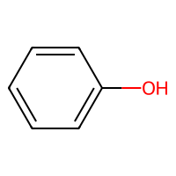
InChI=1S/C9H11NO3/c10-8(9(12)13)5-6-1-3-7(11)4-2-6/h1-4,8,11H,5,10H2,(H,12,13) | OUYCCCASQSFEME-UHFFFAOYSA-N | NC(Cc1ccc(O)cc1)C(=O)O | NC(Cc1ccc(O)c(-c2cc(CC(N)C(=O)O)ccc2O)c1)C(=O)O | 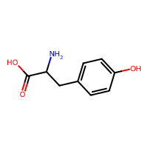
InChI=1S/C10H11NO4/c12-6-11-9(10(14)15)5-7-1-3-8(13)4-2-7/h1-4,6,9,13H,5H2,(H,11,12)(H,14,15) | ROUWPHMRHBMAFE-UHFFFAOYSA-N | O=CNC(Cc1ccc(O)cc1)C(=O)O | O=CNC(Cc1ccc(O)c(-c2cc(CC(NC=O)C(=O)O)ccc2O)c1)C(=O)O | 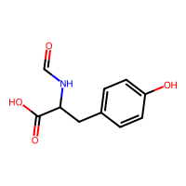
InChI=1S/C6H4Br2O/c7-4-1-2-6(9)5(8)3-4/h1-3,9H | FAXWFCTVSHEODL-UHFFFAOYSA-N | Oc1ccc(Br)cc1Br | Oc1c(Br)cc(Br)cc1-c1cc(Br)cc(Br)c1O | 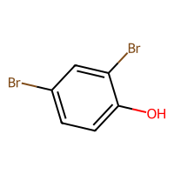
InChI=1S/C20H24O4/c1-13(8-15-4-6-17(21)19(10-15)22-3)14(2)9-16-5-7-18-20(11-16)24-12-23-18/h4-7,10-11,13-14,21H,8-9,12H2,1-3H3 | QDDILOVMGWUNGD-UHFFFAOYSA-N | COc1cc(CC(C)C(C)Cc2ccc3c(c2)OCO3)ccc1O | COc1cc(CC(C)C(C)Cc2ccc3c(c2)OCO3)cc(-c2cc(CC(C)C(C)Cc3ccc4c(c3)OCO4)cc(OC)c2O)c1O | 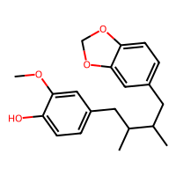
InChI=1S/C18H20N2O6/c19-13(17(22)23)7-10-1-4-12(5-2-10)26-16-9-11(3-6-15(16)21)8-14(20)18(24)25/h1-6,9,13-14,21H,7-8,19-20H2,(H,22,23)(H,24,25) | FWZXNPNHUWFOCM-UHFFFAOYSA-N | NC(Cc1ccc(Oc2cc(CC(N)C(=O)O)ccc2O)cc1)C(=O)O | NC(Cc1ccc(Oc2cc(CC(N)C(=O)O)cc(-c3cc(CC(N)C(=O)O)cc(Oc4ccc(CC(N)C(=O)O)cc4)c3O)c2O)cc1)C(=O)O | 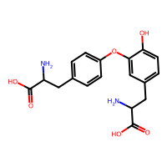
InChI=1S/C21H20O4/c22-13-18-11-19(23)21(25-15-17-9-5-2-6-10-17)20(12-18)24-14-16-7-3-1-4-8-16/h1-12,22-23H,13-15H2 | ZWFHSFBKIYWIHJ-UHFFFAOYSA-N | OCc1cc(O)c(OCc2ccccc2)c(OCc2ccccc2)c1 | OCc1cc(OCc2ccccc2)c(OCc2ccccc2)c(O)c1-c1c(CO)cc(OCc2ccccc2)c(OCc2ccccc2)c1O | 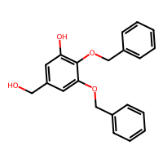
InChI=1S/C9H12O3/c10-6-9(12)5-7-1-3-8(11)4-2-7/h1-4,9-12H,5-6H2 | YUBJKXYXGZMUGT-UHFFFAOYSA-N | OCC(O)Cc1ccc(O)cc1 | OCC(O)Cc1ccc(O)c(-c2cc(CC(O)CO)ccc2O)c1 | 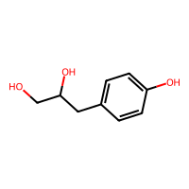
InChI=1S/C10H14O2/c1-3-4-8-5-6-9(11)10(7-8)12-2/h5-7,11H,3-4H2,1-2H3 | PXIKRTCSSLJURC-UHFFFAOYSA-N | CCCc1ccc(O)c(OC)c1 | CCCc1cc(OC)c(O)c(-c2cc(CCC)cc(OC)c2O)c1 | 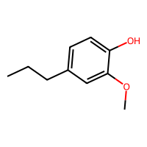
InChI=1S/C12H10N2O2/c1-2-16-12-6-9(3-4-11(12)15)5-10(7-13)8-14/h3-6,15H,2H2,1H3 | NICBMMKNBWCVPN-UHFFFAOYSA-N | CCOc1cc(C=C(C#N)C#N)ccc1O | CCOc1cc(C=C(C#N)C#N)cc(-c2cc(C=C(C#N)C#N)cc(OCC)c2O)c1O | 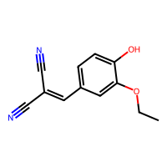
InChI=1S/C13H14N4O3/c1-8-5-10(16-15-8)13(19)17-14-7-9-3-4-11(18)12(6-9)20-2/h3-7,18H,1-2H3,(H,15,16)(H,17,19) | KRVQXHXVRHKZHY-UHFFFAOYSA-N | COc1cc(C=NNC(=O)c2cc(C)n[nH]2)ccc1O | COc1cc(C=NNC(=O)c2cc(C)n[nH]2)cc(-c2cc(C=NNC(=O)c3cc(C)n[nH]3)cc(OC)c2O)c1O | 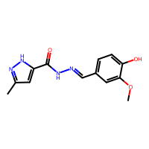
InChI=1S/C9H10O/c1-2-3-8-4-6-9(10)7-5-8/h2-7,10H,1H3 | UMFCIIBZHQXRCJ-UHFFFAOYSA-N | CC=Cc1ccc(O)cc1 | CC=Cc1ccc(O)c(-c2cc(C=CC)ccc2O)c1 | 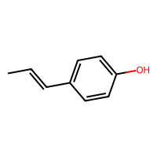
InChI=1S/C9H10O3/c1-6(10)7-3-4-8(11)9(5-7)12-2/h3-5,11H,1-2H3 | DFYRUELUNQRZTB-UHFFFAOYSA-N | COc1cc(C(C)=O)ccc1O | COc1cc(C(C)=O)cc(-c2cc(C(C)=O)cc(OC)c2O)c1O | 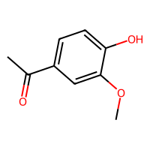
InChI=1S/C10H12O2/c1-3-4-8-5-6-9(11)10(7-8)12-2/h3,5-7,11H,1,4H2,2H3 | RRAFCDWBNXTKKO-UHFFFAOYSA-N | C=CCc1ccc(O)c(OC)c1 | C=CCc1cc(OC)c(O)c(-c2cc(CC=C)cc(OC)c2O)c1 | 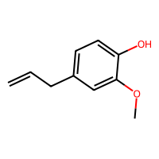
InChI=1S/C10H13BrO/c1-2-3-4-8-5-6-10(12)9(11)7-8/h5-7,12H,2-4H2,1H3 | UZZDEUNEMHGVDM-UHFFFAOYSA-N | CCCCc1ccc(O)c(Br)c1 | CCCCc1cc(Br)c(O)c(-c2cc(CCCC)cc(Br)c2O)c1 | 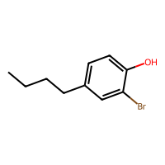
InChI=1S/C17H27NO3/c1-3-4-5-6-7-8-9-17(20)18-13-14-10-11-15(19)16(12-14)21-2/h10-12,19H,3-9,13H2,1-2H3,(H,18,20) | RGOVYLWUIBMPGK-UHFFFAOYSA-N | CCCCCCCCC(=O)NCc1ccc(O)c(OC)c1 | CCCCCCCCC(=O)NCc1cc(OC)c(O)c(-c2cc(CNC(=O)CCCCCCCC)cc(OC)c2O)c1 | 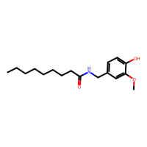
InChI=1S/C10H13ClO/c1-2-3-4-8-5-6-10(12)9(11)7-8/h5-7,12H,2-4H2,1H3 | XKPPCQGTLVOZEG-UHFFFAOYSA-N | CCCCc1ccc(O)c(Cl)c1 | CCCCc1cc(Cl)c(O)c(-c2cc(CCCC)cc(Cl)c2O)c1 | 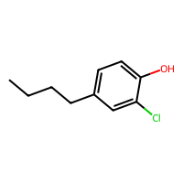
InChI=1S/C9H10O/c1-2-3-8-4-6-9(10)7-5-8/h2,4-7,10H,1,3H2 | RGIBXDHONMXTLI-UHFFFAOYSA-N | C=CCc1ccc(O)cc1 | C=CCc1ccc(O)c(-c2cc(CC=C)ccc2O)c1 | 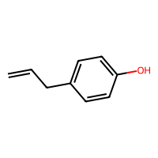
InChI=1S/C9H12O/c1-2-3-8-4-6-9(10)7-5-8/h4-7,10H,2-3H2,1H3 | KLSLBUSXWBJMEC-UHFFFAOYSA-N | CCCc1ccc(O)cc1 | CCCc1ccc(O)c(-c2cc(CCC)ccc2O)c1 | 
InChI=1S/C15H12N2O2/c1-19-15-9-11(5-6-14(15)18)8-12(10-16)13-4-2-3-7-17-13/h2-9,18H,1H3 | VNGWLLJZPDZEQS-UHFFFAOYSA-N | COc1cc(C=C(C#N)c2ccccn2)ccc1O | COc1cc(C=C(C#N)c2ccccn2)cc(-c2cc(C=C(C#N)c3ccccn3)cc(OC)c2O)c1O | 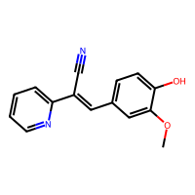
InChI=1S/C11H10N2O3/c1-16-10-5-7(2-3-9(10)14)4-8(6-12)11(13)15/h2-5,14H,1H3,(H2,13,15) | XGWRIMMSDUGXTL-UHFFFAOYSA-N | COc1cc(C=C(C#N)C(N)=O)ccc1O | COc1cc(C=C(C#N)C(N)=O)cc(-c2cc(C=C(C#N)C(N)=O)cc(OC)c2O)c1O | 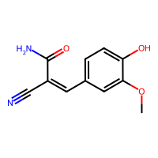
InChI=1S/C17H15NO4/c1-21-11-4-5-14-12(9-11)13(17(20)18-14)7-10-3-6-15(19)16(8-10)22-2/h3-9,19H,1-2H3,(H,18,20) | HJIUAKXVLWJZGX-UHFFFAOYSA-N | COc1ccc2c(c1)C(=Cc1ccc(O)c(OC)c1)C(=O)N2 | COc1ccc2c(c1)C(=Cc1cc(OC)c(O)c(-c3cc(C=C4C(=O)Nc5ccc(OC)cc54)cc(OC)c3O)c1)C(=O)N2 | 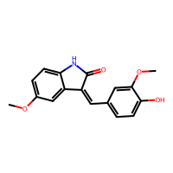
InChI=1S/C8H8O3/c1-11-8-4-6(5-9)2-3-7(8)10/h2-5,10H,1H3 | MWOOGOJBHIARFG-UHFFFAOYSA-N | COc1cc(C=O)ccc1O | COc1cc(C=O)cc(-c2cc(C=O)cc(OC)c2O)c1O | 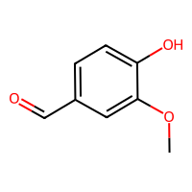
InChI=1S/C7H8O2/c8-5-6-3-1-2-4-7(6)9/h1-4,8-9H,5H2 | CQRYARSYNCAZFO-UHFFFAOYSA-N | OCc1ccccc1O | OCc1cccc(-c2cccc(CO)c2O)c1O | 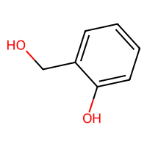
InChI=1S/C9H11ClO/c1-2-3-7-4-5-9(11)8(10)6-7/h4-6,11H,2-3H2,1H3 | WRLVTKZXVVEUPL-UHFFFAOYSA-N | CCCc1ccc(O)c(Cl)c1 | CCCc1cc(Cl)c(O)c(-c2cc(CCC)cc(Cl)c2O)c1 | 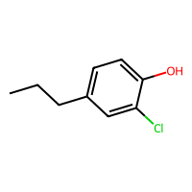
InChI=1S/C11H8N2O2/c1-15-11-5-8(2-3-10(11)14)4-9(6-12)7-13/h2-5,14H,1H3 | WKTJJISTXUHPEQ-UHFFFAOYSA-N | COc1cc(C=C(C#N)C#N)ccc1O | COc1cc(C=C(C#N)C#N)cc(-c2cc(C=C(C#N)C#N)cc(OC)c2O)c1O | 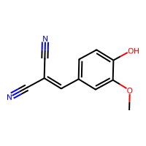
InChI=1S/C16H14N4O2/c1-22-15-8-11(6-7-14(15)21)9-17-19-16-13-5-3-2-4-12(13)10-18-20-16/h2-10,21H,1H3,(H,19,20) | SVSHYXWTWBGQIP-UHFFFAOYSA-N | COc1cc(C=NNc2nncc3ccccc23)ccc1O | COc1cc(C=NNc2nncc3ccccc23)cc(-c2cc(C=NNc3nncc4ccccc34)cc(OC)c2O)c1O | 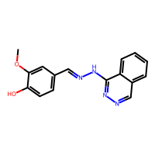
InChI=1S/C9H11BrO/c1-2-3-7-4-5-9(11)8(10)6-7/h4-6,11H,2-3H2,1H3 | UFUBQDNODUUQTD-UHFFFAOYSA-N | CCCc1ccc(O)c(Br)c1 | CCCc1cc(Br)c(O)c(-c2cc(CCC)cc(Br)c2O)c1 | 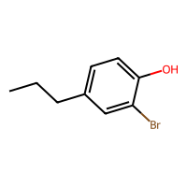
InChI=1S/C6H5BrO/c7-5-1-3-6(8)4-2-5/h1-4,8H | GZFGOTFRPZRKDS-UHFFFAOYSA-N | Oc1ccc(Br)cc1 | Oc1ccc(Br)cc1-c1cc(Br)ccc1O | 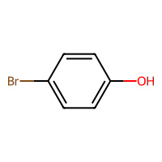
InChI=1S/C14H13N3O3/c1-20-13-8-10(2-3-12(13)18)9-16-17-14(19)11-4-6-15-7-5-11/h2-9,18H,1H3,(H,17,19) | PSWOBQSIXLVPDV-UHFFFAOYSA-N | COc1cc(C=NNC(=O)c2ccncc2)ccc1O | COc1cc(C=NNC(=O)c2ccncc2)cc(-c2cc(C=NNC(=O)c3ccncc3)cc(OC)c2O)c1O | 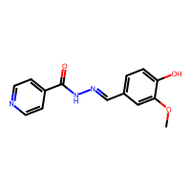
InChI=1S/C12H11NO4/c1-16-11-6-8(3-4-10(11)14)5-9(7-13)12(15)17-2/h3-6,14H,1-2H3 | RCBWIWZZJPDWRU-UHFFFAOYSA-N | COC(=O)C(C#N)=Cc1ccc(O)c(OC)c1 | COC(=O)C(C#N)=Cc1cc(OC)c(O)c(-c2cc(C=C(C#N)C(=O)OC)cc(OC)c2O)c1 | 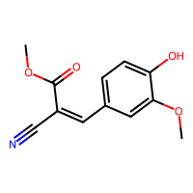
InChI=1S/C15H13N3O2S/c1-20-13-8-10(6-7-12(13)19)9-16-18-15-17-11-4-2-3-5-14(11)21-15/h2-9,19H,1H3,(H,17,18) | YGYUCPKKRGUHKY-UHFFFAOYSA-N | COc1cc(C=NNc2nc3ccccc3s2)ccc1O | COc1cc(C=NNc2nc3ccccc3s2)cc(-c2cc(C=NNc3nc4ccccc4s3)cc(OC)c2O)c1O | 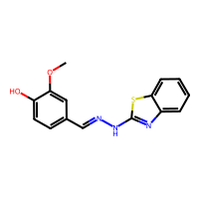
InChI=1S/C17H26O4/c1-3-4-5-6-14(18)12-15(19)9-7-13-8-10-16(20)17(11-13)21-2/h8,10-11,14,18,20H,3-7,9,12H2,1-2H3 | NLDDIKRKFXEWBK-UHFFFAOYSA-N | CCCCCC(O)CC(=O)CCc1ccc(O)c(OC)c1 | CCCCCC(O)CC(=O)CCc1cc(OC)c(O)c(-c2cc(CCC(=O)CC(O)CCCCC)cc(OC)c2O)c1 | 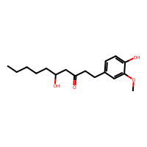
InChI=1S/C12H16O4/c1-9(13)16-7-3-4-10-5-6-11(14)12(8-10)15-2/h5-6,8,14H,3-4,7H2,1-2H3 | HWPCWZNRZMBRPO-UHFFFAOYSA-N | COc1cc(CCCOC(C)=O)ccc1O | COc1cc(CCCOC(C)=O)cc(-c2cc(CCCOC(C)=O)cc(OC)c2O)c1O | 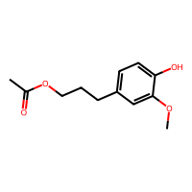
InChI=1S/C9H10O4/c1-12-8-5-6(9(11)13-2)3-4-7(8)10/h3-5,10H,1-2H3 | BVWTXUYLKBHMOX-UHFFFAOYSA-N | COC(=O)c1ccc(O)c(OC)c1 | COC(=O)c1cc(OC)c(O)c(-c2cc(C(=O)OC)cc(OC)c2O)c1 | 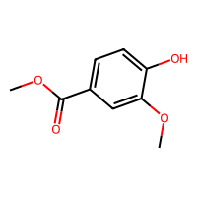
InChI=1S/C11H14O4/c1-8(12)15-6-5-9-3-4-10(13)11(7-9)14-2/h3-4,7,13H,5-6H2,1-2H3 | KYOAGPAAAMNAHU-UHFFFAOYSA-N | COc1cc(CCOC(C)=O)ccc1O | COc1cc(CCOC(C)=O)cc(-c2cc(CCOC(C)=O)cc(OC)c2O)c1O | 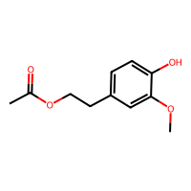
InChI=1S/C10H12O3/c1-8(11)13-7-6-9-2-4-10(12)5-3-9/h2-5,12H,6-7H2,1H3 | LDLOCPJLLDCCGO-UHFFFAOYSA-N | CC(=O)OCCc1ccc(O)cc1 | CC(=O)OCCc1ccc(O)c(-c2cc(CCOC(C)=O)ccc2O)c1 | 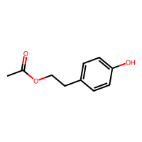
InChI=1S/C9H10O/c1-2-5-8-6-3-4-7-9(8)10/h2-4,6-7,10H,1,5H2 | QIRNGVVZBINFMX-UHFFFAOYSA-N | C=CCc1ccccc1O | C=CCc1cccc(-c2cccc(CC=C)c2O)c1O | 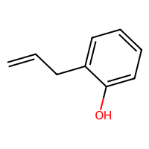
InChI=1S/C10H14O3/c1-13-10-7-8(3-2-6-11)4-5-9(10)12/h4-5,7,11-12H,2-3,6H2,1H3 | MWOMNLDJNQWJMK-UHFFFAOYSA-N | COc1cc(CCCO)ccc1O | COc1cc(CCCO)cc(-c2cc(CCCO)cc(OC)c2O)c1O | 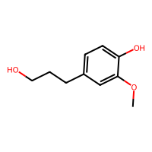
InChI=1S/C16H16N2O4/c1-21-15-9-13(7-8-14(15)19)10-17-18-16(20)22-11-12-5-3-2-4-6-12/h2-10,19H,11H2,1H3,(H,18,20) | CNVGPKQGZMFERO-UHFFFAOYSA-N | COc1cc(C=NNC(=O)OCc2ccccc2)ccc1O | COc1cc(C=NNC(=O)OCc2ccccc2)cc(-c2cc(C=NNC(=O)OCc3ccccc3)cc(OC)c2O)c1O | 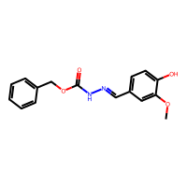
InChI=1S/C9H11NO3/c1-10-9(12)6-3-4-8(13-2)7(11)5-6/h3-5,11H,1-2H3,(H,10,12) | ACBJGYXUACIHCM-UHFFFAOYSA-N | CNC(=O)c1ccc(OC)c(O)c1 | CNC(=O)c1ccc(OC)c(O)c1-c1c(C(=O)NC)ccc(OC)c1O | 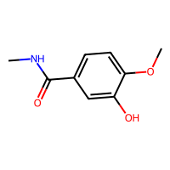
InChI=1S/C9H12O3/c1-12-9-6-7(4-5-10)2-3-8(9)11/h2-3,6,10-11H,4-5H2,1H3 | XHUBSJRBOQIZNI-UHFFFAOYSA-N | COc1cc(CCO)ccc1O | COc1cc(CCO)cc(-c2cc(CCO)cc(OC)c2O)c1O | 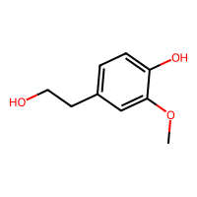
InChI=1S/C8H10O2/c1-6-2-3-8(10)7(4-6)5-9/h2-4,9-10H,5H2,1H3 | ZUVDVLYXIZFDRM-UHFFFAOYSA-N | Cc1ccc(O)c(CO)c1 | Cc1cc(CO)c(O)c(-c2cc(C)cc(CO)c2O)c1 | 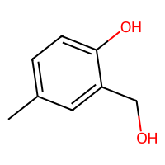
InChI=1S/C9H10O2/c10-8-3-1-7(2-4-8)5-9-6-11-9/h1-4,9-10H,5-6H2 | DFTIORCOZJOMGW-UHFFFAOYSA-N | Oc1ccc(CC2CO2)cc1 | Oc1ccc(CC2CO2)cc1-c1cc(CC2CO2)ccc1O | 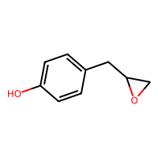
InChI=1S/C8H10O2/c9-6-5-7-1-3-8(10)4-2-7/h1-4,9-10H,5-6H2 | YCCILVSKPBXVIP-UHFFFAOYSA-N | OCCc1ccc(O)cc1 | OCCc1ccc(O)c(-c2cc(CCO)ccc2O)c1 | 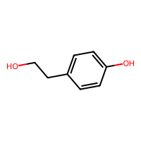
InChI=1S/C19H26O/c1-5-6-15-8-10-19(20)18(12-15)17-11-14(4)7-9-16(17)13(2)3/h5,8,10-13,16-17,20H,1,6-7,9H2,2-4H3 | DVWICNLRYXWRAY-UHFFFAOYSA-N | C=CCc1ccc(O)c(C2C=C(C)CCC2C(C)C)c1 | C=CCc1cc(-c2cc(CC=C)cc(C3C=C(C)CCC3C(C)C)c2O)c(O)c(C2C=C(C)CCC2C(C)C)c1 | 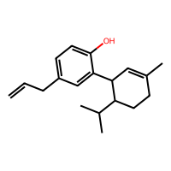
InChI=1S/C9H10O2/c1-2-9(11)7-3-5-8(10)6-4-7/h2-6,9-11H,1H2 | UGNPXYBKDPBTAZ-UHFFFAOYSA-N | C=CC(O)c1ccc(O)cc1 | C=CC(O)c1ccc(O)c(-c2cc(C(O)C=C)ccc2O)c1 | 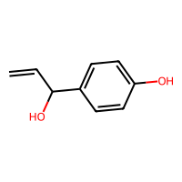
InChI=1S/C7H6O3/c8-6-3-1-5(2-4-6)7(9)10/h1-4,8H,(H,9,10) | FJKROLUGYXJWQN-UHFFFAOYSA-N | O=C(O)c1ccc(O)cc1 | O=C(O)c1ccc(O)c(-c2cc(C(=O)O)ccc2O)c1 | 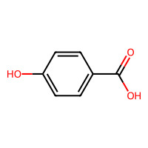
InChI=1S/C10H14O/c1-2-3-4-9-5-7-10(11)8-6-9/h5-8,11H,2-4H2,1H3 | CYYZDBDROVLTJU-UHFFFAOYSA-N | CCCCc1ccc(O)cc1 | CCCCc1ccc(O)c(-c2cc(CCCC)ccc2O)c1 | 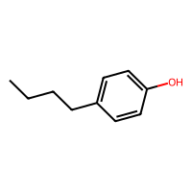
InChI=1S/C9H12O/c1-2-5-8-6-3-4-7-9(8)10/h3-4,6-7,10H,2,5H2,1H3 | LCHYEKKJCUJAKN-UHFFFAOYSA-N | CCCc1ccccc1O | CCCc1cccc(-c2cccc(CCC)c2O)c1O | 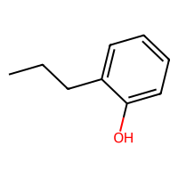
InChI=1S/C12H17NO/c1-4-5-10-6-7-12(14)11(8-10)9-13(2)3/h4,6-8,14H,1,5,9H2,2-3H3 | PTIHCYPQTNSDNU-UHFFFAOYSA-N | C=CCc1ccc(O)c(CN(C)C)c1 | C=CCc1cc(CN(C)C)c(O)c(-c2cc(CC=C)cc(CN(C)C)c2O)c1 | 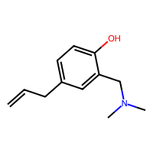
InChI=1S/C14H21NO3/c1-2-3-12-4-5-14(18)13(10-12)11-15(6-8-16)7-9-17/h2,4-5,10,16-18H,1,3,6-9,11H2 | LCDLHUSFPBIXPB-UHFFFAOYSA-N | C=CCc1ccc(O)c(CN(CCO)CCO)c1 | C=CCc1cc(CN(CCO)CCO)c(O)c(-c2cc(CC=C)cc(CN(CCO)CCO)c2O)c1 | 
InChI=1S/C15H23NO3/c1-3-4-13-5-6-15(18)14(11-13)12-16(2)7-9-19-10-8-17/h3,5-6,11,17-18H,1,4,7-10,12H2,2H3 | DDTUBJSLVVBBDB-UHFFFAOYSA-N | C=CCc1ccc(O)c(CN(C)CCOCCO)c1 | C=CCc1cc(CN(C)CCOCCO)c(O)c(-c2cc(CC=C)cc(CN(C)CCOCCO)c2O)c1 | 
InChI=1S/C13H17NO3/c1-3-4-10-5-6-12(15)11(7-10)8-14(2)9-13(16)17/h3,5-7,15H,1,4,8-9H2,2H3,(H,16,17) | MNGUJYXBLWPFOQ-UHFFFAOYSA-N | C=CCc1ccc(O)c(CN(C)CC(=O)O)c1 | C=CCc1cc(CN(C)CC(=O)O)c(O)c(-c2cc(CC=C)cc(CN(C)CC(=O)O)c2O)c1 | 
InChI=1S/C15H23NO3/c1-5-6-12-7-8-14(17)13(9-12)10-16(2)11-15(18-3)19-4/h5,7-9,15,17H,1,6,10-11H2,2-4H3 | ABMAKDICIXNYIV-UHFFFAOYSA-N | C=CCc1ccc(O)c(CN(C)CC(OC)OC)c1 | C=CCc1cc(CN(C)CC(OC)OC)c(O)c(-c2cc(CC=C)cc(CN(C)CC(OC)OC)c2O)c1 | 
InChI=1S/C12H18O/c1-2-3-4-5-6-11-7-9-12(13)10-8-11/h7-10,13H,2-6H2,1H3 | SZWBRVPZWJYIHI-UHFFFAOYSA-N | CCCCCCc1ccc(O)cc1 | CCCCCCc1ccc(O)c(-c2cc(CCCCCC)ccc2O)c1 | 
InChI=1S/C8H9BrO2/c1-5-3-8(11-2)7(10)4-6(5)9/h3-4,10H,1-2H3 | OSVCLUSXEQZGQS-UHFFFAOYSA-N | COc1cc(C)c(Br)cc1O | COc1cc(C)c(Br)c(-c2c(O)c(OC)cc(C)c2Br)c1O | 
InChI=1S/C9H10O3/c1-12-9(11)6-7-2-4-8(10)5-3-7/h2-5,10H,6H2,1H3 | XGDZEDRBLVIUMX-UHFFFAOYSA-N | COC(=O)Cc1ccc(O)cc1 | COC(=O)Cc1ccc(O)c(-c2cc(CC(=O)OC)ccc2O)c1 | 
InChI=1S/C9H10O3/c1-2-12-9(11)7-3-5-8(10)6-4-7/h3-6,10H,2H2,1H3 | NUVBSKCKDOMJSU-UHFFFAOYSA-N | CCOC(=O)c1ccc(O)cc1 | CCOC(=O)c1ccc(O)c(-c2cc(C(=O)OCC)ccc2O)c1 | 
InChI=1S/C10H11BrO2/c1-3-4-7-5-10(13-2)9(12)6-8(7)11/h3,5-6,12H,1,4H2,2H3 | NJDATCGTRGFWFL-UHFFFAOYSA-N | C=CCc1cc(OC)c(O)cc1Br | C=CCc1cc(OC)c(O)c(-c2c(O)c(OC)cc(CC=C)c2Br)c1Br | 
InChI=1S/C11H16O/c1-4-5-10-9(3)6-8(2)7-11(10)12/h6-7,12H,4-5H2,1-3H3 | FFEBZYTUVUAZHA-UHFFFAOYSA-N | CCCc1c(C)cc(C)cc1O | CCCc1c(C)cc(C)c(-c2c(C)cc(C)c(CCC)c2O)c1O | 
InChI=1S/C10H12O/c1-2-3-4-9-5-7-10(11)8-6-9/h2-3,5-8,11H,4H2,1H3 | CHQPRDVSUIJJNP-UHFFFAOYSA-N | CC=CCc1ccc(O)cc1 | CC=CCc1ccc(O)c(-c2cc(CC=CC)ccc2O)c1 | 
InChI=1S/C11H14O/c1-4-5-10-9(3)6-8(2)7-11(10)12/h4,6-7,12H,1,5H2,2-3H3 | VJBNTMUSFMRWSH-UHFFFAOYSA-N | C=CCc1c(C)cc(C)cc1O | C=CCc1c(C)cc(C)c(-c2c(C)cc(C)c(CC=C)c2O)c1O | 
InChI=1S/C13H20O4/c1-3-5-16-12-8-10(9-14)7-11(15)13(12)17-6-4-2/h7-8,14-15H,3-6,9H2,1-2H3 | PXUFCKVMJRPQFT-UHFFFAOYSA-N | CCCOc1cc(CO)cc(O)c1OCCC | CCCOc1cc(CO)c(-c2c(CO)cc(OCCC)c(OCCC)c2O)c(O)c1OCCC | 
InChI=1S/C15H14O/c16-15-11-9-14(10-12-15)8-4-7-13-5-2-1-3-6-13/h1-7,9-12,16H,8H2 | YNPGXIGIEYOFEX-UHFFFAOYSA-N | Oc1ccc(CC=Cc2ccccc2)cc1 | Oc1ccc(CC=Cc2ccccc2)cc1-c1cc(CC=Cc2ccccc2)ccc1O | 
InChI=1S/C10H12O3/c1-6-4-8(13-3)5-9(12)10(6)7(2)11/h4-5,12H,1-3H3 | WJBBJTQRZGMBEM-UHFFFAOYSA-N | COc1cc(C)c(C(C)=O)c(O)c1 | COc1cc(C)c(C(C)=O)c(O)c1-c1c(OC)cc(C)c(C(C)=O)c1O | 
InChI=1S/C10H12O3/c1-7(2)13-10(12)8-3-5-9(11)6-4-8/h3-7,11H,1-2H3 | CMHMMKSPYOOVGI-UHFFFAOYSA-N | CC(C)OC(=O)c1ccc(O)cc1 | CC(C)OC(=O)c1ccc(O)c(-c2cc(C(=O)OC(C)C)ccc2O)c1 | 
InChI=1S/C10H12O3/c1-2-7-13-10(12)8-3-5-9(11)6-4-8/h3-6,11H,2,7H2,1H3 | QELSKZZBTMNZEB-UHFFFAOYSA-N | CCCOC(=O)c1ccc(O)cc1 | CCCOC(=O)c1ccc(O)c(-c2cc(C(=O)OCCC)ccc2O)c1 | 
InChI=1S/C11H14O3/c1-2-3-8-14-11(13)9-4-6-10(12)7-5-9/h4-7,12H,2-3,8H2,1H3 | QFOHBWFCKVYLES-UHFFFAOYSA-N | CCCCOC(=O)c1ccc(O)cc1 | CCCCOC(=O)c1ccc(O)c(-c2cc(C(=O)OCCCC)ccc2O)c1 | 
InChI=1S/C11H14O3/c1-8(2)7-14-11(13)9-3-5-10(12)6-4-9/h3-6,8,12H,7H2,1-2H3 | XPJVKCRENWUEJH-UHFFFAOYSA-N | CC(C)COC(=O)c1ccc(O)cc1 | CC(C)COC(=O)c1ccc(O)c(-c2cc(C(=O)OCC(C)C)ccc2O)c1 | 
InChI=1S/C14H12O3/c15-13-8-6-12(7-9-13)14(16)17-10-11-4-2-1-3-5-11/h1-9,15H,10H2 | MOZDKDIOPSPTBH-UHFFFAOYSA-N | O=C(OCc1ccccc1)c1ccc(O)cc1 | O=C(OCc1ccccc1)c1ccc(O)c(-c2cc(C(=O)OCc3ccccc3)ccc2O)c1 | 
InChI=1S/C18H20O5/c1-21-16-11-15(20)13(17(22-2)18(16)23-3)9-10-14(19)12-7-5-4-6-8-12/h4-8,11,20H,9-10H2,1-3H3 | XXHGGLKQZUXJDI-UHFFFAOYSA-N | COc1cc(O)c(CCC(=O)c2ccccc2)c(OC)c1OC | COc1c(CCC(=O)c2ccccc2)c(O)c(-c2c(O)c(CCC(=O)c3ccccc3)c(OC)c(OC)c2OC)c(OC)c1OC | 
InChI=1S/C15H20N4O5/c1-9(20)19-12(6-10-2-4-11(21)5-3-10)15(24)18-8-14(23)17-7-13(16)22/h2-5,12,21H,6-8H2,1H3,(H2,16,22)(H,17,23)(H,18,24)(H,19,20) | PKQLOAZEQQZIMI-UHFFFAOYSA-N | CC(=O)NC(Cc1ccc(O)cc1)C(=O)NCC(=O)NCC(N)=O | CC(=O)NC(Cc1ccc(O)c(-c2cc(CC(NC(C)=O)C(=O)NCC(=O)NCC(N)=O)ccc2O)c1)C(=O)NCC(=O)NCC(N)=O | 
InChI=1S/C17H24N4O5/c1-9(15(18)24)19-16(25)10(2)20-17(26)14(21-11(3)22)8-12-4-6-13(23)7-5-12/h4-7,9-10,14,23H,8H2,1-3H3,(H2,18,24)(H,19,25)(H,20,26)(H,21,22) | ALZARGWPXMZHFV-UHFFFAOYSA-N | CC(=O)NC(Cc1ccc(O)cc1)C(=O)NC(C)C(=O)NC(C)C(N)=O | CC(=O)NC(Cc1ccc(O)c(-c2cc(CC(NC(C)=O)C(=O)NC(C)C(=O)NC(C)C(N)=O)ccc2O)c1)C(=O)NC(C)C(=O)NC(C)C(N)=O | 
InChI=1S/C9H12O3/c1-6(10)9(12)7-3-2-4-8(11)5-7/h2-6,9-12H,1H3 | FRXDKFQPTLRFRC-UHFFFAOYSA-N | CC(O)C(O)c1cccc(O)c1 | CC(O)C(O)c1ccc(-c2ccc(C(O)C(C)O)cc2O)c(O)c1 | 
InChI=1S/C9H8O2/c10-7-1-2-8-3-5-9(11)6-4-8/h1-7,11H | CJXMVKYNVIGQBS-UHFFFAOYSA-N | O=CC=Cc1ccc(O)cc1 | O=CC=Cc1ccc(O)c(-c2cc(C=CC=O)ccc2O)c1 | 
InChI=1S/C10H12O2/c1-3-4-8-7-9(11)5-6-10(8)12-2/h3,5-7,11H,1,4H2,2H3 | MSXGINIUVJNMLI-UHFFFAOYSA-N | C=CCc1cc(O)ccc1OC | C=CCc1cc(O)c(-c2cc(OC)c(CC=C)cc2O)cc1OC | 
InChI=1S/C12H16O2/c1-2-3-4-5-11-8-10(9-13)6-7-12(11)14/h6-9,14H,2-5H2,1H3 | CIYPAWJTVXGUOD-UHFFFAOYSA-N | CCCCCc1cc(C=O)ccc1O | CCCCCc1cc(C=O)cc(-c2cc(C=O)cc(CCCCC)c2O)c1O | 
InChI=1S/C10H10O2/c1-8-7-9(3-2-6-11)4-5-10(8)12/h2-7,12H,1H3 | NCYJZPOFUQQAGH-UHFFFAOYSA-N | Cc1cc(C=CC=O)ccc1O | Cc1cc(C=CC=O)cc(-c2cc(C=CC=O)cc(C)c2O)c1O | 
InChI=1S/C9H9ClO/c1-2-3-7-4-5-9(11)8(10)6-7/h2,4-6,11H,1,3H2 | UMJVBJVPFOCHFT-UHFFFAOYSA-N | C=CCc1ccc(O)c(Cl)c1 | C=CCc1cc(Cl)c(O)c(-c2cc(CC=C)cc(Cl)c2O)c1 | 
InChI=1S/C14H20O2/c1-2-3-4-5-6-7-13-10-12(11-15)8-9-14(13)16/h8-11,16H,2-7H2,1H3 | DOPAMQONYSUVKE-UHFFFAOYSA-N | CCCCCCCc1cc(C=O)ccc1O | CCCCCCCc1cc(C=O)cc(-c2cc(C=O)cc(CCCCCCC)c2O)c1O | 
InChI=1S/C12H16O2/c1-9(2)3-5-11-7-10(8-13)4-6-12(11)14/h4,6-9,14H,3,5H2,1-2H3 | ZAKIBFKWHWYYOF-UHFFFAOYSA-N | CC(C)CCc1cc(C=O)ccc1O | CC(C)CCc1cc(C=O)cc(-c2cc(C=O)cc(CCC(C)C)c2O)c1O | 
InChI=1S/C12H14O2/c1-2-4-11-9-10(5-3-8-13)6-7-12(11)14/h3,5-9,14H,2,4H2,1H3 | KGMUWEOLBATHSQ-UHFFFAOYSA-N | CCCc1cc(C=CC=O)ccc1O | CCCc1cc(C=CC=O)cc(-c2cc(C=CC=O)cc(CCC)c2O)c1O | 
InChI=1S/C10H13BrO2/c1-3-4-7-5-10(13-2)9(12)6-8(7)11/h5-6,12H,3-4H2,1-2H3 | IKSYYWYTTHLRKJ-UHFFFAOYSA-N | CCCc1cc(OC)c(O)cc1Br | CCCc1cc(OC)c(O)c(-c2c(O)c(OC)cc(CCC)c2Br)c1Br | 
InChI=1S/C9H11NO2/c1-12-9(10)6-7-2-4-8(11)5-3-7/h2-5,10-11H,6H2,1H3 | MGMOWRVFZGNNDR-UHFFFAOYSA-N | COC(=N)Cc1ccc(O)cc1 | COC(=N)Cc1ccc(O)c(-c2cc(CC(=N)OC)ccc2O)c1 | 
InChI=1S/C10H13BrO2/c1-7(11)5-8-3-4-9(12)10(6-8)13-2/h3-4,6-7,12H,5H2,1-2H3 | ASBDXQOJFIDYBJ-UHFFFAOYSA-N | COc1cc(CC(C)Br)ccc1O | COc1cc(CC(C)Br)cc(-c2cc(CC(C)Br)cc(OC)c2O)c1O | 
InChI=1S/C12H12O2/c1-2-4-11-9-10(5-3-8-13)6-7-12(11)14/h2-3,5-9,14H,1,4H2 | VVJDIFCWKFUTGM-UHFFFAOYSA-N | C=CCc1cc(C=CC=O)ccc1O | C=CCc1cc(C=CC=O)cc(-c2cc(C=CC=O)cc(CC=C)c2O)c1O | 
InChI=1S/C14H18O2/c1-2-3-4-7-13-11-12(6-5-10-15)8-9-14(13)16/h5-6,8-11,16H,2-4,7H2,1H3 | MQUZJRQKVGLASJ-UHFFFAOYSA-N | CCCCCc1cc(C=CC=O)ccc1O | CCCCCc1cc(C=CC=O)cc(-c2cc(C=CC=O)cc(CCCCC)c2O)c1O | 
InChI=1S/C15H22O/c1-11(2)6-5-7-13(4)14-9-8-12(3)10-15(14)16/h6,8-10,13,16H,5,7H2,1-4H3 | BTXSROVNGICYFE-UHFFFAOYSA-N | CC(C)=CCCC(C)c1ccc(C)cc1O | CC(C)=CCCC(C)c1ccc(C)c(-c2c(C)ccc(C(C)CCC=C(C)C)c2O)c1O | 
InChI=1S/C14H18O2/c1-11(2)5-7-13-10-12(4-3-9-15)6-8-14(13)16/h3-4,6,8-11,16H,5,7H2,1-2H3 | MBGWWHGDIGFRKG-UHFFFAOYSA-N | CC(C)CCc1cc(C=CC=O)ccc1O | CC(C)CCc1cc(C=CC=O)cc(-c2cc(C=CC=O)cc(CCC(C)C)c2O)c1O | 
InChI=1S/C10H10N2O2/c11-6-9(12-7-13)5-8-1-3-10(14)4-2-8/h1-4,7,9,14H,5H2,(H,12,13) | CWYWIPJZYALAHP-UHFFFAOYSA-N | N#CC(Cc1ccc(O)cc1)NC=O | N#CC(Cc1ccc(O)c(-c2cc(CC(C#N)NC=O)ccc2O)c1)NC=O | 
InChI=1S/C15H14O3/c16-14-8-6-12(7-9-14)10-15(17)18-11-13-4-2-1-3-5-13/h1-9,16H,10-11H2 | IUGQFMIATSVYLK-UHFFFAOYSA-N | O=C(Cc1ccc(O)cc1)OCc1ccccc1 | O=C(Cc1ccc(O)c(-c2cc(CC(=O)OCc3ccccc3)ccc2O)c1)OCc1ccccc1 | 
InChI=1S/C15H16N2O/c16-15(10-12-6-8-14(18)9-7-12)17-11-13-4-2-1-3-5-13/h1-9,18H,10-11H2,(H2,16,17) | YZPNISBJSRGTGM-UHFFFAOYSA-N | N=C(Cc1ccc(O)cc1)NCc1ccccc1 | N=C(Cc1ccc(O)c(-c2cc(CC(=N)NCc3ccccc3)ccc2O)c1)NCc1ccccc1 | 
InChI=1S/C11H14N2O3/c1-7(14)13-10(11(12)16)6-8-2-4-9(15)5-3-8/h2-5,10,15H,6H2,1H3,(H2,12,16)(H,13,14) | RJNKBEQRBIJDNM-UHFFFAOYSA-N | CC(=O)NC(Cc1ccc(O)cc1)C(N)=O | CC(=O)NC(Cc1ccc(O)c(-c2cc(CC(NC(C)=O)C(N)=O)ccc2O)c1)C(N)=O | 
InChI=1S/C19H25NO3/c1-13-6-5-7-14(2)19(13)23-12-15(3)20-11-16-8-9-17(21)18(10-16)22-4/h5-10,15,20-21H,11-12H2,1-4H3 | CKVTXOLGVSJAAO-UHFFFAOYSA-N | COc1cc(CNC(C)COc2c(C)cccc2C)ccc1O | COc1cc(CNC(C)COc2c(C)cccc2C)cc(-c2cc(CNC(C)COc3c(C)cccc3C)cc(OC)c2O)c1O | 
InChI=1S/C21H26O4/c1-24-19(12-9-17-10-13-20(23)21(14-17)25-2)15-18(22)11-8-16-6-4-3-5-7-16/h3-7,10,13-14,19,23H,8-9,11-12,15H2,1-2H3 | XYIISUAVSYEQLI-UHFFFAOYSA-N | COc1cc(CCC(CC(=O)CCc2ccccc2)OC)ccc1O | COc1cc(CCC(CC(=O)CCc2ccccc2)OC)cc(-c2cc(CCC(CC(=O)CCc3ccccc3)OC)cc(OC)c2O)c1O | 
InChI=1S/C12H9N5O/c18-10-4-1-8(2-5-10)13-14-9-3-6-11-12(7-9)16-17-15-11/h1-7,18H,(H,15,16,17) | XBFOPCKKVOKGMP-UHFFFAOYSA-N | Oc1ccc(N=Nc2ccc3nn[nH]c3c2)cc1 | Oc1ccc(N=Nc2ccc3nn[nH]c3c2)cc1-c1cc(N=Nc2ccc3nn[nH]c3c2)ccc1O | 

