MK22F51212
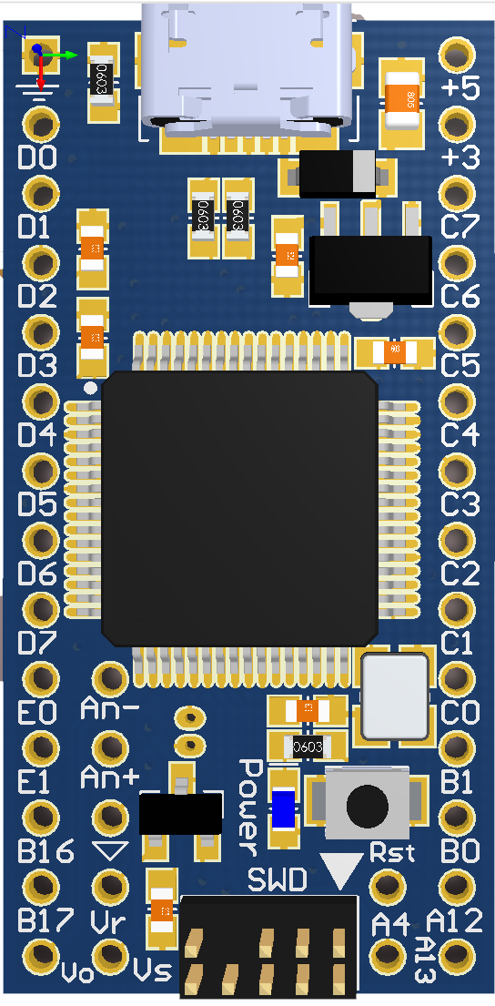

Pin Name | Pkg MK22F_DIPModule | MUX(7) | MUX(6) | MUX(4) | MUX(3) | MUX(2) | MUX(1) | MUX(0) | ALT5 | MUX(0) | MUX(1) | MUX(2) | MUX(3) | MUX(4) | MUX(6) | MUX(7)
PTD0/LLWU_P12 | p2_D0 |  | LPUART0_RTS | FTM3_CH0 | UART2_RTS | SPI0_PCS0 | PTD0 LLWU_P12 |  | FB_ALE/FB_CS1/FB_TS
PTD1 | p3_D1 |  | LPUART0_CTS | FTM3_CH1 | UART2_CTS | SPI0_SCK | PTD1 | ADC0_SE5b | FB_CS0 | CMP0_IN1 | PTC7 | SPI0_SIN | USB_SOF_OUT | I2S0_RX_FS
PTD2/LLWU_P13 | p4_D2 | I2C0_SCL | LPUART0_RX | FTM3_CH2 | UART2_RX | SPI0_SOUT | PTD2 LLWU_P13 |  | FB_AD4 | CMP0_IN0 | PTC6 LLWU_P10 | SPI0_SOUT | PDB0_EXTRG | I2S0_RXCLK | I2S0_MCLK
PTD3 | p5_D3 | I2C0_SDA | LPUART0_TX | FTM3_CH3 | UART2_TX | SPI0_SIN | PTD3 |  | FB_AD3 |  | PTC5 LLWU_P9 | SPI0_SCK | LPTMR0_ALT2 | I2S0_RXD0 | CMP0_OUT | FTM0_CH2
PTD4/LLWU_P14 | p6_D4 | SPI1_PCS0 | EWM_IN | FTM0_CH4 | UART0_RTS | SPI0_PCS1 | PTD4 LLWU_P14 |  | FB_AD2 |  | PTC4 LLWU_P8 | SPI0_PCS0 | UART1_TX | FTM0_CH3 | CMP1_OUT | LPUART0_TX
PTD5 | p7_D5 | SPI1_SCK | EWM_OUT | FTM0_CH5 | UART0_CTS | SPI0_PCS2 | PTD5 | ADC0_SE6b | FB_AD1 | CMP1_IN1 | PTC3 LLWU_P7 | SPI0_PCS1 | UART1_RX | FTM0_CH2 | I2S0_TXCLK | LPUART0_RX
PTD6/LLWU_P15 | p8_D6 | SPI1_SOUT | FTM0_FLT0 | FTM0_CH6 | UART0_RX | SPI0_PCS3 | PTD6 LLWU_P15 | ADC0_SE7b | FB_AD0 | ADC0_SE4b CMP1_IN0 | PTC2 | SPI0_PCS2 | UART1_CTS | FTM0_CH1 | I2S0_TX_FS | LPUART0_CTS
PTD7 | p9_D7 | SPI1_SIN | FTM0_FLT1 | FTM0_CH7 | UART0_TX |  | PTD7 |  |  | ADC0_SE15 | PTC1 LLWU_P6 | SPI0_PCS3 | UART1_RTS | FTM0_CH0 | I2S0_TXD0 | LPUART0_RTS
PTE0/CLKOUT32K | p10_E0 | RTC_CLKOUT | I2C1_SDA |  | UART1_TX | SPI1_PCS1 | PTE0 CLKOUT32K | ADC1_SE4a |  | ADC0_SE14 | PTC0 | SPI0_PCS4 | PDB0_EXTRG | USB_SOF_OUT
PTE1/LLWU_P0 | p11_E1 | SPI1_SIN | I2C1_SCL |  | UART1_RX | SPI1_SOUT | PTE1 LLWU_P0 | ADC1_SE5a |  | ADCx_SE9 | PTB1 | I2C0_SDA | FTM1_CH1 |  | FTM1_QD_PHB
PTB16 | p12_B16 |  | EWM_IN | FTM_CLKIN0 | UART0_RX | SPI1_SOUT | PTB16 |  | FB_AD17 | ADCx_SE8 | PTB0 LLWU_P5 | I2C0_SCL | FTM1_CH0 |  | FTM1_QD_PHA
PTB17 | p13_B17 |  | EWM_OUT | FTM_CLKIN1 | UART0_TX | SPI1_SIN | PTB17 |  | FB_AD16 |  | PTA12 |  | FTM1_CH0 |  | I2S0_TXD0 | FTM1_QD_PHA
DAC0_OUT/CMP1_IN3/ADC0_SE23 | p14_Vo |  |  |  |  | DAC0_OUT/CMP1_IN3/ADC0_SE23 |  |  |  |  | PTA13 LLWU_P4 |  | FTM1_CH1 |  | I2S0_TX_FS | FTM1_QD_PHB

PTC7 | p26_C7 | CMP0_IN1 | PTC7 | SPI0_SIN | USB_SOF_OUT | I2S0_RX_FS |  |  | FB_AD8
PTC6/LLWU_P10 | p25_C6 | CMP0_IN0 | PTC6/LLWU_P10 | SPI0_SOUT | PDB0_EXTRG | I2S0_RXCLK | I2S0_MCLK |  | FB_AD9
PTC5/LLWU_P9 | p24_C5 |  | PTC5/LLWU_P9 | SPI0_SCK | LPTMR0_ALT2 | I2S0_RXD0 | CMP0_OUT | FTM0_CH2 | FB_AD10
PTC4/LLWU_P8 | p23_C4 |  | PTC4/LLWU_P8 | SPI0_PCS0 | UART1_TX | FTM0_CH3 | CMP1_OUT | LPUART0_TX | FB_AD11
PTC3/LLWU_P7 | p22_C3 | CMP1_IN1 | PTC3/LLWU_P7 | SPI0_PCS1 | UART1_RX | FTM0_CH2 | I2S0_TXCLK | LPUART0_RX | CLKOUT
PTC2 | p21_C2 | ADC0_SE4b/ CMP1_IN0 | PTC2 | SPI0_PCS2 | UART1_CTS | FTM0_CH1 | I2S0_TX_FS | LPUART0_CTS | FB_AD12
PTC1/LLWU_P6 | p20_C1 | ADC0_SE15 | PTC1/LLWU_P6 | SPI0_PCS3 | UART1_RTS | FTM0_CH0 | I2S0_TXD0 | LPUART0_RTS | FB_AD13
PTC0 | p19_C0 | ADC0_SE14 | PTC0 | SPI0_PCS4 | PDB0_EXTRG | USB_SOF_OUT |  |  | FB_AD14
PTB1 | p181 | ADCx_SE9 | PTB1 | I2C0_SDA | FTM1_CH1 |  | FTM1_QD_PHB
PTB0/LLWU_P5 | p170 | ADCx_SE8 | PTB0/LLWU_P5 | I2C0_SCL | FTM1_CH0 |  | FTM1_QD_PHA
PTA12 | p16_A12 |  | PTA12 |  | FTM1_CH0 |  | I2S0_TXD0 | FTM1_QD_PHA
PTA13/LLWU_P4 | p15_A13 |  | PTA13/LLWU_P4 |  | FTM1_CH1 |  | I2S0_TX_FS | FTM1_QD_PHB

PTB3 | p181_alt | ADC0_SE13 | PTB3 | I2C0_SDA | UART0_CTS |  | FTM0_FLT0
PTB19 | p1317_alt |  | PTB19 |  | FTM2_CH1 | I2S0_TX_FS | FTM2_QD_PHB |  | FB_OE
PTB18 | p1216_alt |  | PTB18 |  | FTM2_CH0 | I2S0_TXCLK | FTM2_QD_PHA |  | FB_AD15
PTB2 | p170_alt | ADC0_SE12 | PTB2 | I2C0_SCL | UART0_RTS |  | FTM0_FLT3

RESET | p16b_Rst
ADC0_DM0/ADC1_DM3 | p10b_An_minus
ADC0_DP0/ADC1_DP3 | p11b_An_plus
VREFH | p13b_Vr
VBAT | p14b_Vb
PTA4/LLWU_P3 | p15b_A4 |  | PTA4/LLWU_P3 |  | FTM0_CH1 |  |  | NMI

PTA5 | LED |  | PTA5 | USB_CLKIN | FTM0_CH2 |  | I2S0_TXCLK | JTAG_TRST
PTC8 | SD_SW | ADC1_SE4b/ CMP0_IN2 | PTC8 |  | FTM3_CH4 | I2S0_MCLK |  |  | FB_AD7
PTC9 |  | ADC1_SE5b/ CMP0_IN3 | PTC9 |  | FTM3_CH5 | I2S0_RXCLK | FTM2_FLT0 |  | FB_AD6
PTC10 |  | ADC1_SE6b | PTC10 | I2C1_SCL | FTM3_CH6 | I2S0_RX_FS |  |  | FB_AD5

PTA19 | xtal_24MHz | XTAL0 | PTA19 |  | FTM1_FLT0 | FTM_CLKIN1 | LPTMR0_ALT1
XTAL32 | xtal_32kHz
PTA18 | extal_24MHz | EXTAL0 | PTA18 |  | FTM0_FLT2 | FTM_CLKIN0
EXTAL32 | extal_32kHz

Sheet1
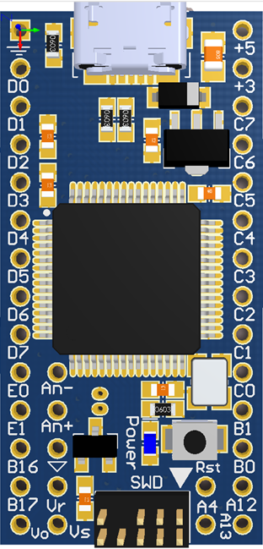
MUX(7) | MUX(6) | MUX(4) | MUX(3) | MUX(2) | MUX(1) | MUX(0) | ALT5 | MUX(0) | MUX(1) | MUX(2) | MUX(3) | MUX(4) | MUX(6) | MUX(7)
 |  |  |  |  |  | Gnd |  | Vusb, 5V IN
 | LPUART0_RTS | FTM3_CH0 | UART2_RTS | SPI0_PCS0 | PTD0 LLWU_P12 |  | FB_ALE/FB_CS1/FB_TS | Vdd = 3.3V
 | LPUART0_CTS | FTM3_CH1 | UART2_CTS | SPI0_SCK | PTD1 | ADC0_SE5b | FB_CS0 | CMP0_IN1 | PTC7 | SPI0_SIN | USB_SOF_OUT | I2S0_RX_FS
I2C0_SCL | LPUART0_RX | FTM3_CH2 | UART2_RX | SPI0_SOUT | PTD2 LLWU_P13 |  | FB_AD4 | CMP0_IN0 | PTC6 LLWU_P10 | SPI0_SOUT | PDB0_EXTRG | I2S0_RXCLK | I2S0_MCLK
I2C0_SDA | LPUART0_TX | FTM3_CH3 | UART2_TX | SPI0_SIN | PTD3 |  | FB_AD3 |  | PTC5 LLWU_P9 | SPI0_SCK | LPTMR0_ALT2 | I2S0_RXD0 | CMP0_OUT | FTM0_CH2
SPI1_PCS0 | EWM_IN | FTM0_CH4 | UART0_RTS | SPI0_PCS1 | PTD4 LLWU_P14 |  | FB_AD2 |  | PTC4 LLWU_P8 | SPI0_PCS0 | UART1_TX | FTM0_CH3 | CMP1_OUT | LPUART0_TX
SPI1_SCK | EWM_OUT | FTM0_CH5 | UART0_CTS | SPI0_PCS2 | PTD5 | ADC0_SE6b | FB_AD1 | CMP1_IN1 | PTC3 LLWU_P7 | SPI0_PCS1 | UART1_RX | FTM0_CH2 | I2S0_TXCLK | LPUART0_RX
SPI1_SOUT | FTM0_FLT0 | FTM0_CH6 | UART0_RX | SPI0_PCS3 | PTD6 LLWU_P15 | ADC0_SE7b | FB_AD0 | ADC0_SE4b CMP1_IN0 | PTC2 | SPI0_PCS2 | UART1_CTS | FTM0_CH1 | I2S0_TX_FS | LPUART0_CTS
SPI1_SIN | FTM0_FLT1 | FTM0_CH7 | UART0_TX |  | PTD7 |  |  | ADC0_SE15 | PTC1 LLWU_P6 | SPI0_PCS3 | UART1_RTS | FTM0_CH0 | I2S0_TXD0 | LPUART0_RTS
RTC_CLKOUT | I2C1_SDA |  | UART1_TX | SPI1_PCS1 | PTE0 CLKOUT32K | ADC1_SE4a |  | ADC0_SE14 | PTC0 | SPI0_PCS4 | PDB0_EXTRG | USB_SOF_OUT
SPI1_SIN | I2C1_SCL |  | UART1_RX | SPI1_SOUT | PTE1 LLWU_P0 | ADC1_SE5a |  | ADCx_SE9 | PTB1 | I2C0_SDA | FTM1_CH1 |  | FTM1_QD_PHB
 | EWM_IN | FTM_CLKIN0 | UART0_RX | SPI1_SOUT | PTB16 |  | FB_AD17 | ADCx_SE8 | PTB0 LLWU_P5 | I2C0_SCL | FTM1_CH0 |  | FTM1_QD_PHA
 | EWM_OUT | FTM_CLKIN1 | UART0_TX | SPI1_SIN | PTB17 |  | FB_AD16 |  | PTA12 |  | FTM1_CH0 |  | I2S0_TXD0 | FTM1_QD_PHA
 |  |  | DAC0_OUT/CMP1_IN3/ADC0_SE23 |  |  |  |  |  | PTA13 LLWU_P4 |  | FTM1_CH1 |  | I2S0_TX_FS | FTM1_QD_PHB

