Transaction Forecast
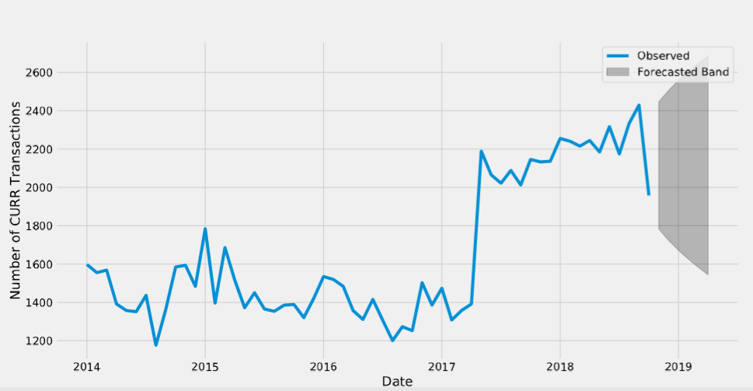
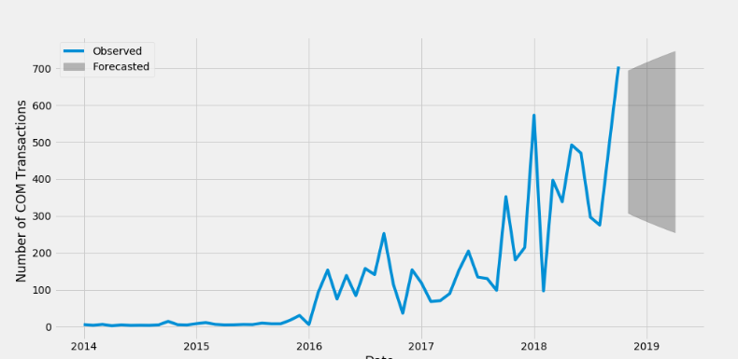
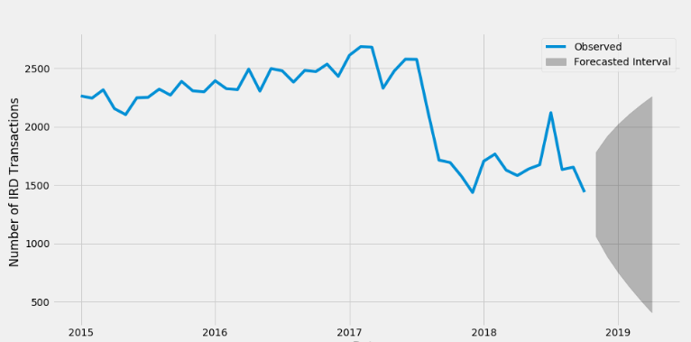
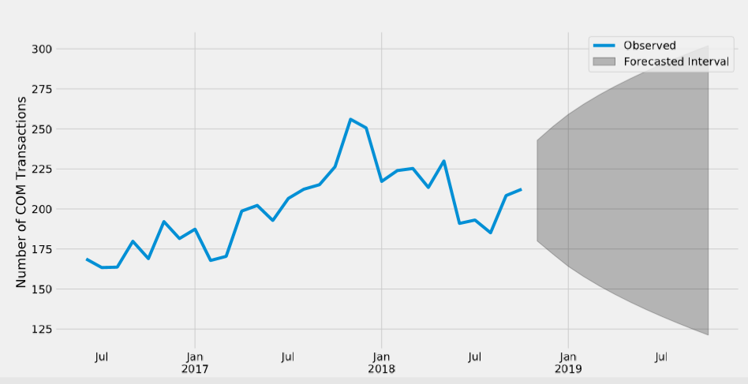
Asset Class Based Transaction Forecast
CURR |  |  | COM |  |  | IRD |  |  | SCF
 |  | Projected Number of Transactions |  |  | Projected Number of Transactions |  |  | Projected Number of Transactions |  |  | Projected Number of Transactions
 | Nov-18 | 2447 |  | Nov-18 | 694 |  | Nov-18 | 1781 |  | Nov-18 | 243
 | Dec-18 | 2506 |  | Dec-18 | 706 |  | Dec-18 | 1917 |  | Dec-18 | 251
 | Jan-19 | 2558 |  | Jan-19 | 717 |  | Jan-19 | 2022 |  | Jan-19 | 259
 | Feb-19 | 2604 |  | Feb-19 | 727 |  | Feb-19 | 2110 |  | Feb-19 | 266
 | Mar-19 | 2647 |  | Mar-19 | 737 |  | Mar-19 | 2188 |  | Mar-19 | 271
 | Apr-19 | 2686 |  | Apr-19 | 747 |  | Apr-19 | 2259 |  | Apr-19 | 277

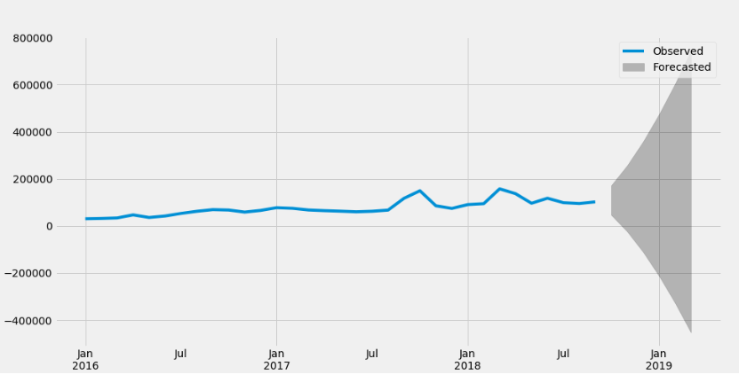
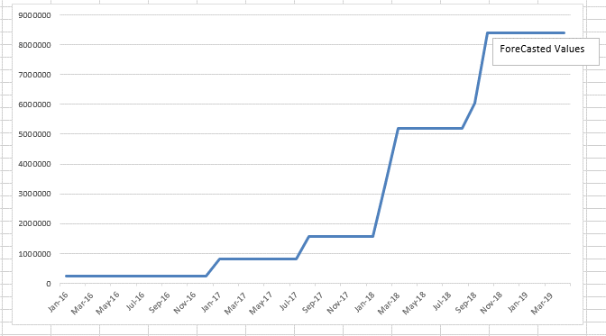
Market Data Based Transaction Forecast
BLOB |  |  | Normal
 |  | Projected Number of Transactions |  |  | Projected Number of Transactions
 | Nov-18 | 172278 |  | Nov-18 | 8,382,108
 | Dec-18 | 256833 |  | Dec-18 | 8,382,108
 | Jan-19 | 358259 |  | Jan-19 | 8,382,108
 | Feb-19 | 474081 |  | Feb-19 | 8,382,108
 | Mar-19 | 602636 |  | Mar-19 | 8,382,108
 | Apr-19 | 742722 |  | Apr-19 | 8,382,108

