Sheet1
WHO Region | Populations as % of world | Health expenditure as % of world
African Region | 13 | 1
Region of the Americas | 14 | 48
South-East Asia Region | 26 | 2
European Region | 13 | 29
Eastern Mediterranean Region | 9 | 2
Western Pacific Region | 26 | 19

Sheet2
 | 1970 | 1971 | 1972 | 1973 | 1974 | 1975 | 1976 | 1977 | 1978 | 1979 | 1980 | 1981 | 1982 | 1983 | 1984 | 1985 | 1986 | 1987 | 1988 | 1989 | 1990 | 1991 | 1992 | 1993 | 1994 | 1995 | 1996 | 1997 | 1998 | 1999 | 2000 | 2001 | 2002 | 2003 | 2004 | 2005 | 2006 | 2007 | 2008 | 2009 | 2010
Canada | 6.9 | 7.2 | 7.0 | 6.7 | 6.6 | 7.0 | 7.0 | 6.9 | 6.9 | 6.8 | 7.0 | 7.2 | 8.0 | 8.2 | 8.1 | 8.1 | 8.4 | 8.3 | 8.2 | 8.4 | 8.9 | 9.6 | 9.8 | 9.7 | 9.4 | 9.0 | 8.8 | 8.8 | 9.0 | 8.9 | 8.8 | 9.3 | 9.6 | 9.8 | 9.8 | 9.8 | 10.0 | 10.0 | 10.3 | 11.4 | 11.4
Japan | 4.4 | 4.5 | 4.7 | 4.5 | 5.0 | 5.5 | 5.5 | 5.6 | 5.8 | 6.0 | 6.4 | 6.4 | 6.6 | 6.7 | 6.5 | 6.5 | 6.5 | 6.5 | 6.2 | 6.0 | 5.8 | 5.9 | 6.1 | 6.4 | 6.7 | 6.8 | 7.0 | 6.9 | 7.2 | 7.4 | 7.6 | 7.8 | 7.9 | 8.0 | 8.0 | 8.2 | 8.2 | 8.2 | 8.6 | 9.5 | 9.6
New Zealand | 5.2 | 5.2 | 5.2 | 5.4 | 6.1 | 6.6 | 6.1 | 6.4 | 6.9 | 6.4 | 5.8 | 5.8 | 5.9 | 5.8 | 5.5 | 5.0 | 5.1 | 5.7 | 6.3 | 6.4 | 6.8 | 7.3 | 7.4 | 7.1 | 7.1 | 7.1 | 7.0 | 7.2 | 7.7 | 7.5 | 7.6 | 7.7 | 8.0 | 7.9 | 8.0 | 8.4 | 8.8 | 8.5 | 9.3 | 10.0 | 10.2
United States | 7.1 | 7.3 | 7.4 | 7.4 | 7.7 | 8.0 | 8.3 | 8.4 | 8.4 | 8.5 | 9.0 | 9.4 | 10.2 | 10.3 | 10.2 | 10.4 | 10.6 | 10.8 | 11.3 | 11.7 | 12.4 | 13.1 | 13.4 | 13.7 | 13.6 | 13.7 | 13.7 | 13.6 | 13.6 | 13.6 | 13.7 | 14.3 | 15.2 | 15.7 | 15.8 | 15.8 | 15.9 | 16.2 | 16.6 | 17.7 | 17.7

Sheet3
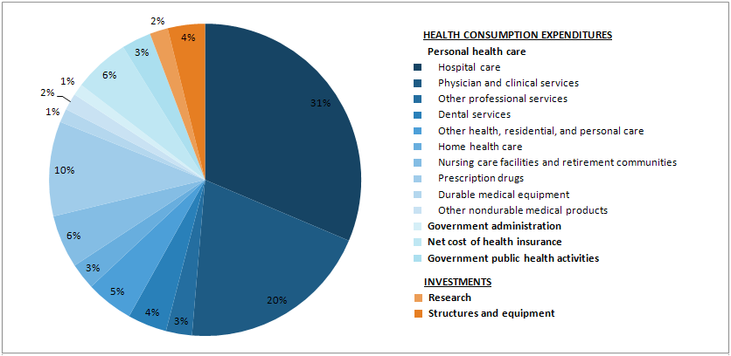
National health expenditures | 100.0

HEALTH CONSUMPTION EXPENDITURES
Personal health care
Hospital care | 31.4
Physician and clinical services | 20.0
Other professional services | 2.7
Dental services | 4.0
Other health, residential, and personal care | 4.9
Home health care | 2.7
Nursing care facilities and retirement communities | 5.5
Prescription drugs | 9.8
Durable medical equipment | 1.4
Other nondurable medical products | 1.7
Government administration | 1.2
Net cost of health insurance | 5.8
Government public health activities | 3.1
INVESTMENTS
Research | 1.9
Structures and equipment | 3.9
HEALTH CONSUMPTION EXPENDITURES
Personal health care
Hospital care | 31.4
Physician and clinical services | 20.0
Other professional services | 2.7
Dental services | 4.0
Other health, residential, and personal care | 4.9
Home health care | 2.7
Nursing care facilities and retirement communities | 5.5
Prescription drugs | 9.8
Durable medical equipment | 1.4
Other nondurable medical products | 1.7
Government administration | 1.2
Net cost of health insurance | 5.8
Government public health activities | 3.1
INVESTMENTS
Research | 1.9
Structures and equipment | 3.9

Sheet4
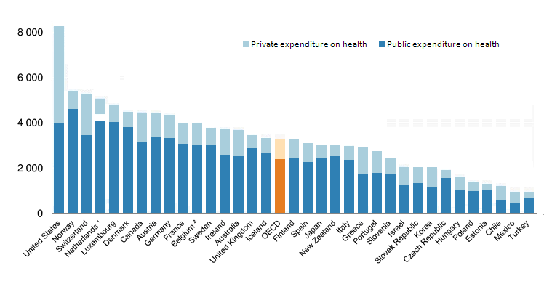
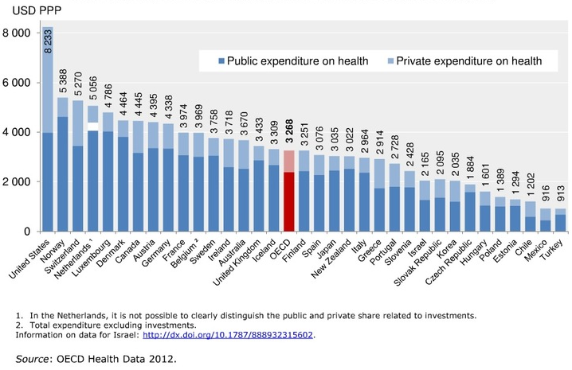
United States | 8233
Norway | 5388
Switzerland | 5270
Netherlands | 5056
Luxembourg | 4786
Denmark | 4464
Canada | 4445
Austria | 4395
Germany | 4338
France | 3974
Belgium | 3969
Sweden | 3758
Ireland | 3718
Australia | 3670
United Kingdom | 3433
Iceland | 3309
OECD | 3268
Finland | 3251
Spain | 3076
Japan | 3035
New Zealand | 3022
Italy | 2964 | *Image only
Greece | 2914 |  | Original copy
Portugal | 2728
Slovenia | 2428
Israel | 2165
Slovak Republic | 2095
Korea | 2035
Czech Republic | 1884
Hungary | 1601
Poland | 1389
Estonia | 1294
Chile | 1202
Mexico | 916
Turkey | 913

Sheet5
 | Public expenditure on health | Private expenditure on health
Australia | 2,340 | 1,101
OECD | 2354 | 869
Japan | 2,644 | 560
New Zealand | 2,513 | 507
Singapore | 825 | 1,448
Korea, Rep. | 1,193 | 830
Brunei Darussalam | 1,230 | 219
Malaysia | 356 | 285
Asia-19 | 382 | 234
China | 203 | 176
Thailand | 247 | 82
Solomon Islands | 212 | 15
Mongolia | 120 | 98
Viet Nam | 81 | 134
Fiji | 139 | 59
Sri Lanka | 66 | 82
Philippines | 50 | 92
India | 39 | 94
Cambodia | 45 | 76
Indonesia | 55 | 57
Lao PDR | 32 | 65
Papua New Guinea | 63 | 25
Nepal | 22 | 44
Pakistan | 23 | 36
Bangladesh | 19 | 38
Myanmar | 4 | 30

Sheet6
 | Government | Out of pocket | Private insurance | Others
U.S. | 47.57070735 | 11.74833626 | 33.26994406 | 7.4110123405
Australia | 67.82833322 | 19.282442379 | 7.8339888368 | 5.0552355639
Indonesia | 37.69159019 | 47.205777318 | 2.2885628568 | 12.814069635
Japan | 82.09897444 | 14.431910486 | 2.4236251851 | 1.0454898893
Malaysia | 57.40462017 | 33.216672541 | 7.5239374178 | 1.8547698713
New Zealand | 83.17431132 | 10.529634281 | 4.9201355768 | 1.3759188225
Philippines | 37.20508262 | 52.512820785 | 7.2397702898 | 3.0423263051
Singapore | 33.72372168 | 62.563880059 | 2.1827522222 | 1.5296460386
 | Government | Out of pocket | Private insurance | Others
U.S. | 47.57070735 | 11.74833626 | 33.26994406 | 7.4110123405
Australia | 67.82833322 | 19.282442379 | 7.8339888368 | 5.0552355639
Indonesia | 37.69159019 | 47.205777318 | 2.2885628568 | 12.814069635
Japan | 82.09897444 | 14.431910486 | 2.4236251851 | 1.0454898893
Malaysia | 57.40462017 | 33.216672541 | 7.5239374178 | 1.8547698713
New Zealand | 83.17431132 | 10.529634281 | 4.9201355768 | 1.3759188225
Philippines | 37.20508262 | 52.512820785 | 7.2397702898 | 3.0423263051
Singapore | 33.72372168 | 62.563880059 | 2.1827522222 | 1.5296460386

Sheet7
Medical care services
Hospitals
Doctors
Patients Public
Charity
$$
$$
$$$ Money $$$

Sheet8
Factors Influencing Flow of Funds
•Quality of medical care
•Public and private charges
•Research/technology/innovation
•Time
•Contracts
Private Insurance
Government Programs
Managed Care
Hospitals
Doctors
Other Providers
Regulations
Outflows
$$$ Payments,
Reimbursements
Medical care services
Insurance premiums,
$$$ Taxes
$$ Money/Direct payment $$
Inflows
Patients
Consuming Public
Employees

Sheet9
 | 2012 | 2013 | 2014 | 2015 | 2016 | 2017 | 2018 | 2019 | 2020 | 2020 | 2022
Hospital care | 892.4 | 929 | 973.2 | 1027.5 | 1091.6 | 1158.1 | 1232.3 | 1310.7 | 1397.4 | 1485.2 | 1581.3
Physician and Clinical Services | 566.5 | 588.8 | 630.7 | 664.9 | 698 | 736.5 | 782.8 | 834.6 | 890.7 | 948.9 | 1012
Net cost of health insurance | 166.3 | 180 | 199.4 | 215.3 | 224.3 | 233.8 | 243.6 | 261.1 | 277.8 | 296.2 | 313.2
Prescription drugs | 260.8 | 262.3 | 275.9 | 294.9 | 311.6 | 330.7 | 350.6 | 372.7 | 397.9 | 425.5 | 455
Others | 920.6 | 954.6 | 1014 | 1070.8 | 1132.8 | 1201.3 | 1279.8 | 1363.3 | 1452.4 | 1546.2 | 1647.3

 | 2012 | 2013 | 2014 | 2015 | 2016 | 2017 | 2018 | 2019 | 2020 | 2020 | 2022
National Health Expenditures | 2807 | 2915 | 3093 | 3273 | 3458 | 3660 | 3889 | 4142 | 4416 | 4702 | 5009
Others | 12872 | 13281 | 13832 | 14532 | 15362 | 16233 | 17078 | 17869 | 18632 | 19406 | 20208

GDP | $15,679.00 | $16,196.00 | $16,925.00 | $17,805.00 | $18,820.00 | $19,893.00 | $20,967.00 | $22,011.00 | $23,048.00 | $24,108.00 | $25,217.00
 |  |  | $5.47 |  |  |  |  |  |  |  | $5.03

 | Others | Net cost of health insurance | Prescription drugs | Physician and Clinical Services | Hospital care
2012 | 920.6 | 166.3 | 260.8 | 566.5 | 892.4
2013 | 954.6 | 180 | 262.3 | 588.8 | 929
2014 | 1014 | 199.4 | 275.9 | 630.7 | 973.2
2015 | 1070.8 | 215.3 | 294.9 | 664.9 | 1027.5
2016 | 1132.8 | 224.3 | 311.6 | 698 | 1091.6
2017 | 1201.3 | 233.8 | 330.7 | 736.5 | 1158.1
2018 | 1279.8 | 243.6 | 350.6 | 782.8 | 1232.3
2019 | 1363.3 | 261.1 | 372.7 | 834.6 | 1310.7
2020 | 1452.4 | 277.8 | 397.9 | 890.7 | 1397.4
2020 | 1546.2 | 296.2 | 425.5 | 948.9 | 1485.2
2022 | 1647.3 | 313.2 | 455 | 1012 | 1581.3

Sheet10
