Allocation
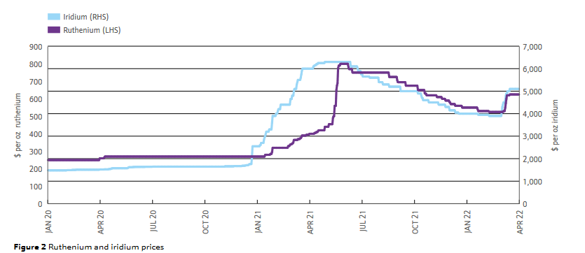
skip
ZA
 | Price [$ per kg] | Mine [kg/kg platinum]
Iridium |  | 0.03 | The life cycle impact for platinum group metals and lithium to 2070 via surplus cost potential. Jasinski
Ruthenium |  | 0.12
Platinum | 20600 | 1.00 | https://matthey.com/documents/161599/509428/PGM-market-report-May-2022.pdf/542bcada-f4ac-a673-5f95-ad1bbfca5106?t=1655877358676
Palladium | 5640 | 0.60
Rhodium | 23800 | 0.16 | Prices from Umicore 2023, converted to EUR2005
Gold | 25128 | 0.04 |  | 2023
Copper | 3.571 | 220.00 | Iridium | 160000 | €160,000 in 2023 is worth €106,995.29 in 2005
Nickel | 12.074 | 338.00 | Ruthenium | 15400 | €15,400 in 2023 is worth €10,298.30 in 2005

RU
 | Price [$ per kg] | Mine [kg/kg platinum]
Copper | 3.571 | 3200
Nickel | 12.074 | 2310
Platinum | 20600 | 0.25
Rhodium | 23800 | 0.02
Palladium | 5640 | 0.73
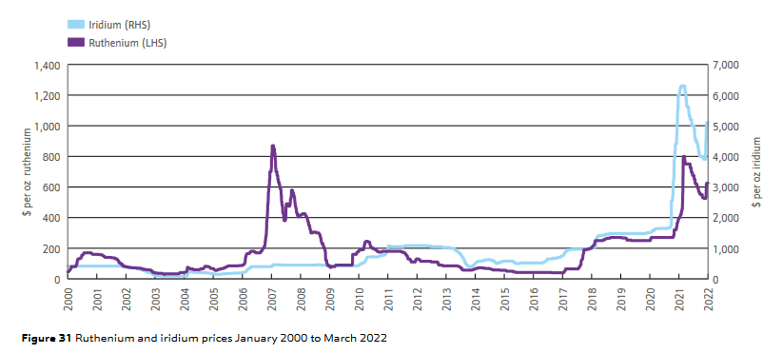
Iridium |  |  | We take the same values for iridium and ruthenium, but scale them to palladium
Ruthenium

Shares
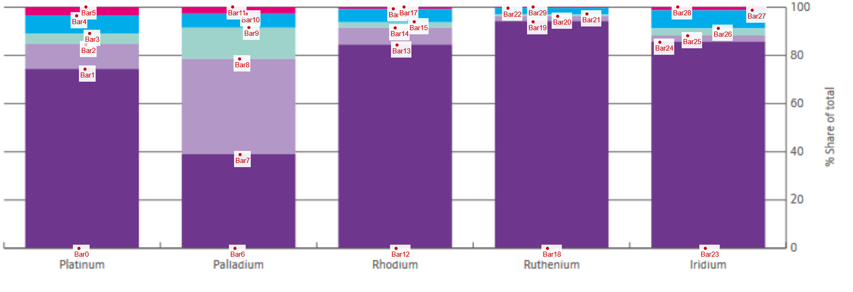
skip
Bar0 | 0 |  | Platinum | Palladium | Rhodium | Ruthenium | Iridium
Bar1 | 74.230769231 | South Africa
Bar2 | 84.423076923 | Russia
Bar3 | 89.038461538 | North America
Bar4 | 96.346153846 | Zimbabwe
Bar5 | 100 | Others
Bar6 | 0
Bar7 | 38.846153846
Bar8 | 78.461538462
Bar9 | 91.538461538 |  | Platinum | Palladium | Rhodium | Ruthenium | Iridium
Bar10 | 97.115384615 | South Africa
Bar11 | 100 | Russia
Bar12 | 0 | North America
Bar13 | 84.230769231 | Canada
Bar14 | 91.346153846 | USA
Bar15 | 93.846153846 | Zimbabwe
Bar16 | 99.230769231
Bar17 | 100
Bar18 | 0
Bar19 | 93.846153846
Bar20 | 96.153846154
Bar21 | 97.115384615
Bar22 | 99.519230769
Bar23 | 0
Bar24 | 85.384615385
Bar25 | 88.076923077
Bar26 | 91.153846154
Bar27 | 98.653846154 | https://matthey.com/documents/161599/509428/PGM-market-report-May-2022.pdf/542bcada-f4ac-a673-5f95-ad1bbfca5106?t=1655877358676
Bar28 | 100 | JM - PGM market report May 2022
Bar29 | 100

