Sheet1
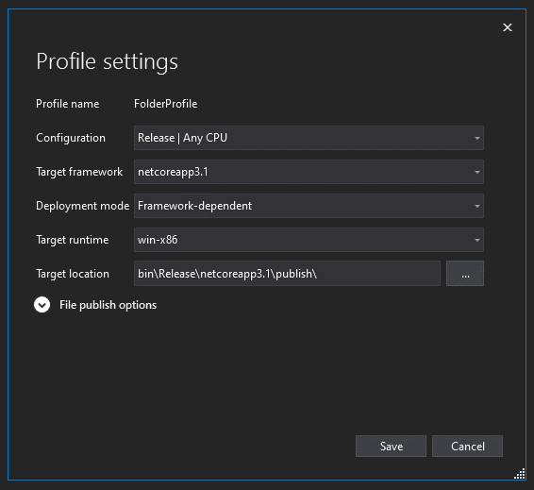
OS | R2R | Package | Count | Explicit? | Time | Command
Windows | No | Mapster | 1 | No | 120 | MapperSpeedTest.Mapster.exe -c 1
Windows | No | Mapster | 1000 | No | 125 | MapperSpeedTest.Mapster.exe -c 1000
Windows | No | Mapster | 100000 | No | 2650 | MapperSpeedTest.Mapster.exe -c 1000000
Windows | No | Mapster | 1 | Yes | 130 | MapperSpeedTest.Mapster.exe -e -c 1
Windows | No | Mapster | 1000 | Yes | 130 | MapperSpeedTest.Mapster.exe -e -c 1000
Windows | No | Mapster | 100000 | Yes | 2650 | MapperSpeedTest.Mapster.exe -e -c 1000000
Windows | No | Automapper | 1 | Yes | 290 | MapperSpeedTest.Automapper.exe -e -c 1
Windows | No | Automapper | 1000 | Yes | 300 | MapperSpeedTest.Automapper.exe -e -c 1000
Windows | No | Automapper | 100000 | Yes | 3000 | MapperSpeedTest.Automapper.exe -e -c 1000000
Windows | No | Manual | 1 | Yes | 25 | MapperSpeedTest.ManualMapping.exe -c 1
Windows | No | Manual | 1000 | Yes | 25 | MapperSpeedTest.ManualMapping.exe -c 1000
Windows | No | Manual | 100000 | Yes | 2500 | MapperSpeedTest.ManualMapping.exe -c 1000000
Windows | Yes | Mapster | 1 | No | 76 | MapperSpeedTest.Mapster.exe -c 1
Windows | Yes | Mapster | 1000 | No | 80 | MapperSpeedTest.Mapster.exe -c 1000
Windows | Yes | Mapster | 100000 | No | 2680 | MapperSpeedTest.Mapster.exe -c 1000000
Windows | Yes | Mapster | 1 | Yes | 85 | MapperSpeedTest.Mapster.exe -e -c 1
Windows | Yes | Mapster | 1000 | Yes | 88 | MapperSpeedTest.Mapster.exe -e -c 1000
Windows | Yes | Mapster | 100000 | Yes | 2750 | MapperSpeedTest.Mapster.exe -e -c 1000000
Windows | Yes | Automapper | 1 | Yes | 265 | MapperSpeedTest.Automapper.exe -e -c 1
Windows | Yes | Automapper | 1000 | Yes | 270 | MapperSpeedTest.Automapper.exe -e -c 1000
Windows | Yes | Automapper | 100000 | Yes | 3000 | MapperSpeedTest.Automapper.exe -e -c 1000000
Windows | Yes | Manual | 1 | Yes | 10 | MapperSpeedTest.ManualMapping.exe -c 1
Windows | Yes | Manual | 1000 | Yes | 13 | MapperSpeedTest.ManualMapping.exe -c 1000
Windows | Yes | Manual | 100000 | Yes | 2500 | MapperSpeedTest.ManualMapping.exe -c 1000000
Windows times
Linux | No | Mapster | 1 | No | 140 | ./MapperSpeedTest.Mapster -c 1
Linux | No | Mapster | 1000 | No | 150 | ./MapperSpeedTest.Mapster -c 1000
Linux | No | Mapster | 100000 | No | 5700 | ./MapperSpeedTest.Mapster -c 1000000
Linux | No | Mapster | 1 | Yes | 140 | ./MapperSpeedTest.Mapster -e -c 1
Linux | No | Mapster | 1000 | Yes | 150 | ./MapperSpeedTest.Mapster -e -c 1000
Linux | No | Mapster | 100000 | Yes | 6000 | ./MapperSpeedTest.Mapster -e -c 1000000 | Average start time (1000 count) for windows
Linux | No | Automapper | 1 | Yes | 350 | ./MapperSpeedTest.Automapper -e -c 1 | Package | Time
Linux | No | Automapper | 1000 | Yes | 350 | ./MapperSpeedTest.Automapper -e -c 1000 | Mapster R2R | 88
Linux | No | Automapper | 100000 | Yes | 6500 | ./MapperSpeedTest.Automapper -e -c 1000000 | Mapster No R2R | 130
Linux | No | Manual | 1 | Yes | 27 | ./MapperSpeedTest.ManualMapping -c 1 | Automapper R2R | 270
Linux | No | Manual | 1000 | Yes | 35 | ./MapperSpeedTest.ManualMapping -c 1000 | Automapper No R2R | 300
Linux | No | Manual | 100000 | Yes | 5800 | ./MapperSpeedTest.ManualMapping -c 1000000 | Manual R2R | 13
Linux | Yes | Mapster | 1 | No | 92 | ./MapperSpeedTest.Mapster -c 1 | Manual No R2R | 25
Linux | Yes | Mapster | 1000 | No | 95 | ./MapperSpeedTest.Mapster -c 1000
Linux | Yes | Mapster | 100000 | No | 6200 | ./MapperSpeedTest.Mapster -c 1000000
Linux | Yes | Mapster | 1 | Yes | 110 | ./MapperSpeedTest.Mapster -e -c 1
Linux Times
Linux | Yes | Mapster | 1000 | Yes | 115 | ./MapperSpeedTest.Mapster -e -c 1000
Linux | Yes | Mapster | 100000 | Yes | 6200 | ./MapperSpeedTest.Mapster -e -c 1000000
Linux | Yes | Automapper | 1 | Yes | 310 | ./MapperSpeedTest.Automapper -e -c 1
Linux | Yes | Automapper | 1000 | Yes | 320 | ./MapperSpeedTest.Automapper -e -c 1000 | Average start time (1000 count) for Linux
Linux | Yes | Automapper | 100000 | Yes | 6450 | ./MapperSpeedTest.Automapper -e -c 1000000 | Package | Time
Linux | Yes | Manual | 1 | Yes | 11 | ./MapperSpeedTest.ManualMapping -c 1 | Mapster R2R | 115
Linux | Yes | Manual | 1000 | Yes | 17 | ./MapperSpeedTest.ManualMapping -c 1000 | Mapster No R2R | 150
Linux | Yes | Manual | 100000 | Yes | 6000 | ./MapperSpeedTest.ManualMapping -c 1000000 | Automapper R2R | 320
 |  |  |  |  |  |  | Automapper No R2R | 350
 |  |  |  |  |  |  | Manual R2R | 17
 |  |  |  |  |  |  | Manual No R2R | 35

Start Times using R2R

 |  |  |  |  |  |  | Average start time (1000 count) for Linux
 |  |  |  |  |  |  | Package | Start Times
 |  |  |  |  |  |  | Mapster | 115
 |  |  |  |  |  |  | Automapper | 320
 |  |  |  |  |  |  | Manual | 17

