CNNs
Noms: | Miquel Ropero | Pol Margarit
HOW TO USE THIS DOCUMENT Each row represents an iteration around the experimentation cycle. Adhere to any limited specified in the lab description. Create a folder to store all curves, and make sure curve file names contain either timestamps or job ids. First column, Experiment Id, is to be set by you. Second column, Source Expriments, contains the Expriment Id/s upon which this particular cycle is based on. Third column, Hypothesis, proposes questions and answers to the outcomes of the source experiments. Fourth column, Experimental design, describes how the current hypothesis will be tested. Fifth column, Model summary, describes model being tested. Sixth column, Outcomes, includes results (Descriptive of curves and performance, together with performance metrics) Seventh column, Timestamp curves, contains the timestamp associated with the curves of this experiment Eighth column, Job Ids, contains the slurm job ids associated with this experiment.
Experiment id | Source experiment | Hypothesis | Experimental design | Model summary | Outcomes/Diagnosis |  | Job Ids
Zero | - | A shallow network should work minimally in this problem, where low level details seem to be particularly relevant. | 2 3x3 Convs, a GAP and a 16 dense (all relu) before the output. Using SGD and mom 0.8 we test several LR (0.1, 0.01, 0,001) and batch sizes (256, 128) Total experiments: 5 | All models in this experiment use this same model, as only LR is changed: Layer (type) Output Shape Param # ================================================================= conv2d (Conv2D) (None, 256, 256, 32) 896 _________________________________________________________________ conv2d_1 (Conv2D) (None, 256, 256, 32) 9248 _________________________________________________________________ global_average_pooling2d (Gl (None, 32) 0 _________________________________________________________________ dense (Dense) (None, 16) 528 _________________________________________________________________ dense_1 (Dense) (None, 29) 493 ================================================================= Total params: 11,165 Trainable params: 11,165 Non-trainable params: 0 | Batch size 256 crashes due to memory limit. We will stick to 128. Much better than random classifier. LR 0.01 shows a slow convergence, no overfitting, reaching 35 acc in 45 epochs. LR 0.1 is faster, reaching the same mark in 15 epochs and going a bit above. Rather noisy learning in most cases |  | LR 0.1: 6928529 LR 0.01: 6928496
one | zero | To improve accuracy in this problem, the neural network will be deepened by adding extra layers and neurons. By incorporating more layers and neurons, the network can learn more intricate and discriminative data representations, thereby likely improving model accuracy significantly. | 3 convolutional layers (64,128,256) with ReLU activation . Max pooling is applied after the third convolutional layer and then the Flatten layer.The dense layers process the flattened features(512,256), the final output layer, which uses softmax activation to produce probabilities for each of the 29 classes. Using SGD and mom (0.8, 0.99) we test several LR (0.001, 0,0001) and batch sizes (128, 64) Total experiments: 4 | All models in this experiment use this same model, as only LR and mom is changed: Layer (type) Output Shape Param # ================================================================= conv2d (Conv2D) (None, 254, 254, 64) 1792 _________________________________________________________________ conv2d_1 (Conv2D) (None, 252, 252, 128) 73856 _________________________________________________________________ conv2d_2 (Conv2D) (None, 250, 250, 256) 295168 _________________________________________________________________ max_pooling2d (MaxPooling2D) (None, 125, 125, 256) 0 _________________________________________________________________ flatten (Flatten) (None, 4000000) 0 _________________________________________________________________ dense (Dense) (None, 512) 2048000512 _________________________________________________________________ dense_1 (Dense) (None, 256) 131328 _________________________________________________________________ dense_2 (Dense) (None, 29) 7453 ================================================================= Total params: 2,048,510,109 (7.63 GB) Trainable params: 2,048,510,109 (7.63 GB) Non-trainable params: 0 (0.00 B) | A batch size of 128 yields nearly identical accuracy to batch size 64 across training, testing, and validation sets. A learning rate (LR) of 0.0001 achieves the highest accuracy but exhibits more overfitting compared to LR 0.001. The latter provides an accuracy of 0.59 in testing and 0,61 in validation, and 0.94 in training. | 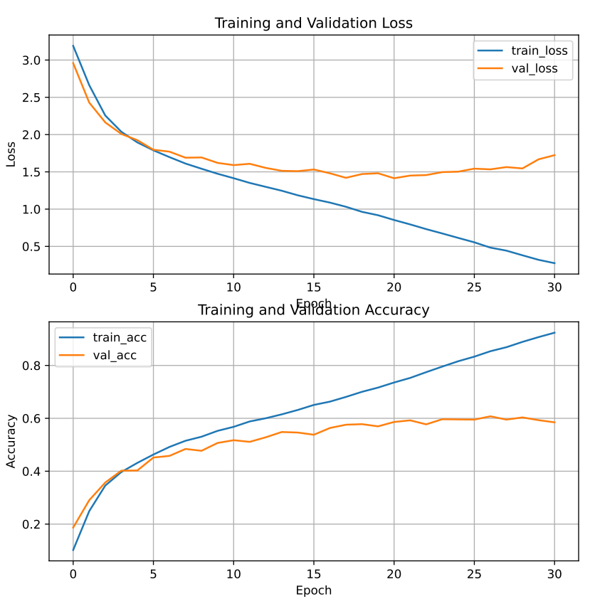 | LR 0.001, mom 0,8 : 2999100 LR 0.0001, mom 0,99 : 2999886 iteració amb test : 3043786
two | one | To mitigate overfitting, we will add max-pooling layers after each CNN layer. This approach aims to downsample the feature maps extracted by the convolutional layers, reducing the model's sensitivity to specific details and enhancing its ability to generalize to new data. | 3 convolutional layers (64,128,256) with ReLU activation . Max pooling is applied after every convolutional layer and then we use the Flatten layer.The dense layers process the flattened features(512,256), the final output layer, which uses softmax activation to produce probabilities for each of the 29 classes. Using SGD and mom (0.8, 0.99) we test several LR (0.001, 0,0001) and batch sizes (128, 64) Total experiments: 4 | All models in this experiment use this same model, as only LR and mom is changed: Layer (type) Output Shape Param ================================================================= conv2d (Conv2D) (None, 254, 254, 64) 1792 _________________________________________________________________ max_pooling2d (MaxPooling2D) (None, 127, 127, 64) 0 _________________________________________________________________ conv2d_1 (Conv2D) (None, 125, 125, 128) 73856 _________________________________________________________________ max_pooling2d_1 (MaxPooling2D) (None, 62, 62, 128) 0 _________________________________________________________________ conv2d_2 (Conv2D) (None, 60, 60, 256) 295168 _________________________________________________________________ max_pooling2d_2 (MaxPooling2D) (None, 30, 30, 256) 0 _________________________________________________________________ flatten (Flatten) (None, 230400) 0 _________________________________________________________________ dense (Dense) (None, 512) 117965312 _________________________________________________________________ dense_1 (Dense) (None, 256) 131328 _________________________________________________________________ dense_2 (Dense) (None, 29) 7453 ================================================================= Total params: 118,474,909 (451.95 MB) Trainable params: 118,474,909 (451.95 MB) Non-trainable params: 0 (0.00 B) | 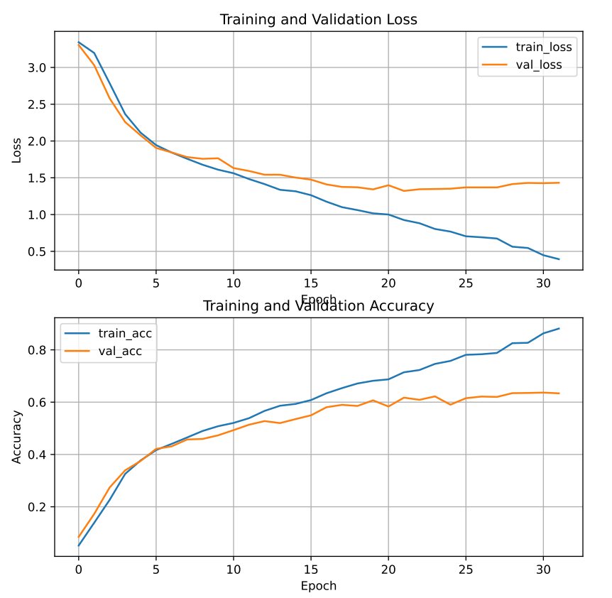 A batch size of 64 shows increased overfitting; therefore, we will adhere to batch size 128. A learning rate (LR) of 0.001 with momentum (mom) 0.8 exhibits higher overfitting and lower accuracy compared to LR 0.0001 with mom 0.99. The latter configuration provides an accuracy of 0.90 in training, 0.62 for validation and 0,60 testing. |  | LR 0.001, mom 0,8 : 3000941 LR 0.0001, mom 0,99 : 3001587 iteració amb test : 3043795
three | two | Now that we have reduced overfitting, we will incorporate additional layers and neurons to improve accuracy while striving to maintain robust generalization capabilities. | 5 convolutional layers (64,128,256,512,512) with ReLU activation . Max pooling is applied after every convolutional layer and then we use the Flatten layer.The dense layers process the flattened features(512,256,128), the final output layer, which uses softmax activation to produce probabilities for each of the 29 classes. Using Adam we test several LR (0.001, 0,0001) and batch sizes (128, 64) Total experiments: 4 | All models in this experiment use this same model, as only LR and mom is changed: Layer (type) Output Shape Param ================================================================= conv2d (Conv2D) (None, 254, 254, 64) 1792 _________________________________________________________________ max_pooling2d (MaxPooling2D) (None, 127, 127, 64) 0 _________________________________________________________________ conv2d_1 (Conv2D) (None, 125, 125, 128) 73856 _________________________________________________________________ max_pooling2d_1 (MaxPooling2D) (None, 62, 62, 128) 0 _________________________________________________________________ conv2d_2 (Conv2D) (None, 60, 60, 256) 295168 _________________________________________________________________ max_pooling2d_2 (MaxPooling2D) (None, 30, 30, 256) 0 _________________________________________________________________ conv2d_3 (Conv2D) (None, 28, 28, 512) 1180160 _________________________________________________________________ max_pooling2d_3 (MaxPooling2D) (None, 14, 14, 512) 0 _________________________________________________________________ conv2d_4 (Conv2D) (None, 12, 12, 512) 2359808 _________________________________________________________________ max_pooling2d_4 (MaxPooling2D) (None, 6, 6, 512) 0 _________________________________________________________________ flatten (Flatten) (None, 18432) 0 _________________________________________________________________ dense (Dense) (None, 1024) 18875392 _________________________________________________________________ dense_1 (Dense) (None, 512) 524800 _________________________________________________________________ dense_2 (Dense) (None, 256) 131328 _________________________________________________________________ dense_3 (Dense) (None, 29) 7453 ================================================================= Total params: 23,449,757 (89.45 MB) Trainable params: 23,449,757 (89.45 MB) Non-trainable params: 0 (0.00 B) | 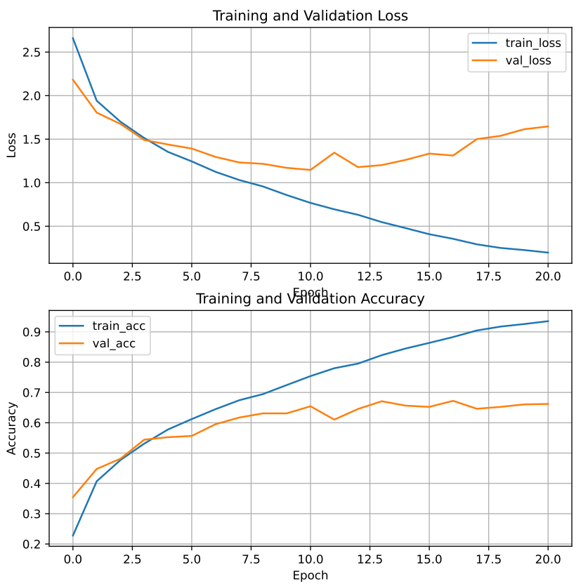 A batch size of 128 yields nearly identical accuracy to batch size 64 across training, testing, and validation sets. A learning rate (LR) of 0.0001 achieves the highest accuracy but exhibits more overfitting compared to LR 0.00001. The experiment with LR 0.0001 provides an accuracy of 0.66 in testing and validation, and 0.93 in training. |  | LR 0.0001: 3002024 LR 0.000001: 3002350 iteració amb test : 3043805
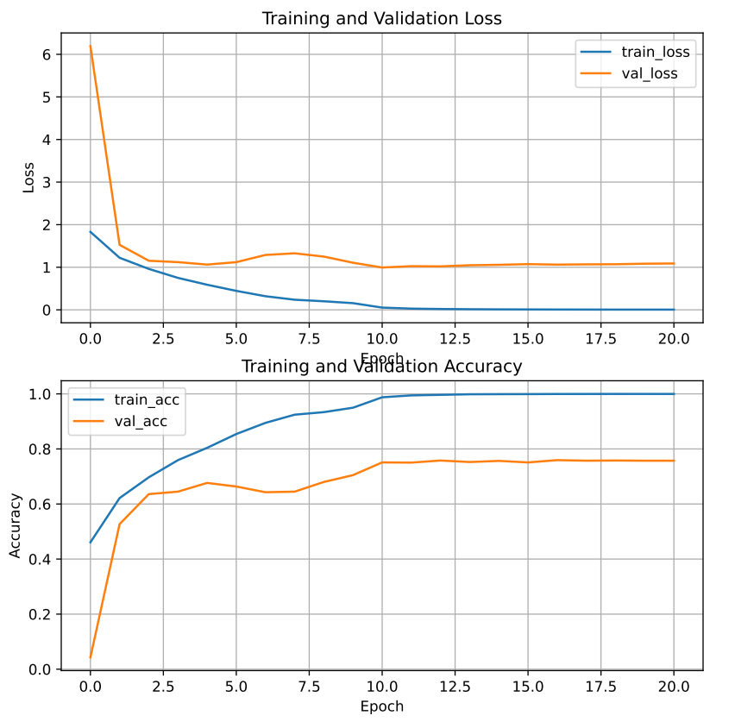
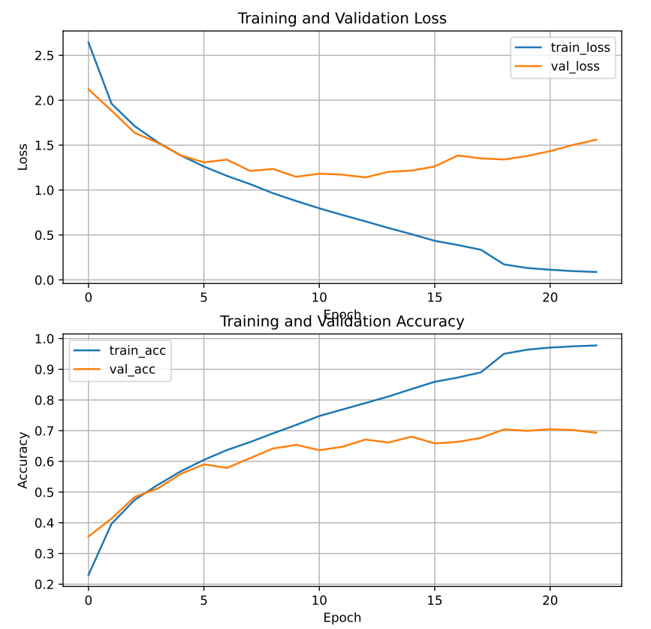
four | three | We will implement ReduceLROnPlateau to mitigate the overfitting that has reoccurred. This technique dynamically adjusts the learning rate during training based on the validation loss, aiming to find an optimal balance between rapid convergence and avoiding overshooting in parameter updates. | 5 convolutional layers (64,128,256,512,512) with ReLU activation . Max pooling is applied after every convolutional layer and then we use the Flatten layer.The dense layers process the flattened features(512,256,128), the final output layer, which uses softmax activation to produce probabilities for each of the 29 classes. Using Adam with ReduceLROnPlateau we test several LR (0.001, 0,0001) and batch sizes (128, 64) Total experiments: 4 | All models in this experiment use this same model, as only LR and mom is changed: Layer (type) Output Shape Param ================================================================= conv2d (Conv2D) (None, 254, 254, 64) 1792 _________________________________________________________________ max_pooling2d (MaxPooling2D) (None, 127, 127, 64) 0 _________________________________________________________________ conv2d_1 (Conv2D) (None, 125, 125, 128) 73856 _________________________________________________________________ max_pooling2d_1 (MaxPooling2D) (None, 62, 62, 128) 0 _________________________________________________________________ conv2d_2 (Conv2D) (None, 60, 60, 256) 295168 _________________________________________________________________ max_pooling2d_2 (MaxPooling2D) (None, 30, 30, 256) 0 _________________________________________________________________ conv2d_3 (Conv2D) (None, 28, 28, 512) 1180160 _________________________________________________________________ max_pooling2d_3 (MaxPooling2D) (None, 14, 14, 512) 0 _________________________________________________________________ conv2d_4 (Conv2D) (None, 12, 12, 512) 2359808 _________________________________________________________________ max_pooling2d_4 (MaxPooling2D) (None, 6, 6, 512) 0 _________________________________________________________________ flatten (Flatten) (None, 18432) 0 _________________________________________________________________ dense (Dense) (None, 1024) 18875392 _________________________________________________________________ dense_1 (Dense) (None, 512) 524800 _________________________________________________________________ dense_2 (Dense) (None, 256) 131328 _________________________________________________________________ dense_3 (Dense) (None, 29) 7453 ================================================================= Total params: 23,449,757 (89.45 MB) Trainable params: 23,449,757 (89.45 MB) Non-trainable params: 0 (0.00 B) | A batch size of 128 yields nearly identical accuracy to batch size 64 across training, testing, and validation sets. A learning rate (LR) of 0.0001 achieves the highest accuracy but exhibits slightly more overfitting compared to LR 0.00001. We chose LR 0.0001 and obtained the following results: an accuracy of 0.69 in testing and 0,71 in validation, and 0.97 in training. |  | LR 0.0001: 3003884 LR 0.00001: 3004358 iteració amb test : 3043809
five | four | Since ReduceLROnPlateau hasn't fully resolved the issue, our next step will be to add batch normalization after each CNN layer. This technique standardizes the input to each layer, stabilizing and accelerating the learning process. By incorporating batch normalization, we aim to further enhance the model's ability to generalize and reduce overfitting during training. | Here's an improved version of your text: "Our model architecture consists of 5 convolutional layers (64, 128, 256, 512, 512) with ReLU activation. BatchNormalization and MaxPooling are applied after each convolutional layer, followed by a Flatten layer. The dense layers process the flattened features (512, 256, 128), and the final output layer uses softmax activation to produce probabilities for each of the 29 classes. Using Adam with ReduceLROnPlateau, we tested several learning rates (0.001, 0.0001) and batch sizes (128, 64). We also evaluated the model with data augmentation. Total experiments: 5. | All models in this experiment use this same model, as only LR and mom is changed: Layer (type) Output Shape Param ================================================================= conv2d (Conv2D) (None, 254, 254, 64) 1792 _________________________________________________________________ batch_normalization (BatchNormalization) (None, 254, 254, 64) 256 _________________________________________________________________ max_pooling2d (MaxPooling2D) (None, 127, 127, 64) 0 _________________________________________________________________ conv2d_1 (Conv2D) (None, 125, 125, 128) 73856 _________________________________________________________________ batch_normalization_1 (BatchNormalization) (None, 125, 125, 128) 512 _________________________________________________________________ max_pooling2d_1 (MaxPooling2D) (None, 62, 62, 128) 0 _________________________________________________________________ conv2d_2 (Conv2D) (None, 60, 60, 256) 295168 _________________________________________________________________ batch_normalization_2 (BatchNormalization) (None, 60, 60, 256) 1024 _________________________________________________________________ max_pooling2d_2 (MaxPooling2D) (None, 30, 30, 256) 0 _________________________________________________________________ conv2d_3 (Conv2D) (None, 28, 28, 512) 1180160 _________________________________________________________________ batch_normalization_3 (BatchNormalization) (None, 28, 28, 512) 2048 _________________________________________________________________ max_pooling2d_3 (MaxPooling2D) (None, 14, 14, 512) 0 _________________________________________________________________ conv2d_4 (Conv2D) (None, 12, 12, 512) 2359808 _________________________________________________________________ batch_normalization_4 (BatchNormalization) (None, 12, 12, 512) 2048 _________________________________________________________________ max_pooling2d_4 (MaxPooling2D) (None, 6, 6, 512) 0 ________________________________________ | A batch size of 128 achieves nearly identical accuracy to batch size 64 across training, testing, and validation sets. However, both learning rates (LR) result in significant overfitting, with LR 0.0001 demonstrating the highest accuracy. Using LR 0.0001, we achieve an accuracy of 0.76 in validation, 0.75 in testing, and 0.99 in training. With data augmentation, the accuracy was lower. While it did reduce overfitting, the reduction was not substantial enough to justify using data augmentation. |  | LR 0.0001: 3036554 LR 0.00001: 3008841 iteració amb test : 3043813
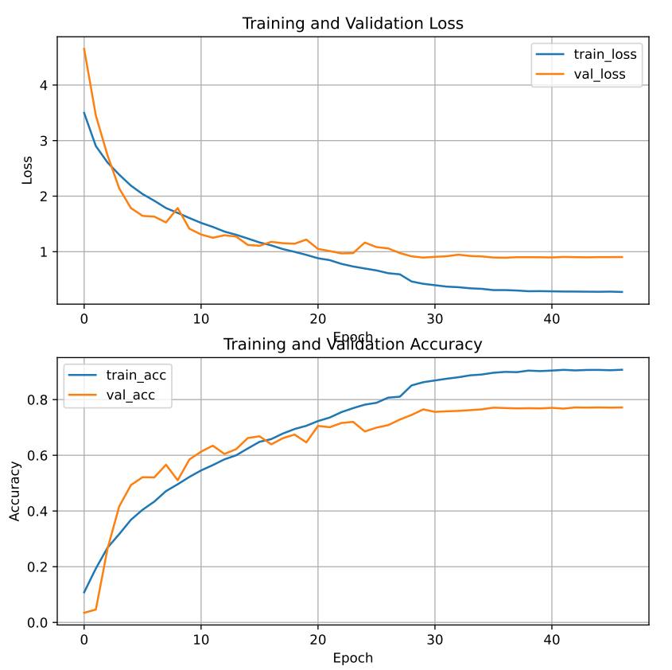
six | five | Finally, we will experiment with adding dropout layers. This helps prevent the model from relying too much on specific neurons and encourages robust feature learning. By introducing dropout, we aim to further improve generalization and reduce overfitting in our model. | 5 convolutional layers (64,128,256,512,512) with ReLU activation. BatchNormalization and Max pooling is applied after every convolutional layer and then we use the Flatten layer.The dense layers with a Droput layer after every dense layer process the flattened features(512,256,128), the final output layer, which uses softmax activation to produce probabilities for each of the 29 classes. Using Adam with ReduceLROnPlateau we test several LR (0.001, 0,0001) and batch sizes (128, 64) We also evaluated the model with data augmentation. Total experiments: 5 | All models in this experiment use this same model, as only LR and mom is changed: Layer (type) Output Shape Param # ================================================================= conv2d (Conv2D) (None, 254, 254, 64) 1792 _________________________________________________________________ batch_normalization (BatchNo (None, 254, 254, 64) 256 _________________________________________________________________ max_pooling2d (MaxPooling2D) (None, 127, 127, 64) 0 _________________________________________________________________ conv2d_1 (Conv2D) (None, 125, 125, 128) 73856 _________________________________________________________________ batch_normalization_1 (Batch (None, 125, 125, 128) 512 _________________________________________________________________ max_pooling2d_1 (MaxPooling2 (None, 62, 62, 128) 0 _________________________________________________________________ conv2d_2 (Conv2D) (None, 60, 60, 256) 295168 _________________________________________________________________ batch_normalization_2 (Batch (None, 60, 60, 256) 1024 _________________________________________________________________ max_pooling2d_2 (MaxPooling2 (None, 30, 30, 256) 0 _________________________________________________________________ conv2d_3 (Conv2D) (None, 28, 28, 512) 1180160 _________________________________________________________________ batch_normalization_3 (Batch (None, 28, 28, 512) 2048 _________________________________________________________________ max_pooling2d_3 (MaxPooling2 (None, 14, 14, 512) 0 _________________________________________________________________ conv2d_4 (Conv2D) (None, 12, 12, 512) 2359808 _________________________________________________________________ batch_normalization_4 (Batch (None, 12, 12, 512) 2048 __ | A batch size of 64 demonstrates increased overfitting, prompting us to adopt a batch size of 128. A learning rate (LR) of 0.0001 shows higher overfitting and lower accuracy compared to LR 0.00001. With LR 0.0001, we achieve a test accuracy of 0.77 a validation accuracy of 0.77, and a training accuracy of 0.90. However, in the iteration with data augmentation, the accuracy was lower. Although it helped reduce overfitting, the improvement was not significant enough to justify its use in our experiments. |  | LR 0.0001: 3010430 LR 0.00001: 3010951 data augmentation : 3017212 iteració amb test : 3043824
Limit of 6 experimentation cycles
Test results with final model | 0.77 | - | - |  | Our model shows signs of overfitting, but we have been able to mitigate this issue to some extent. Despite the overfitting, the model seems to generalize relatively well. |  | -

