NFR questions
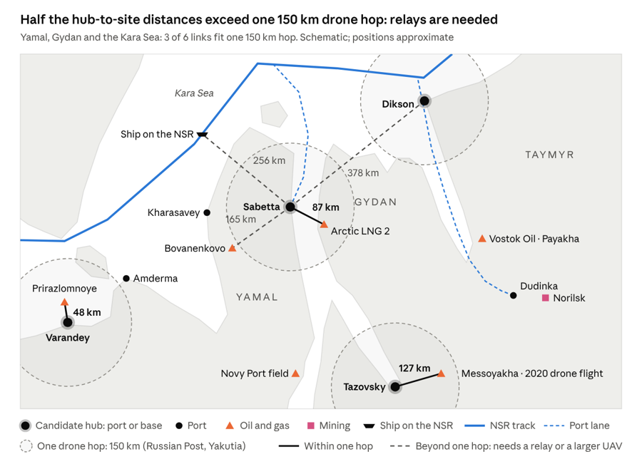
Non-functional requirements: questions to answer with numbers
Emergency drug delivery to a ship or port by UAV system, Russian Arctic (Team 5). Fill in the yellow cells. See the Legend sheet for how.

ID | Question | Unit | Comes from (OA element) | Type | Key driver | Value | Source / justification | Status
A | Demand and response time (OAB-1: emergency report → decision)
A1 | How many delivery requests per year must the system handle? | requests/year | Emergency report | Fact |  | 300 | Ships: about 1 in 5 divert each year for medical reasons, which gives tens of cases in the sector. Add urgent drugs and samples for fields, ports and settlements, about 5 a week. Assumed; check with FMBA and Glavsevmorput. | Assumed
A2 | How many missions may run at the same time at peak? | missions | Emergency report | Target |  | 3 | 3 covers the backlog after a bad-weather window, about one per base area. | Open
A3 | What share of requests go to ships at sea (rest: ports and shore sites)? | % | OC1.1 / OC1.2 | Fact |  | 30% |  | Open
A4 | What is the maximum time from emergency report to medicine in the crew's hands? | h | Whole OAB-1 chain | Target | ★ | 4 | ≤ 3 h for fixed sites (C1 ≤ 200 km) ≤ 5 h for ships at sea (C2 ≤ 300 km, moving target): Must clearly beat a helicopter (hours, weather-limited, >1M RUB) and diversion (days). It covers the critical first hours for antibiotics and antidotes. | Open
A5 | What is the maximum time from delivery request to departure? | min | Delivery request → Transport | Target |  | 45 | Medical decision by radio ~15–20 min, then preparation and approval in parallel ~25–30 min | Open
B | Payload (OAB-1: Prepare medicine package → Medicine package)
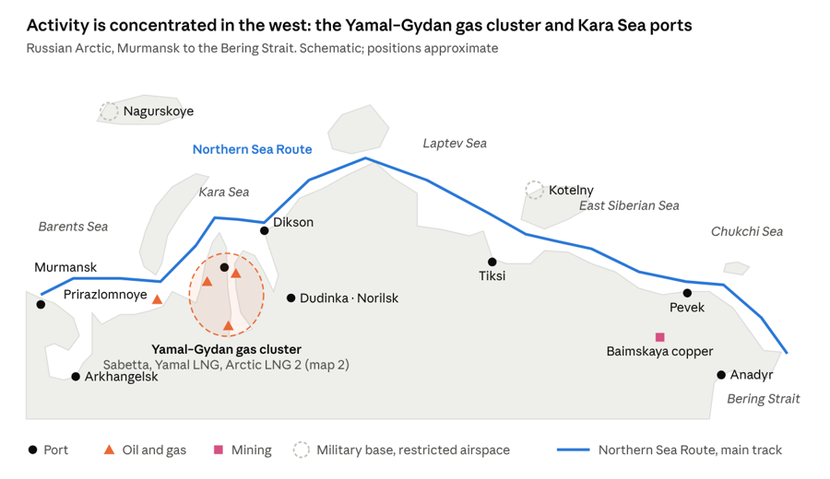
B1 | What is the maximum payload mass per delivery? | kg | Medicine package | Target | ★ | 3 | A drug or test kit is 0.5–2 kg, plus an insulated cold-chain box. Benchmarks: Zipline ~1.8 kg, Matternet M2 2 kg. At Russian Post’s 13,600 RUB/kg, that’s still ~40k RUB per flight. | Open
B2 | What are the maximum package dimensions? | cm × cm × cm | Medicine package | Target |  | 35 × 25 × 20 | Fits an insulated medical carrier with a 3 kg load. | Open
B3 | What temperature range must the package keep inside? | °C | Medicine package | Fact |  | + 2…+8 °C never below 0 °C | +2…+8 °C is the standard range for vaccines, insulin and samples. In the Arctic the real risk is freezing, not overheating. | Open
B4 | For how long must the package hold that temperature? | h | Medicine package (at least A4) | Derived |  | 6 | A4 (4 h) plus 50% margin for waiting on deck or a delayed handover. | Open
B5 | What maximum shock may the package experience? | g | Medicine package (samples) | Fact |  | ≤ 10 g | Protects glass vials and sample tubes. It allows a soft winch or parachute handover and rules out free fall. Assumed; check with the pharmacy or lab. | Open
C | Distance and coverage (OAB-1: Transport package to the site)
C1 | What is the maximum distance from a base to a fixed site (port, field)? | km | OC1.1, DRM-1/3 | Fact |  | 200 | From the nearest base on map 2: Prirazlomnoye 49 km, Arctic LNG 2 87, Messoyakha 127, Bovanenkovo 165. Novy Port (~270 km) has its own airfield and terminal, so it’s left out. | Open
C2 | What is the maximum distance from a base to a ship at sea? | km | OC1.2, DRM-2 | Target | ★ | 300 | Ships on the Kara Sea track are 190–340 km from the bases (Dikson → track 188 km, Sabetta → track 256 km). 300 covers most of it. | Open
C3 | What is the maximum speed of a target ship? | knots | OC1.2 (moving target) | Fact |  |  |  | Open
C4 | What is the maximum transit time? (calculated: A4 − A5 − E4) | h | A4 minus preparation and handover | Derived |  |  | Calculated from A4, A5 and E4; do not type here | Open
C5 | What length of route or area must be covered? | km / km² | Maps 1–2 | Target |  | 1500 km | The NSR track Kara Gates → Dikson (~900 km) plus the Ob Bay lane to Sabetta (~350 km), and the onshore Yamal–Gydan cluster. | Open
C6 | What is the largest gap between existing sites along the covered route? | km | Map 2 | Fact |  | 380 | The largest gap between existing sites along that route is Sabetta ↔ Dikson. The others are shorter: Varandey–Amderma ~180, Amderma–Kharasavey ~250, Kharasavey–Sabetta ~190. | Open
D | Operating environment (Weather in which delivery must still work)
D1 | What is the operating temperature range? | °C | Arctic climate | Fact | ★ | -40...+20 С | The Northern Sea Route Handbook reports winter temperatures of approximately −30 to −40 °C and summer temperatures occasionally exceeding +20 °C. The proposed range reflects Arctic operating conditions. | Open
D2 | What is the maximum sustained wind for operation? | m/s | Arctic climate | Fact | ★ | 15 m/s | Proposed design target for strong Arctic winds. For comparison, the DJI FlyCart 30 has a maximum wind resistance of 12 m/s, while the aOrion Heli-E specifies wind resistance around 15–16 m/s. The target requires UAV-specific verification. | Open
D3 | What is the maximum gust? | m/s | Arctic climate | Fact |  | 20 m/s | Preliminary engineering target for short-duration gusts, selected to provide a margin above the 15 m/s sustained-wind requirement. Not validated by the cited UAV specifications; feasibility must be confirmed. | Open
D4 | What is the minimum visibility and cloud ceiling for operation? | m / m | Fog, snow | Fact |  | Visibility ≥ 1000m cloud ceiling ≥ 150m | Preliminary operational limits. Arctic marine fog and low clouds are common along the Northern Sea Route. Exact flight minima must be validated against the selected UAV, navigation system, and applicable aviation regulations. | Open
D5 | What share of missions happen in darkness (polar night)? | % | Season | Fact |  | 50% of missions | Preliminary planning assumption for missions conducted in darkness. Polar night and strong seasonal daylight variations occur at Arctic latitudes. The actual percentage must be calculated from mission locations, dates, and expected demand. | Open
D6 | What is the highest latitude of operation? | °N | Route (navigation and comms) | Fact |  | 80° N | Proposed geographical coverage limit. Northern Sea Route waters include high-latitude passages such as Vilkitsky Strait, reaching approximately 77.8° N. The 80° N limit provides a geographical margin for operations | Open
D7 | On what share of days per year must the service be available? | % of days | Customer expectation vs weather statistics | Target | ★ | ≥ 90% of days/year | Proposed service availability target for emergency medical delivery. This is a stakeholder-driven requirement, not a measured Arctic weather statistic. Achievability must be assessed using regional weather records and operational constraints. | Open
E | Handover at the receiving site (OAB-1: Medicine package → Receive and confirm package)
E1 | What free area can a typical receiving site provide (ship deck, port pad)? | m × m | Receiving Site | Fact |  | 5 × 5 m | Proposed minimum clear receiving area on the ship deck for winch delivery. DJI FlyCart 30 demonstrates cargo delivery without landing, using a 20 m winch cable. The 5 × 5 m area is a preliminary safety requirement, not a manufacturer specification | Open
E2 | What maximum ship motion must handover tolerate? | roll °, heave m | OC1.2 | Fact | ★ | Roll ≤ ±5° heave ≤ ±0.5 m | Preliminary limits for ship motion during package transfer. Deck movement affects payload positioning and safe touchdown. These limits must be validated through vessel-motion analysis and winch delivery tests; they are not established by the DJI specifications. | Open
E3 | What delivery position accuracy is required? | m | Receive and confirm package | Target |  | ≤ 1 m | Proposed maximum package placement error relative to the designated receiving point. DJI FlyCart 30 specifies RTK hovering accuracy of ±0.1 m under strong GNSS conditions, but this does not guarantee 1 m package placement accuracy on a moving ship. Additional compensation for wind and vessel motion is required. | Open
E4 | What is the maximum handover time at the site? | min | Receive and confirm package | Target |  | ≤ 5 min | Proposed maximum handover time, including positioning, lowering, release and confirmation. DJI FlyCart 30 supports a maximum winch speed of 0.8 m/s and a 20 m cable, making a short transfer technically plausible. The complete 5-minute target requires operational validation. | Open
E5 | What is the maximum delay for the delivery confirmation to reach the coordinator? | min | Delivery confirmation | Target |  | ≤ 2 min | Proposed maximum delay between successful package receipt and confirmation to the ground coordinator. This is a system-level communication requirement selected for emergency medical delivery, not a value taken from UAV specifications. | Open
F | Weather data (OAB-2: Collect → Process → Use in forecasts)
F1 | What range and accuracy are needed for temperature? | °C, ±°C | Weather observations | Target |  | −50 to +30 °C; ±1 °C | Proposed temperature data range covering the Arctic operating environment (D1: −40 to +20 °C) with an additional 10 °C margin. The accuracy is a preliminary engineering target. | Open
F2 | What range and accuracy are needed for pressure? | hPa, ±hPa | Weather observations | Target |  | 900–1100 hPa; ±1 hPa | Proposed atmospheric pressure measurement range and accuracy for weather monitoring and flight planning. The range covers typical sea-level pressure variations with additional margin. | Open
F3 | What range and accuracy are needed for wind speed and direction? | m/s ±, ° ± | Weather observations | Target |  | 0–40 m/s; ±1 m/s; direction ±10° | Proposed wind measurement range exceeding the UAV operating limits (D2: 15 m/s sustained wind; D3: 20 m/s gusts). The additional range allows the system to detect unsafe wind conditions. | Open
F4 | What range and accuracy are needed for visibility? | m, ±% | Weather observations | Target |  | 0–20,000 m; ±10% | Proposed visibility data range and accuracy. Visibility information supports flight planning and go/no-go decisions under Arctic fog and snow conditions. | Open
F5 | How often must measurements be taken? | per s or per km | Weather observations | Target |  | Every 60 s | Proposed update interval for local weather observations to detect rapidly changing conditions. Actual availability depends on the selected sensors and weather service. | Open
F6 | What altitude range must observations cover? | m | Weather observations | Target |  | 0–500 m above sea level | Proposed vertical coverage of weather observations for low-altitude UAV operations. This range must be adjusted after defining the UAV flight altitude. | Open
F7 | What is the maximum delay from measurement to delivery to the meteorological service? | min | Weather data | Target |  | ≤ 2 min | Proposed maximum delay between weather measurement and its availability to the meteorological service. This is a data-latency requirement, not a confirmed capability of Arctic weather networks. | Open
G | Monitoring and communication (OAB-1: Delivery plan, status in flight)
G1 | What share of the mission distance must have a communication link? | % | Transport package | Target |  | ≥ 95 | BVLOS flight needs a near-continuous C2 link; gaps are covered by an autonomous failsafe (return / hold). Ties to the “loss of communication” risk. Depends on the chosen link (radio + satellite relay) | Open
G2 | What is the maximum interval between status updates in flight? | s | Status to operator | Target |  | ≤ 10 | Telemetry at 1 Hz is typical, but a satellite link in the Arctic allows ~10 s. Needed for the operator’s go/abort decision | Open
G3 | What navigation position accuracy is required en route? | m | Delivery plan | Target |  | ≤ 5 (95%, horizontal) | Multi-constellation GNSS (GPS + GLONASS; GLONASS handles high latitudes better). Handover precision (E3, ≤ 1 m) is a separate requirement and is achieved by local sensors. | Open
H | Readiness and maintenance (OAB-3: Supply → Maintain → Readiness status)
H1 | What share of time must the system be ready to launch? | % | Readiness status | Target |  | ≥ 95 | Technical readiness excluding weather. Consistent with D7 (≥ 90% days/year including weather no-go). | Open
H2 | What is the maximum turnaround time between missions? | min | Readiness status | Target |  | ≤ 30 | Battery swap or warm-up, loading a new container, pre-flight checks. Cold batteries need preheating. | Open
H3 | What is the minimum time between failures? | flight hours | Maintain and calibrate equipment | Target |  | ≥ 100 | Target level for an industrial UAV at concept stage; to be refined from the chosen platform’s data. | Open
H4 | What is the maximum time to repair at a base? | h | Maintain and calibrate equipment | Target |  | ≤ 24 | Replacement of line-replaceable units (LRUs) at the base without sending the UAV out for repair. Quick swap of the winch and battery ≤ 4 h. | Open
H5 | What resupply interval for spare parts must the system survive? | days | Spare parts and services | Fact |  | 90 | Arctic port supply is seasonal (navigation season, ice, air only in winter), so a spare-parts kit sized for 90 days. This is a Fact type, so confirm with the port/operator stakeholders. | Open
H6 | What service life is required? | years | Invest in the service | Target |  | 7 | Airframe and electronics; batteries and the winch are consumables replaced by cycle count (~300–500 cycles). | Open
I | Safety and regulation (OAB-4: Permits, Operating rules, Concerns)
I1 | What is the minimum mission success rate? | % | OC1 | Target |  | ≥ 95 | Of the missions launched after go/no-go. Success means delivered, drug integrity kept, delivery within the allowed time (E4, E5). | Open
I2 | What is the maximum acceptable probability of harm to people per flight hour? | 1/h | Concerns, Operating rules | Rule |  | ≤ 1·10⁻⁶ | Common target for ground risk in UAS safety methodology (JARUS SORA / EASA). Over water the main exposure is the crew at handover and the port zone. | Open
I3 | What is the maximum allowed flight altitude in the corridor? | m | Operating rules | Rule |  | 150 (AGL) | Working ceiling in the corridor; keeps flight below manned aviation and in the lower wind layer. | Open
I4 | What is the minimum distance from people and facilities, except at handover? | m | Operating rules | Rule |  | ≥ 50 | Margin over the common 30 m separation from uninvolved people, accounting for gusts up to 20 m/s. | Open
I5 | What is the maximum noise at the receiving site or settlement? | dB | Concerns | Rule |  | ≤ 55 dBA day / ≤ 45 dBA night | At the settlement boundary, per Russian sanitary norms for residential areas (SanPiN). For ships there is no such limit, and emergency flights can have an exception. | Open
I6 | What maximum take-off mass does the target regulatory class allow? | kg | Operating permits | Rule |  | 30 | In Russia, UAVs up to 30 kg are in the registration-only class; above that, airworthiness certification is needed. | Open
J | Economics (OAB-3: Invest in the service → Payment)
J1 | What is the maximum cost per delivery? | RUB | Payment (helicopter >1M, drone ~27k) | Target | ★ | ≤ 30,000 | Preliminary target for the average transport cost per completed delivery, excluding the medicine purchase price. Includes allocated operating costs and equipment depreciation. To be validated against mission distance, annual demand and supplier quotations. | Open
J2 | What is the maximum capital cost of the system? | RUB | Invest in the service | Target |  | ≤ 15,000,000 | Preliminary investment ceiling for the initial service configuration, including UAVs, medical containers, weather sensors, ground equipment and commissioning. Assumes the use of existing port infrastructure. Feasibility must be checked against the three simultaneous missions specified in A2 and the required coverage. | Open
J3 | What is the maximum annual operating cost? | RUB/year | Payment | Target |  | ≤ 6,000,000 | Preliminary annual operating budget covering allocated staff time, maintenance, batteries, communication, energy, insurance and consumables. Assumes shared facilities and personnel at existing sites. Equipment depreciation and medicine procurement are excluded. | Open
J4 | What payback period is required? | years | Invest in the service | Target |  | ≤ 5 | Proposed simple payback target. Payback must be calculated from the initial investment and annual net operating cash flow. The target requires validation of delivery tariffs, mission demand, operating costs and any public funding. | Open
J5 | What is the maximum staff per base? | persons | Manage the service and procure supplies | Target |  | ≤ 2 on-duty persons per base | Preliminary staffing target during an active mission: one operator or technician and one person responsible for package preparation and handling. Roles may be combined with existing port duties. Total staffing for continuous shift coverage must be determined separately. | Open

