KAMCHATKA
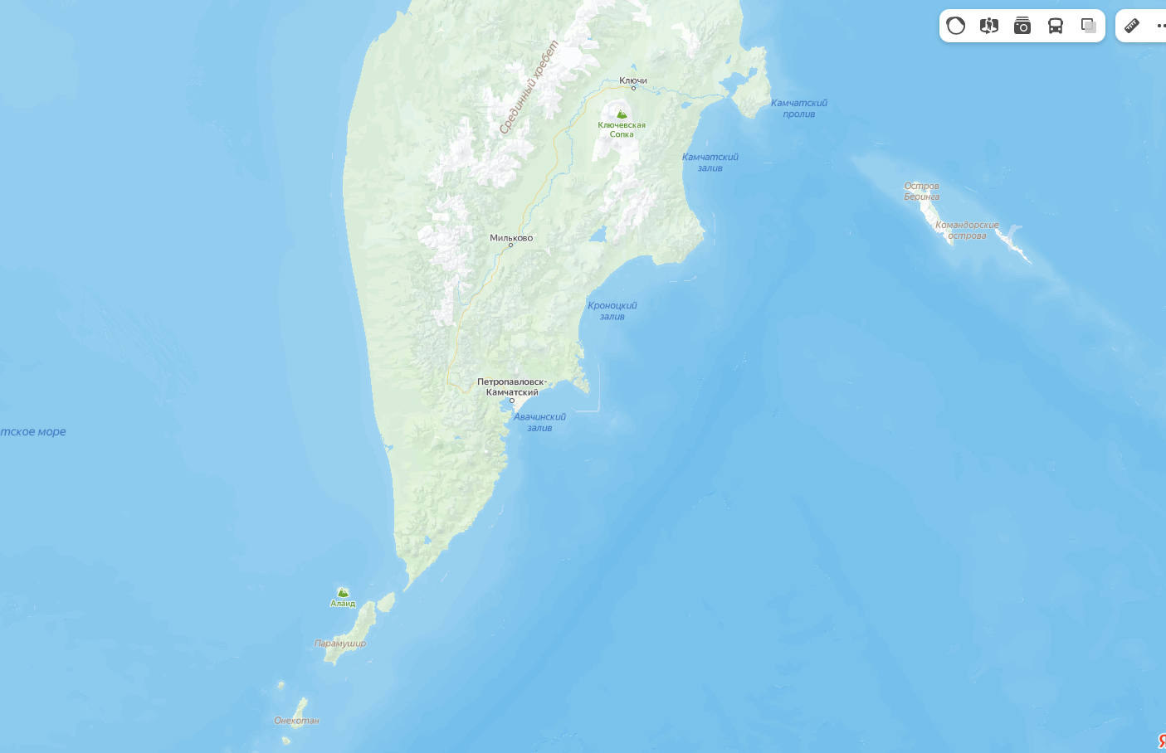
Sample ID | Sampling site | N | Date of collection | Light microscopy | BTN suggested mussels by FC | Rate of aneuploid cells | Ploidy of aneuploid cells | Sex (histology) | COI-test (Hemolymph) | COI-test (Foot) | BTN diagnosis
DD (1-35) | бухта Вестник | 35 | 2021 | DD_3 | DD_3 | kaluza | kaluza |  |  |  | BTN2.1
 |  |  |  | DD_9 | DD_9 | kaluza | kaluza |  |  |  | BTN1
 |  |  |  | DD_23 | DD_23 | kaluza | kaluza |  |  |  | BTN2.1
 |  |  |  | DD_31 | DD_31 | kaluza | kaluza |  |  |  | BTN1
DD (36-70) |  | 35 | 2021 | 0 | 0 | - | - | - | - | - | - | НАДО ПРОВЕРИТЬ
AV1 | Авачинская бухта | 48 | June 2021 |  | AV1_21 | kaluza | kaluza |  |  |  | BTN2.1/2.2
 |  |  |  |  | AV1_24 | kaluza | kaluza |  |  |  | BTN2.1
 |  |  |  |  | AV1_30 | kaluza | kaluza |  |  |  | BTN1
AV2 |  | 44 | May 2022 |  | AV2_32
 |  |  |  |  | AV2_39
 |  |  |  |  | AV2_41
 |  |  |  |  | AV2_44
AV3 |  | 51 | April 2023 |  | AV3_9
 |  |  |  |  | AV3_33

ST | остров Старичкова | 35 | 2021 |  | ST_8 |  |  |  |  |  | BTN2.2
 |  |  |  |  | ST_13 |  |  |  |  |  | BTN1
 |  |  |  |  | ST_19 |  |  |  |  |  | BTN1
 |  |  |  |  | ST_16 |  |  |  |  |  | BTN1
OB | остров Беринга, Командоры | 35 | 2021 | 0 | 0 | - | - | - | - | - | -
OK | Китовая бухта, Командоры | 7 | 2021 | 0 | 0 | - | - | - | - | - | -
KOM | остров Беринга, Командоры | 128 | 2022 |  | KOM_15
 |  |  |  |  | KOM_20
 |  |  |  |  | KOM_37
 |  |  |  |  | KOM_54
 |  |  |  |  | KOM_58
 |  |  |  |  | KOM_67
 |  |  |  |  | KOM_73
 |  |  |  |  | KOM_76
 |  |  |  |  | KOM_77
 |  |  |  |  | KOM_88
 |  |  |  |  | KOM_89
 |  |  |  |  | KOM_92
 |  |  |  |  | KOM_104
 |  |  |  |  | KOM_118
PRM | Парамушир | 70 | 2023 |  | PRM_39

