Dashboard
GAT Price (GATP) dashboard – Mid-Merit Natural Gas Capacity Auction
Decision of 19 Oct 2026 (GAIR Sec. 8.6): GATP = CRF + OM; CLLC paid through the Fuel Cost. Capex (market +25%): existing CCGT US$600/kW; new CCGT US$1,500/kW, gas engine US$1,375/kW, OCGT US$875/kW. PhP/kWh, excluding fuel.

 | Existing CCGT (Lots 1–2) | New CCGT | New OCGT | New gas engine
 | 1.35 – 2.12 | 3.18 – 4.70 | 2.06 – 2.92 | 3.05 – 4.45
 | PhP/kWh GATP (Fin90 – Fin42) | PhP/kWh GATP (Fin90 – Fin42) | PhP/kWh GATP (Fin90 – Fin42) | PhP/kWh GATP (Fin90 – Fin42)
 | CRF + OM only | CRF + OM only | CRF + OM only | CRF + OM only

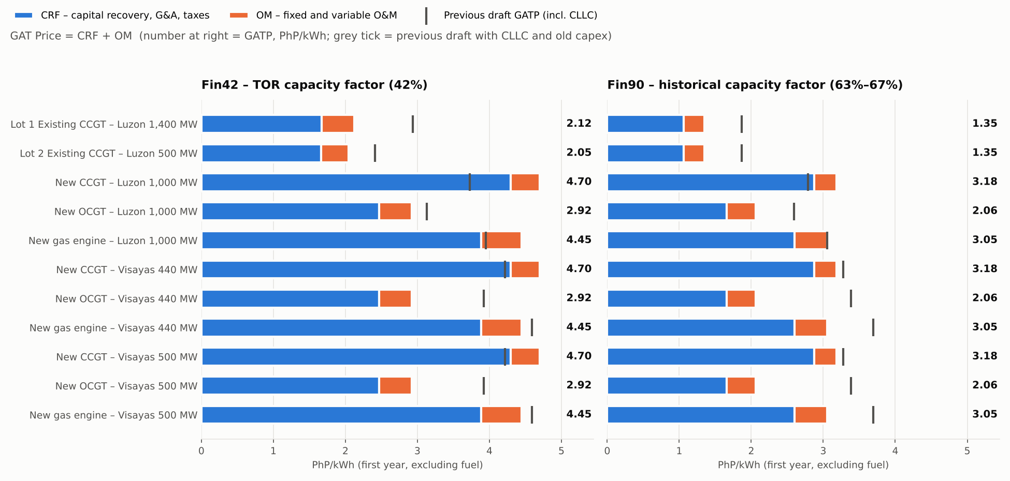

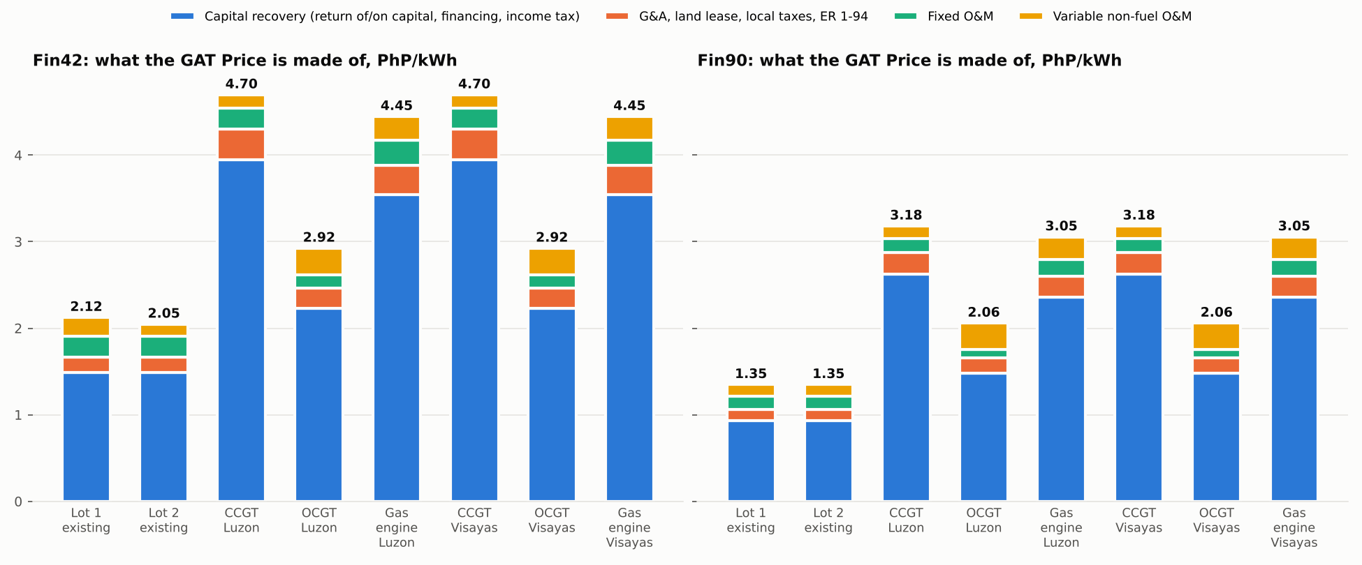

 | Lower bound = Fin90 (historical capacity factor); upper bound = Fin42 (TOR 42%). Visayas 440 MW and 500 MW give the same rate (per-kW model). Tables: GATP_Summary.

GATP_Summary
GAT Price build-up by case – PhP/kWh, first year, excluding fuel
GATP = CRF + OM (GAIR Sec. 8.6, decision of 19 Oct 2026). CRF = capital recovery + G&A + land lease + local taxes; OM = fixed + variable non-fuel O&M. CLLC moved to the Fuel Cost (Sec. 13.4, 17, 18).

Fin42: GATP = CRF + OM (PhP/kWh)
Fin42 – TOR capacity factor (42%; Lot 1 adds 24% non-mid-merit energy paid fuel only)
Case | Grid | MW | Technology | Capacity factor | Capital recovery | G&A | Land lease | Local taxes, ER 1-94 | CRF | Fixed O&M | Variable O&M | OM | GATP = CRF + OM | CLLC → Fuel Cost | Previous GATP (incl. CLLC) | Check
Lot 1 Existing CCGT – Luzon 1,400 MW | Luzon | 1400 | Existing CCGT | 42.0% | 1.487 | 0.048 | 0.000 | 0.133 |  | 0.241 | 0.215 |  |  | 1.216 | 2.933
Lot 2 Existing CCGT – Luzon 500 MW | Luzon | 500 | Existing CCGT | 42.0% | 1.488 | 0.043 | 0.000 | 0.132 |  | 0.241 | 0.141 |  |  | 0.774 | 2.413
New CCGT – Luzon 1,000 MW | Luzon | 1000 | New CCGT | 42.0% | 3.944 | 0.071 | 0.000 | 0.284 |  | 0.241 | 0.157 |  |  | 0.744 | 3.729
New OCGT – Luzon 1,000 MW | Luzon | 1000 | New OCGT | 42.0% | 2.232 | 0.055 | 0.000 | 0.179 |  | 0.149 | 0.308 |  |  | 1.195 | 3.132
New gas engine – Luzon 1,000 MW | Luzon | 1000 | New gas engine | 42.0% | 3.542 | 0.078 | 0.000 | 0.263 |  | 0.290 | 0.272 |  |  | 0.975 | 3.950
New CCGT – Visayas 440 MW | Visayas | 440 | New CCGT | 42.0% | 3.944 | 0.070 | 0.000 | 0.284 |  | 0.241 | 0.157 |  |  | 1.233 | 4.218
New OCGT – Visayas 440 MW | Visayas | 440 | New OCGT | 42.0% | 2.232 | 0.055 | 0.000 | 0.179 |  | 0.149 | 0.307 |  |  | 1.980 | 3.918
New gas engine – Visayas 440 MW | Visayas | 440 | New gas engine | 42.0% | 3.542 | 0.078 | 0.000 | 0.263 |  | 0.290 | 0.272 |  |  | 1.617 | 4.592
New CCGT – Visayas 500 MW | Visayas | 500 | New CCGT | 42.0% | 3.944 | 0.070 | 0.000 | 0.284 |  | 0.241 | 0.157 |  |  | 1.233 | 4.218
New OCGT – Visayas 500 MW | Visayas | 500 | New OCGT | 42.0% | 2.232 | 0.055 | 0.000 | 0.179 |  | 0.149 | 0.307 |  |  | 1.980 | 3.918
New gas engine – Visayas 500 MW | Visayas | 500 | New gas engine | 42.0% | 3.542 | 0.078 | 0.000 | 0.263 |  | 0.290 | 0.272 |  |  | 1.617 | 4.592

Fin90 – historical capacity factor (66.8% existing fleet; 63.1% whole fleet for new-build)
Case | Grid | MW | Technology | Capacity factor | Capital recovery | G&A | Land lease | Local taxes, ER 1-94 | CRF | Fixed O&M | Variable O&M | OM | GATP = CRF + OM | CLLC → Fuel Cost | Previous GATP (incl. CLLC) | Check
Lot 1 Existing CCGT – Luzon 1,400 MW | Luzon | 1400 | Existing CCGT | 66.8% | 0.935 | 0.030 | 0.000 | 0.095 |  | 0.151 | 0.137 |  |  | 0.774 | 1.867
Lot 2 Existing CCGT – Luzon 500 MW | Luzon | 500 | Existing CCGT | 66.8% | 0.935 | 0.030 | 0.000 | 0.095 |  | 0.151 | 0.137 |  |  | 0.774 | 1.867
New CCGT – Luzon 1,000 MW | Luzon | 1000 | New CCGT | 63.1% | 2.623 | 0.050 | 0.000 | 0.200 |  | 0.160 | 0.148 |  |  | 0.744 | 2.786
New OCGT – Luzon 1,000 MW | Luzon | 1000 | New OCGT | 63.1% | 1.484 | 0.043 | 0.000 | 0.130 |  | 0.099 | 0.302 |  |  | 1.195 | 2.597
Fin90: GATP = CRF + OM (PhP/kWh)
New gas engine – Luzon 1,000 MW | Luzon | 1000 | New gas engine | 63.1% | 2.355 | 0.057 | 0.000 | 0.186 |  | 0.193 | 0.263 |  |  | 0.975 | 3.051
New CCGT – Visayas 440 MW | Visayas | 440 | New CCGT | 63.1% | 2.623 | 0.049 | 0.000 | 0.200 |  | 0.160 | 0.148 |  |  | 1.233 | 3.275
New OCGT – Visayas 440 MW | Visayas | 440 | New OCGT | 63.1% | 1.484 | 0.043 | 0.000 | 0.131 |  | 0.099 | 0.302 |  |  | 1.980 | 3.383
New gas engine – Visayas 440 MW | Visayas | 440 | New gas engine | 63.1% | 2.355 | 0.057 | 0.000 | 0.186 |  | 0.193 | 0.263 |  |  | 1.617 | 3.693
New CCGT – Visayas 500 MW | Visayas | 500 | New CCGT | 63.1% | 2.623 | 0.049 | 0.000 | 0.200 |  | 0.160 | 0.148 |  |  | 1.233 | 3.275
New OCGT – Visayas 500 MW | Visayas | 500 | New OCGT | 63.1% | 1.484 | 0.043 | 0.000 | 0.131 |  | 0.099 | 0.302 |  |  | 1.980 | 3.383
New gas engine – Visayas 500 MW | Visayas | 500 | New gas engine | 63.1% | 2.355 | 0.057 | 0.000 | 0.186 |  | 0.193 | 0.263 |  |  | 1.617 | 3.693

How to read
• GATP is the bid ceiling (TOR Sec. 4.3, 8.3.3). A Price Offer above it is disqualified.
• CRF and OM add up to the GATP solved in each model (equity NPV = 0 at Re 14%, Sec. 8.4); the Check column confirms it.
• "CLLC → Fuel Cost" is the logistics cost per kWh that the previous draft carried inside the GATP. It is now paid monthly through the Fuel Cost at actual cost, up to the Sec. 17 caps.
• Fuel (gas commodity) is never in the GATP. It is paid through the Fuel Cost up to the Gas Price Benchmark.
• Visayas 440 MW and 500 MW give the same rate because the model is per kW.

