metadata
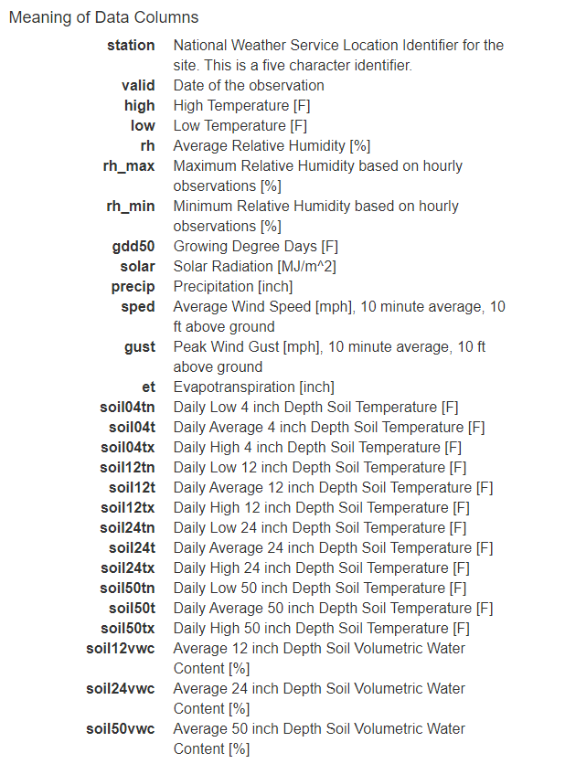
This is the spreadsheet used for running the random forest model in R.

TMTC were assigned 250 * the dilution factor to get 100mL.

Weather and soil data from Newell, Iowa. https://mesonet.agron.iastate.edu/agclimate/hist/daily.php

Flow data from CyBOX "Manual Flow data.xlsx"
Primarily using the Calculated discharge using manual measurements (cfs)
When not available because of low flow, using the Manual measurements (cfs)

Flow data for 2017 and 2018 are those found in C:\Users\tpneher\Box Sync\Work Computer\Research\BHL AMR\Project Data\Flows

Chemical data from Cybox: All Files > Black Hawk Lake Monitoring > Nutrient Data > Tile 8.xlsx
Ammonia | mg N/L
DRP | mg P/L
Nitrate+nitrite | mg N/L
Total Nitrogen | N/L
Total Phosphorus | mg P.L
Total suspended solids | mg/L
Volatile suspended solids | mg/L

