012
Run 01 |  | Run 02
Log(Qty) | Ct | Log(Qty) | Ct
6.2095150145 | 4.9166684887 | 6.2095150145 | 6.3542782904
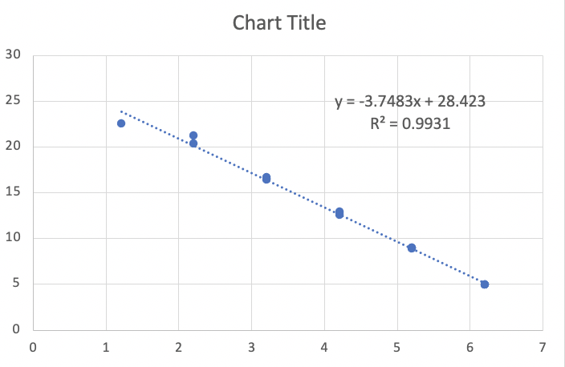
6.2095150145 | 4.9294233559 | 6.2095150145 | 6.3106057844
6.2095150145 | 4.9324630156 | 6.2095150145 | 6.4413705581
5.2095150145 | 8.9700878036 | 5.2095150145 | 10.161453937
5.2095150145 | 8.9364237943 | 5.2095150145 | 10.191851806
5.2095150145 | 8.9003109284 | 5.2095150145 | 10.192547548
4.2095150145 | 12.770734851 | 4.2095150145 | 13.443143364
4.2095150145 | 12.870616574 | 4.2095150145 | 13.35901619
4.2095150145 | 12.585920504 | 4.2095150145 | 13.475322688
3.2095150145 | 16.405941425 | 3.2095150145 | 17.171468767
3.2095150145 | 16.484731606 | 3.2095150145 | 16.652256713
3.2095150145 | 16.635139028 | 3.2095150145 | 16.991089029
2.2095150145 | 21.228264457 | 2.2095150145 | 20.004806116
2.2095150145 | 20.345306226 | 2.2095150145 | 20.370507461
1.2095150145 | 22.508898333 | 1.2095150145 | 22.356573035

